ElectricElbowBellEnd
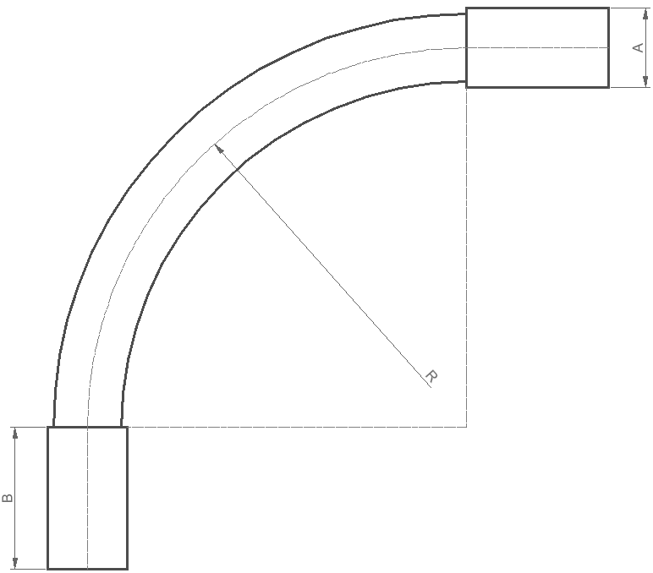
Sch40 & Sch80 Standar Electric Elbow - Bell End (in)
Item | Trade size Ø (in) | Min. Wall (in) |  | A (in) Average | B (in) Min. | R (in)
 |  | Sch40 | Sch80
HH-SWB90A | 1/2 | 0.109 | 0.147 | 0.84 | 1.5 | 4
HH-SWB90B | 3/4 | 0.113 | 0.154 | 1.05 | 1.5 | 4.5
HH-SWB90A | 1 | 0.133 | 0.179 | 1.315 | 1.875 | 5.75
HH-SWB90B | 1-1/4 | 0.14 | 0.191 | 1.66 | 2 | 7.25
HH-SWB90A | 1-1/2 | 0.145 | 0.2 | 1.9 | 2 | 8.25
HH-SWB90B | 2 | 0.154 | 0.218 | 2.375 | 2 | 9.5
HH-SWB90A | 2-1/2 | 0.203 | 0.276 | 2.875 | 3 | 10.5
HH-SWB90B | 3 | 0.216 | 0.3 | 3.5 | 3.125 | 13
HH-SWB90A | 3-1/2 | 0.226 | 0.318 | 4 | 3.25 | 15
HH-SWB90B | 4 | 0.237 | 0.337 | 4.5 | 3.375 | 16
HH-SWB90A | 5 | 0.258 | 0.375 | 5.563 | 3.625 | 24
HH-SWB90B | 6 | 0.28 | 0.432 | 6.625 | 3.75 | 30
HH-SWB90A | 8 | 0.322 | 0.5 | 8.625 | 6.5 | 35.5

Sch40 & Sch80 Standar Electric Elbow - Bell End (mm) |  |  |  |  |  |  |  |  | in to mm: |  | 25.4
Item | Trade size Ø (in) | Trade size Ø (in frac.) | Trade size Ø (mm) | Trade size Ø/2 (mm) | Min. Wall (mm) |  | External Wall offset (mm) |  | A (mm) Average | A/2 (mm) Average | B (mm) Min. | R (mm)
 |  |  |  |  | Sch40 | Sch80 | Sch40 | Sch80
HH-SWB90A | 1/2 | 0.5 | 12.7 | 6.35 | 2.7686 | 3.7338 | 9.1186 | 10.0838 | 21.336 | 10.668 | 38.1 | 101.6 | 15.4686
HH-SWB90B | 3/4 | 0.75 | 19.05 | 9.525 | 2.8702 | 3.9116 | 12.3952 | 13.4366 | 26.67 | 13.335 | 38.1 | 114.3
HH-SWB90A | 1 | 1 | 25.4 | 12.7 | 3.3782 | 4.5466 | 16.0782 | 17.2466 | 33.401 | 16.7005 | 47.625 | 146.05
HH-SWB90B | 1-1/4 | 1.25 | 31.75 | 15.875 | 3.556 | 4.8514 | 19.431 | 20.7264 | 42.164 | 21.082 | 50.8 | 184.15
HH-SWB90A | 1-1/2 | 1.5 | 38.1 | 19.05 | 3.683 | 5.08 | 22.733 | 24.13 | 48.26 | 24.13 | 50.8 | 209.55
HH-SWB90B | 2 | 2 | 50.8 | 25.4 | 3.9116 | 5.5372 | 29.3116 | 30.9372 | 60.325 | 30.1625 | 50.8 | 241.3
HH-SWB90A | 2-1/2 | 2.5 | 63.5 | 31.75 | 5.1562 | 7.0104 | 36.9062 | 38.7604 | 73.025 | 36.5125 | 76.2 | 266.7
HH-SWB90B | 3 | 3 | 76.2 | 38.1 | 5.4864 | 7.62 | 43.5864 | 45.72 | 88.9 | 44.45 | 79.375 | 330.2
HH-SWB90A | 3-1/2 | 3.5 | 88.9 | 44.45 | 5.7404 | 8.0772 | 50.1904 | 52.5272 | 101.6 | 50.8 | 82.55 | 381
HH-SWB90B | 4 | 4 | 101.6 | 50.8 | 6.0198 | 8.5598 | 56.8198 | 59.3598 | 114.3 | 57.15 | 85.725 | 406.4
HH-SWB90A | 5 | 5 | 127 | 63.5 | 6.5532 | 9.525 | 70.0532 | 73.025 | 141.3002 | 70.6501 | 92.075 | 609.6
HH-SWB90B | 6 | 6 | 152.4 | 76.2 | 7.112 | 10.9728 | 83.312 | 87.1728 | 168.275 | 84.1375 | 95.25 | 762
HH-SWB90A | 8 | 8 | 203.2 | 101.6 | 8.1788 | 12.7 | 109.7788 | 114.3 | 219.075 | 109.5375 | 165.1 | 901.7

