Solid
Solid geometry and mass calculations |  |  |  | v.20250711
A solid is one of the four fundamental states of matter, characterized by its fixed shape and volume. Unlike liquids and gases, the particles in a solid are closely packed and held in relatively fixed positions, only capable of vibrational movement. This close arrangement and limited motion give solids their rigidity and resistance to compression and deformation. |  |  | Parameter | Value
 |  |  | Units | mm
 |  |  | Conversion to meters | 1000
 |  |  | Material | Titanium
 |  |  | D, density (kg/m³) | 4500
Resume calculations | Solid shape | V, volume (mm³) | A, surface area (mm²) | m, mass (gr)
Σ | Sphere | 523598.78 | 31415.93 | 2356.19
 | Box | 1000000.00 | 60000.00 | 4500.00
 | Cone | 130899.69 | 18961.19 | 589.05
 | Cylinder | 196349.54 | 23561.94 | 883.57
 | Pyramid (rectangular) | 250000.00 | 23561.94 | 1125.00
 | Torus (donut) | 308425.14 | 24674.01 | 1387.91
 | Σ | 2409273.15 | 182175.02 | 10841.73
 | Σ (m³, m², kg) | 0.00240927 | 0.18 | 10.84
Sphere | Parameter | Formula | Value | Units
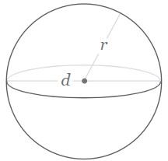
 | r, radius |  | 50 | mm
 | V, volume | V = (4/3)πr³ | 523598.7756 | mm³
 | V, volume |  | 0.0005235987756 | m³
 | A, surface area | A = 4πr² | 31415.926536 | mm²
 | A, surface area |  | 0.031415926536 | m²
 | m, mass | m = DV | 2.3561944902 | kg
 | m, mass |  | 2356.1944902 | gr

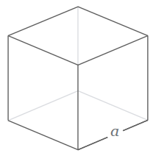
Box | Parameter | Formula | Value | Units
 | l, length |  | 100 | mm
 | w, width |  | 100 | mm
 | h, height |  | 100 | mm
 | V, volume | V = lwt | 1000000 | mm³
 | V, volume |  | 0.001 | m³
 | A, surface area | A = (lh + wh + lw) * 2 | 60000 | mm²
 | A, surface area |  | 0.06 | m²
 | m, mass | m = DV | 4.5 | kg
 | m, mass |  | 4500 | gr

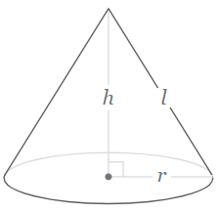
Cone | Parameter | Formula | Value | Units
 | r, radius |  | 50 | mm
 | h, height |  | 50 | mm
 | V, volume | V =(1/3)πr²h | 130899.6939 | mm³
 | V, volume |  | 0.0001308996939 | m³
 | A, surface area | A = πr(r+√(h²+r²)) | 18961.188979 | mm²
 | A, surface area |  | 0.018961188979 | m²
 | m, mass | m = DV | 0.58904862255 | kg
 | m, mass |  | 589.04862255 | gr
 | l, slant height | l = √(r²+h²) | 70.710678119 | mm

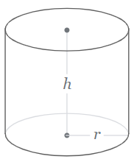
Cylinder | Parameter | Formula | Value | Units
 | r, radius |  | 50 | mm
 | h, height |  | 25 | mm
 | V, volume | V = πr²h | 196349.54085 | mm³
 | V, volume |  | 0.00019634954085 | m³
 | A, surface area | A = 2πrh + 2πr² | 23561.944902 | mm²
 | A, surface area |  | 0.023561944902 | m²
 | m, mass | m = DV | 0.88357293382 | kg
 | m, mass |  | 883.57293382 | gr

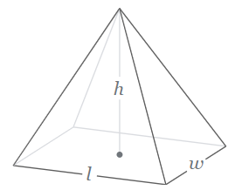
Pyramid (rectangular) | Parameter | Formula | Value | Units
 | l, length |  | 100 | mm
 | w, width |  | 100 | mm
 | h, height |  | 75 | mm
 | V, volume | V =(1/3)lwh | 250000 | mm³
 | V, volume |  | 0.00025 | m³
 | A, surface area | A = lw+l√((w 2)²+h2)+w√)(l 2)²+h2) | 28027.756377 | mm²
 | A, surface area |  | 0.028027756377 | m²
 | m, mass | m = DV | 1.125 | kg
 | m, mass |  | 1125 | gr

Torus (donut) | Parameter | Formula | Value | Units
 | R, external radius |  | 25 | mm
 | r, face radius |  | 25 | mm
 | V, volume | V=(π²r)(2πR) | 308425.13753 | mm³
 | V, volume |  | 0.00030842513753 | m³
 | A, surface area | A=(2πR)(2πr) | 24674.011003 | mm²
 | A, surface area |  | 0.024674011003 | m²
 | m, mass | m = DV | 1.3879131189 | kg
 | m, mass |  | 1387.9131189 | gr

