Espiral2Centros
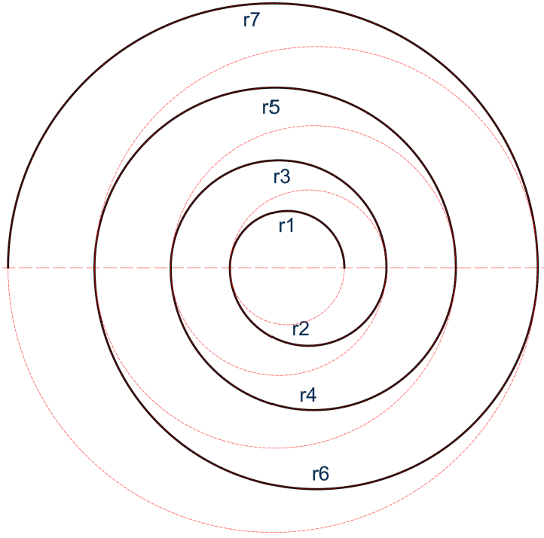
 |  |  |  |  |  |  | v2026204
 |  | Quiz M01A02a-2 / Espiral de dos centros usando factor de expansión

Factor: | 1.73
SDig: | 0.50 | 1.00 | 1.50 | 2.00 | 2.50 | 3.00 | 3.50 | 4.00 | 4.50 | 5.00 | 5.50 | 6.00 | 6.50 | 7.00 | 7.50 | 8.00 | 8.50 | 9.00 | 9.50 | 10.00 | 10.50 | 11.00 | 11.50
Arco | Radio (m) | Radio (m) | Radio (m) | Radio (m) | Radio (m) | Radio (m) | Radio (m) | Radio (m) | Radio (m) | Radio (m) | Radio (m) | Radio (m) | Radio (m) | Radio (m) | Radio (m) | Radio (m) | Radio (m) | Radio (m) | Radio (m) | Radio (m) | Radio (m) | Radio (m) | Radio (m)
1 | 0.50 | 1.00 | 1.50 | 2.00 | 2.50 | 3.00 | 3.50 | 4.00 | 4.50 | 5.00 | 5.50 | 6.00 | 6.50 | 7.00 | 7.50 | 8.00 | 8.50 | 9.00 | 9.50 | 10.00 | 10.50 | 11.00 | 11.50
2 | 2.04 | 2.63 | 3.20 | 3.76 | 4.32 | 4.86 | 5.41 | 5.95 | 6.49 | 7.02 | 7.56 | 8.09 | 8.62 | 9.15 | 9.68 | 10.21 | 10.74 | 11.26 | 11.79 | 12.32 | 12.84 | 13.36 | 13.89
3 | 3.61 | 4.29 | 4.93 | 5.55 | 6.15 | 6.73 | 7.32 | 7.89 | 8.46 | 9.01 | 9.58 | 10.13 | 10.69 | 11.24 | 11.79 | 12.34 | 12.89 | 13.43 | 13.97 | 14.52 | 15.06 | 15.59 | 16.14
4 | 5.23 | 6.00 | 6.70 | 7.37 | 8.00 | 8.62 | 9.24 | 9.83 | 10.43 | 11.00 | 11.59 | 12.16 | 12.73 | 13.30 | 13.87 | 14.43 | 15.00 | 15.55 | 16.10 | 16.67 | 17.22 | 17.76 | 18.32
5 | 6.90 | 7.75 | 8.50 | 9.21 | 9.87 | 10.52 | 11.17 | 11.78 | 12.40 | 12.99 | 13.59 | 14.18 | 14.76 | 15.35 | 15.93 | 16.50 | 17.08 | 17.65 | 18.21 | 18.79 | 19.35 | 19.90 | 20.46
6 | 8.60 | 9.53 | 10.32 | 11.07 | 11.76 | 12.43 | 13.11 | 13.73 | 14.37 | 14.98 | 15.59 | 16.19 | 16.79 | 17.39 | 17.98 | 18.56 | 19.15 | 19.73 | 20.30 | 20.89 | 21.45 | 22.01 | 22.58
7 | 10.33 | 11.33 | 12.16 | 12.95 | 13.66 | 14.35 | 15.05 | 15.69 | 16.34 | 16.97 | 17.59 | 18.20 | 18.81 | 19.42 | 20.02 | 20.61 | 21.21 | 21.80 | 22.37 | 22.97 | 23.54 | 24.11 | 24.68
Longitud (m): | 116.90 | 133.61 | 148.63 | 163.08 | 176.75 | 190.10 | 203.58 | 216.36 | 229.30 | 241.81 | 254.47 | 266.88 | 279.29 | 291.70 | 304.01 | 316.20 | 328.52 | 340.61 | 352.61 | 364.93 | 376.87 | 388.71 | 400.77

Espiral3CentrosCircuInscrita
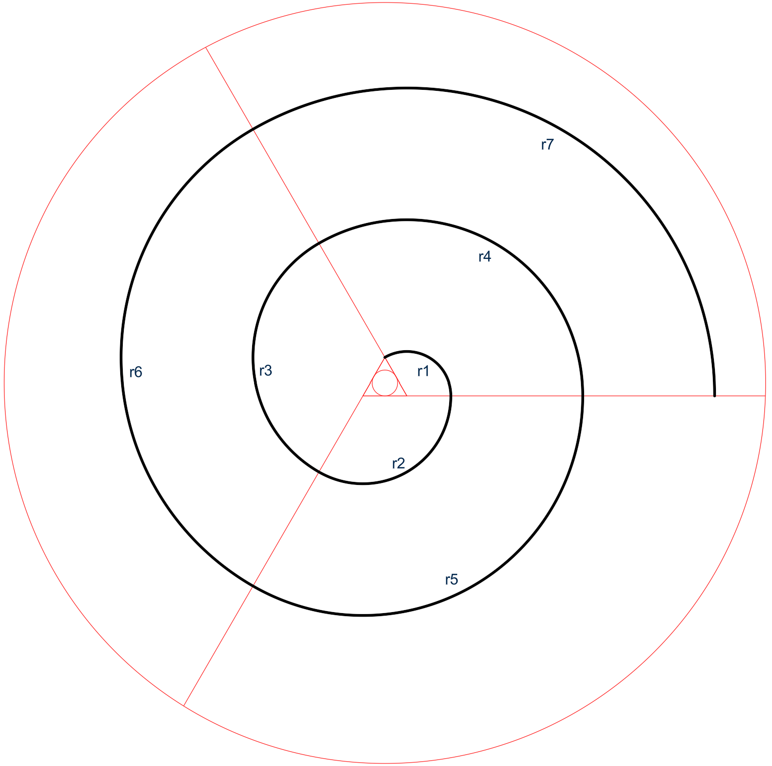
 |  |  |  |  |  |  |  |  | v2026204
 | Quiz M01A02a-2 / Espiral de 3 centros a partir de triángulo circuinscrito en una circunferencia

SDig: | 0.50 | 1.00 | 1.50 | 2.00 | 2.50 | 3.00 | 3.50 | 4.00 | 4.50 | 5.00 | 5.50 | 6.00 | 6.50 | 7.00 | 7.50 | 8.00 | 8.50 | 9.00 | 9.50 | 10.00 | 10.50 | 11.00 | 11.50
Lado triángulo (m): | 1.732 | 3.464 | 5.196 | 6.928 | 8.660 | 10.392 | 12.124 | 13.856 | 15.588 | 17.321 | 19.053 | 20.785 | 22.517 | 24.249 | 25.981 | 27.713 | 29.445 | 31.177 | 32.909 | 34.641 | 36.373 | 38.105 | 39.837
Arco | Arco (m) | Arco (m) | Arco (m) | Arco (m) | Arco (m) | Arco (m) | Arco (m) | Arco (m) | Arco (m) | Arco (m) | Arco (m) | Arco (m) | Arco (m) | Arco (m) | Arco (m) | Arco (m) | Arco (m) | Arco (m) | Arco (m) | Arco (m) | Arco (m) | Arco (m) | Arco (m)
1 | 3.628 | 7.255 | 10.883 | 14.510 | 18.138 | 21.766 | 25.393 | 29.021 | 32.648 | 36.276 | 39.904 | 43.531 | 47.159 | 50.786 | 54.414 | 58.042 | 61.669 | 65.297 | 68.924 | 72.552 | 76.180 | 79.807 | 83.435
2 | 7.255 | 14.510 | 21.766 | 29.021 | 36.276 | 43.531 | 50.786 | 58.042 | 65.297 | 72.552 | 79.807 | 87.062 | 94.318 | 101.573 | 108.828 | 116.083 | 123.338 | 130.594 | 137.849 | 145.104 | 152.359 | 159.614 | 166.870
3 | 10.883 | 21.766 | 32.648 | 43.531 | 54.414 | 65.297 | 76.180 | 87.062 | 97.945 | 108.828 | 119.711 | 130.594 | 141.476 | 152.359 | 163.242 | 174.125 | 185.008 | 195.890 | 206.773 | 217.656 | 228.539 | 239.422 | 250.304
4 | 14.510 | 29.021 | 43.531 | 58.042 | 72.552 | 87.062 | 101.573 | 116.083 | 130.594 | 145.104 | 159.614 | 174.125 | 188.635 | 203.146 | 217.656 | 232.166 | 246.677 | 261.187 | 275.698 | 290.208 | 304.718 | 319.229 | 333.739
5 | 18.138 | 36.276 | 54.414 | 72.552 | 90.690 | 108.828 | 126.966 | 145.104 | 163.242 | 181.380 | 199.518 | 217.656 | 235.794 | 253.932 | 272.070 | 290.208 | 308.346 | 326.484 | 344.622 | 362.760 | 380.898 | 399.036 | 417.174
6 | 21.766 | 43.531 | 65.297 | 87.062 | 108.828 | 130.594 | 152.359 | 174.125 | 195.890 | 217.656 | 239.422 | 261.187 | 282.953 | 304.718 | 326.484 | 348.249 | 370.015 | 391.781 | 413.546 | 435.312 | 457.077 | 478.843 | 500.609
7 | 25.393 | 50.786 | 76.180 | 101.573 | 126.966 | 152.359 | 177.752 | 203.146 | 228.539 | 253.932 | 279.325 | 304.718 | 330.111 | 355.505 | 380.898 | 406.291 | 431.684 | 457.077 | 482.471 | 507.864 | 533.257 | 558.650 | 584.043
Longitud (m): | 101.573 | 203.146 | 304.718 | 406.291 | 507.864 | 609.437 | 711.009 | 812.582 | 914.155 | 1015.728 | 1117.300 | 1218.873 | 1320.446 | 1422.019 | 1523.591 | 1625.164 | 1726.737 | 1828.310 | 1929.883 | 2031.455 | 2133.028 | 2234.601 | 2336.174

Espiral3CentrosInscrita
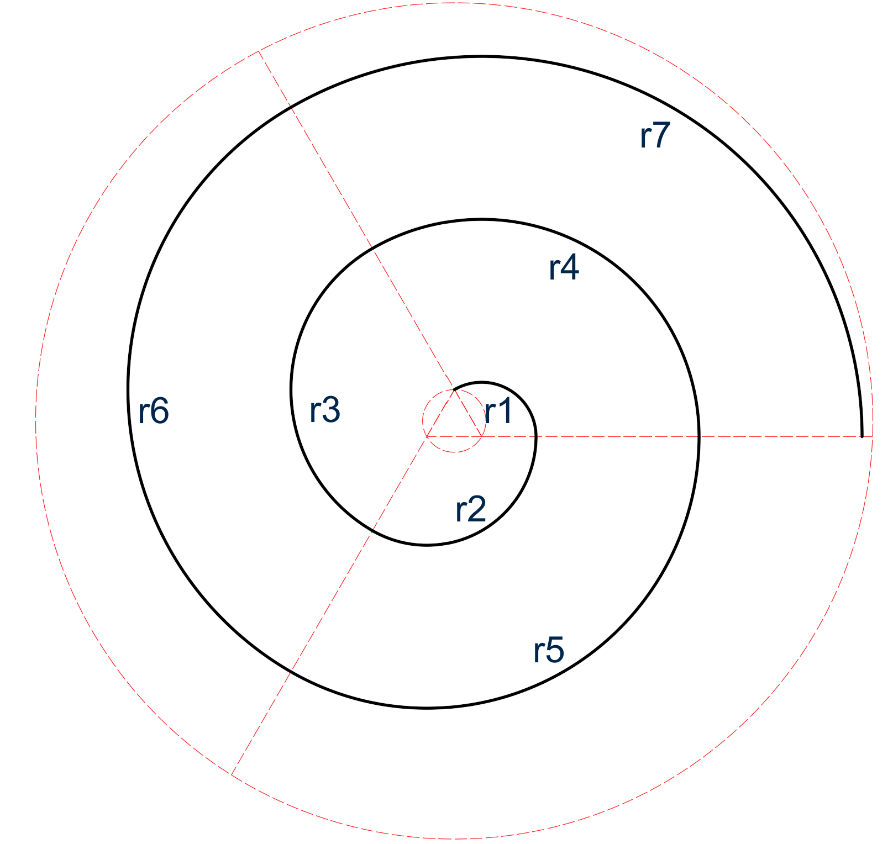
 |  |  |  |  |  |  |  |  | v2026204
 | Quiz M01A02a-2 / Espiral de 3 centros a partir de triángulo inscrito en una circunferencia

SDig: | 0.50 | 1.00 | 1.50 | 2.00 | 2.50 | 3.00 | 3.50 | 4.00 | 4.50 | 5.00 | 5.50 | 6.00 | 6.50 | 7.00 | 7.50 | 8.00 | 8.50 | 9.00 | 9.50 | 10.00 | 10.50 | 11.00 | 11.50
Lado triángulo (m): | 0.866 | 1.732 | 2.598 | 3.464 | 4.330 | 5.196 | 6.062 | 6.928 | 7.794 | 8.660 | 9.526 | 10.392 | 11.258 | 12.124 | 12.990 | 13.856 | 14.722 | 15.588 | 16.454 | 17.321 | 18.187 | 19.053 | 19.919
Arco | Arco (m) | Arco (m) | Arco (m) | Arco (m) | Arco (m) | Arco (m) | Arco (m) | Arco (m) | Arco (m) | Arco (m) | Arco (m) | Arco (m) | Arco (m) | Arco (m) | Arco (m) | Arco (m) | Arco (m) | Arco (m) | Arco (m) | Arco (m) | Arco (m) | Arco (m) | Arco (m)
1 | 1.814 | 3.628 | 5.441 | 7.255 | 9.069 | 10.883 | 12.697 | 14.510 | 16.324 | 18.138 | 19.952 | 21.766 | 23.579 | 25.393 | 27.207 | 29.021 | 30.835 | 32.648 | 34.462 | 36.276 | 38.090 | 39.904 | 41.717
2 | 3.628 | 7.255 | 10.883 | 14.510 | 18.138 | 21.766 | 25.393 | 29.021 | 32.648 | 36.276 | 39.904 | 43.531 | 47.159 | 50.786 | 54.414 | 58.042 | 61.669 | 65.297 | 68.924 | 72.552 | 76.180 | 79.807 | 83.435
3 | 5.441 | 10.883 | 16.324 | 21.766 | 27.207 | 32.648 | 38.090 | 43.531 | 48.973 | 54.414 | 59.855 | 65.297 | 70.738 | 76.180 | 81.621 | 87.062 | 92.504 | 97.945 | 103.387 | 108.828 | 114.269 | 119.711 | 125.152
4 | 7.255 | 14.510 | 21.766 | 29.021 | 36.276 | 43.531 | 50.786 | 58.042 | 65.297 | 72.552 | 79.807 | 87.062 | 94.318 | 101.573 | 108.828 | 116.083 | 123.338 | 130.594 | 137.849 | 145.104 | 152.359 | 159.614 | 166.870
5 | 9.069 | 18.138 | 27.207 | 36.276 | 45.345 | 54.414 | 63.483 | 72.552 | 81.621 | 90.690 | 99.759 | 108.828 | 117.897 | 126.966 | 136.035 | 145.104 | 154.173 | 163.242 | 172.311 | 181.380 | 190.449 | 199.518 | 208.587
6 | 10.883 | 21.766 | 32.648 | 43.531 | 54.414 | 65.297 | 76.180 | 87.062 | 97.945 | 108.828 | 119.711 | 130.594 | 141.476 | 152.359 | 163.242 | 174.125 | 185.008 | 195.890 | 206.773 | 217.656 | 228.539 | 239.422 | 250.304
7 | 12.697 | 25.393 | 38.090 | 50.786 | 63.483 | 76.180 | 88.876 | 101.573 | 114.269 | 126.966 | 139.663 | 152.359 | 165.056 | 177.752 | 190.449 | 203.146 | 215.842 | 228.539 | 241.235 | 253.932 | 266.629 | 279.325 | 292.022
Longitud (m): | 50.786 | 101.573 | 152.359 | 203.146 | 253.932 | 304.718 | 355.505 | 406.291 | 457.077 | 507.864 | 558.650 | 609.437 | 660.223 | 711.009 | 761.796 | 812.582 | 863.368 | 914.155 | 964.941 | 1015.728 | 1066.514 | 1117.300 | 1168.087

