DEMGenerator
Basic DEM region generator |  |  |  |  | 3D Matrix
Parameter | Var | Units | Value |  | z↘ | x→
CRS |  |  | 9377 |  |  |  | 5000000 | 5000005 | 5000010
Node 1 north |  | m | 2000000 |  | y↓ | 2000000 | 100 | 99 | 100
Node 1 west |  | m | 5000000 |  |  | 1999990 | 99 | 98 | 99
Raster resolution | rr | m | 0.1 |  |  | 1999980 | 98 | 97 | 98
Z reference | z | m | 100
3D Matrix
Channel length | L | m | 20
Channel width | W | m | 10
Channel deep | D | m | 1
Channel slope | CSlp | m/m | 0.1
Side slope | SSlp | m/m | 0.2
Side slope relation | SSlpR | z:1 | 5:1
Model name | HDitchL20W10D1CSlp01SSlp02
Attention: this worksheet requires point as a decimal separator

Node orientation calculations
Location | Node | CX | CY | CZ
Corner NW | 1 | 5000000 | 2000000 | 100
Center top NN | 2 | 5000005 | 2000000 | 99
Corner NE | 3 | 5000010 | 2000000 | 100
Center left side WW | 4 | 5000000 | 1999990 | 99
Center center | 5 | 5000005 | 1999990 | 98
Center right side EE | 6 | 5000010 | 1999990 | 99
Corner SW | 7 | 5000000 | 1999980 | 98
Center bottom SS | 8 | 5000005 | 1999980 | 97
Corner SE | 9 | 5000010 | 1999980 | 98

Node orientation
 | Norte ↑
1 | 2 | 3
4 | 5 | 6 | Este →
7 | 8 | 9

RAS Mapper Domain
Node | CX | CY
NW | 5000000.1 | 1999999.9
NE | 5000009.9 | 1999999.9
SW | 5000000.1 | 1999980.1
SE | 5000009.9 | 1999980.1

1 | 0 | 98.792
47 | 4.769 | 97.856
 | 0.20

Flow
Flow discharge curves
Parameter | Unit | Left side | Right side | Labels
Average flow | cms | 1 | 0.05 | Data time interval (1)
Average flow | lps | 1000 | 50
Data time interval | sec | 1 | 1
Shape | Time step | Flow Left side | Flow Right side
0 | 1 | 0.0000 | 0.0000
Flow discharge curves
 | Flow Left side | Flow Right side
1 | 0.0000 | 0.0000
2 | 0.0100 | 0.0005
3 | 0.0500 | 0.0025
4 | 0.0900 | 0.0045
5 | 0.1300 | 0.0065
6 | 0.1700 | 0.0085
7 | 0.2100 | 0.0105
8 | 0.2500 | 0.0125
9 | 0.2900 | 0.0145
10 | 0.3300 | 0.0165
11 | 0.3700 | 0.0185
12 | 0.4100 | 0.0205
13 | 0.4500 | 0.0225
14 | 0.4900 | 0.0245
15 | 0.5300 | 0.0265
16 | 0.5700 | 0.0285
17 | 0.6100 | 0.0305
18 | 0.6500 | 0.0325
19 | 0.6900 | 0.0345
20 | 0.7300 | 0.0365
21 | 0.7700 | 0.0385
22 | 0.8100 | 0.0405
23 | 0.8500 | 0.0425
24 | 0.8900 | 0.0445
25 | 0.9300 | 0.0465
26 | 0.9700 | 0.0485
27 | 1.0000 | 0.0500
28 | 1.0000 | 0.0500
29 | 1.0000 | 0.0500
30 | 1.0000 | 0.0500
31 | 1.0000 | 0.0500
32 | 1.0000 | 0.0500
33 | 1.0000 | 0.0500
34 | 1.0000 | 0.0500
35 | 1.0000 | 0.0500
36 | 1.0000 | 0.0500
37 | 1.0000 | 0.0500
38 | 1.0000 | 0.0500
39 | 1.0000 | 0.0500
40 | 1.0000 | 0.0500
41 | 1.0000 | 0.0500
42 | 1.0000 | 0.0500
43 | 1.0000 | 0.0500
44 | 1.0000 | 0.0500
45 | 1.0000 | 0.0500
46 | 1.0000 | 0.0500
47 | 1.0000 | 0.0500
48 | 1.0000 | 0.0500
49 | 1.0000 | 0.0500
50 | 1.0000 | 0.0500
...
0.01 | 2 | 0.0100 | 0.0005
0.05 | 3 | 0.0500 | 0.0025
0.09 | 4 | 0.0900 | 0.0045
0.13 | 5 | 0.1300 | 0.0065
0.17 | 6 | 0.1700 | 0.0085
0.21 | 7 | 0.2100 | 0.0105
0.25 | 8 | 0.2500 | 0.0125
0.29 | 9 | 0.2900 | 0.0145
0.33 | 10 | 0.3300 | 0.0165
0.37 | 11 | 0.3700 | 0.0185
0.41 | 12 | 0.4100 | 0.0205
0.45 | 13 | 0.4500 | 0.0225
0.49 | 14 | 0.4900 | 0.0245
0.53 | 15 | 0.5300 | 0.0265
0.57 | 16 | 0.5700 | 0.0285
0.61 | 17 | 0.6100 | 0.0305
0.65 | 18 | 0.6500 | 0.0325
0.69 | 19 | 0.6900 | 0.0345
0.73 | 20 | 0.7300 | 0.0365
0.77 | 21 | 0.7700 | 0.0385
0.81 | 22 | 0.8100 | 0.0405
0.85 | 23 | 0.8500 | 0.0425
0.89 | 24 | 0.8900 | 0.0445
0.93 | 25 | 0.9300 | 0.0465
0.97 | 26 | 0.9700 | 0.0485
1 | 27 | 1.0000 | 0.0500
1 | 28 | 1.0000 | 0.0500
1 | 29 | 1.0000 | 0.0500
1 | 30 | 1.0000 | 0.0500
1 | 31 | 1.0000 | 0.0500
1 | 32 | 1.0000 | 0.0500
1 | 33 | 1.0000 | 0.0500
1 | 34 | 1.0000 | 0.0500
1 | 35 | 1.0000 | 0.0500
1 | 36 | 1.0000 | 0.0500
1 | 37 | 1.0000 | 0.0500
1 | 38 | 1.0000 | 0.0500
1 | 39 | 1.0000 | 0.0500
1 | 40 | 1.0000 | 0.0500
1 | 41 | 1.0000 | 0.0500
1 | 42 | 1.0000 | 0.0500
1 | 43 | 1.0000 | 0.0500
1 | 44 | 1.0000 | 0.0500
1 | 45 | 1.0000 | 0.0500
1 | 46 | 1.0000 | 0.0500
1 | 47 | 1.0000 | 0.0500
1 | 48 | 1.0000 | 0.0500
1 | 49 | 1.0000 | 0.0500
1 | 50 | 1.0000 | 0.0500
1 | 51 | 1.0000 | 0.0500
1 | 52 | 1.0000 | 0.0500
1 | 53 | 1.0000 | 0.0500
1 | 54 | 1.0000 | 0.0500
1 | 55 | 1.0000 | 0.0500
1 | 56 | 1.0000 | 0.0500
1 | 57 | 1.0000 | 0.0500
1 | 58 | 1.0000 | 0.0500
1 | 59 | 1.0000 | 0.0500
1 | 60 | 1.0000 | 0.0500
1 | 61 | 1.0000 | 0.0500
1 | 62 | 1.0000 | 0.0500
1 | 63 | 1.0000 | 0.0500
1 | 64 | 1.0000 | 0.0500
1 | 65 | 1.0000 | 0.0500
1 | 66 | 1.0000 | 0.0500
1 | 67 | 1.0000 | 0.0500
1 | 68 | 1.0000 | 0.0500
1 | 69 | 1.0000 | 0.0500
1 | 70 | 1.0000 | 0.0500
1 | 71 | 1.0000 | 0.0500
1 | 72 | 1.0000 | 0.0500
1 | 73 | 1.0000 | 0.0500
1 | 74 | 1.0000 | 0.0500
1 | 75 | 1.0000 | 0.0500
1 | 76 | 1.0000 | 0.0500
1 | 77 | 1.0000 | 0.0500
1 | 78 | 1.0000 | 0.0500
1 | 79 | 1.0000 | 0.0500
1 | 80 | 1.0000 | 0.0500
1 | 81 | 1.0000 | 0.0500
1 | 82 | 1.0000 | 0.0500
1 | 83 | 1.0000 | 0.0500
1 | 84 | 1.0000 | 0.0500
1 | 85 | 1.0000 | 0.0500
1 | 86 | 1.0000 | 0.0500
1 | 87 | 1.0000 | 0.0500
1 | 88 | 1.0000 | 0.0500
1 | 89 | 1.0000 | 0.0500
1 | 90 | 1.0000 | 0.0500
1 | 91 | 1.0000 | 0.0500
1 | 92 | 1.0000 | 0.0500
1 | 93 | 1.0000 | 0.0500
1 | 94 | 1.0000 | 0.0500
1 | 95 | 1.0000 | 0.0500
1 | 96 | 1.0000 | 0.0500
1 | 97 | 1.0000 | 0.0500
1 | 98 | 1.0000 | 0.0500
1 | 99 | 1.0000 | 0.0500
1 | 100 | 1.0000 | 0.0500

CourantNumber
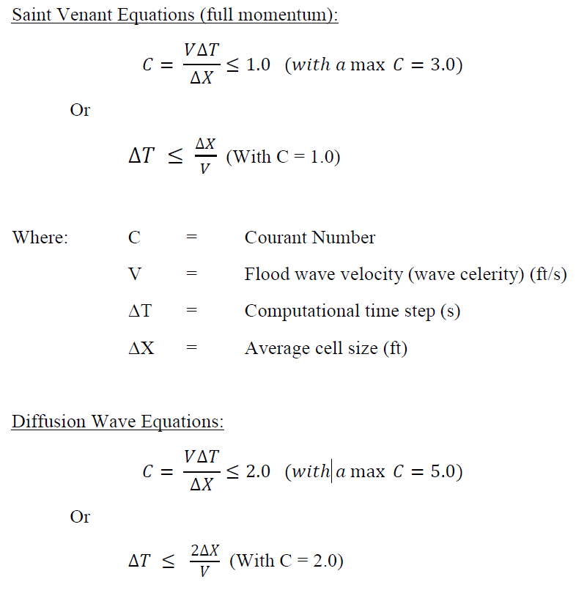
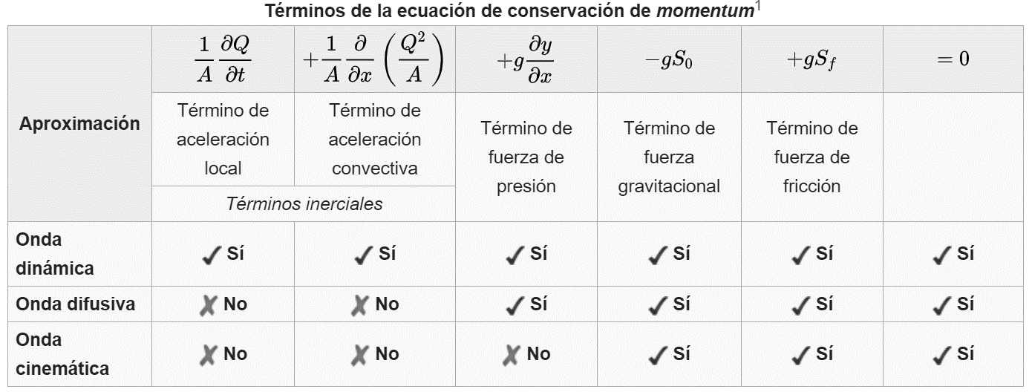
Courant Number |  |  | Ecuación de momentum (unidimensional)
Var | Value | Description | Onda Dinámica + Turbulencia + Coriolis = HEC-RAS Full Momentum
v max, m/s | 5.2 | Flood wave velocity (wave celerity) | Aceleración Local: cambio en la velocidad de una partícula fluida respecto al tiempo.
v min, m/s | 0.06
ΔT, s | 0.1 | Computational time step | Aceleración Convectiva: cambio en la velocidad de una partícula fluida en el espacio del dominio.
ΔX, m | 0.2 | Average cell face size
C max | 2.6
C min | 0.03 | Courant Number

