Main
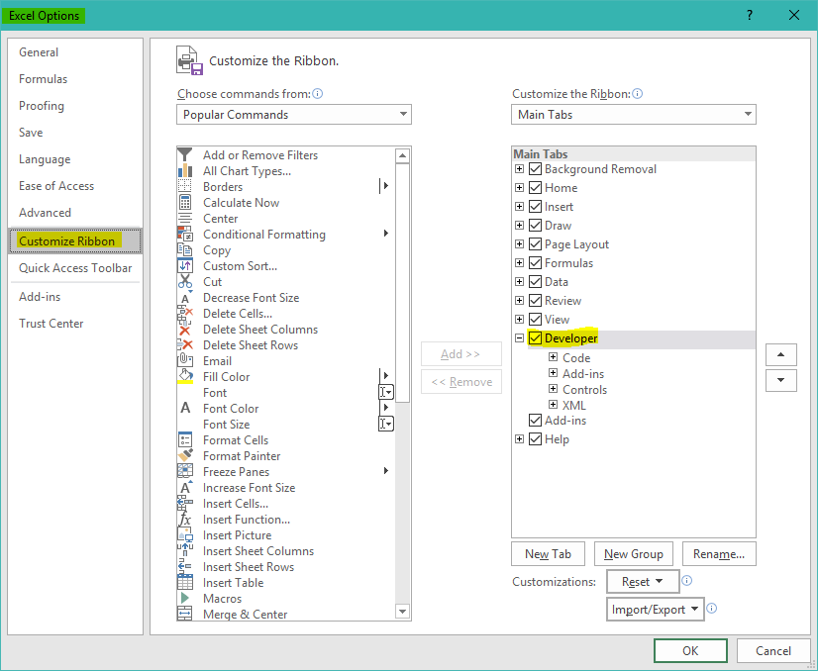
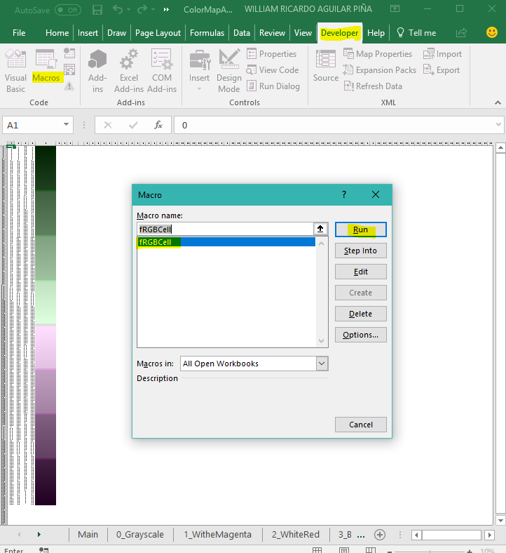
r.cfdtools@gmail.com |  | Macro | Calculate intermediate ranges
COLOR MAP RAMPS FOR ARCGIS 10.5 |  | Sub fRGBCell() vColors = Range("H1") For i = 1 To vColors vRCell = "B" & i vGCell = "C" & i vBCell = "D" & i vR = Range(vRCell) vG = Range(vGCell) vB = Range(vBCell) vCellApply = "E" & i Range(vCellApply).Select Selection.Interior.Color = RGB(vR, vG, vB) Columns("E:E").Select Selection.ColumnWidth = 40 Next i End Sub | http://www.zonums.com/online/color_ramp/

PROCEDURE FOR CREATE AND EXPORT COLOR MAP RAMPS |  |  | Colors | 1024
0. Create a table with 4 columns (Each file represent an individual color) |  |  | Ranges Colors | 13
Column A: Contain the secuencial number from 0 to 255 if the ramp use 256 colors |  |  | First 11 ranges | 84 | values
Column B: Contain the value for Red Color |  |  | Last range | 87 | values
Column C: Contain the value for Green Color |  |  | Total Colors | 1024
Column D: Contain the value for Blue Color
1. Export the table to txt format separate by tabs
2. Change the extension file .txt for .clr
3. Open the .clr file with notepad++ and replace tab for a single space
4. Color map style is ready for use on ArcGIS Python scripts.

INSERT MAX VALUE AND UNITS FOR SAMPLE PALETTE TEXT

Max value on Grid | Units
55.5 | mm

Notes:
For had a preview ramp color, select the sheet with the table values and execute here in Excel the macro called fRGBCell

