FDR
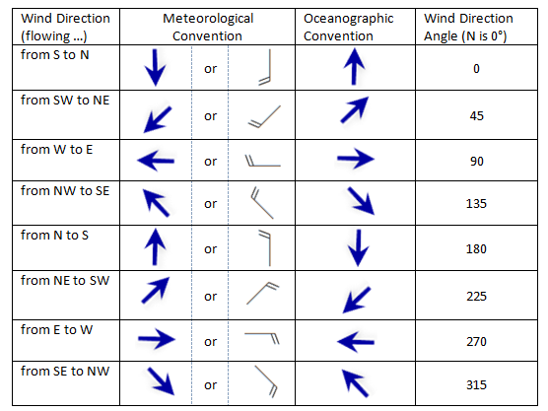
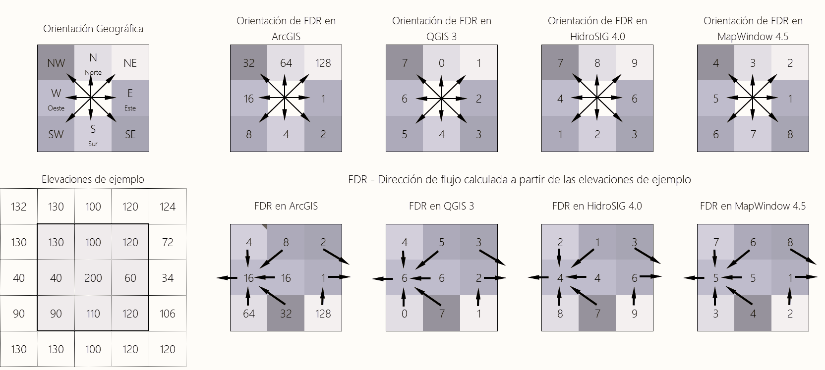
DEM direction | FDR ArcGIS | Orientación | Wind direction
22.5 | 1 | E | 112.5
67.5 | 2 | SE | 157.5
112.5 | 4 | S | 202.5
157.5 | 8 | SW | 247.5
202.5 | 16 | W | 292.5
247.5 | 32 | W | 337.5
292.5 | 64 | N | 22.5
337.5 | 128 | NE | 67.5

https://www.esri.com/arcgis-blog/products/product/analytics/displaying-speed-and-direction-symbology-from-u-and-v-vectors/

Expresions
DEM: | Con("Dir19800101.tif"<=22.5, 1, Con("Dir19800101.tif"<=67.5, 2, Con("Dir19800101.tif"<=112.5, 4, Con("Dir19800101.tif"<=157.5, 8, Con("Dir19800101.tif"<=202.5, 16, Con("Dir19800101.tif"<=247.5, 32, Con("Dir19800101.tif"<=292.5, 64, Con("Dir19800101.tif"<=337.5, 128, 1))))))))
Wind: | Con("Dir19800101.tif"<=22.5, 64, Con("Dir19800101.tif"<=67.5, 128, Con("Dir19800101.tif"<=112.5, 1, Con("Dir19800101.tif"<=157.5, 2, Con("Dir19800101.tif"<=202.5, 4, Con("Dir19800101.tif"<=247.5, 8, Con("Dir19800101.tif"<=292.5, 16, Con("Dir19800101.tif"<=337.5, 32, 64))))))))

Samples (Excel uses V-U instead of Map Algebra that uses U-V)
u | v | Wind direction | Model Builder | FDR
0.763934 | -0.196532 | 104.42723301 | 104.427211 | 1
0.473112 | -0.512647 | 137.29668235 | 137.296671 | 2
0.032911 | -0.356329 | 174.72306005 | 174.723113 | 4
-0.268375 | -0.287016 | 223.0776609 | 223.077629 | 8
-0.625587 | 0.0378 | 273.45779323 | 273.457768 | 16
-0.558114 | 0.514293 | 312.66006532 | 312.660065 | 32
0.00621 | 0.431349 | 0.82481288181 | 0.431349 | 64
0.436308 | 0.617828 | 35.229606362 | 35.229637 | 128

Point1
Monthly Flow & Atmospheric Area
Point | 1
Description | Chingaza reservoir
Latitude | 4.6
Longitude | -73.7
Wind direction | Oceanographic convention

Date | Q, m³/s | A, km²
1980-01-01 | 1.67 | 588.64
1980-02-01 | 1.16 | 441.48
1980-03-01 | 1.75 | 441.48
1980-04-01 | 2.15 | 441.48
1980-05-01 | 5.70 | 1177.29
1980-06-01 | 3.44 | 882.96
1980-07-01 | 65.30 | 15746.19
1980-08-01 | 2.26 | 735.80
1980-09-01 | 2.87 | 882.96
1980-10-01 | 1.63 | 441.48
1980-11-01 | 0.58 | 147.16
1980-12-01 | 0.56 | 147.16

