Sheet1
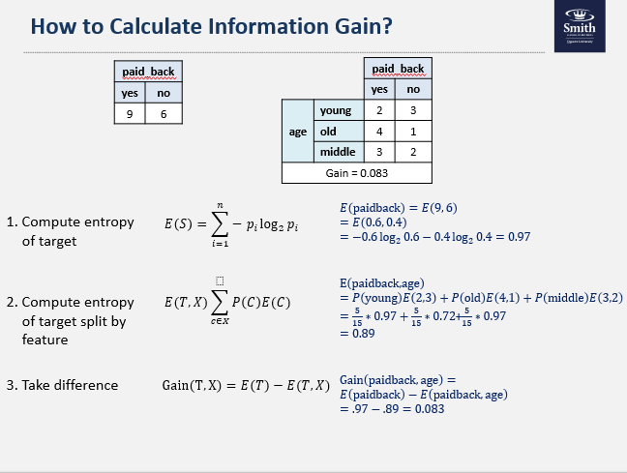
id | Good Behavior | Age < 30 | Drug Dependent | Recidivist
1 | FALSE | TRUE | FALSE | TRUE
2 | FALSE | FALSE | FALSE | FALSE
3 | FALSE | TRUE | FALSE | TRUE
4 | TRUE | FALSE | FALSE | FALSE
5 | TRUE | FALSE | TRUE | TRUE
6 | TRUE | FALSE | FALSE | FALSE

Step 1: Find the best root node.

Recidivist
YES | NO
3 | 3

Entropy of target
𝐸("paidback" )=𝐸(3, 3)=𝐸(0.5, 0.5) | 1

Good Behavior | Recidivist |  |  | P(Good Behavior) | Entropy
 |  | YES | NO
 | FALSE | 2 | 1 | 0.5 | E(2,1)/E(0.67,0.33) | 0.91492637278
 | TRUE | 1 | 2 | 0.5 | E(1,2)/E(0.33,0.67) | 0.91492637278

Age < 30 | Recidivist |  |  | P(Good Behavior) | Entropy
 |  | YES | NO
 | FALSE | 1 | 3 | 0.66666666667 | E(1,3)/E(0.25,0.75) | 0.81127812446
 | TRUE | 2 | 0 | 0.33333333333 | E(2,0)/E(1,0) | 0

Drug Dependent | Recidivist |  |  | P(Good Behavior) | Entropy
 |  | YES | NO
 | FALSE | 2 | 3 | 0.83333333333 | E(2,3)/E(0.4,0.6) | 0.97095059445
 | TRUE | 1 | 0 | 0.16666666667 | E(1,0)/E(1,0) | 0

Features | Good Behavior | Age < 30 | Drug Dependent
Entropy | 0.91492637278 | 0.54085208297 | 0.80912549538
Gain | 0.08507362722 | 0.45914791703 | 0.19087450462

Algorithm splits data on feature with highest gain (Age < 30)
Done on a paper and I'll upload a picture in the report.

Step 2 - After done on notebook
Recidivist
YES | NO
1 | 3

Entropy of target
𝐸("paidback" )=𝐸(3, 3)=𝐸(0.5, 0.5) | 0.81127812446

Good Behavior | Recidivist |  |  | P(Good Behavior) | Entropy
 |  | YES | NO
 | FALSE | 0 | 1 | 0.25 | E(1,0)/E(1,0) | 0
 | TRUE | 1 | 2 | 0.75 | E(1,2)/E(0.33,0.67) | 0.91492637278

Age < 30 | Recidivist |  |  | P(Good Behavior) | Entropy
 |  | YES | NO
 | FALSE | 1 | 3 | 1 | E(1,3)/E(0.25,0.75) | 0.81127812446
 | TRUE | 0 | 0 | 0 | E(0,0)/E(0,0) | 0

Drug Dependent | Recidivist |  |  | P(Good Behavior) | Entropy
 |  | YES | NO
 | FALSE | 0 | 3 | 0.75 | E(0,3)/E(0,1) | 0
 | TRUE | 1 | 0 | 0.25 | E(1,0)/E(1,0) | 0

Features | Good Behavior | Age < 30 | Drug Dependent
Entropy | 0.68619477958 | 0.81127812446 | 0
Gain | 0.12508334487 | 0 | 0.81127812446

Algorithm splits data on feature with highest gain (Drug Dependent)
Done on a paper and I'll upload a picture in the report.

