Sheet1
0.002 | 0 | 8.54 | 500 | 13.54 | 1000 | 0 | 0 | 0 | 0 | 0 | 0 | 0 | 0 | 0 | 0 | 0 | 0 | 0 | 0
0.132 | 0 | 8.54 | 1250 | 13.54 | 2500 | 1 | 35.427870963 | 1 | 29.282913297 | 1 | 41.572828628 | 0.63 | 1 | 1 | -18.233819639 | 1 | -49.091902419 | 1 | 12.624263142
0.292 | 2.18 |  |  |  |  | 2 | 81.969192538 | 2 | 68.351197683 | 2 | 95.587187394 | 0.76 | 3.1 | 2 | 36.697370344 | 2 | -55.876877997 | 2 | 129.27161868
0.732 | 4.64 |  |  |  |  | 3 | 139.62396473 | 3 | 117.20485316 | 3 | 162.0430763 | 0.85 | 6.1 | 3 | 164.79356995 | 3 | -20.354926735 | 3 | 349.94206663
0.892 | 22.19 |  |  |  |  | 4 | 208.39218753 | 4 | 175.84387972 | 4 | 240.94049534 | 1.17 | 26.1 | 4 | 366.05477917 | 4 | 57.473951368 | 4 | 674.63560697
1.442 | 50.99 |  |  |  |  | 5 | 288.27386094 | 5 | 244.26827738 | 5 | 332.27944451 | 1.78 | 75.12 | 5 | 640.48099802 | 5 | 177.60975631 | 5 | 1103.3522397
2.032 | 86.41 |  |  |  |  | 6 | 379.26898497 | 6 | 322.47804612 | 6 | 436.05992383 | 2.33 | 127.74 | 6 | 988.07222648 | 6 | 340.0524881 | 6 | 1636.0919649
2.342 | 105.93 |  |  |  |  | 7 | 481.37755962 | 7 | 410.47318595 | 7 | 552.28193328 | 3.13 | 224.84 | 7 | 1408.8284646 | 7 | 544.80214672 | 7 | 2272.8547824
4.412 | 255.26 |  |  |  |  | 8 | 594.59958487 | 8 | 508.25369687 | 8 | 680.94547287 | 3.49 | 270.86 | 8 | 1902.7497123 | 8 | 791.85873219 | 8 | 3013.6406924
4.752 | 280.67 |  |  |  |  | 9 | 718.93506074 | 9 | 615.81957888 | 9 | 822.05054259 | 3.93 | 331.86 | 9 | 2469.8359696 | 9 | 1081.2222445 | 9 | 3858.4496947
6.572 | 429.87 |  |  |  |  | 10 | 854.38398722 | 10 | 733.17083198 | 10 | 975.59714246 | 3.94 | 333.39 | 10 | 3110.0872366 | 10 | 1412.8926836 | 10 | 4807.2817895
6.762 | 445.22 |  |  |  |  | 11 | 1000.9463643 | 11 | 860.30745617 | 11 | 1141.5852725 | 4.26 | 401.07 | 11 | 3823.5035131 | 11 | 1786.8700496 | 11 | 5860.1369766
6.922 | 458.23 |  |  |  |  | 12 | 1158.622192 | 12 | 997.22945145 | 12 | 1320.0149326 | 4.34 | 418.47 | 12 | 4610.0847993 | 12 | 2203.1543425 | 12 | 7017.0152562
7.872 | 551.27 |  |  |  |  | 13 | 1327.4114703 | 13 | 1143.9368178 | 13 | 1510.8861229 | 5.91 | 888.47 | 13 | 5469.8310951 | 13 | 2661.7455621 | 13 | 8277.9166281
7.872 | 615.79 |  |  |  |  | 14 | 1507.3141993 | 14 | 1300.4295553 | 14 | 1714.1988433 | 6.48 | 1131.87 | 14 | 6402.7424006 | 14 | 3162.6437086 | 14 | 9642.8410925
9.892 | 838.52 |  |  |  |  | 15 | 1698.3303788 | 15 | 1466.7076638 | 15 | 1929.9530938 | 7.44 | 1612.89 | 15 | 7408.8187156 | 15 | 3705.848782 | 15 | 11111.788649
10.202 | 887.3 |  |  |  |  |  |  |  |  |  |  | 7.86 | 1826.49
 |  |  |  |  |  |  |  |  |  |  |  | 8.08 | 2026.49
Cumulative Cost |  | MPG | MPG2 |  |  |  |  |  | 8.54 | 500 | 1250 | Calculated based on EEA Data w/ standard errors |  |  |  | Calculated based on SRI Data w/ standard errors
0 | 30.46 | 0.002 | 0.000004 | 0 |  |  |  |  | 13.54 | 1000 | 2500 | 0 | 0 | 0 | 0 | 0 | 0 | 0
0 | 30.59 | 0.132 | 0.017424 | 0 |  |  |  |  | 19.54 |  |  | 1 | 35.427870963 | 29.282913297 | 41.572828628 | -18.233819639 | -49.091902419 | 12.624263142
2.18 | 30.75 | 0.292 | 0.085264 | 2.18 |  |  |  |  |  |  |  | 2 | 81.969192538 | 68.351197683 | 95.587187394 | 36.697370344 | -55.876877997 | 129.27161868
4.64 | 31.19 | 0.732 | 0.535824 | 4.64 |  |  |  |  | -5.46 |  |  | 3 | 139.62396473 | 117.20485316 | 162.0430763 | 164.79356995 | -20.354926735 | 349.94206663
22.19 | 31.35 | 0.892 | 0.795664 | 22.19 |  |  |  |  |  |  |  | 4 | 208.39218753 | 175.84387972 | 240.94049534 | 366.05477917 | 57.473951368 | 674.63560697
50.99 | 31.9 | 1.442 | 2.079364 | 50.99 |  |  |  |  |  |  |  | 5 | 288.27386094 | 244.26827738 | 332.27944451 | 640.48099802 | 177.60975631 | 1103.3522397
86.41 | 32.49 | 2.032 | 4.129024 | 86.41 |  |  |  |  |  |  |  | 6 | 379.26898497 | 322.47804612 | 436.05992383 | 988.07222648 | 340.0524881 | 1636.0919649
105.93 | 32.8 | 2.342 | 5.484964 | 105.93 |  |  |  |  |  |  |  | 7 | 481.37755962 | 410.47318595 | 552.28193328 | 1408.8284646 | 544.80214672 | 2272.8547824
255.26 | 34.87 | 4.412 | 19.465744 | 255.26 |  |  |  |  |  |  |  | 8 | 594.59958487 | 508.25369687 | 680.94547287 | 1902.7497123 | 791.85873219 | 3013.6406924
280.67 | 35.21 | 4.752 | 22.581504 | 280.67 |  |  |  |  |  |  |  | 9 | 718.93506074 | 615.81957888 | 822.05054259 | 2469.8359696 | 1081.2222445 | 3858.4496947
429.87 | 37.03 | 6.572 | 43.191184 | 429.87 |  |  |  |  |  |  |  | 10 | 854.38398722 | 733.17083198 | 975.59714246 | 3110.0872366 | 1412.8926836 | 4807.2817895
445.22 | 37.22 | 6.762 | 45.724644 | 445.22 |  |  |  |  |  |  |  | 11 | 1000.9463643 | 860.30745617 | 1141.5852725 | 3823.5035131 | 1786.8700496 | 5860.1369766
458.23 | 37.38 | 6.922 | 47.914084 | 458.23 |  |  |  |  |  |  |  | 12 | 1158.622192 | 997.22945145 | 1320.0149326 | 4610.0847993 | 2203.1543425 | 7017.0152562
551.27 | 38.33 | 7.872 | 61.968384 | 551.27 |  |  |  |  |  |  |  | 13 | 1327.4114703 | 1143.9368178 | 1510.8861229 | 5469.8310951 | 2661.7455621 | 8277.9166281
615.79 | 38.33 | 7.872 | 61.968384 | 615.79 |  |  |  |  |  |  |  | 14 | 1507.3141993 | 1300.4295553 | 1714.1988433 | 6402.7424006 | 3162.6437086 | 9642.8410925
838.52 | 40.35 | 9.892 | 97.851664 | 838.52 |  |  |  |  |  |  |  | 15 | 1698.3303788 | 1466.7076638 | 1929.9530938 | 7408.8187156 | 3705.848782 | 11111.788649
887.3 | 40.66 | 10.202 | 104.080804 | 887.3

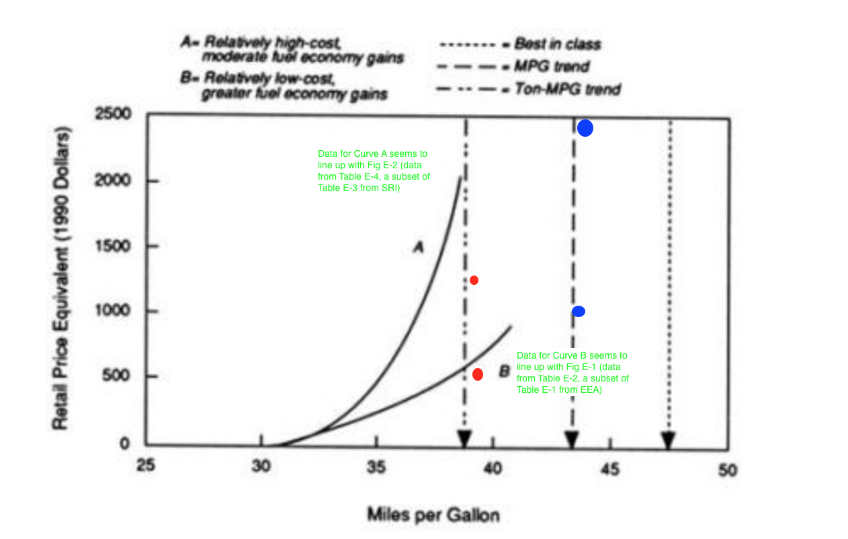
0.002 | 0 | 8.54 | 500 | 13.54 | 1000 | 0 | 0 | 0 | 0 | 0 | 0 | 0 | 0 | 0 | 0 | 0 | 0 | 0 | 0
0.132 | 0 | 8.54 | 1250 | 13.54 | 2500 | 1 | 35.427870963 | 1 | 29.282913297 | 1 | 41.572828628 | 0.63 | 1 | 1 | -18.233819639 | 1 | -49.091902419 | 1 | 12.624263142
0.292 | 2.18 |  |  |  |  | 2 | 81.969192538 | 2 | 68.351197683 | 2 | 95.587187394 | 0.76 | 3.1 | 2 | 36.697370344 | 2 | -55.876877997 | 2 | 129.27161868
0.732 | 4.64 |  |  |  |  | 3 | 139.62396473 | 3 | 117.20485316 | 3 | 162.0430763 | 0.85 | 6.1 | 3 | 164.79356995 | 3 | -20.354926735 | 3 | 349.94206663
0.892 | 22.19 |  |  |  |  | 4 | 208.39218753 | 4 | 175.84387972 | 4 | 240.94049534 | 1.17 | 26.1 | 4 | 366.05477917 | 4 | 57.473951368 | 4 | 674.63560697
1.442 | 50.99 |  |  |  |  | 5 | 288.27386094 | 5 | 244.26827738 | 5 | 332.27944451 | 1.78 | 75.12 | 5 | 640.48099802 | 5 | 177.60975631 | 5 | 1103.3522397
2.032 | 86.41 |  |  |  |  | 6 | 379.26898497 | 6 | 322.47804612 | 6 | 436.05992383 | 2.33 | 127.74 | 6 | 988.07222648 | 6 | 340.0524881 | 6 | 1636.0919649
2.342 | 105.93 |  |  |  |  | 7 | 481.37755962 | 7 | 410.47318595 | 7 | 552.28193328 | 3.13 | 224.84 | 7 | 1408.8284646 | 7 | 544.80214672 | 7 | 2272.8547824
4.412 | 255.26 |  |  |  |  | 8 | 594.59958487 | 8 | 508.25369687 | 8 | 680.94547287 | 3.49 | 270.86 | 8 | 1902.7497123 | 8 | 791.85873219 | 8 | 3013.6406924
4.752 | 280.67 |  |  |  |  | 9 | 718.93506074 | 9 | 615.81957888 | 9 | 822.05054259 | 3.93 | 331.86 | 9 | 2469.8359696 | 9 | 1081.2222445 | 9 | 3858.4496947
6.572 | 429.87 |  |  |  |  | 10 | 854.38398722 | 10 | 733.17083198 | 10 | 975.59714246 | 3.94 | 333.39 | 10 | 3110.0872366 | 10 | 1412.8926836 | 10 | 4807.2817895
6.762 | 445.22 |  |  |  |  | 11 | 1000.9463643 | 11 | 860.30745617 | 11 | 1141.5852725 | 4.26 | 401.07 | 11 | 3823.5035131 | 11 | 1786.8700496 | 11 | 5860.1369766
6.922 | 458.23 |  |  |  |  | 12 | 1158.622192 | 12 | 997.22945145 | 12 | 1320.0149326 | 4.34 | 418.47 | 12 | 4610.0847993 | 12 | 2203.1543425 | 12 | 7017.0152562
7.872 | 551.27 |  |  |  |  | 13 | 1327.4114703 | 13 | 1143.9368178 | 13 | 1510.8861229 | 5.91 | 888.47 | 13 | 5469.8310951 | 13 | 2661.7455621 | 13 | 8277.9166281
7.872 | 615.79 |  |  |  |  | 14 | 1507.3141993 | 14 | 1300.4295553 | 14 | 1714.1988433 | 6.48 | 1131.87 | 14 | 6402.7424006 | 14 | 3162.6437086 | 14 | 9642.8410925
9.892 | 838.52 |  |  |  |  | 15 | 1698.3303788 | 15 | 1466.7076638 | 15 | 1929.9530938 | 7.44 | 1612.89 | 15 | 7408.8187156 | 15 | 3705.848782 | 15 | 11111.788649
10.202 | 887.3 |  |  |  |  |  |  |  |  |  |  | 7.86 | 1826.49
 |  |  |  |  |  |  |  |  |  |  |  | 8.08 | 2026.49

SUMMARY OUTPUT- EEA data

Regression Statistics
Multiple R | 0.99939905111
R Square | 0.99879846336
Adjusted R Square | 0.93205169425
Standard Error | 15.325772981
Observations | 17

ANOVA
 | df | SS | MS | F | Significance F
Regression | 2 | 2928713.4535 | 1464356.7268 | 6234.5069062 | 2.231824765E-21
Residual | 15 | 3523.1897618 | 234.87931745
Total | 17 | 2932236.6433

 | Coefficients | Standard Error | t Stat | P-value | Lower 95% | Upper 95% | Lower 95.0% | Upper 95.0%
Intercept | 0 | #N/A | #N/A | #N/A | #N/A | #N/A | #N/A | #N/A
X Variable 1 | 29.871145656 | 2.7963866855 | 10.682051167 | 2.0833297362E-08 | 23.910788526 | 35.831502786 | 23.910788526 | 35.831502786
X Variable 2 | 5.5567253066 | 0.33879579695 | 16.401399771 | 5.4671240925E-11 | 4.8345991591 | 6.278851454 | 4.8345991591 | 6.278851454

Cumulative Cost
0 | 30.46 | 0 | 0 | 0
1 | 31.09 | 0.63 | 0.3969 | 1
3.1 | 31.22 | 0.76 | 0.5776 | 3.1
6.1 | 31.31 | 0.85 | 0.7225 | 6.1
26.1 | 31.63 | 1.17 | 1.3689 | 26.1
75.12 | 32.24 | 1.78 | 3.1684 | 75.12
127.74 | 32.79 | 2.33 | 5.4289 | 127.74
224.84 | 33.59 | 3.13 | 9.7969 | 224.84
270.86 | 33.95 | 3.49 | 12.1801 | 270.86
331.86 | 34.39 | 3.93 | 15.4449 | 331.86
333.39 | 34.4 | 3.94 | 15.5236 | 333.39
401.07 | 34.72 | 4.26 | 18.1476 | 401.07
418.47 | 34.8 | 4.34 | 18.8356 | 418.47
888.47 | 36.37 | 5.91 | 34.9281 | 888.47
1131.87 | 36.94 | 6.48 | 41.9904 | 1131.87
1612.89 | 37.9 | 7.44 | 55.3536 | 1612.89
1826.49 | 38.32 | 7.86 | 61.7796 | 1826.49
2026.49 | 38.54 | 8.08 | 65.2864 | 2026.49

SUMMARY OUTPUT - SRI Data

Regression Statistics
Multiple R | 0.998933283
R Square | 0.99786770389
Adjusted R Square | 0.93523443538
Standard Error | 41.33163415
Observations | 18

ANOVA
 | df | SS | MS | F | Significance F
Regression | 2 | 12791179.321 | 6395589.6605 | 3743.824126 | 5.7091972673E-21
Residual | 16 | 27332.863704 | 1708.3039815
Total | 18 | 12818512.185

 | Coefficients | Standard Error | t Stat | P-value | Lower 95% | Upper 95% | Lower 95.0% | Upper 95.0%
Intercept | 0 | #N/A | #N/A | #N/A | #N/A | #N/A | #N/A | #N/A
X Variable 1 | -54.816324449 | 7.8719598929 | -6.963491328 | 3.1942331062E-06 | -71.504133941 | -38.128514957 | -71.504133941 | -38.128514957
X Variable 2 | 36.58250481 | 1.1982794151 | 30.529194067 | 1.3024420222E-15 | 34.042265928 | 39.122743693 | 34.042265928 | 39.122743693

