Endereço de Referencia
Informações sobre o endereço de referencia |  | Ancoras Imobiliarias
Rua Santo Antônio | Região Sudeste | Name | Open or Closed now | Google Rating | Types | Ratings Total | Vicinity | Url | Latitude | Longitude | Distance | Time
Marajoara | 32600-088 | Posto Petrobras | {'open_now': True} | 3.9 | ['gas_station', 'car_repair', 'point_of_interest', 'establishment'] | 124 | R. Rio Grande do Norte, 1204 - Funcionários, Belo Horizonte | https://www.google.com/maps/place/?q=place_id:ChIJR8XdnMSZpgARLhUQoQCHbis | -19.93616 | -43.93242 | 23.2 km | 37 mins
Regional Centro | Brasil | Posto Petrobras | {'open_now': True} | 4 | ['gas_station', 'point_of_interest', 'establishment'] | 282 | R. Mato Grosso, 212 - Centro, Belo Horizonte | https://www.google.com/maps/place/?q=place_id:ChIJd7UKvVmXpgARrT4WftTik5A | -19.9197718 | -43.9471933 | 20.4 km | 25 mins
Betim | A média etaria de homens nessa região é de: [27.93862989] anos | Mercado Prado | {'open_now': False} | 4.7 | ['point_of_interest', 'establishment'] | 65 | Rua Esmeralda, 406 - Prado, Belo Horizonte | https://www.google.com/maps/place/?q=place_id:ChIJJfC40myXpgARDc1gWo7tHp4 | -19.9267164 | -43.9618681 | 19.0 km | 27 mins
Região Geográfica Imediata de Belo Horizonte | A média etaria de mulheres nessa região é de: [29.32662041] anos | Mercearia Novo Mercado | {'open_now': False} | 4.7 | ['point_of_interest', 'establishment'] | 310 | Loja 09- Mercado Novo, Av. Olegário Maciel, 714 - Centro, Belo Horizonte | https://www.google.com/maps/place/?q=place_id:ChIJF_e68liXpgARTuIk98G5aeA | -19.920658 | -43.9447837 | 21.0 km | 30 mins
Região Metropolitana de Belo Horizonte |  | Magazine Luiza | {'open_now': False} | 4.1 | ['department_store', 'furniture_store', 'electronics_store', 'home_goods_store', 'store', 'point_of_interest', 'establishment'] | 2466 | Av. Abílio Machado, 2072 - Alípio de Melo, Belo Horizonte | https://www.google.com/maps/place/?q=place_id:ChIJ3xe9_LmWpgARtyR_XKs7SA8 | -19.8996004 | -44.0048673 | 18.5 km | 26 mins
Região Geográfica Intermediária de Belo Horizonte |  | Magazine Luiza | {'open_now': False} | 4.1 | ['department_store', 'furniture_store', 'electronics_store', 'home_goods_store', 'store', 'point_of_interest', 'establishment'] | 4409 | Av. Cristiano Machado, 4000 - São Paulo, Belo Horizonte | https://www.google.com/maps/place/?q=place_id:ChIJoU20coqapgARWXRSYmZrfr0 | -19.8745793 | -43.9250371 | 26.4 km | 35 mins
Minas Gerais
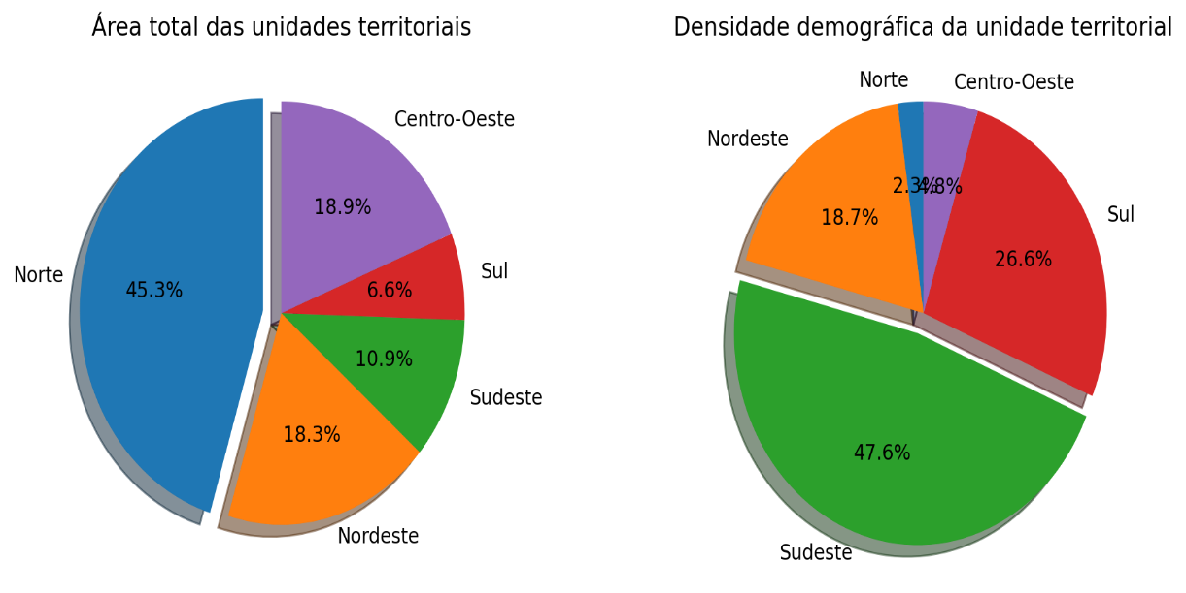
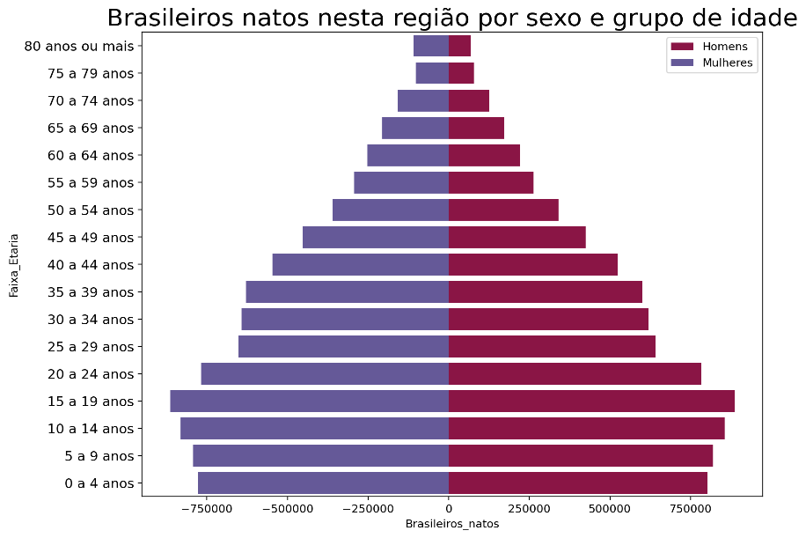
Charts

