OUT
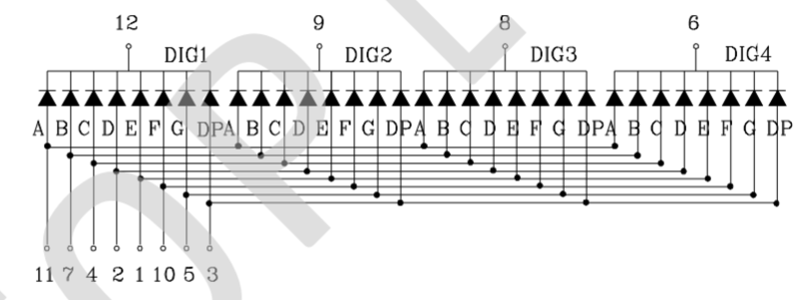
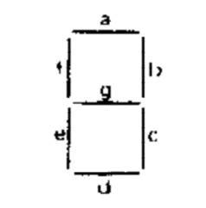

 |  |  |  |  |  |  |  |  |  |  | 1010 | A
 |  |  |  |  |  |  |  |  |  |  | 1011 | B
 |  |  |  |  |  |  |  |  |  |  | 1100 | C
 |  |  |  |  |  |  |  |  |  |  | 1101 | D
 |  |  |  |  |  |  |  |  |  |  | 1110 | E
Assume a is lsb, g is msb |  |  |  |  |  |  |  |  |  |  | 1111 | F

Bank 3 | Bank 2 | Bank 1 | Bank 0 |  | I/O6 | I/O5 | I/O4 | I/O3 | I/O2 | I/O1 | I/O0
a4-a5 | a4-a5 | a4-a5 | a4-a5 | a0-a3 | g | f | e | d | c | b | a | ROM Code | Bank 0 Addr | Bank 1 Addr | Bank 2 Addr | Bank 3 Addr
11 | 10 | 01 | 00 | 0 | 0 | 1 | 1 | 1 | 1 | 1 | 1 | 0x3F | 0x00 | 0x10 | 0x20 | 0x30
11 | 10 | 01 | 00 | 1 | 0 | 0 | 0 | 0 | 1 | 1 | 0 | 0x06 | 0x01 | 0x11 | 0x21 | 0x31
11 | 10 | 01 | 00 | 2 | 1 | 0 | 1 | 1 | 0 | 1 | 1 | 0x5B | 0x02 | 0x12 | 0x22 | 0x32
11 | 10 | 01 | 00 | 3 | 1 | 0 | 0 | 1 | 1 | 1 | 1 | 0x4F | 0x03 | 0x13 | 0x23 | 0x33
11 | 10 | 01 | 00 | 4 | 1 | 1 | 0 | 0 | 1 | 1 | 0 | 0x66 | 0x04 | 0x14 | 0x24 | 0x34
11 | 10 | 01 | 00 | 5 | 1 | 1 | 0 | 1 | 1 | 0 | 1 | 0x6D | 0x05 | 0x15 | 0x25 | 0x35
11 | 10 | 01 | 00 | 6 | 1 | 1 | 1 | 1 | 1 | 0 | 1 | 0x7D | 0x06 | 0x16 | 0x26 | 0x36
11 | 10 | 01 | 00 | 7 | 0 | 0 | 0 | 0 | 1 | 1 | 1 | 0x07 | 0x07 | 0x17 | 0x27 | 0x37
11 | 10 | 01 | 00 | 8 | 1 | 1 | 1 | 1 | 1 | 1 | 1 | 0x7F | 0x08 | 0x18 | 0x28 | 0x38
11 | 10 | 01 | 00 | 9 | 1 | 1 | 0 | 1 | 1 | 1 | 1 | 0x6F | 0x09 | 0x19 | 0x29 | 0x39
11 | 10 | 01 | 00 | a | 1 | 1 | 1 | 0 | 1 | 1 | 1 | 0x77 | 0x0A | 0x1A | 0x2A | 0x3A
11 | 10 | 01 | 00 | b | 1 | 1 | 1 | 1 | 1 | 0 | 0 | 0x7C | 0x0B | 0x1B | 0x2B | 0x3B
11 | 10 | 01 | 00 | c | 0 | 1 | 1 | 1 | 0 | 0 | 1 | 0x39 | 0x0C | 0x1C | 0x2C | 0x3C
11 | 10 | 01 | 00 | d | 1 | 0 | 1 | 1 | 1 | 1 | 0 | 0x5E | 0x0D | 0x1D | 0x2D | 0x3D
11 | 10 | 01 | 00 | e | 1 | 1 | 1 | 1 | 0 | 0 | 1 | 0x79 | 0x0E | 0x1E | 0x2E | 0x3E
11 | 10 | 01 | 00 | f | 1 | 1 | 1 | 0 | 0 | 0 | 1 | 0x71 | 0x0F | 0x1F | 0x2F | 0x3F
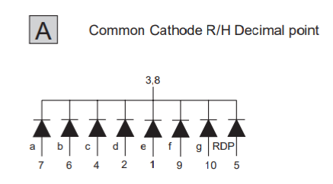
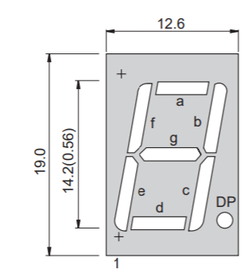

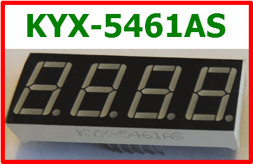
KYX-5461AS 4x7-Segment Display
//display pins
int segA = 5; // >> 11
int segB = 13; // >> 7
int segC = 10; // >> 4
int segD = 8; // >> 2
int segE = 7; // >> 1
int segF = 4; // >> 10
int segG = 11; // >> 5
int segPt = 9; // >> 3
//display digit
int d1 = 6; // >> 12
int d2 = 3; // >> 9
int d3 = 2; // >> 8
int d4 = 12; // >> 6

