Sheet1
 | 必做（80分）
系统管理 | 序号 | 测试语句 | 结果/报错 | 分数 | 80
 | 1 | CREATE DATABASE orderDB2; |  | 3
 | 2 | USE orderDB2; |  | 3
 | 3 | DROP DATABASE orderDB2; |  | 3
 | 4 | CREATE TABLE nationBack( n_nationkey INT NOT NULL, n_name CHAR(25) NOT NULL, n_regionkey INT NOT NULL, n_comment VARCHAR(152) ); |  | 5
 | 5 | SHOW TABLES; |  | 3
 | 6 | DROP TABLE nationBack; |  | 3
 | 7 | DESC nation; |  | 3
查询解析 | 8 | INSERT INTO nation VALUES (0,'America',0, 'nothing left'); | ERROR: duplicate key value violates unique constraint "nation_pkey" | 4
 | 9 | INSERT INTO nation VALUES ('id86','America',0, 'nothing left'); | Incorrect integer value: 'id86' for column 'N_NATIONKEY' at row 1 | 4
 | 10 | INSERT INTO orders VALUES (127664,315000,'F',6.5,'2018/2/29',0,'Clerk101',1,'nice service'); | Incorrect date value: '2018/2/29' for column 'O_ORDERDATE' at row 1 | 4
 | 11 | DELETE FROM customer WHERE c_custkey=5; |  | 3.5
 | 12 | UPDATE partsupp SET ps_availqty=8774 WHERE ps_partkey=12; | Query OK, 4 rows affected (0.04 sec) | 3.5
 | 13 | SELECT * FROM customer WHERE c_nationkey<10; | 1228 rows in set (0.01 sec) | 3.5
 | 14 | SELECT o_orderdate,o_totalprice FROM orders WHERE o_orderdate='1996-01-02'; | 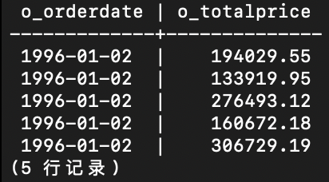 5 rows in set (0.04 sec) | 3.5
 | 15 | SELECT c_phone,o_orderstatus FROM customer,orders WHERE c_custkey=o_custkey AND c_name='Customer#000000001'; | 10 rows in set (0.05 sec) | 5
完整性约束 | 16 | UPDATE nation SET n_regionkey = 316001 WHERE n_nationkey= 15; | Cannot add or update a child row: a foreign key constraint fails (.`nation`, CONSTRAINT `nation_ibfk_1` FOREIGN KEY (`N_REGIONKEY`) REFERENCES `region` (`R_REGIONKEY`)) | 4.5
模式管理 | 17 | ALTER TABLE nation ADD n_comment_2 varchar(32); |  | 3.5
 | 18 | ALTER TABLE nation DROP n_comment_2; |  | 3
 | 19 | ALTER TABLE nation RENAME TO province; |  | 0
 | 20 | alter table nation drop primary key nation_pkey; |  | 4
 | 21 | ALTER TABLE nation ADD PRIMARY KEY (n_nationkey); |  | 4
 | 22 | ALTER TABLE NATION ADD FOREIGN KEY NATION_FK1 (N_REGIONKEY) references REGION(R_REGIONKEY); |  | 4
 | 23 | ALTER TABLE nation DROP FOREIGN KEY NATION_FK1; |  | 3
 | 24 | ALTER TABLE customer ADD INDEX Idx_residual(c_acctbal); |  | 3
 | 25 | ALTER TABLE customer DROP INDEX Idx_residual; |  | 3

 | 选做（20分）
 |  | 测试语句 | 结果 | 分数
 | 26 | SELECT o_totalprice FROM orders WHERE o_clerk like 'Clerk#00000092%'; | 294 rows | 2.5 | 20
 | 27 | SELECT c_name, o_orderstatus, n_nationkey FROM customer,orders,nation WHERE c_custkey=o_custkey AND c_nationkey=n_nationkey and n_name='CHINA'; | 220 rows | 1.5
 | 28 | SELECT c_name,o_orderstatus,n_nationkey FROM customer,orders,nation,region WHERE c_custkey=o_custkey AND c_nationkey=n_nationkey AND n_regionkey=r_regionkey AND n_name='CHINA'; | 220 rows | 1.5
 | 29 | SELECT c_name,o_orderstatus,n_nationkey FROM customer,orders,nation,region,lineitem WHERE c_custkey=o_custkey AND c_nationkey=n_nationkey AND n_regionkey=r_regionkey AND o_orderkey=l_orderkey AND n_name='China'; | 951 rows | 1.5
 | 30 | SELECT MIN(o_totalprice), o_orderkey FROM orders GROUP BY o_orderkey limit 5; | 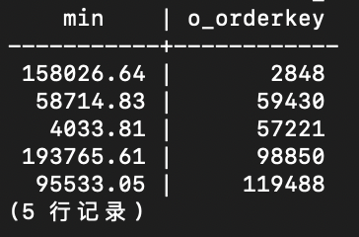 | 2.5
 | 31 | SELECT * FROM customer WHERE c_custkey IN (SELECT o_custkey FROM orders WHERE o_totalprice < 10000); | 113 rows | 2.5
 | 32 | ALTER TABLE customer ADD UNIQUE uidx_id(c_custkey); |  | 2.5
 | 33 | ALTER TABLE nation ADD CONSTRAINT fk_nation_region FOREIGN KEY(n_regionkey) REFERENCES region(r_regionkey) ON UPDATE CASCADE; |  | 2.5
 | 34 | select SUM(p_size) from part; |  | 3

