Change control
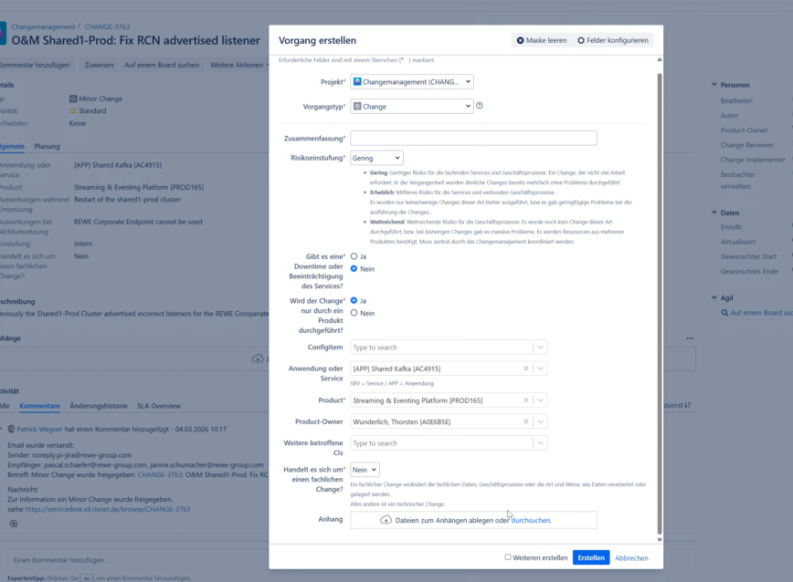

https://servicedesk.eil.risnet.de/browse/CHANGE-3763
O&M migration
https://teams.microsoft.com/l/message/19:meeting_ODFhYWYxOWYtMjAwMC00MjgyLTliNjItOTZkNjU2Y2IzNmE2@thread.v2/1772627431981?context=%7B%22contextType%22%3A%22chat%22%7D

