Sheet1
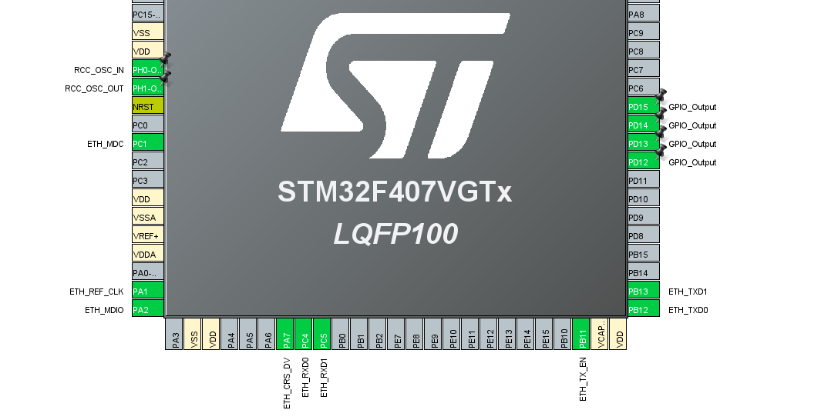
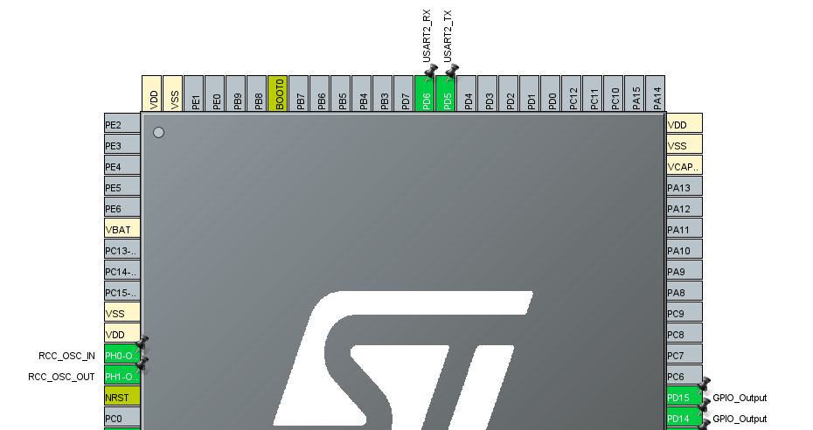
 | STM32F407 | DP83848
ETH | 3V | VCC
 | GND | GND
 | ETH_MDIO (PA2) | MDIO
 | ETH_MDC (PC1) | MDC
 | ETH_REF_CLK (PA1) | OSCIN
 | ETH_CRS_DV (PA7) | CRS
 | ETH_RXD0 (PC4) | RX0
 | ETH_RXD1 (PC5) | RX1
 | ETH_TX_EN (PB11) | TX_EN
 | ETH_TXD0 (PB12) | TX0
 | ETH_TXD1 (PB13) | TX1
OSC | RCC_OSC_IN (PH0)
 | RCC_OSC_OUT (PH1)
USART | USART2_TX (PD5)
(debug) | USART2_RX (PD6)

