LAMBDA_IMPORTANT
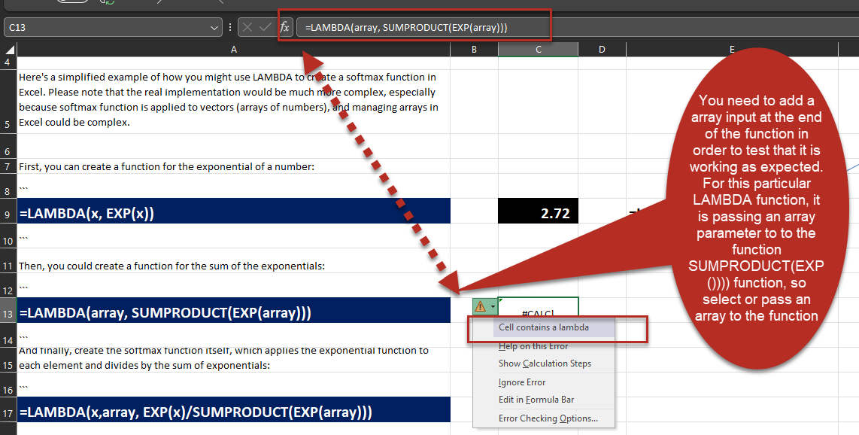

GO BACK
BACK TO YOUR LAMBDA SOFTMAX FUNCTIONS

