Questions
Question.1 Option
Explain the difference between implied and histotical volatility.
Answer.1 Option

Question.2 VaR
Explain VaR and list at least two calculation methods.

Question.3 Option*
Client implemented Black&Scholes model for vanilla option pricing in their excel spreadsheet based on the formulas in the screenshots, (assuming zero dividends).
- Implement the model** in python code and validate/test the model for Call and Put options.
test for in the money, at-the-money, out-of-money with attention to unit and end-to-end testing
**Feel free to choose any method for model implementation, either with forward price or with spot price or with put-call parity

Answer.2: Var is defined as the maximum likely loss of portfolio over a definite period for a given confidence level. For example, one day VaR at 95% confidence level indicates that there is a 95% chance that the portfolio will not loss more than the VaR in one day. VaR is a critical tool in risk management for financial institutuion for several reasons such as providing a clear metric for potential losses, and for setting risk limits.
There are threee primary methods to calculate VaR as below:
1. Historical method: Historical VaR is a non-parametric method of VaR calculation. It implicitely assumes that, pattern of historical returns is indicative of pattern of future returns. After collecting the market variable e.g., price, over a long period, the percentage change should be calculated. Next, the distribution of historical returns in ascending order should be constructed. Finally, based on the time horizon e.g., one-day and the selected confidence level the VaR can be calculated. Advantages and limitations of historical method. It is simple and intutive method for calculation of VaR. As mentioned, it assumes that the past represnets the immidiate future which is highly unlikely in the real word.
2. Variance-Covariance method (parametric method): The variance-covariance method assumes that assets return is normally distributed around the mean. Assests may have tendency to move up and down together (assets corrolation) or against each other. This method assumes that the standard deviation of asset retuens and their corrolation remains constant over time. The variance-covariance approach assumes the normal distribution for the returns. However, normality assumption and constant covariance and corrolations between asssets may not hold in a real life cases.
3. Monte carlo simulation: The basic concept behind the monte carlo approach is to repeatedly run a large number of simulations of a random process for a variable of interest covering a wide range of potential scenarios. The variable of interests is drawan from pre-defined probability distribution which it may include analytical function and its parametes. Strictly speaking, monte carlo simulations inherentlt trying to recreate the distribution of return, which in turn VaR can be calculated. The monte carlo method is powerful approach to calculate the VaR due to its flexibility. It can be applied for a range of scenarios. It also accounts for non-linear exposures and complex pricing problems. Besides, the mone carlo can be extended to longer time horizons. On the other hand, it requires a more computional power than other above mentioned methods while the VaR calculated based on monte carlo usually provides more precise estimation.

Question.4 VaR*
Bank has FX portfolio consisting of two currencies. Risk manager implemented historical VaR methodology as defined in internal policies (1 day with .99 confidence level) for the FX portfolio in excel, assuming no correlation between these currencies.
- implement the VaR calculation in python to revert one day VaR value
One year of historical data (market rate) for the currencies and current/spot portfolio value is known.

*For the Python exercises please provide solutions either with jupyter notebook ot github link.

Option
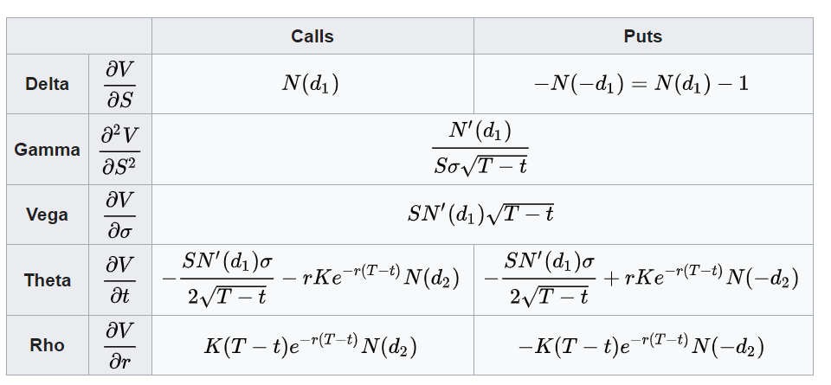
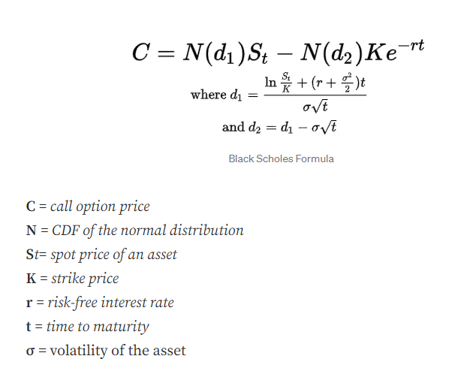
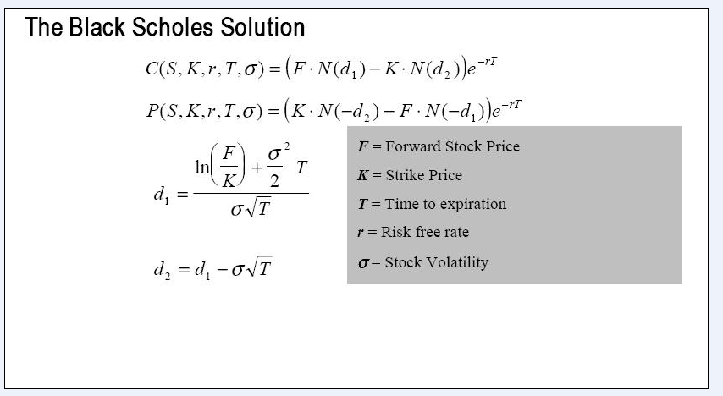
 | European Vanilla Call | base case
 | Trade date | 2022-11-23 |  | with spot price |  | with forward price
 | Expiry | 2023-05-10
 | S0 | 19
 | K (strike) | 17
 | Time to Expiry | 0.460
 | r | 0.5%
 | r_cont | 0.5%
 | Div yield (cont) | 0%
 | Vol | 0.3

 | F=forward stock price | 19.04367

with forward price | d1 | 0.65953
 | d2 | 0.45600

with spot price | d1 | 0.65953
 | d2 | 0.45600

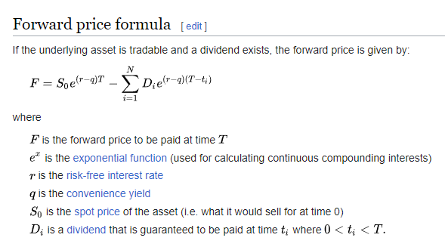
with forward price | Call | 2.70
with spot price | Call | 2.70

with forward price | Put | 0.66 | premium
with put-call parity | Put | 0.66

 |  |  |  |  | put- call parity

 |  |  |  |  | Greeks

VaR Methodolgy
