Sheet15
Row Labels | Average of price | Count of variety
AlbariÃ±o | $19.00 | 1
Barbera | $24.50 | 1
BlaufrÃ¤nkisch | $20.00 | 1
Bordeaux-style Red Blend | $30.25 | 4
Bordeaux-style White Blend | $24.50 | 1
Cabernet Franc | $33.00 | 2
Cabernet Sauvignon | $32.00 | 10
CarmenÃ¨re | $32.00 | 2
Champagne Blend | $24.50 | 1
Charbono | $33.00 | 1
Chardonnay | $22.82 | 11
Corvina, Rondinella, Molinara | $42.00 | 1
Garnacha | $18.00 | 1
GewÃ¼rztraminer | $12.00 | 1
Godello | $10.00 | 1
GrÃ¼ner Veltliner | $15.00 | 1
Greco | $21.00 | 1
Malbec | $18.00 | 1
Merlot | $20.33 | 3
MourvÃ¨dre | $35.00 | 1
Nebbiolo | $37.83 | 3
Petite Sirah | $35.00 | 2
Pinot Blanc | $20.00 | 1
Pinot Gris | $18.00 | 1
Pinot Noir | $34.22 | 9
Portuguese Red | $26.00 | 1
Portuguese White | $24.50 | 1
Red Blend | $28.75 | 4
RhÃ´ne-style Red Blend | $30.00 | 1
Ribolla Gialla | $22.00 | 1
Riesling | $26.00 | 3
RosÃ© | $18.25 | 2
Sangiovese | $29.33 | 3
Sangiovese Grosso | $30.00 | 1
Sauvignon Blanc | $21.00 | 2
Shiraz | $10.00 | 1
Shiraz-Cabernet Sauvignon | $15.00 | 1
Sparkling Blend | $18.00 | 1
Syrah | $37.00 | 5
Tempranillo | $21.00 | 2
Tempranillo Blend | $9.00 | 1
Verdicchio | $10.00 | 1
White Blend | $12.67 | 3
Zweigelt | $17.00 | 1
Grand Total | $26.44 | 97

Sheet13
Points vs. Price
 | price
86 | 7
87 | 8
82 | 9
86 | 9
85 | 10
85 | 10
84 | 10
87 | 10
84 | 11
87 | 12
82 | 12
80 | 12
87 | 12
88 | 12
83 | 13
83 | 14
86 | 14
86 | 14
84 | 14
87 | 15
84 | 15
85 | 15
85 | 15
87 | 15
85 | 16
88 | 17
88 | 17
88 | 17
86 | 17
89 | 18
90 | 18
87 | 18
84 | 18
87 | 19
83 | 19
90 | 19
86 | 20
87 | 20
90 | 20
82 | 20
83 | 21
89 | 22
85 | 22
85 | 22
83 | 22
86 | 24
85 | 24.5
87 | 24.5
90 | 24.5
94 | 24.5
...
seqno | pseudo_date | variety | points | price | country | description | designation | province | region_1 | region_2 | winery
102870 | 2018-03-17 | White Blend | 86 | 7 | Spain | Dusty apple and a clean lightness define this basic, totally enjoyable white blend that is based on the pedestrian AirÃ©n grape but features 30% Macabeo. The palate is fresh and easy, with apple, citrus and white pepper flavors. Finishes crisp. | Protocolo Blanco | Central Spain | Vino de la Tierra de Castilla |  | Dominio de Eguren
41897 | 2018-01-24 | Tempranillo | 87 | 8 | Spain | Nice for a standard, no-frills type of Rioja. The cherry and raspberry aromas are sweet and clean, while the palate is juicy, fresh and tastes of ripe cherry, berry, vanilla and cream. Offers good clarity, power and depth given its price point. | Crianza | Northern Spain | Rioja |  | Rivarey
69401 | 2018-02-20 | Tempranillo Blend | 82 | 9 | Spain | A tough wine to enjoy. The nose has a cheesy top layer, while the base aromas are of bell pepper and lettuce. It's very tangy and juicy in the mouth, with searing red-cherry flavors and green accents. Snappy and whispy to the max. | Crianza | Northern Spain | Navarra |  | PrÃ­ncipe de Viana
149267 | 2018-04-10 | Chardonnay | 86 | 9 | Argentina | Fresh, tropical, and welcoming. Sweet and lush in the mouth with a full blast of mango and melon flavors. Medium-bodied with good acidity. Finishes correct and everything seems to be united and put together. Above-average value Chardonnay from Argentina. |  | Mendoza Province | Uco Valley |  | Cabra Montes
62646 | 2018-02-15 | Shiraz | 85 | 10 | Italy | Here's a dense Shiraz from Lazio with aromas of mature blackberry, blueberry, cherry cola and root beer. The wine is soft and thick in the mouth with a chewy texture and offers loads of raw fruit flavors. |  | Central Italy | Lazio |  | Casale del Giglio
79278 | 2018-02-28 | Riesling | 85 | 10 | Germany | Plump, creamy and off dry, this is Riesling that's easy and approachable, with bright lime sherbet and green apple notes. Drink now. |  | Mosel |  |  | Starling Castle
126095 | 2018-03-27 | Verdicchio | 84 | 10 | Italy | The Serra del Conte selection is a fragrant and fresh wine with a pristine, fruit-driven quality that hits the mark. The wine's feel is streamlined, easy and lean and it offers crisp acidity on the close. | Serra del Conte | Central Italy | Verdicchio dei Castelli di Jesi Classico |  | Garofoli
146868 | 2018-04-06 | Godello | 87 | 10 | Spain | Crisply made, with a strong emphasis on green apples. This is a zesty, flinty white made for warm-weather drinking. Despite being 100% Godello it has a lot in common with Sauvignon Blanc. | Montenovo | Northern Spain | Valdeorras |  | Bodegas Valderroa
130111 | 2018-03-30 | White Blend | 84 | 11 | Italy | Here's a fresh and easy blend of Trebbiano, Chardonnay and Sauvignon (at an attractive low price) that offers clean, but not very intense, aromas of cut grass, field flowers and lemon. The wine renders a sweet, chewy sensation in the mouth with soft texture and a creamy finish. | Moma | Central Italy | Rubicone |  | Umberto Cesari
7167 | 2018-01-05 | Bordeaux-style Red Blend | 87 | 12 | France | This is a rich, ripe wine that is full of black fruits and fine, dusty tannins. It's full-bodied, the fruitiness rounded out with some light wood aging. Juicy and fruity at the end, this could age for a year or two, so drink from 2016. | CuvÃ©e Prestige | Bordeaux | Bordeaux |  | ChÃ¢teau Belvue
38364 | 2018-01-21 | RosÃ© | 82 | 12 | Portugal | A strange orange-pink color for a wine that is somewhere between fruity and sweet and acid and bitter. This one hasn't found a balance. | Companhia das LezÃ­rias Herdade de Catapereiro | Tejo |  |  | Wines & Winemakers
56831 | 2018-02-08 | Pinot Noir | 80 | 12 | Chile | An earthy, rubbery Pinot that's not likely to sway the drinker of Burgundy any closer to Chile. This is tart, bulky stuff with size and zero subtlety. | Reserve | Central Valley |  |  | Peteroa
65594 | 2018-02-18 | GewÃ¼rztraminer | 87 | 12 | US | An exquisite wine that combines delicacy and harmony with enormously fruity-spicy flavors that fill the mouth. The aromas suggest candied ginger, tropical fruits, vanilla and wildflowers. The flavors are effusively fruity and on the dry side, with refreshingly crisp acidity. Try it with Asian-Pacific fusion foods. |  | California | Sonoma County | Sonoma | Mark West
81573 | 2018-03-01 | Cabernet Sauvignon | 88 | 12 | Australia | This wine's tobacco and cassis notes are textbook Cabernet, although it stands out for its velvety tannins and rich mouthfeel. The fruit is dark, verging on date-like or chocolaty, yet the wine retains a sense of structure throughout the long, textured finish. Fine to drink now, but it should last a few years if you decide to wait. | Koonunga Hill | South Australia | South Australia |  | Penfolds
100862 | 2018-03-15 | Chardonnay | 83 | 13 | US | Basically dry but a little raisined, this has apricot jam and lemon candy flavors. Although the new oak is modest, it seems to dominate, with a woody, toothpicky heaviness. |  | California | Monterey | Central Coast | Maddalena
21941 | 2018-01-12 | Chardonnay | 83 | 14 | US | A little sweet and rustic, but rich in pineapple jam and buttered toast flavors. Brisk acidity helps to balance out the sugary taste. | Reserve | California | Sonoma County-Santa Barbara County | California Other | Angeline
61115 | 2018-02-12 | Chardonnay | 86 | 14 | Australia | This unoaked Chard is floral, feminine and a little soft, showing melon, citrus, talc powder and apple aromas and flavors. A good warm-weather choice for picnics or parties. Imported by Conquest Beverage Group. |  | Western Australia | Western Australia |  | Bush Bike
105720 | 2018-03-18 | Cabernet Sauvignon | 86 | 14 | Chile | Bold, rubbery, lively Cabernet, with plenty of color, tannin and body. The palate is a bit angular and sheering, with snappy red-fruit flavors that rank as good but generic. The mouthfeel pops courtesy of blazing acidity, while the finish has some scour to it. Fresh, forward but not super generous. | Los Vascos | Colchagua Valley |  |  | Domaines Barons de Rothschild (Lafite)
117049 | 2018-03-23 | Pinot Noir | 84 | 14 | US | Shows real Pinot character in the light silkiness, nice acidity, and flavors of cherries, cream and vanilla spice. If you're just starting to get into the variety, this is a good intro. | Vintner's Reserve | California | California | California Other | Kendall-Jackson
42201 | 2018-01-26 | Shiraz-Cabernet Sauvignon | 87 | 15 | Australia | This blend of 66% Shiraz and 34% Cabernet Sauvignon has an appealing green pepper edge that provides a lift to the intense berry and toast notes that float on a soft carpet of tannins. Solid length and definition. Drink now or hold a few years for more complexity. | Red Bucket | South Australia | South Australia |  | Longview
66337 | 2018-02-19 | Chardonnay | 84 | 15 | New Zealand | A clear step down from Brancott's single-estate Chardonnay bottlings, this wine offers vanilla and spice notes, modest fruit and a menthol-tinged finish. | Reserve | Gisborne |  |  | Brancott
70694 | 2018-02-22 | Red Blend | 85 | 15 | Chile | This Spanish producer's Chilean label relies on Cabernet and CarmenÃ¨re for this blend, and it's a little vegetal and murky at first. Airing frees oak and creamy red-fruit flavors, while the chocolaty finish is of medium length. | KÃ¼me | Colchagua Valley |  |  | Guelbenzu
96078 | 2018-03-12 | GrÃ¼ner Veltliner | 85 | 15 | Austria | A deliciously light, fresh, grassy GrÃ¼ner, crisp, with a great label, lively level of acidity and bright green plum flavors. There is just a touch of pepper to make this a friendly food wine. Imported by Frederick Wildman & Sons, Ltd. | Grooner | NiederÃ¶sterreich |  |  | Forstreiter
147993 | 2018-04-08 | Cabernet Sauvignon | 87 | 15 | Australia | Out of the chute, the aromas are sweet and cloying, but settle to reveal cured meat and leather notes. Purple fruit on the palate has its share of stably, briary accents, on through the finish. It's not the deepest, broadest wine on the block, but its unusual profile merits it a look, particularly with food. Imported by Indigo Wine Group. |  | Victoria | King Valley |  | Boggy Creek
147459 | 2018-04-07 | Chardonnay | 85 | 16 | South Africa | Lightly oaked, with a moderate nose of yellow fruit and spice. The palate is round, with a dusty feel and flavors of peach and vanilla. Finishes warm, with acidity. |  | Western Cape |  |  | Boschendal
5656 | 2018-01-04 | CarmenÃ¨re | 88 | 17 | Chile | Hard, rubbery blackberry and black-currant flavors are herbal but settle with airing. This feels round, fresh and fair. Flavors of spiced plum, blackberry, carob and generic spices finish dark and foresty, with good overall balance. | Gran Reserva Sibaris | Colchagua Valley |  |  | Undurraga
8985 | 2018-01-09 | Sauvignon Blanc | 88 | 17 | US | A stunning squeeze of fresh tangerine enlivens both the aroma and palate of this crisp wine that's high in acidity and dancing in refreshing tangents of lemongrass, kiwi and pineapple. Enjoy poolside or on a patio. | Charlotte's Home | California | Northern Sonoma | Sonoma | Rodney Strong
38994 | 2018-01-23 | Zweigelt | 88 | 17 | Austria | From the Heideboden vineyard, this mineral, structured wine has serious, dark fruits and an initial austerity. Spice, firm tannins and a dark character offer the potential for aging over a good few yearsâ€“give it at least 4. Screwcap. | Heideboden | Burgenland |  |  | Nittnaus Hans und Christine
127195 | 2018-03-29 | Merlot | 86 | 17 | US | The nose is a pleasant harmony of dark, ripe fruit, espresso grinds and carefully charred French oak. Coffee and cigar box notes carry through the palate as well, marrying with fresher red-fruit flavors. There's quite a bit of tannin to grapple with still, but overall, it's a pleasant medium-bodied red. |  | New Mexico | New Mexico |  | VivÃ¡c Winery
23022 | 2018-01-15 | Malbec | 89 | 18 | Argentina | Meaty, dense and rich aromas, with driving scents of prune, licorice, blackberry and cola. The palate is healthy and rich, and it keeps in step with flavors of blackberry, dark plum and savory spice. Finishes lightly roasted and dark, with a saucy aftertaste that separates it from the masses. A lusty Malbec to drink now. | Reserva | Mendoza Province | Mendoza |  | Ruca Malen
70727 | 2018-02-23 | Pinot Gris | 90 | 18 | New Zealand | A broad, richly textured wine made in a dry style, this packs in the pear, nectarine and melon flavors, then wraps them up with touches of spice on a harmonious, long finish. Drink now. | Vineyard Reserve | Central Otago |  |  | Kawarau Estate
122249 | 2018-03-26 | Garnacha | 87 | 18 | Spain | Nothing outrageous but this Garnacha, which now has a little age on it, is more than satisfying. The nose delivers cherry, plum and even a little cookie, while the savory palate features molasses, plum and spice. Subtle, composed and sort of old-school. Drink now. | SelecciÃ³n Reserva | Northern Spain | Navarra |  | Bodegas Alconde
135311 | 2018-04-01 | Sparkling Blend | 84 | 18 | Spain | Apple and peach define the bouquet, but where's the pop? This cava seems a touch quiet and reticent. It's drying, with flavors of apple, white corn and soda cracker. But the bead is weak and the overall personality is shy. Has 15% Chardonnay in addition to the traditional cava three-pack of Macabeo, Parellada and Xarello. | Gran Reserva Brut Nature | Catalonia | Cava |  | Bohigas
45766 | 2018-01-31 | Sangiovese | 87 | 19 | Italy | Rosso di Montepulciano (in this case Sangiovese is blended with 20% Merlot and aged in oak barrique) is a great wine to serve with pasta or easy meat dishes. The wine's natural acidity cuts through the fat in those dishes and leaves loads of wild berry on the fade. |  | Tuscany | Rosso di Montepulciano |  | Poliziano
112596 | 2018-03-22 | Pinot Noir | 83 | 19 | Australia | This light- to medium-bodied Pinot features modest cherry-berry fruit and a touch of cinnamon spice. But there's also a slightly acrid tinge to the aromas and this otherwise well-made wine lacks intensity and character. |  | Victoria | Mornington Peninsula |  | Cooralook
144982 | 2018-04-05 | AlbariÃ±o | 90 | 19 | Spain | Our favorite among this winery's 2005s, Ambar offers tight, dry, precise aromas backed by driving flavors of melon, peach and orange-blossom honey. Very much on the spot; an AlbariÃ±o that you can't go wrong with. | Ambar | Galicia | RÃ­as Baixas |  | GranbazÃ¡n
42762 | 2018-01-27 | Cabernet Sauvignon | 86 | 20 | South Africa | Sumptuous blackberry, cassis and mocha aromas and flavors are delivered in a smooth, lush wave in this sexy Cabernet. Balanced, approachable and ending with a lively, spicy finish, the wine is versatile and will pair well with game, roast lamb. | Manor House | Western Cape |  |  | Nederburg
60302 | 2018-02-11 | White Blend | 87 | 20 | US | This is a blend of almost every white grape that grows in the county. Riesling brings a floral note to the citrus zest, apricot, tangerine and sweet herb flavors. The wine is unoaked, but very rich. | Ecclestone | California | San Luis Obispo County | Central Coast | Tangent
88582 | 2018-03-08 | BlaufrÃ¤nkisch | 90 | 20 | Austria | The partner to Beck's Zweigelt, this is every bit as complex and structured. It has a solid, firm feel, with darkly tannic fruit, a broad texture and a hint of toast. This is for aging for at least a year. Screwcap. |  | Burgenland |  |  | Judith Beck
94325 | 2018-03-10 | Pinot Blanc | 82 | 20 | France | Notes of unwelcome botrytis detract from an already uninspiring nose. The palate is an improvement, however, with attractive flavors of lanolin and gardenia. This medium-bodied wine finishes with a kick of acidity, making it a good partner for fresh shellfish. | RÃ©serve | Alsace | Alsace |  | Pierre Sparr
148259 | 2018-04-09 | Greco | 83 | 21 | Italy | Heavily reduced citrus on the nose, with more piercing citrus and mango on the palate. Finishes racy but scouring. Some nuttiness and charm lurks below the spiked acidity, but you have to work to find it. | Loggia Della Serra | Southern Italy | Greco di Tufo |  | Terredora Di Paolo
2833 | 2018-01-02 | Ribolla Gialla | 89 | 22 | Slovenia | Aromas of honeysuckle, yellow canned peach and wet slate lead to flavors of grapefruit peel, citrus blossom and lemon zest in the mouth. The finish is crisp and zippy. | Rebula | Goriska Brda |  |  | Principiano Ferdinando
96886 | 2018-03-13 | Merlot | 85 | 22 | US | A blocky, toasty, chewy wine with a flavor mix of herb and earth and berries. The tannins are rough and leave a slightly bitter impression. |  | Washington | Columbia Valley (WA) | Columbia Valley | Mercer
112585 | 2018-03-21 | Red Blend | 85 | 22 | US | This unusual blend, based on Lagrein, is dry and robust, the kind of full-bodied wine you drink in front of a fireplace when you want something warming. It's a tannic wine with lots of earth and cherries. | San Floriano | California | San Luis Obispo | Central Coast | Piedra Creek
117156 | 2018-03-24 | Merlot | 83 | 22 | US | A bit disappointing on the nose; pickle barrel and onion are supported by moderate spice. This is a dark, extracted wine with dusty tannins and a lean feel. Cherry/berry fruit flavors are shy as they compete with tomato, spice and onion before finishing metallic. | Reserve | New York | The Hamptons, Long Island | Long Island | WÃ¶lffer
87970 | 2018-03-06 | Sangiovese | 86 | 24 | US | Tastes like a good, ripe Zinfandel, with red cherry, raspberry and licorice flavors as well as lots of pepper, cinnamon, anise and cloves. High alcohol gives it a hot feel. Drink now. | Stolpman Vineyard | California | Santa Ynez Valley | Central Coast | Santa Barbara Winery
4366 | 2018-01-03 | Bordeaux-style Red Blend | 85 | 24.5 | France | This structured, firm wine lives up to the fortifications at its namesake chÃ¢teau. It's a dark wine, not quite ripe with some green fruit flavors. Acidity and dry tannins are very present and need to soften. Let it wait and drink from 2017. |  | Bordeaux | MÃ©doc |  | ChÃ¢teau Loirac
19859 | 2018-01-11 | Portuguese White | 87 | 24.5 | Portugal | With its toast and vanilla flavors, balanced with notes of green apple and plum, this is an attractive, ready-to-drink wine that rolls ripely around the mouth. | Reserva | Tejo |  |  | Quinta da Alorna
44788 | 2018-01-30 | Barbera | 90 | 24.5 | Italy | Here's a balanced and sophisticated Barbera d'Asti Superiore with oak tones that seem to jive well with the natural intensity of the fruit flavors. The wine's texture is smooth and silky although there is that characteristic bite of acidity on the close. | AcsÃ© | Piedmont | Barbera d'Asti Superiore |  | Scrimaglio
52828 | 2018-02-05 | Nebbiolo | 94 | 24.5 | Italy | Riserva Broglio Barolo from Schiavenza opens with generous tones of red berry fruit, spice, vanilla, polished mineral, licorice and cola. It is already showing some delicate tertiary aromas and, in the mouth, you can feel the fine texture of the tannins. Hold five more years. | Broglio Riserva | Piedmont | Barolo |  | Schiavenza
62037 | 2018-02-14 | Champagne Blend | 92 | 24.5 | France | If this seems soft at first, that's the year. Soon enough, the hallmark Gosset acidity and minerality show through, with the addition of spicy pear and some toast. They give a tightness to the wine, a coiled spring effect, that shows through all that rich fruit right to the aftertaste. | Grand MillÃ©sime Brut | Champagne | Champagne |  | Gosset
126854 | 2018-03-28 | RosÃ© | 87 | 24.5 | France | Prototypical Provence rosÃ©, hinting at melon and peach but remaining very fresh and minerally at the same time, finishing dry and even a bit dusty, with strong overtones of citrus. Drink now. |  | Provence | CÃ´tes de Provence Sainte-Victoire |  | ChÃ¢teau Coussin
132946 | 2018-03-31 | Bordeaux-style White Blend | 91 | 24.5 | France | 90-92 Barrel sample. Fresh, full in the mouth wine, the bright Sauvignon character, rounded and given a pear fruit character. Just touched by wood. | Barrel sample | Bordeaux | Pessac-LÃ©ognan |  | ChÃ¢teau la Garde
144094 | 2018-04-03 | Bordeaux-style Red Blend | 92 | 24.5 | France | 91-93 Barrel sample. A powerfully fruity wine, full of black fruits, soft tannins and new wood spice. Modern in style, this still retains firm tannins and freshness. | Barrel sample | Bordeaux | Margaux |  | Chateau Dauzac
619 | 2018-01-01 | Riesling | 91 | 25 | Germany | Ripe, juicy peaches and nectarines burst from the nose and palate of this semisweet Riesling. Sunny and pristine, with a soft, lacy sweetness, it's balanced by bristling acidity and a delicate minerality on the finish. | Bernkasteler Badstube SpÃ¤tlese | Mosel |  |  | Dr. Heidemanns-Bergweiler
8369 | 2018-01-08 | Sauvignon Blanc | 88 | 25 | US | Selected from the Ritchie Vineyard, this expressive white offers lychee and lemongrass, plus exotic back currents of spice that playfully interject themselves throughout the fruit. Refreshing in acidity the wine veers into tart grapefruit and lemon before settling on satisfying white peach. | Russian River Selection | California | Russian River Valley | Sonoma | Gary Farrell
71480 | 2018-02-24 | Syrah | 87 | 25 | US | The sources of this Syrah are all very good, including top vineyards from Santa Barbara, Arroyo Seco, Alexander Valley and Lake County. An example of the art of blending, it's a lovely wine, rich, dry and balanced, with an earthy edge to the ripe cherry and blackberry flavors. | Californa Cuvee | California | California | California Other | JC Cellars
144130 | 2018-04-04 | Chardonnay | 91 | 25 | US | Iron Horse joins the unoaked Chard bandwagon with this dry, complex wine. Their estate grapes are so good, the wine doesn't even need all that wood. It's elaborately tailored in pineapple, mango, ripe white peach and spicebox flavors. The vanilla and smoke, which have got to come from the grapes, add extra deliciousness. | UnOaked | California | Green Valley | Sonoma | Iron Horse
65191 | 2018-02-16 | Portuguese Red | 90 | 26 | Portugal | A firmly dry wine, driven by the dark tannins, only opening slowly to give ripe berry fruits. The soft side of the wine does bring out the lighter nature of the Baga in the blend, which has been tamed by wood aging. There is a final flourish of fresh black plum juice. | Quinta das Baceladas | Bairrada |  |  | Caves AlianÃ§a
76037 | 2018-02-26 | Chardonnay | 86 | 26 | US | Sweet and oaky, with orange, pineapple and pear jam, buttered toast and vanilla flavors. Plays it safe down the middle by appealing to the popular taste. |  | California | Russian River Valley | Sonoma | Hanna
38690 | 2018-01-22 | Chardonnay | 88 | 27 | US | This fine-honed Chardonnay hews to the Eyrie house style. It may seem austere at first, but the green and yellow fruit flavors are ripe, not vegetal, and the firm acidity makes it a fine food match. Give it plenty of time to breathe before serving. | Estate | Oregon | Dundee Hills | Willamette Valley | The Eyrie Vineyards
47559 | 2018-02-03 | Cabernet Sauvignon | 89 | 28 | US | There are lots of rich, attractive flavors of black currant, herb and dark chocolate in this Cabernet, plus a deft touch of smoky oak. It feels just fine in the mouth, and it's ready to drink now. |  | California | Alexander Valley | Sonoma | Rodney Strong
85254 | 2018-03-03 | Red Blend | 90 | 28 | Italy | La Grola is an opulent and luscious blended wine from Verona and this particular expression offers extra aromas of cured beef, leather and earth over a generous base of black fruit and spice. It shows soft, fine tannins that would pair with smoked ham. | La Grola | Veneto | Veronese |  | Allegrini
88077 | 2018-03-07 | Petite Sirah | 88 | 28 | US | Darkly colored and thick in tannins, it's a big wine, explosive in flavors of cherry, blackberry and grilled meat. The alcohol is high, and there are some pruny notes, but that's part of its charm. | Piccetti Vineyard | California | Dry Creek Valley | Sonoma | Miro
17192 | 2018-01-10 | Syrah | 85 | 30 | US | This is just now being released, unblended Yakima Valley Syrah, with tight, almost impenetrably hard red fruits. It's a little too volatile, with lifted scents that include touches of nail polish, and the tannins are tough and chewy. It's a wine that should be decanted for several hours if you want it to show its best. |  | Washington | Yakima Valley | Columbia Valley | Apex
24913 | 2018-01-17 | Syrah | 88 | 30 | US | Thick and concentrated, with brambly fruit and caramel from the American oak. The whole package is intense at first, but with air mellows into elegant flavors of red cherry and rich chocolate, and it would make a fine wine next to wintertime stews. Tasted two bottles with some bottle variation. | Tazetta Vineyard | California | Livermore Valley | Central Coast | Page Mill Winery
59357 | 2018-02-10 | Sangiovese Grosso | 90 | 30 | Italy | Vintner Gianni Pignattai has crafted a gorgeous Rosso di Montalcino that is a small step away in intensity and complexity from its big brother Brunello. Careful oak aging adds layers of spice and tobacco, but there's also an abundance of bright berry fruit. The wine is lean and compact in the mouth with a fresh close. |  | Tuscany | Rosso di Montalcino |  | Pietroso
78211 | 2018-02-27 | RhÃ´ne-style Red Blend | 87 | 30 | US | This RhÃ´ne-style blend of Grenache, MourvÃ¨dre and Syrah has plenty of cherry and mocha deliciousness. It seems a bit sweet on the finish, so drink it with compatible foods, like bacon. | el Pape | California | Central Coast | Central Coast | Hug
109007 | 2018-03-19 | Cabernet Franc | 91 | 30 | US | Herbal, peppery, tannic and slightly green, but very flavorful and interesting. Green coffee bean flavors are pure varietal; the tannins are tight and compact, with penetrating flavors. The fruit is dark, dense and very compact; the herbal flavors are there, but so is the ripeness, the smoke, the roasted earth and the chocolate. |  | Washington | Walla Walla Valley (WA) | Columbia Valley | GraEagle
44350 | 2018-01-28 | Chardonnay | 90 | 32 | US | From a vineyard site farmed by the Duttons called Matthew's Station, this is a gentle wine, medium in weight, with nuances of green apple and fresh-squeezed lemon. Balanced, it offers a twist of toffee and oak beneath its crisper notes, finishing warm in nutmeg and ginger spice. |  | California | Russian River Valley | Sonoma | MacRostie
101512 | 2018-03-16 | Cabernet Sauvignon | 89 | 32 | US | This is 100% varietal and, most unusually for Klipsun, finished at just 13.2% alcohol. Dusty and more concentrated than the Seven Hills vineyard Cab, it brings fruity sweetness on the palate, with sweet blueberry aromas as well. The tannins are astringent, with suggestions of earthy, licorice and iron notes. | Klipsun Vineyard | Washington | Red Mountain | Columbia Valley | Seven Hills
44396 | 2018-01-29 | Charbono | 85 | 33 | US | Gritty in tannins and rustic in the mouth, this Charbono also is deficient in acidity. With those reservations, it's dry and rich in cherry, cocoa and tobacco flavors. |  | California | Napa Valley | Napa | Tofanelli Family
61176 | 2018-02-13 | Tempranillo | 87 | 34 | Spain | Broad and rubbery, with ripe black fruit and citrus peel on the nose. Good on the tongue, with a solid mouthfeel. And the finish is attractively marinated, offering hints of soy sauce, molasses and sea salt. Fresh enough, and definitely forward in thrust. | Reserva | Northern Spain | Rioja |  | Valenciso
87879 | 2018-03-05 | MourvÃ¨dre | 87 | 35 | Australia | MourvÃ¨dreâ€”often called Mataro in Australiaâ€”isn't often seen on its own, but this is a solid example. Toast, mint and vanilla notes mark the nose, while dark, plummy fruit comes through on the palate. The tannins are surprisingly soft for the variety, but the wine finishes with crisp acids. | The Twentyeight Road | South Australia | McLaren Vale |  | D'Arenberg
22260 | 2018-01-13 | Pinot Noir | 90 | 36 | US | A nice evocation of Santa Maria Valley Pinot Noir, showing rich raspberry, cherry, persimmon and crushed dark spice flavors, framed in a silky texture. Produced from the Solomon Hills and Sierra Madre vineyards. Nowâ€“2016. |  | California | Santa Maria Valley | Central Coast | Rusack
34618 | 2018-01-20 | Cabernet Franc | 92 | 36 | US | A lovely wine, that's gentle, feminine and dryâ€”just what Cabernet Franc is supposed to be. Kudos to Kenneth Volk for holding it back this long. It's still pretty tannic, but the cherry and currant flavors have a savory hint of green herbs that lend complexity and deliciousness. This may be the perfect steak wine. |  | California | Paso Robles | Central Coast | Kenneth Volk
53723 | 2018-02-07 | Nebbiolo | 92 | 39 | Italy | Compared to the estate's S. Caterina expression of Barolo, the Lazzairasco cru delivers higher intensity in terms of its spice and vanilla tones. The wine is young, well structured, lively and fresh with a very elegant mouthfeel. | Vigna Lazzairasco | Piedmont | Barolo |  | Guido Porro
95613 | 2018-03-11 | Pinot Noir | 90 | 39 | US | Quite rich and full-bodied, this dry young Pinot is loaded with oodles of red currants, cherries, mocha and cola. It's a little hard and angular in tannins, suggesting midterm ageability. Best now, with decanting, and through 2011 or so. | Fort Ross Vineyard | California | Sonoma Coast | Sonoma | Fort Ross
86353 | 2018-03-04 | Pinot Noir | 90 | 40 | US | From vines planted in 1984, this is the winery's reserve bottling. Aromas are inviting, varietal and complex, with layers of berry fruits, sassafras, cola and sandalwood. The wine catches the delicacy of the grape along with its unique ability to persist in the mouth despite its lightness. This looks to be ageworthy, elegant and special. | Heritage | Oregon | Yamhill-Carlton District | Willamette Valley | Kramer
7222 | 2018-01-06 | Petite Sirah | 90 | 42 | US | A bright, floral fragrance invites one to further explore this softly structured wine. It's layered with ripe red fruit, leather and pepper flavors that are carried into the finish by tight, grippy tannins. | Estate | California | Russian River Valley | Sonoma | Viszlay Vineyards
65527 | 2018-02-17 | Corvina, Rondinella, Molinara | 90 | 42 | Italy | Brothers Cesare and Giampaolo Vaona bring us a modern Amarone with a tonic, tight consistency and loads of exotic spiceâ€”from cardamom to cinnamonâ€”backed by cherry cola, cassis and dried prune. Those intense spice flavors are what set this wine, aged 24 months in barrique, apart. | Corte Vaona | Veneto | Amarone della Valpolicella Classico |  | Novaia
109694 | 2018-03-20 | Cabernet Sauvignon | 92 | 42 | US | A lovely, complex and flavorful Cab, but also tannic, giving it a lockdown feeling. There's a rich core of blackberries, black currants, spices and herbs, while new oak gives it a savory smokiness. Better after 2010, and should glide through 2014. |  | California | Alexander Valley | Sonoma | Stonestreet
119156 | 2018-03-25 | Cabernet Sauvignon | 82 | 42 | US | Sharp and disagreeable, with a cut of acidity that's intrusive to the palate. Overripe, too, with a taste of raisins and prunes. | Quixotic | California | Paso Robles | Central Coast | Oso Libre
70655 | 2018-02-21 | Riesling | 91 | 43 | Germany | The â€˜goldkap,' or â€˜gold capsule,' in this wine's designation indicates a riper cuvÃ©e than the producer's ordinary spÃ¤tlese. As expected, the fruit is exuberant and lush with hints of tinned apricots and peach jam. An underlying note of lemon zest enlivens the palate and carries over to the long, flowery finish. There's lots of sweetness here; consider serving on its own. | Hallgartener Jongfer SpÃ¤tlese Goldkap | Rheingau |  |  | Prinz
47089 | 2018-02-01 | Syrah | 94 | 45 | US | Awesome. A superior California Syrah, one of the finest of the vintage. Although it's dry, it's massive in blackberry and blueberry pie filling fruit, with interesting complexities of smoked meats, black pepper, minerals from the earth, cola and sandalwood. Just delicious now, and should hold in the bottle over the next six years. | Kobler Family Vineyard | California | Green Valley | Sonoma | Pax
139506 | 2018-04-02 | Sangiovese | 92 | 45 | Italy | A dark wine with purplish pigmentation, excellent concentration and inten sity. Has cherry, leather and loads of toasted notes that do not overwhelm. Smooth, silky and spicy in the mouth, this textbook Brunello is almost too much of a good thing. Imported by Verdoni Imports. |  | Tuscany | Brunello di Montalcino |  | Corte Pavone
85213 | 2018-03-02 | CarmenÃ¨re | 88 | 47 | US | Chuck Reininger sources the fruit for this wine from what is arguably the best site in the Walla Walla Valley. The wine does not shy away from the herbal aspect for which CarmenÃ¨re is known, but the stemminess is mitigated thanks to the influence of new French oak. A cherry candy note consolidates the flavors on the medium-long finish. | Seven Hills Vineyard | Washington | Walla Walla Valley (WA) | Columbia Valley | Reininger
26701 | 2018-01-18 | Pinot Noir | 92 | 48 | US | This has been Riverbench's best Pinot and it still is. Shows the wonderful ability to be deliciously drinkable now, yet with the stuffing for the cellar. Dry and crisp and full-bodied, it shows berry, currants, mushroom, grilled meat and sandalwood flavors, dusted with Indian spices. Nowâ€“2015. | Mesa | California | Santa Maria Valley | Central Coast | Riverbench
7560 | 2018-01-07 | Cabernet Sauvignon | 85 | 50 | US | Dry and somewhat dull in dried herb and chalky tannins, this wine lacks fruit, instead taking on a tomato leaf edge. | 35th Anniversary | California | Napa Valley | Napa | Keenan
31245 | 2018-01-19 | Nebbiolo | 91 | 50 | Italy | Red berry, rose and anise aromas mingle in the glass. The firm palate is still closed, but offers raw red berry, menthol, sage and anisette. It's still rather primary but has the structure to evolve and develop complexity. Drink after 2019. | Le Coste di Monforte | Piedmont | Barolo |  | Amalia
42059 | 2018-01-25 | Red Blend | 91 | 50 | US | Aromas of raspberry, black licorice, woodspice, toast and cherry are followed by abundant red- and black-fruit flavors. There's plenty of richness and a finish that won't quit. |  | Washington | Walla Walla Valley (WA) | Columbia Valley | Northstar
47450 | 2018-02-02 | Pinot Noir | 94 | 50 | US | Another dramatically layered Pinot Noir from this fine producer and vineyard, in the Central Coast. A remarkably consistent bottling over the years, and now the '09 is perhaps the ripest and purest yet, showing deep flavors of berries, licorice, sandalwood and tangy Indian spices. It's a big, powerful wine, yet never loses graceful subtlety and elegance. Should develop slowly over the next six years, at least. | Double L Vineyard | California | Santa Lucia Highlands | Central Coast | Morgan
48429 | 2018-02-04 | Pinot Noir | 88 | 50 | US | Even in a less-than-ripe vintage such as this, the Leland stands out in the Erath lineup. Tight and herbal, this has an array of Pinot-specific fruits that are of medium concentration. Its balanced use of barrel aging brings a chocolate flavor to the finish. | Leland | Oregon | Willamette Valley | Willamette Valley | Erath
22522 | 2018-01-14 | Syrah | 89 | 55 | US | Made from Carneros-grown grapes, this Syrah strikes the palate as rather candied in blackberries and cherries. It's smooth in the mouth, and the oak brings a pretty layer of smoky cedar. |  | California | Napa Valley | Napa | Cakebread
23989 | 2018-01-16 | Chardonnay | 92 | 60 | France | A wine that is destined for good aging, with its mineral structure and toast flavors. It has weight and richness but equally it has intense pear and citrus fruits layered with acidity. Age for at least four years. | Mont de Milieu Premier Cru | Burgundy | Chablis |  | Domaine Vrignaud
74214 | 2018-02-25 | Bordeaux-style Red Blend | 90 | 60 | France | French philosopher and writer Charles-Louis de Montesquieu once lived at the moated ChÃ¢teau de la BrÃ¨de, hence the name of this wine. It is a ripe, finely perfumed wine, with new wood and eucalyptus aromas, rich red fruits and a soft, open series of tannins. It is almost ready to drink, but the chocolate edge suggests it should be kept until 2017. | CuvÃ©e Montesquieu | Bordeaux | Graves |  | ChÃ¢teau de la BrÃ¨de
89867 | 2018-03-09 | Cabernet Sauvignon | 87 | 65 | US | Enormous tannins make this mountain wine astringent and hard, and emphasize the dryness. The end result is a Cab that's not very satisfying right now. But the black currant and cedar flavors are deep and pleasant. It's something of a gamble, but try cellaring until after 2011. |  | California | Howell Mountain | Napa | Stephen & Walker

pie chart
Wines By Variety
Row Labels | Count of variety | Variety | Count
AlbariÃ±o | 1 | Chardonnay | 11
Barbera | 1 | Cabernet Sauvignon | 10
BlaufrÃ¤nkisch | 1 | Pinot Noir | 9
Bordeaux-style Red Blend | 4 | Syrah | 5
Bordeaux-style White Blend | 1 | Bordeaux-style Red Blend | 4
Cabernet Franc | 2 | Red Blend | 4
Cabernet Sauvignon | 10 | Sangiovese | 4
CarmenÃ¨re | 2 | Merlot | 3
Champagne Blend | 2 | Nebbiolo | 3
Charbono | 1 | Riesling | 3
Chardonnay | 11 | White Blend | 3
Corvina, Rondinella, Molinara | 1 | Cabernet Franc | 2
Garnacha | 1 | CarmenÃ¨re | 2
GewÃ¼rztraminer | 1 | Champagne Blend | 2
Godello | 1 | Petite Sirah | 2
GrÃ¼ner Veltliner | 1 | RosÃ© | 2
Greco | 1 | Sauvignon Blanc | 2
Malbec | 1 | Shiraz | 2
Merlot | 3 | Tempranillo | 2
MourvÃ¨dre | 1 | Other Varieties | 25
Nebbiolo | 3
Petite Sirah | 2
Pinot Blanc | 1
Pinot Gris | 1
Pinot Noir | 9
Portuguese Red | 1
Portuguese White | 1
Red Blend | 4
RhÃ´ne-style Red Blend | 1
Ribolla Gialla | 1
Riesling | 3
RosÃ© | 2
Sangiovese | 4
Sangiovese Grosso | 1
Sauvignon Blanc | 2
Shiraz | 2
Shiraz-Cabernet Sauvignon | 1
Sparkling Blend | 1
Syrah | 5
Tempranillo | 2
Tempranillo Blend | 1
Verdicchio | 1
White Blend | 3
Zweigelt | 1
(blank)
Grand Total | 100

line chart
Wine Price Over Time (selected varieties)
Average of price | Column Labels
Row Labels | Cabernet Sauvignon | Chardonnay | Grand Total
Jan | 35 | 33.25 | 33.833333333
Feb | 28 | 18.333333333 | 20.75
Mar | 34.5 | 13 | 31.428571429
Apr | 15 | 16.666666667 | 16.25
Grand Total | 32 | 22.818181818 | 27.19047619

all 6
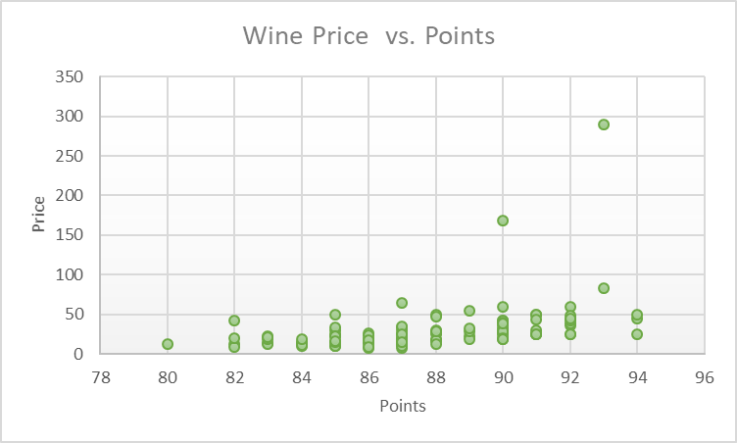
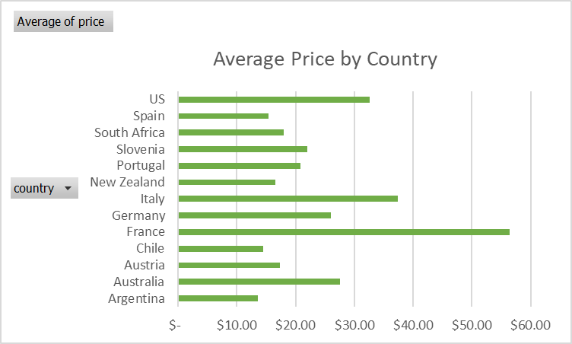
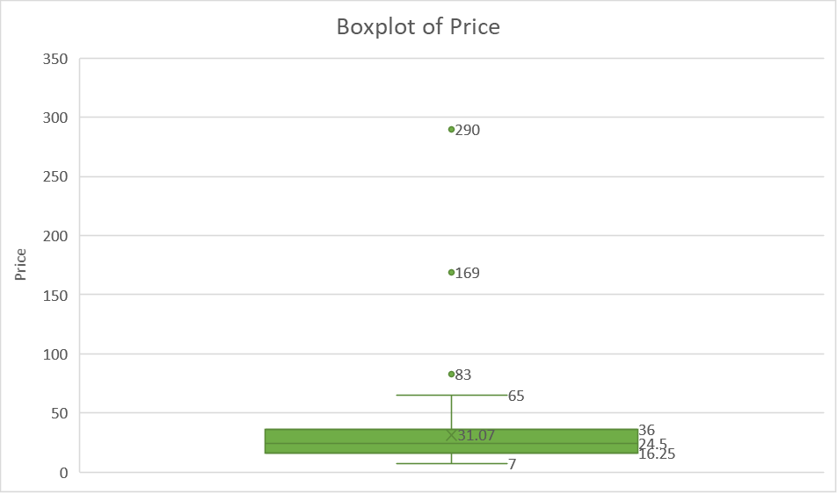

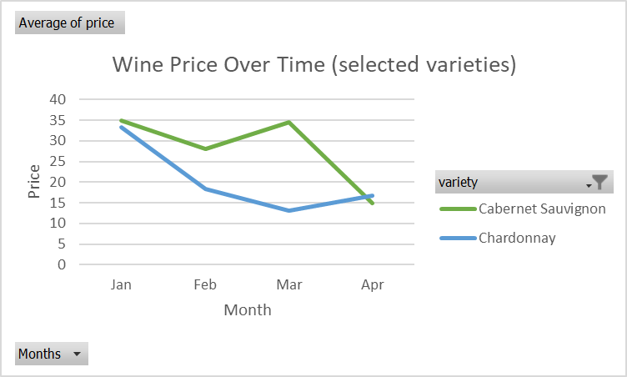
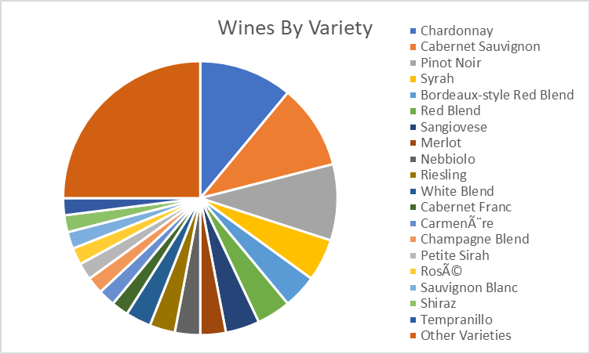
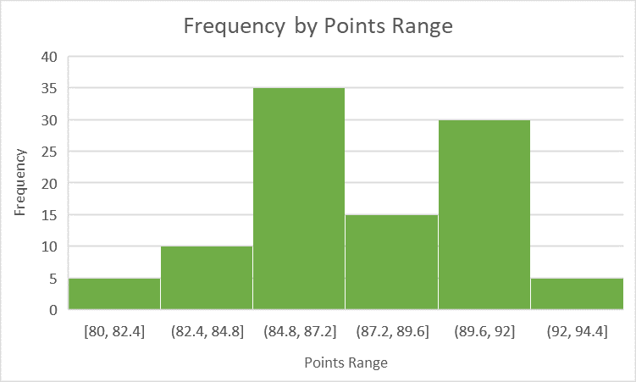

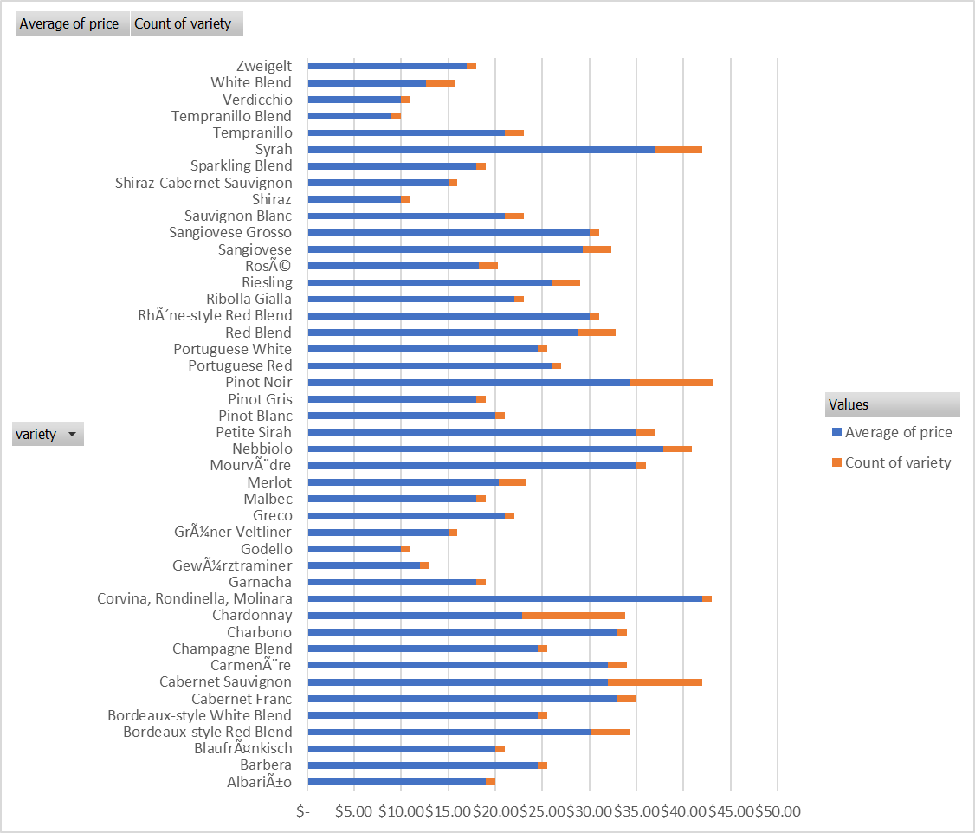

bar chart
Average Price by Country
Row Labels | Average of price
Argentina | $13.50
Australia | $27.57
Austria | $17.33
Chile | $14.50
France | $56.45
Germany | $26.00
Italy | $37.36
New Zealand | $16.50
Portugal | $20.83
Slovenia | $22.00
South Africa | $18.00
Spain | $15.38
US | $32.56
Grand Total | $31.07

scatterplot
Wine Price vs. Points
 | price
91 | 25
89 | 22
85 | 24.5
88 | 17
87 | 12
90 | 42
85 | 50
88 | 25
88 | 17
85 | 30
87 | 24.5
83 | 14
90 | 36
89 | 55
89 | 18
92 | 60
88 | 30
92 | 48
91 | 50
92 | 36
82 | 12
88 | 27
88 | 17
87 | 8
91 | 50
87 | 15
86 | 20
90 | 32
85 | 33
90 | 24.5
87 | 19
94 | 45
94 | 50
89 | 28
88 | 50
94 | 24.5
93 | 290
92 | 39
80 | 12
93 | 83
90 | 30
87 | 20
86 | 14
87 | 34
92 | 24.5
85 | 10
90 | 26
90 | 42
87 | 12
84 | 15
...

