Special words
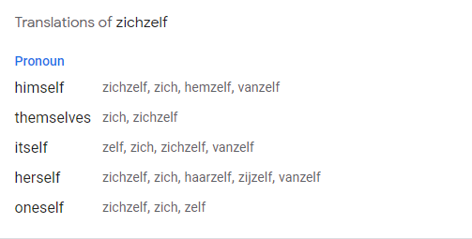

vanzelf | by itself

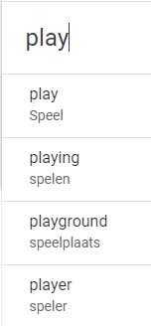
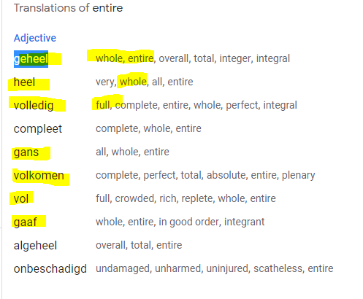
 |  | To play |  |  | partially

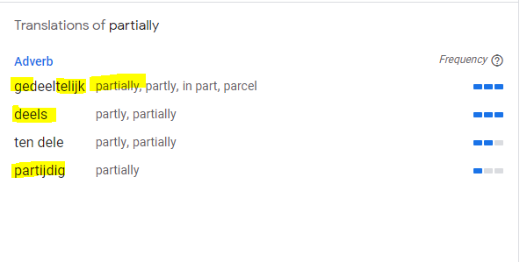

To print |  | Must | Enjoying | To Blam |  | Usaing services

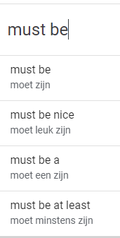
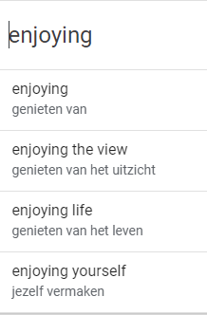
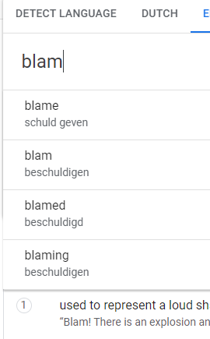
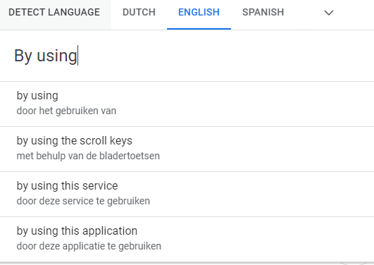

 | reading

 | Some examples of the type of texts to expect include:
 | User manuals for your banking app,
 | Documents from your 'gemeente'
 | General insurance related documentation company,
 | Letters from a school for those who have children,
 | Emails from your Dutch trainer,
 | Short newspaper articles,
 | Informative emails from social clubs

