Guidance
Guidance

SEC Activity
Typical allocation of CM days per SEC based on the SEC stage
SEC Stage | Learn | Plan | Do | Do in subsequent years - potential
Typical tasks | Recruitment (new SECs) General engagement Capacity building | Competency evaluation EMP application EMP & ROO support | Competency development Project support Grant applications | Competency development Project support Grant applications
Allocation of CM days | 1 | 3 | 2 | 4

Typical allocation of RC days per CM day
 | CM Day | RC Day to support CM SEC activity
Ratio basis | 1 | 0.3

Other Activity
Typical allocation of CM days for other activities
Other tasks | Community hosted events | Mentor hosted events | Ad hoc duties (12 days max per annum)
Allocation of CM days per task | 1 | 0.5 | TBC for each task
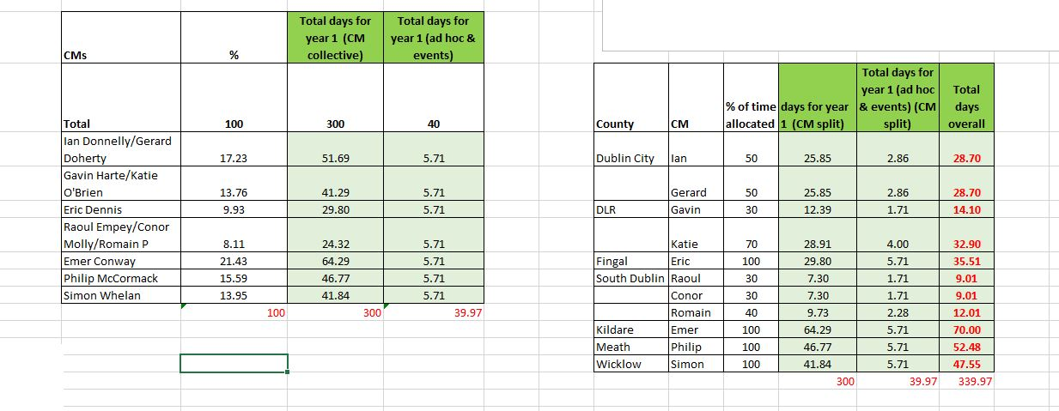
Hours | Days (exact) | Days (approx.)
0.25 | 0.03 | 0.03
0.5 | 0.07 | 0.07
0.75 | 0.10 | 0.10
1 | 0.13 | 0.13
1.5 | 0.20 | 0.20
2 | 0.27 | 0.27
3 | 0.40 | 0.40
4 | 0.53 | 0.53
5 | 0.67 | 0.67
6 | 0.80 | 0.80
7 | 0.93 | 0.93
7.5 | 1.00 | 1.00

