Check Duplicate
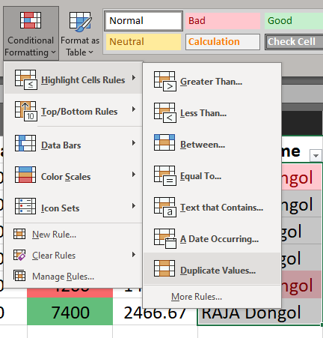
S No | Frist Name | Last Name | DOJ | Sal-Jan | Sal-Feb | Sal-Mar | Sal Total | Avg Sal | Full Name
1 | Rohan | Dongol | 26-Jan-2015 | 1500 | 1200 | 1500 | 4200 | 1400.00 | Rohan Dongol
2 | Gopal | Dongol | 8-Jul-2017 | 1700 | 1800 | 2000 | 5500 | 1833.33 | Gopal Dongol
3 | Krish | Dongol | 3-Aug-2012 | 1800 | 1500 | 1900 | 5200 | 1733.33 | Krish Dongol
4 | HARI | Dongol | 29-Oct-2028 | 1200 | 1500 | 1800 | 4500 | 1500.00 | HARI Dongol
1 | Rohan | Dongol | 26-Jan-2015 | 1500 | 1200 | 1500 | 4200 | 1400.00 | Rohan Dongol
5 | RAJA | Dongol | 9-Mar-2018 | 2000 | 2500 | 2900 | 7400 | 2466.67 | RAJA Dongol

