frequencies_symptoms_subgroups
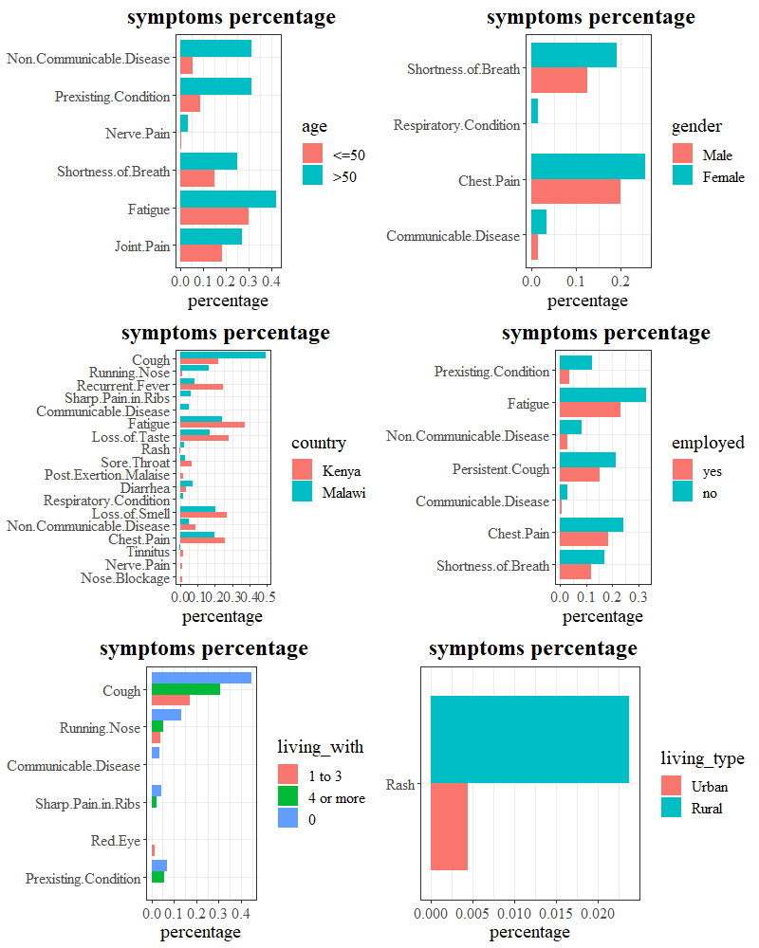
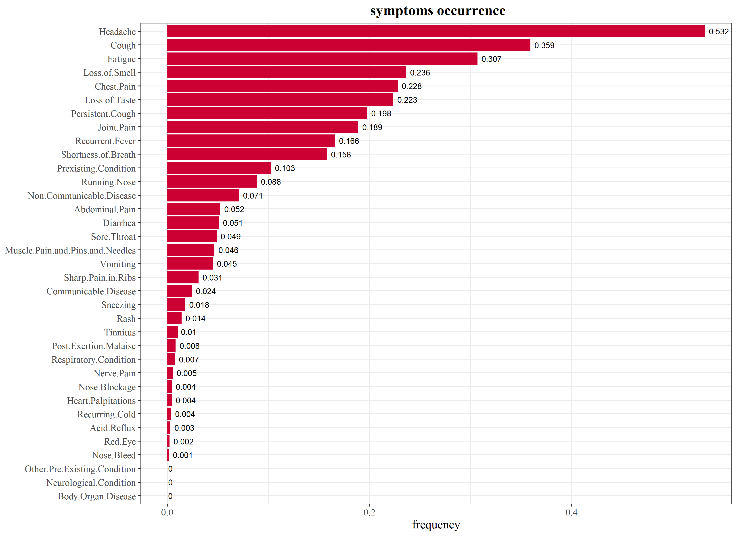

age-gender-group_similarities
The symptom-frequencies for the age-gender groups
 | Non.Communicable.Disease | Prexisting.Condition | Fatigue | Headache | Chest.Pain | Shortness.of.Breath | Diarrhea | Abdominal.Pain | Joint.Pain | Loss.of.Smell | Loss.of.Taste | Persistent.Cough | Recurrent.Fever | Cough | Running.Nose
18-33_Male | 0.013 | 0.013 | 0.249 | 0.505 | 0.205 | 0.148 | 0.04 | 0.057 | 0.185 | 0.178 | 0.178 | 0.182 | 0.148 | 0.357 | 0.081
34-50_Female | 0.126 | 0.164 | 0.316 | 0.569 | 0.26 | 0.152 | 0.059 | 0.037 | 0.201 | 0.26 | 0.212 | 0.223 | 0.145 | 0.368 | 0.078
34-50_Male | 0.068 | 0.169 | 0.391 | 0.551 | 0.292 | 0.209 | 0.062 | 0.065 | 0.212 | 0.24 | 0.249 | 0.243 | 0.194 | 0.357 | 0.102
18-33_Female | 0.014 | 0.014 | 0.241 | 0.504 | 0.142 | 0.099 | 0.047 | 0.049 | 0.14 | 0.252 | 0.247 | 0.153 | 0.17 | 0.359 | 0.104
>50_Male | 0.294 | 0.294 | 0.392 | 0.529 | 0.314 | 0.333 | 0.059 | 0.078 | 0.275 | 0.255 | 0.216 | 0.176 | 0.196 | 0.412 | 0.059
>50_Female | 0.327 | 0.327 | 0.449 | 0.571 | 0.306 | 0.163 | 0.02 | 0.02 | 0.265 | 0.286 | 0.224 | 0.204 | 0.143 | 0.286 | 0.02

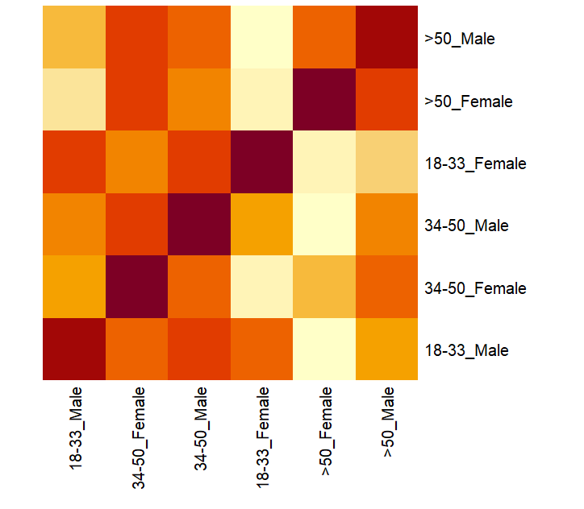
cosine similarity among the age-gender groups
 | 18-33_Male | 34-50_Female | 34-50_Male | 18-33_Female | >50_Male | >50_Female
18-33_Male | 1 | 0.976 | 0.976 | 0.985 | 0.915 | 0.887
34-50_Female | 0.976 | 1 | 0.991 | 0.966 | 0.964 | 0.96
34-50_Male | 0.976 | 0.991 | 1 | 0.96 | 0.962 | 0.948
18-33_Female | 0.985 | 0.966 | 0.96 | 1 | 0.889 | 0.871
>50_Male | 0.915 | 0.964 | 0.962 | 0.889 | 1 | 0.975
>50_Female | 0.887 | 0.96 | 0.948 | 0.871 | 0.975 | 1

K-mode clustering
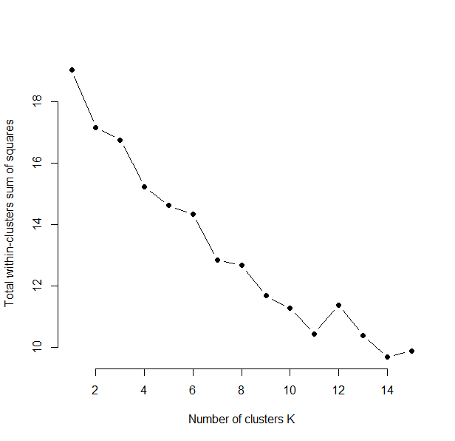
The 11 modes
 | Non.Communicable.Disease | Prexisting.Condition | Fatigue | Headache | Chest.Pain | Shortness.of.Breath | Diarrhea | Abdominal.Pain | Joint.Pain | Loss.of.Smell | Loss.of.Taste | Persistent.Cough | Recurrent.Fever | Cough | Running.Nose
1 | 0 | 0 | 1 | 1 | 0 | 0 | 0 | 0 | 0 | 0 | 0 | 1 | 0 | 0 | 0
2 | 1 | 1 | 0 | 1 | 1 | 0 | 0 | 0 | 0 | 0 | 0 | 0 | 0 | 0 | 0
3 | 1 | 1 | 0 | 1 | 0 | 0 | 0 | 0 | 0 | 0 | 0 | 0 | 0 | 0 | 0
4 | 0 | 0 | 0 | 0 | 0 | 0 | 0 | 0 | 0 | 1 | 1 | 0 | 1 | 0 | 0
5 | 0 | 0 | 0 | 0 | 0 | 0 | 0 | 0 | 0 | 1 | 1 | 0 | 0 | 0 | 0
6 | 0 | 0 | 1 | 1 | 1 | 1 | 0 | 0 | 0 | 0 | 1 | 0 | 0 | 1 | 0
7 | 0 | 0 | 0 | 0 | 0 | 0 | 0 | 0 | 0 | 0 | 0 | 0 | 0 | 0 | 0
8 | 0 | 0 | 0 | 0 | 0 | 0 | 0 | 0 | 0 | 0 | 0 | 0 | 1 | 0 | 0
9 | 0 | 0 | 0 | 1 | 0 | 0 | 0 | 0 | 0 | 0 | 0 | 0 | 0 | 1 | 0
10 | 0 | 0 | 0 | 0 | 0 | 0 | 1 | 0 | 0 | 0 | 0 | 0 | 0 | 0 | 0
11 | 0 | 0 | 0 | 1 | 0 | 0 | 1 | 0 | 1 | 0 | 0 | 0 | 0 | 1 | 0

Mapping the 11 modes with the age-gender groups
 | 18-33 | 34-50 | >50
1 | 90 | 80 | 11
2 | 1 | 24 | 10
3 | 8 | 34 | 21
4 | 26 | 23 | 0
5 | 82 | 44 | 7
6 | 17 | 50 | 9
7 | 157 | 129 | 14
8 | 67 | 47 | 8
9 | 186 | 131 | 16
10 | 25 | 24 | 1
11 | 3 | 8 | 3

feature selection
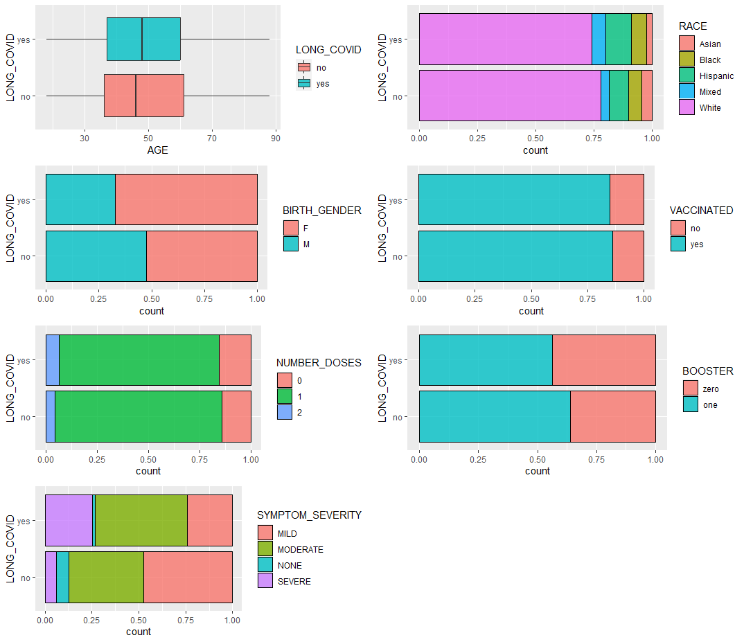
 | meanImp | medianImp | minImp | maxImp | normHits | decision
AGE | 2.731 | 2.886 | -3.977 | 7.797 | 0.424 | Tentative
RACE | 7.793 | 7.724 | 3.293 | 13.994 | 0.96 | Confirmed
BIRTH_GENDER | 24.65 | 24.551 | 16.532 | 30.367 | 1 | Confirmed
VACCINATED | 0.013 | -0.449 | -4.021 | 3.907 | 0.01 | Rejected
NUMBER_DOSES | 7.922 | 7.951 | 3.177 | 13.942 | 0.96 | Confirmed
BOOSTER | 14.005 | 14.124 | 5.014 | 21.78 | 1 | Confirmed
SYMPTOM_SEVERITY | 111.986 | 112.556 | 96.694 | 123.554 | 1 | Confirmed

decision tree
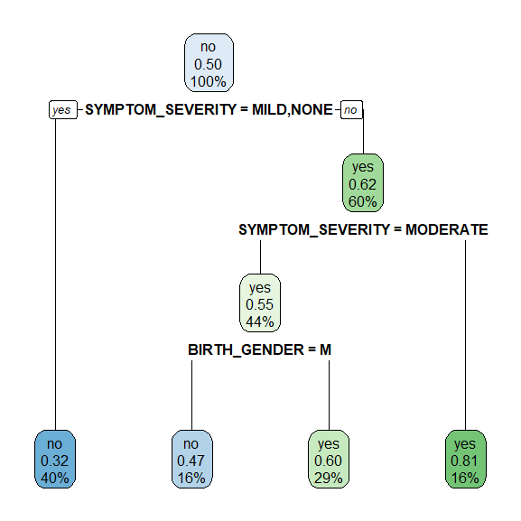

classifier evaluation
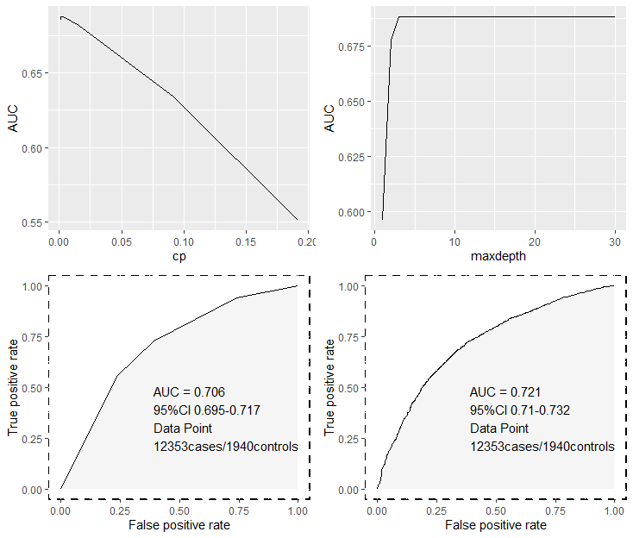
metric/model | Decision Tree | Random Forest
AUC | 0.706 | 0.721
Accuracy | 0.711 | 0.676
Sensitivity | 0.723 | 0.678
Specificity | 0.607 | 0.668
Precision | 0.922 | 0.929
Recall | 0.727 | 0.678
F1 | 0.813 | 0.784

