Content
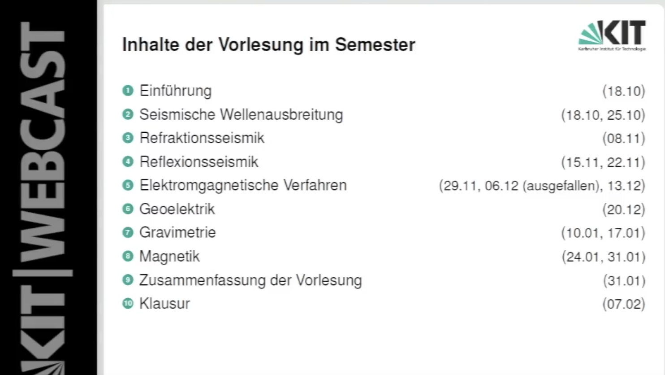
Outline oriented with: Bohlen Lecture KIT
Session | ID | Content | Open Issues | Hint
1 | Gravimetry 1 | Why use gravity for exploration ? Gravitational Force?
 |  | Gravitational Force of a sphere with homogenous density, inside and outside |  | Shell Theorem, Kern Mantel Grenze
 |  | Cavendish and G
 |  | Schwerepotential
 |  | Erdform: Kugel, Ellipspid, Geoid
2 | Gravity Lab 1 | Measuring of g_z with phyphox, bias, mean, std; Airy and Pratt (Isostacy) | Video, Noise problem? Electronic Trigger with Raspbery Pi PICO seem possible mit Lichtschranken.
3 | Gravimetry 2 | Reduction: Latitudinal, Elevation, Terrain, Gezeiten
 |  | Professional Gravimeters absolut, relative
 |  | Survey Principle
 |  | Examples
4 | Gravity Lab 2 | g_z anomaly of sphere, linear density inside sphere, WGS84 and Geoid correction on computer
 | Magnetics 1

