Test
Test
c0 | 06
11000000 | 00000110
First 4 bits are 1100, as 12 is the message type. Next 4 bits is the number of sensors for this end node (current set to 0000) | 1 bytes as unsigned interger (8 bits) to represent node id, which can support up to 255 nodes
header

 |  |  |  | 06 |  | 03
 |  |  |  | 00000110 |  | 00000011
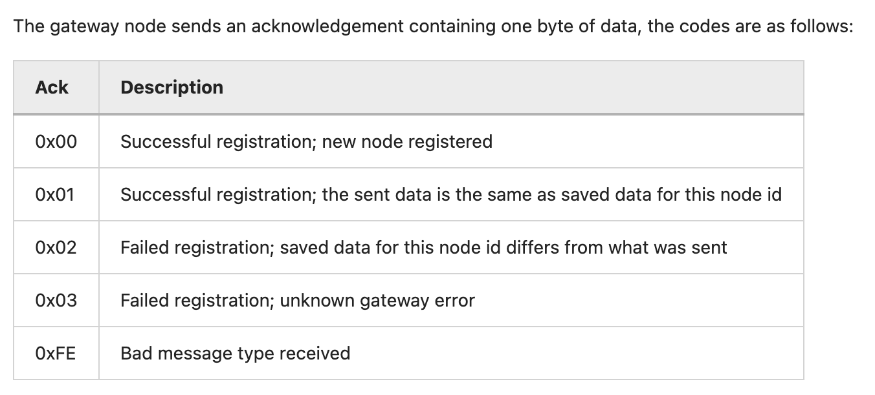 |  | + | + | 1 bytes as unsigned interger (8 bits) to represent node id, which can support up to 255 nodes | + | 1 bytes as unsigned interger (8 bits) to represent sleep cycle to remote control the tracker's sleep behaviour

Note: the memory of arduino is little edian.

