Client Setup
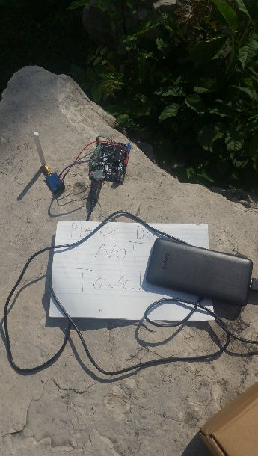
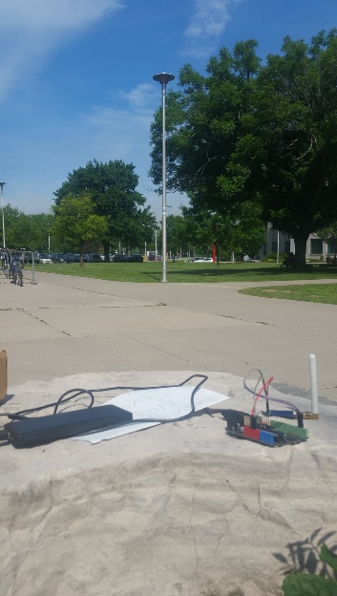

Test 1
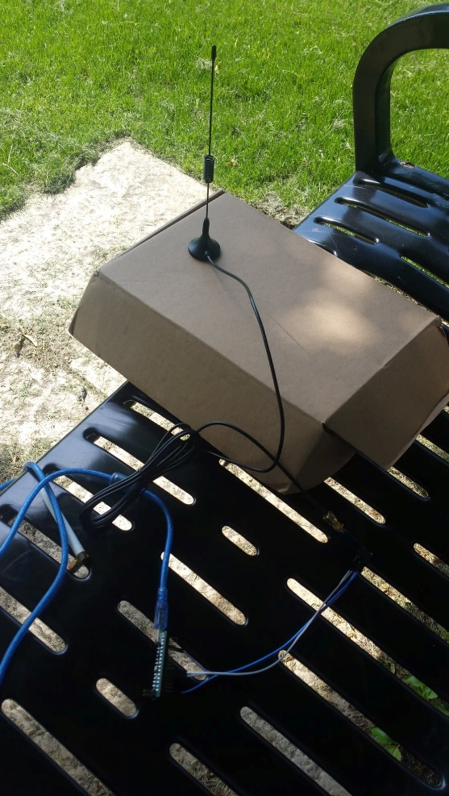
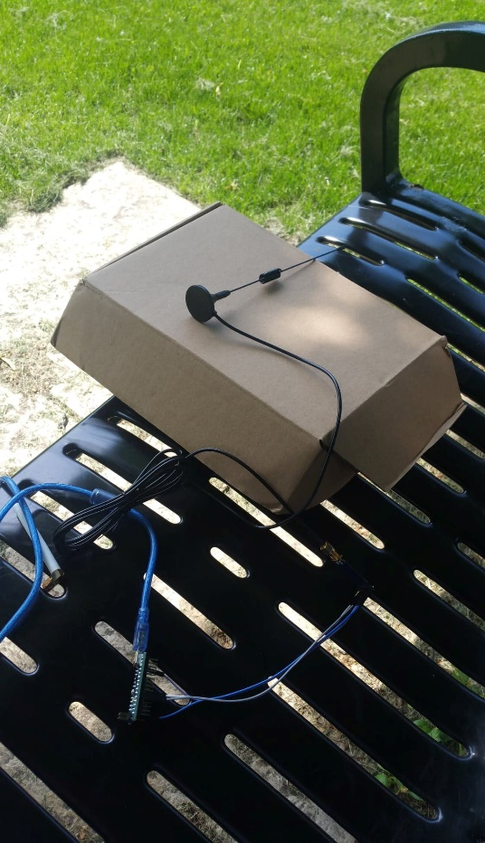
Test #1 |  | Host | Client |  | Host | Client
(LoRa MESH Antenna) | 1 | 83 | 83 | 1 | 81 | 81
 | 2 | 78 | 83 | 2 | 80 | 80
 | 3 | 81 | 83 | 3 | 80 | 77
 | 4 | 84 | 81 | 4 | 80 | 78
 | 5 | 83 | 82 | 5 | 81 | 77
 | 6 | 83 | 83 | 6 | 80 | 80
 | 7 | 83 | 80 | 7 | 77 | 77
 | 8 | 81 | 79 | 8 | 78 | 77
 | 9 | 82 | 81 | 9 | 77 | 76
 | 10 | 83 | 81 | 10 | 80 | 79
 | Avg | 82.1 | 81.6 | Avg | 79.4 | 78.2
 | Oriented upwards |  |  | Oriented Sideways

Test 2
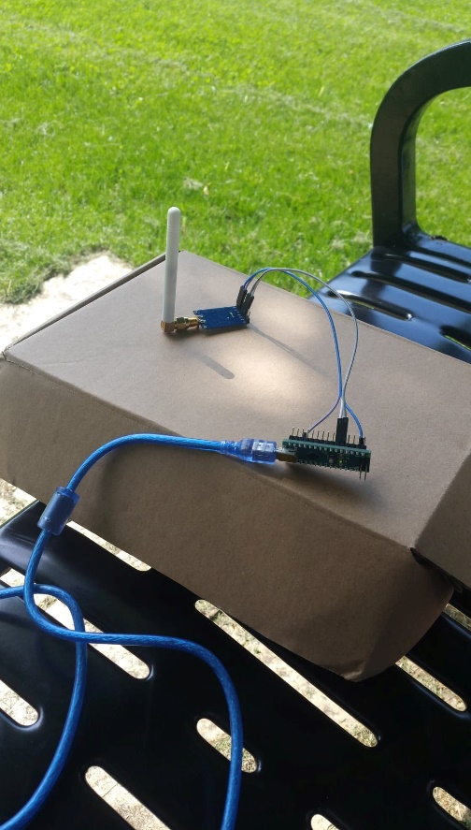
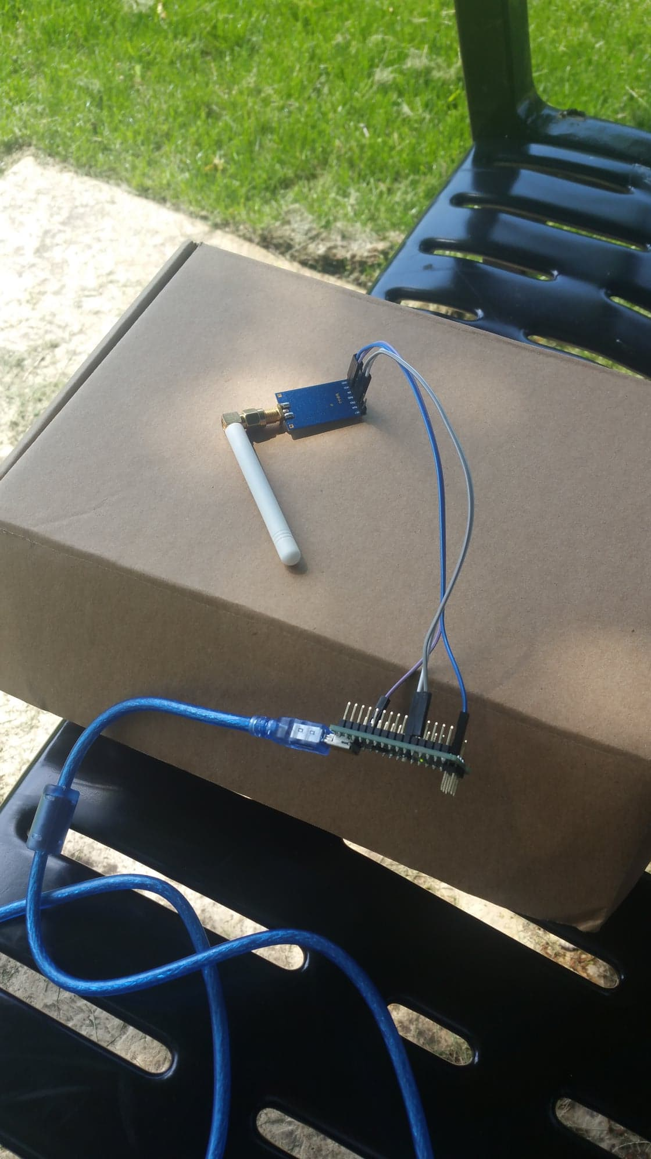
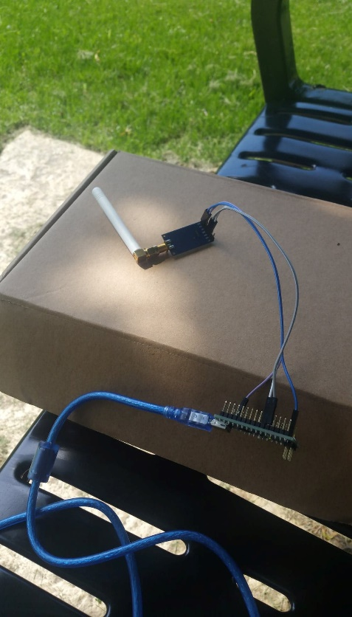
Test #2 |  | Host | Client |  | Host | Client |  | Host | Client
(White LoRa Antenna) | 1 | 80 | 85 | 1 | 74 | 77 | 1 | 78 | 79
 | 2 | 81 | 85 | 2 | 76 | 74 | 2 | 79 | 77
 | 3 | 86 | 85 | 3 | 77 | 76 | 3 | 80 | 77
 | 4 | 85 | 84 | 4 | 79 | 78 | 4 | 78 | 80
 | 5 | 85 | 85 | 5 | 77 | 76 | 5 | 79 | 79
 | 6 | 85 | 86 | 6 | 74 | 77 | 6 | 77 | 79
 | 7 | 85 | 84 | 7 | 76 | 78 | 7 | 77 | 80
 | 8 | 84 | 86 | 8 | 78 | 77 | 8 | 80 | 80
 | 9 | 85 | 85 | 9 | 76 | 79 | 9 | 79 | 78
 | 10 | 86 | 86 | 10 | 77 | 78 | 10 | 79 | 77
 | Avg | 84.2 | 85.1 | Avg | 76.4 | 77 | Avg | 78.6 | 78.6
 | Oriented upwards |  |  | Oriented towards Client |  |  | Oriented away from Client

Test 3
Test #3 |  | Host | Client |  | Host | Client |  | Host | Client
(Black LoRa Antenna) | 1 | 123 | 127 | 1 | 116 | 105 | 1 | 120 | 125
 | 2 | 124 | 126 | 2 | 102 | 105 | 2 | 106 | 127
 | 3 | 123 | 106 | 3 | 102 | 123 | 3 | 105 | 128
 | 4 | 128 | 104 | 4 | 102 | 119 | 4 | 107 | 123
 | 5 | 127 | 107 | 5 | 105 | 127 | 5 | 125 | 125
 | 6 | 126 | 107 | 6 | 105 | 126 | 6 | 127 | 126
 | 7 | 106 | 105 | 7 | 123 | 102 | 7 | 128 | 104
 | 8 | 104 | 105 | 8 | 119 | 104 | 8 | 123 | 103
 | 9 | 107 | 104 | 9 | 127 | 102 | 9 | 125 | 105
 | 10 | 107 | 104 | 10 | 126 | 103 | 10 | 126 | 103
 | Avg | 117.5 | 109.5 | Avg | 112.7 | 111.6 | Avg | 119.2 | 116.9
 | Oriented upwards |  |  | Oriented towards Client |  |  | Oriented away from Client
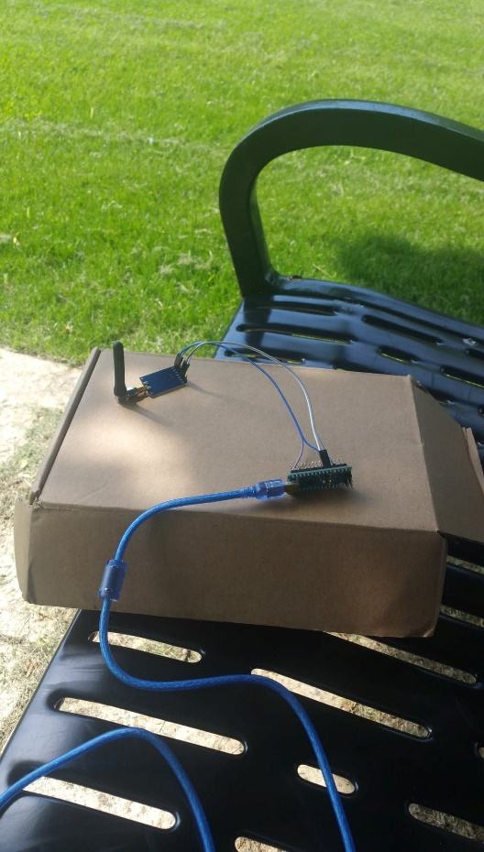

Almost didn't work. Had to restart a few times

Test 4
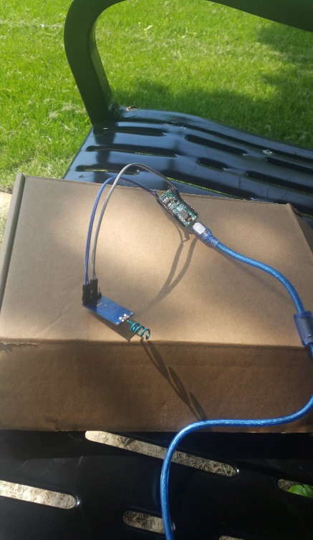
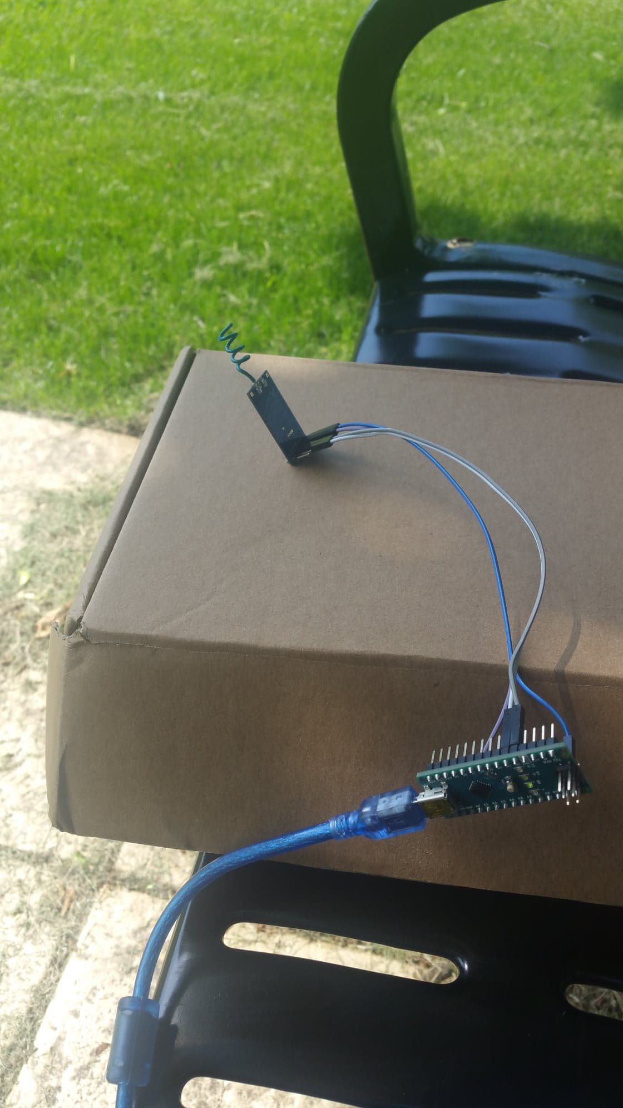
Test #4 |  | Host | Client |  | Host | Client |  | Host | Client |  | Host | Client |  | Host | Client |  | Host | Client |  | Host | Client
(Custom Helix Antenna) | 1 | 89 | 86 | 1 | 99 | 118 | 1 | 100 | 102 | 1 | 88 | 87 | 1 | 81 | 77 | 1 | 82 | 79 | 1 | 88 | 87
 | 2 | 86 | 87 | 2 | 99 | 121 | 2 | 100 | 100 | 2 | 89 | 87 | 2 | 79 | 80 | 2 | 84 | 79 | 2 | 116 | 89
 | 3 | 90 | 85 | 3 | 99 | 115 | 3 | 104 | 97 | 3 | 87 | 85 | 3 | 78 | 81 | 3 | 80 | 82 | 3 | 86 | 90
 | 4 | 87 | 85 | 4 | 101 | 119 | 4 | 99 | 99 | 4 | 87 | 86 | 4 | 78 | 81 | 4 | 83 | 83 | 4 | 84 | 90
 | 5 | 86 | 88 | 5 | 118 | 120 | 5 | 102 | 122 | 5 | 87 | 83 | 5 | 77 | 80 | 5 | 79 | 82 | 5 | 87 | 87
 | 6 | 87 | 88 | 6 | 121 | 120 | 6 | 100 | 122 | 6 | 87 | 84 | 6 | 80 | 84 | 6 | 79 | 82 | 6 | 89 | 87
 | 7 | 85 | 84 | 7 | 115 | 90 | 7 | 97 | 97 | 7 | 85 | 86 | 7 | 81 | 79 | 7 | 82 | 81 | 7 | 90 | 89
 | 8 | 85 | 84 | 8 | 119 | 118 | 8 | 99 | 99 | 8 | 86 | 81 | 8 | 81 | 79 | 8 | 83 | 81 | 8 | 90 | 87
 | 9 | 88 | 87 | 9 | 120 | 117 | 9 | 122 | 97 | 9 | 83 | 81 | 9 | 80 | 78 | 9 | 82 | 80 | 9 | 87 | 86
 | 10 | 88 | 84 | 10 | 120 | 116 | 10 | 122 | 115 | 10 | 84 | 82 | 10 | 84 | 81 | 10 | 82 | 84 | 10 | 87 | 91
 | Avg | 87.1 | 85.8 | Avg | 111.1 | 115.4 | Avg | 104.5 | 105 | Avg | 86.3 | 84.2 | Avg | 79.9 | 80 | Avg | 81.6 | 81.3 | Avg | 90.4 | 88.3
 | Oriented upwards, helicals equally spaced |  |  | Oriented upwards, Helicals squished together |  |  | Bent onto the Module |  |  | Oriented away, helicals spaced equally apart |  |  | Squished into Enclosure |  |  | Same setup as previous, with enclosure removed |  |  | Inside cardboard box

Test 5
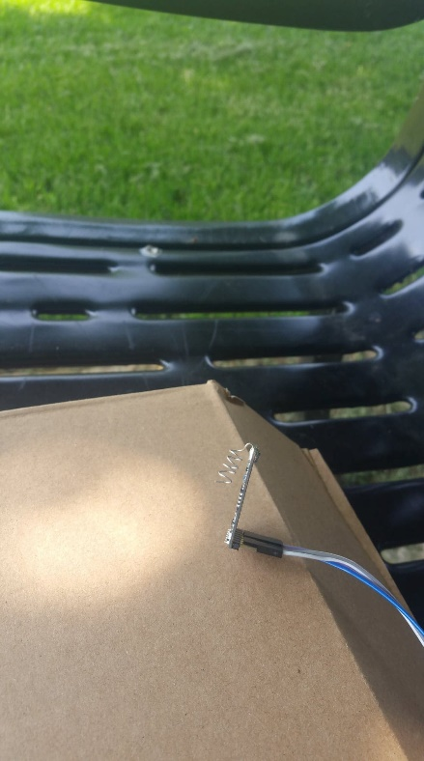
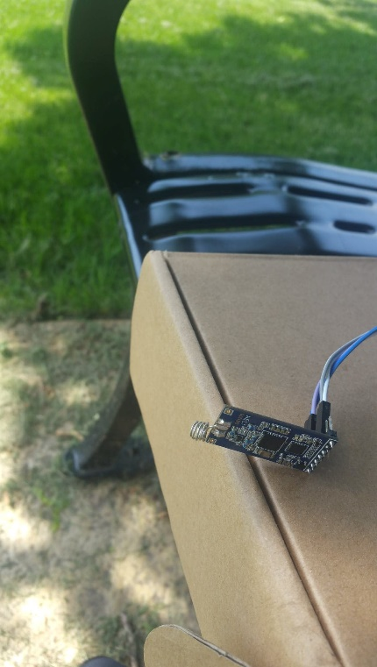
Test #5 |  | Host | Client |  | Host | Client |  | Host | Client |  | Host | Client
(Custom wire-only helix antenna) | 1 | 88 | 90 | 1 | 87 | 98 | 1 | 84 | 94 | 1 | 119 | 97
 | 2 | 87 | 90 | 2 | 89 | 95 | 2 | 90 | 92 | 2 | 118 | 116
 | 3 | 87 | 89 | 3 | 95 | 94 | 3 | 98 | 92 | 3 | 118 | 116
 | 4 | 88 | 90 | 4 | 103 | 115 | 4 | 95 | 94 | 4 | 120 | 115
 | 5 | 90 | 93 | 5 | 98 | 93 | 5 | 94 | 92 | 5 | 97 | 92
 | 6 | 90 | 117 | 6 | 95 | 95 | 6 | 92 | 89 | 6 | 116 | 91
 | 7 | 89 | 88 | 7 | 94 | 93 | 7 | 92 | 92 | 7 | 116 | 92
 | 8 | 90 | 90 | 8 | 115 | 91 | 8 | 94 | 92 | 8 | 115 | 92
 | 9 | 93 | 90 | 9 | 93 | 95 | 9 | 92 | 88 | 9 | 92 | 93
 | 10 | 117 | 87 | 10 | 95 | 94 | 10 | 89 | 88 | 10 | 91 | 93
 | Avg | 91.9 | 92.4 | Avg | 96.4 | 96.3 | Avg | 92 | 91.3 | Avg | 110.2 | 99.7
 | Oriented upwards, helicals squished togther |  |  | Oriented upwards, helicals equally spaced |  |  | Bent onto the Module |  |  | Helcials very squished together

