Registration
Registration
c0 | 06 | 00 | 00
11000000 | 00000110 | 0000000000000000
First 4 bits are 1101, as 13 is the message type, next 4 bits is the number of sensors for this end node | 1 bytes as unsigned interger (8 bits) to represent node id, which can support up to 255 nodes | 2 bytes as unsigned interger (16 bits) to count how many messages have been sent. (start from 0 and share value between registration and sensor data)
header

 |  |  |  |  | 06 | 03
 |  |  |  | + | 00000110 | 00000011
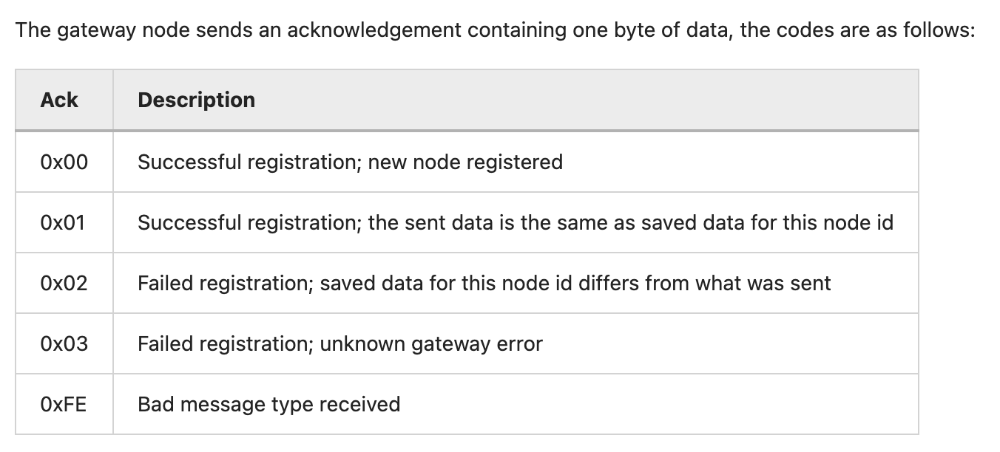 |  |  |  |  | 1 bytes as unsigned interger (8 bits) to represent node id, which can support up to 255 nodes | 1 bytes as unsigned interger (8 bits) to represent sleep cycle to remote control the tracker's sleep behaviour

