INTRO
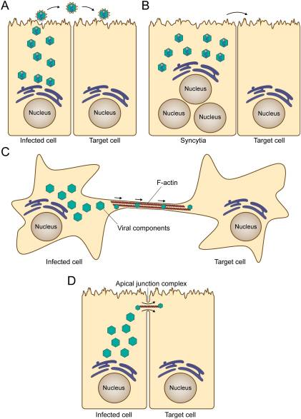
Tabs at the bottom of this sheet lead to subsets of the RSV literature. 'Misc' lists those papers that couldn't be categorized. 'Cell Entry', 'Genome Repl', and 'Assembly' are exclusive categories---those papers won't appear in other tabs. Otherwise papers may appear under multiple tabs.
Papers are sorted by publication date.
If the column 'Rev' is checked the paper is actually a review article.

NOTE: This sheet is filled semi-automatically, manual changes will be overwritten. If you want to add a paper please append a link below or mail me and I'll put it in the loop. ---Ralf

2023-Jan-04: 367 papers
2023-Jan-11: 483 papers
2023-Jan-13: 502 papers

 | Cifuentes-Muñoz N, Dutch RE, Cattaneo R. Direct cell-to-cell transmission of respiratory viruses: The fast lanes. PLoS Pathog. 2018 Jun 28;14(6):e1007015.
 | https://pubmed.ncbi.nlm.nih.gov/29953542

