INTRO
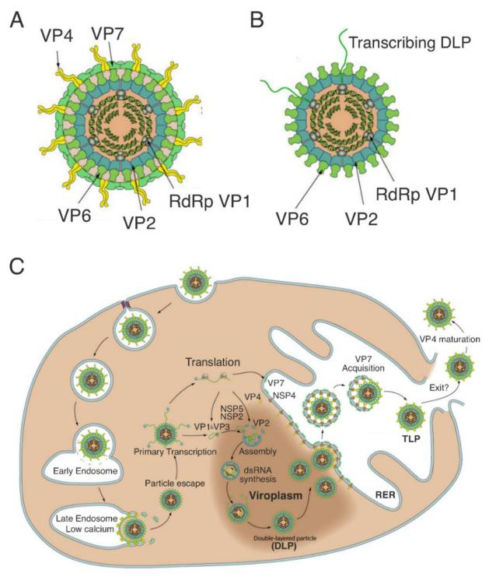
Tabs at the bottom of this sheet lead to subsets of the rotavirus A literature. 'Cell Entry', 'Genome Repl', 'Assembly', 'V-H', and 'H-V' are exclusive categories---those papers won't appear in other tabs. Otherwise papers may appear under multiple tabs.
Papers are sorted by publication date.
The column 'SHost' contains the word 'human' if the paper uses a human strain. It may also use other strains.
The column 'SGenotypes' contains genotype designations according to the strains used in the paper, and according to the specific protein focused on. This information may not be complete, for example if the exact strain or its genome is unknown. In the 'Cell Entry' tab the genotypes for VP4 and VP7 of used strains are given.
If the column 'Rev' is checked the paper is actually a review article.

NOTE: This sheet is filled semi-automatically, manual changes will be overwritten. If you want to add a paper please append a link below or mail me and I'll put it in the loop. ---Ralf
NOTE: Pharmacology papers were intentionally left incomplete

2022-Aug-15: 248 papers
2022-Aug-30: 352 papers
2022-Sep-12: 476 papers
2022-Sep-29: 523 papers
2022-Oct-07: 605 papers
2022-Nov-24: 595 papers

 | Papa G, Borodavka A, Desselberger U. Viroplasms: Assembly and Functions of Rotavirus Replication Factories. Viruses. 2021 Jul 12;13(7):1349.
 | https://www.ncbi.nlm.nih.gov/pmc/articles/PMC8310052/

