Sheet1
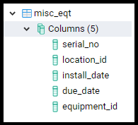
old eqt

cryopump, compressor, robot, gv, drypump
PM
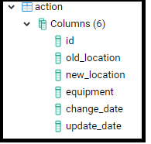
location
old serial
new serial

new eqt

201 | Load | PP robot | old serial | new serial | date_change | remark | updated date
205 | P1 | Cryopump | old serial | new serial | date_change | remark | updated date
201 | P4 | TDU

location
old serial
new serial
new eqt

misc_eqt

same

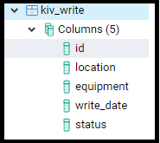

PYTHON

KIV File

Sheet2
