Introduction


ESGC - Energy Storage Cost and Performance Database v2024
Information in this database includes capital costs, operations & maintenance (O&M) costs, various performance parameters, warranty costs (if applicable), decommissioning costs (if applicable), and levelized cost of storage (LCOS) results.
2023 & 2030 cost and performance estimates are provided for the following technologies:
Lithium-ion batteries - lithium iron phosphate (LFP) and nickel manganese cobalt (NMC) chemistries
Vanadium redox flow batteries
Lead acid batteries
Zinc-based batteries
Pumped storage hydropower (PSH)
Compressed air energy storage (CAES)
Thermal energy storage
2021 & 2030 cost and performance estimates are provided for the following technologies:
Hydrogen energy storage systems (bi-directional, salt cavern storage)
Gravitational energy storage
For Hydrogen and Gravitational, energy storage installed cost and performance estimates correspond to those found in the 2022 ESGC Cost and Performance Report. These values have not been updated as part of the 2024 effort. LCOS estimates for these two technologies reflect 2021 cost and performance estimates using the most up to date LCOS methodology.
Low, Point, and High estimates are provided across various power capacity and energy duration combinations. Note that for performance parameters, the "low" estimates are those that are associated with the higher (improved) values, not numerically low.
LCOS estimates are provided in terms of cost per unit of discharge energy throughput ($/kWh), not in terms of rated energy of the storage system.
For the most up to date cost & performance information, please visit https://www.pnnl.gov/ESGC-cost-performance.

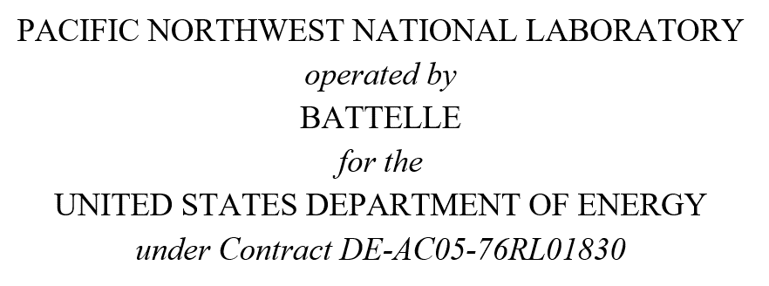 This material was prepared as an account of work sponsored by an agency of the United States Government. Neither the United States Government nor the United States Department of Energy, nor the Contractor, nor any or their employees, nor any jurisdiction or organization that has cooperated in the development of these materials, makes any warranty, express or implied, or assumes any legal liability or responsibility for the accuracy, completeness, or usefulness or any information, apparatus, product, software, or process disclosed, or represents that its use would not infringe privately owned rights. Reference herein to any specific commercial product, process, or service by trade name, trademark, manufacturer, or otherwise does not necessarily constitute or imply its endorsement, recommendation, or favoring by the United States Government or any agency thereof, or Battelle Memorial Institute. The views and opinions of authors expressed herein do not necessarily state or reflect those of the United States Government or any agency thereof.

