ITEM MASTER
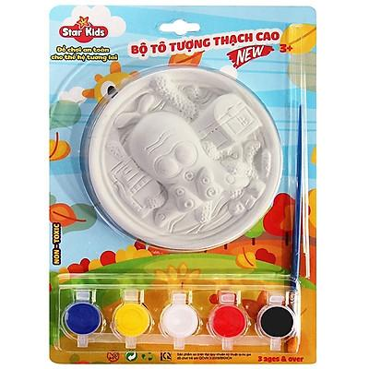
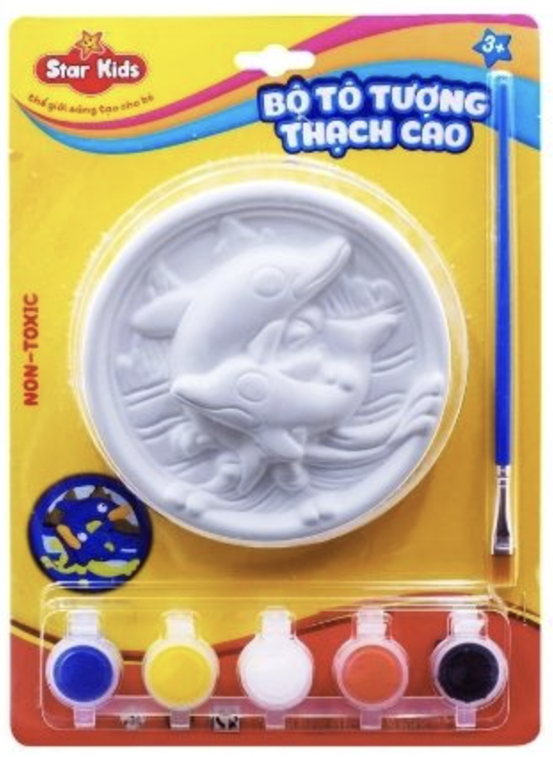
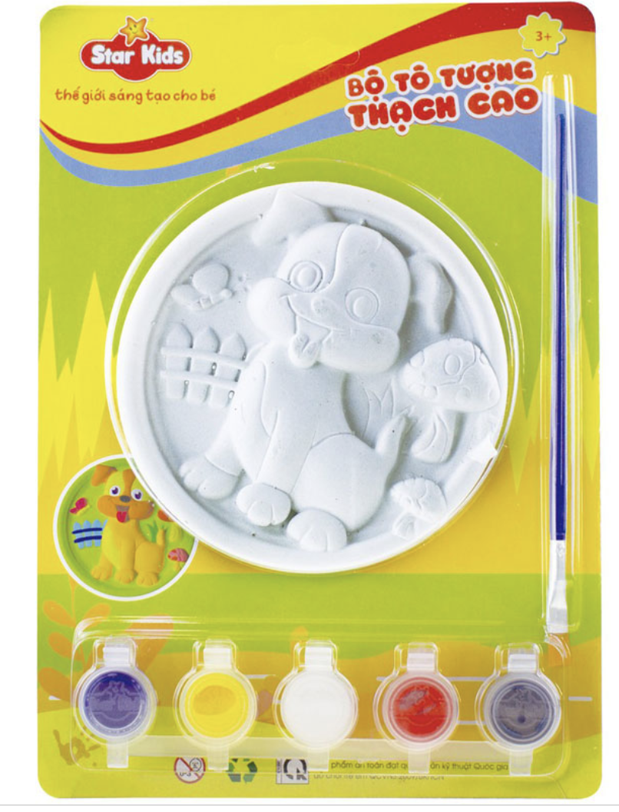
item | type | leadtime_days
BIAGIAY-K1 | RAW | 2
BIAGIAY-K2 | RAW | 2
BIAGIAY-K3 | RAW | 2
THACHCAO-K1 | RAW | 2
THACHCAO-K2 | RAW | 2
THACHCAO-K3 | RAW | 2
KHAYNHUA | RAW | 2
COTOMAU | RAW | 2
DAYNHUA | RAW | 2
MAUNUOC | RAW | 2
THUNGCARTON | RAW | 2
K1 | FG | 0
K2 | FG | 0
K3 | FG | 0

