Cohen's Kappa
 | 0.46 | 0.09
Care-Harm | Model |  |  | Care/Harm | Fairness/Cheating | Loyalty/Betrayal | Authority/Subversion | Purity/Degradation | NONE
gold_strict | 0.6807 |  | Among annotators | 0.2821 | 0.2203 | 0.1892 | 0.1912 | 0.017 | 0.5484
gold_lax |  | 0.6542 | Model-gold_strict | 0.6807 | 0.8072 | 0.1685 | 0.7839 | 0.3363 | 0.6352
 |  |  | Model-gold_lax | 0.6542 | 0.4575 | 0.3112 | 0.559 | 0.2597 | 0.5261
 | 0.44 | 0.06
Fairness-Cheating | Model
gold_strict | 0.8072 |  |  | https://www.ncbi.nlm.nih.gov/pmc/articles/PMC3900052/
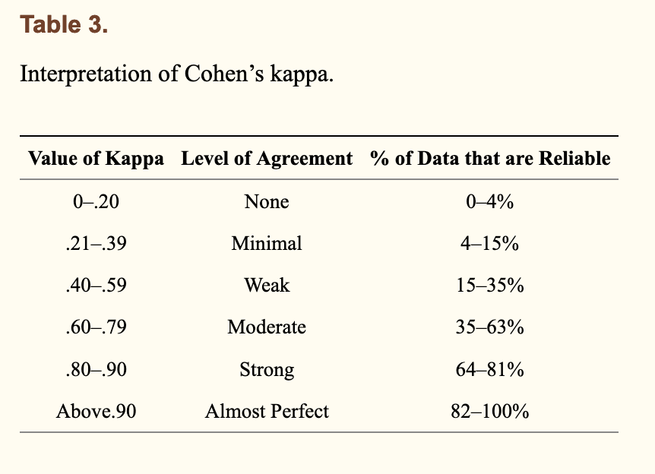
gold_lax |  | 0.4575

 | 0.05 | 0.03
Loyalty-Betrayal | Model
gold_strict | 0.1685
gold_lax |  | 0.3112

 | 0.59 | 0.11
Authority_Subversion | Model
gold_strict | 0.7839
gold_lax |  | 0.559

 | 0.27 | 0.05
Purity-Degradation | Model
gold_strict | 0.3363
gold_lax |  | 0.2597

 | 0.98 | 0.9
NONE | Model
gold_strict | 0.6352
gold_lax |  | 0.5261

