Houses
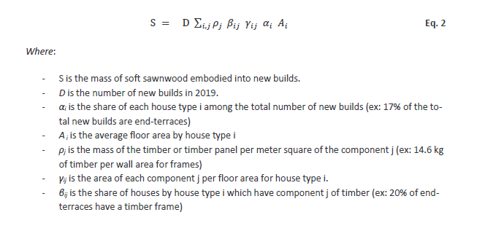
Region | TimePeriod | Role | Object | Process | Observation | Unit | αi (Eq.2) | Ai (Eq.2) | D (Eq.2) | Ai reference
UnitedKingdom | YearOf2019 | SoldProduction | EndTerracedHouses |  | 1811934 | square meter | 10 | 86 | 210690 | https://assets.publishing.service.gov.uk/government/uploads/system/uploads/attachment_data/file/725085/Floor_Space_in_English_Homes_main_report.pdf
UnitedKingdom | YearOf2019 | SoldProduction | MidTerracedHouses |  | 3071860.2 | square meter | 18 | 81 | 210690 | https://assets.publishing.service.gov.uk/government/uploads/system/uploads/attachment_data/file/725085/Floor_Space_in_English_Homes_main_report.pdf
UnitedKingdom | YearOf2019 | SoldProduction | SemiDetachedHouses |  | 4898542.5 | square meter | 25 | 93 | 210690 | https://assets.publishing.service.gov.uk/government/uploads/system/uploads/attachment_data/file/725085/Floor_Space_in_English_Homes_main_report.pdf
UnitedKingdom | YearOf2019 | SoldProduction | DetachedHouses |  | 5764478.4 | square meter | 18 | 152 | 210690 | https://assets.publishing.service.gov.uk/government/uploads/system/uploads/attachment_data/file/725085/Floor_Space_in_English_Homes_main_report.pdf
UnitedKingdom | YearOf2019 | SoldProduction | Bungalows |  | 648925.2 | square meter | 4 | 77 | 210690 | https://assets.publishing.service.gov.uk/government/uploads/system/uploads/attachment_data/file/725085/Floor_Space_in_English_Homes_main_report.pdf
UnitedKingdom | YearOf2019 | SoldProduction | ConvertedFlats |  | 1095588 | square meter | 8 | 65 | 210690 | https://assets.publishing.service.gov.uk/government/uploads/system/uploads/attachment_data/file/725085/Floor_Space_in_English_Homes_main_report.pdf
UnitedKingdom | YearOf2019 | SoldProduction | FlatLowRise |  | 1969951.5 | square meter | 17 | 55 | 210690 | https://assets.publishing.service.gov.uk/government/uploads/system/uploads/attachment_data/file/725085/Floor_Space_in_English_Homes_main_report.pdf

Region | TimePeriod | Role | Object | Process | Observation | Unit | low value MC | high value MC | unit | Reference
UnitedKingdom | YearOf2019 | ProcessInput | SoftwoodSawnwood | FramesManufacturing | 70369606 | kg | 9 | 14 | % MC | https://www.wagnermeters.com/moisture-meters/wood-info/acceptable-moisture-levels-wood/#:~:text=Based%20on%20common%20guidelines%20or,Construction%3A%209%2D14%25
UnitedKingdom | YearOf2019 | ProcessInput | SoftwoodSawnwood | ExternalCladdingManufacturing | 14049672 | kg | 9 | 14 | % MC | https://www.wagnermeters.com/moisture-meters/wood-info/acceptable-moisture-levels-wood/#:~:text=Based%20on%20common%20guidelines%20or,Construction%3A%209%2D14%26
UnitedKingdom | YearOf2019 | ProcessInput | SoftwoodSawnwood | UpperFloorsManufacturing | 117142830 | kg | 9 | 14 | % MC | https://www.wagnermeters.com/moisture-meters/wood-info/acceptable-moisture-levels-wood/#:~:text=Based%20on%20common%20guidelines%20or,Construction%3A%209%2D14%27
UnitedKingdom | YearOf2019 | ProcessInput | SoftwoodSawnwood | RoofManufacturing | 59663100 | kg | 9 | 14 | % MC | https://www.wagnermeters.com/moisture-meters/wood-info/acceptable-moisture-levels-wood/#:~:text=Based%20on%20common%20guidelines%20or,Construction%3A%209%2D14%28
UnitedKingdom | YearOf2019 | ProcessInput | SoftwoodSawnwood | PartitionsManufacturing | 106260090 | kg | 9 | 14 | % MC | https://www.wagnermeters.com/moisture-meters/wood-info/acceptable-moisture-levels-wood/#:~:text=Based%20on%20common%20guidelines%20or,Construction%3A%209%2D14%29

