Product List
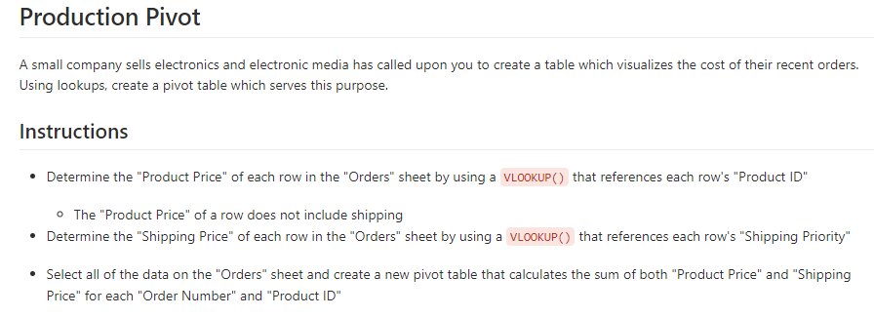
ID | Product Name | Price Per Unit | Priority | Price
100 | Blue Ray DVD | $19.96 | Low | $0.50
101 | Standard Edition DVD | $14.96 | Medium | $2.75
102 | VHS Tape | $3.99 | High | $5.00
103 | 2 Foot USB Cable | $4.42 | VIP | $7.25
104 | 5 Foot USB Cable | $7.99
105 | 10 Foot USB Cable | $10.95
106 | 5 Foot HDMI Cable | $3.99
107 | 10 Foot HDMI Cable | $7.75
108 | 16GB Flash Drive | $7.95
109 | 32GB Flash Drive | $9.99
200 | 64GB Flash Drive | $15.99
201 | 128GB Flash Drive | $31.99
202 | Wired Mouse | $6.76
203 | Bluetooth Mouse | $19.99
204 | Wired Keyboard | $13.28
205 | Bluetooth Keyboard | $21.99
206 | Wireless Router | $109.99

Orders
DETERMINING THE PRODUCT PRICE BY REFERENCING THE PRODUCT ID
=VLOOKUP(B2,'Product List'!$A$2:$C$18,3,FALSE)
=VLOOKUP(B2, THE CELL OF INFORMATION YOU'RE REFERENCING, THE 'KEY'
'Product List'!$A$2:$C$18, THE WORKSHEET THAT CONTIANS THE INFO YOU NEED + THE CELLS THAT CONTAIN THE INFORMATION YOU NEED
3, THE COLUMN YOU CAN FIND THE INFORMATION IN
FALSE) GIVES YOU AN EXACT MATCH
DETERINING THE SHIPPING PRICE BY REFERENCEING THE SHIPPING PRIORITY
=VLOOKUP(C2,'Product List'!$E$2:$F$5,2,FALSE)
OR, USE A NAME RANGE ON YOUR TABLE_ARRAY INSTEAD OF CALLING THE WORKSHEET NAME!!!
Order Number | Product ID | Product Name | Shipping Priority | Price | Shipping Price | Total Price
10029367401 | 105 | 10 Foot USB Cable | Low | $10.95 | $0.50 | $11.45
10029367401 | 200 | 64GB Flash Drive | High | $15.99 | $5.00 | $20.99
10029367401 | 105 | 10 Foot USB Cable | VIP | $10.95 | $7.25 | $18.20
10029367401 | 106 | 5 Foot HDMI Cable | Medium | $3.99 | $2.75 | $6.74
10029367402 | 108 | 16GB Flash Drive | VIP | $7.95 | $7.25 | $15.20
10029367402 | 107 | 10 Foot HDMI Cable | Medium | $7.75 | $2.75 | $10.50
10029367402 | 100 | Blue Ray DVD | High | $19.96 | $5.00 | $24.96
10029367403 | 202 | Wired Mouse | High | $6.76 | $5.00 | $11.76
10029367403 | 105 | 10 Foot USB Cable | VIP | $10.95 | $7.25 | $18.20
10029367403 | 106 | 5 Foot HDMI Cable | High | $3.99 | $5.00 | $8.99
Create a column that calculates the sum of 'Product Price' and 'Shipping Price' so that your the Pivot Table will include that option as a value
Lookup_value = the information you have in common between the tables
Table_array = the lookup table; the table you want to pull data from
Col_index_num = the lookup column; indicates the column you want to pull the data from
Range_lookup = do you want an exact match or not
10029367403 | 106 | 5 Foot HDMI Cable | High | $3.99 | $5.00 | $8.99
10029367403 | 201 | 128GB Flash Drive | Low | $31.99 | $0.50 | $32.49
10029367403 | 100 | Blue Ray DVD | Medium | $19.96 | $2.75 | $22.71
10029367403 | 201 | 128GB Flash Drive | Low | $31.99 | $0.50 | $32.49
10029367403 | 101 | Standard Edition DVD | VIP | $14.96 | $7.25 | $22.21
10029367404 | 106 | 5 Foot HDMI Cable | Medium | $3.99 | $2.75 | $6.74
10029367404 | 202 | Wired Mouse | Medium | $6.76 | $2.75 | $9.51
10029367404 | 105 | 10 Foot USB Cable | High | $10.95 | $5.00 | $15.95
10029367404 | 200 | 64GB Flash Drive | High | $15.99 | $5.00 | $20.99
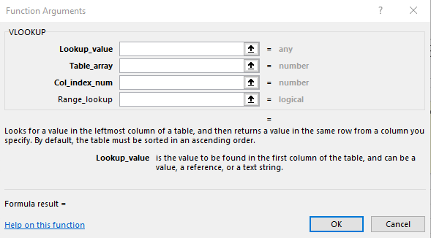
10029367405 | 106 | 5 Foot HDMI Cable | High | $3.99 | $5.00 | $8.99
10029367406 | 103 | 2 Foot USB Cable | Medium | $4.42 | $2.75 | $7.17
10029367406 | 206 | Wireless Router | High | $109.99 | $5.00 | $114.99
10029367406 | 206 | Wireless Router | VIP | $109.99 | $7.25 | $117.24
10029367406 | 103 | 2 Foot USB Cable | High | $4.42 | $5.00 | $9.42
10029367406 | 100 | Blue Ray DVD | Medium | $19.96 | $2.75 | $22.71
10029367406 | 102 | VHS Tape | VIP | $3.99 | $7.25 | $11.24
10029367406 | 100 | Blue Ray DVD | Low | $19.96 | $0.50 | $20.46
10029367406 | 109 | 32GB Flash Drive | VIP | $9.99 | $7.25 | $17.24

