7.62x54R-ammo
balancing.csv inputs |  |  |  |  |  |  |  |  |  |  |  | calibers.csv damage inputs |  |  |  |  |  |  | calculated torso damage by range |  |  |  |  |  |  |  | calibers.csv traits & penetration inputs |  |  |  |  |  |  | penetration model |  | weighted score
name | pretty_name | ergonomics | weight | horizontal_recoil | vertical_recoil | barrel_deviation | bullet_damage | bullet_velocity | fire_rate | muzzle_loudness | price | damage_torso_a | damage_torso_b | damage_torso_c | damage_torso_d | damage_arm_d | damage_leg_d | damage_head_d | damage_25 | damage_75 | damage_150 | damage_250 | damage_375 | damage_525 | _ | weighted_damage | velocity_drop | suppression | bullet_penetration_ability | pen_low | pen_high | pen_velocity_low | pen_velocity_high | effective_velocity | penetration | balance_score | damage_score | velocity_drop_score | suppression_score | penetration_score | strength
7.62x54r_zim_rifle_150gr_spbt | ZiM Rifle Line 150gr SPBT | 1 | 0.00 | 0 | -2 | -0.05 |  | -100 |  | 0.00 | 1000 | -0.042 | 120 | 121 | 1 | 0.35 | 0.55 | 2.5 | 117.90 | 115.80 | 111.60 | 107.40 | 103.20 | 96.90 | 88.50 | 107.72 | 0.25 | 0.80 | stat(bullet_velocity;0;0.5;1500;3000) | 0.00 | 0.50 | 1,500 | 3,000 | 2,019 | 0.17 | 2.60 | 3.86 | 0.20 | -0.15 | -4.96 | 1.55
7.62x54r_norilsk_7n1_151gr_ps | 7N1 | -1 | 0.01 | 1 | 2 | -0.20 |  | -50 |  | 0.00 | 2500 | -0.022 | 111.5 | 108.5 | 1 | 0.35 | 0.55 | 2.5 | 108.50 | 108.50 | 107.10 | 104.90 | 102.70 | 99.40 | 95.00 | 104.76 | 0.15 | 1.10 | stat(bullet_velocity;0.6;1.1;1500;3000) | 0.60 | 1.10 | 1,500 | 3,000 | 2,069 | 0.79 | 3.55 | 2.38 | 0.40 | 0.75 | -1.26 | 5.82
7.62x54r_norilsk_7t2_149gr_green_tracer | 7T2M | 2 | 0.00 | -3 | -3 | 0.10 |  | 100 |  | 0.00 | 1000 | -0.026 | 111.5 | 112 | 1 | 0.3 | 0.5 | 2.5 | 110.20 | 108.90 | 106.30 | 103.70 | 101.10 | 97.20 | 92.00 | 103.90 | 0.30 | 1.50 | stat(bullet_velocity;0.5;1;1500;3000) | 0.50 | 1.00 | 1,500 | 3,000 | 2,219 | 0.74 | 1.60 | 1.95 | 0.10 | 1.95 | -1.56 | 4.04
57-N-323S | 57-N-323S 148gr | 0 | 0.00 | 0 | 0 | 0.00 |  | 0 |  | 0.00 | 0 | -0.024 | 112 | 112 | 1 | 0.3 | 0.5 | 2.5 | 110.80 | 109.60 | 107.20 | 104.80 | 102.40 | 98.80 | 94.00 | 104.98 | 0.20 | 1.00 | stat(bullet_velocity;0.7;1.2;1500;3000) | 0.70 | 1.20 | 1,500 | 3,000 | 2,119 | 0.91 | 0.00 | 2.49 | 0.30 | 0.45 | -0.56 | 2.68
Sellier & Bellot 174g HPBT | Sellier & Bellot 174gr HPBT | 1 | 0.08 | -2 | -1 | -0.15 |  | -150 |  | 0.00 | 1500 | -0.028 | 115.5 | 115 | 1 | 0.35 | 0.55 | 2.5 | 114.10 | 112.70 | 109.90 | 107.10 | 104.30 | 100.10 | 94.50 | 107.31 | 0.10 | 0.90 | stat(bullet_velocity;0.1;0.6;1500;3000) | 0.10 | 0.60 | 1,500 | 3,000 | 1,969 | 0.26 | 4.25 | 3.66 | 0.50 | 0.15 | -4.46 | 4.09
7N14 (AP SNIPER) | 7N14 | -1 | 0.01 | 2 | 2 | -0.15 |  | -50 |  | 0.00 | 4000 | -0.014 | 106 | 105 | 1 | 0.25 | 0.45 | 2.5 | 105.00 | 104.60 | 103.20 | 101.80 | 100.40 | 98.30 | 95.50 | 101.88 | 0.15 | 0.95 | stat(bullet_velocity;1.4;1.9;1500;3000) | 1.40 | 1.90 | 1,500 | 3,000 | 2,069 | 1.59 | 1.65 | 0.94 | 0.40 | 0.30 | 3.54 | 6.83
7N37 Tungsten Carbide (AP SNIPER BUT MORE) | 7N37 182gr AP | -2 | 0.08 | 3 | 7 | -0.10 |  | 200 |  | 0.00 | 5000 | -0.012 | 104.5 | 102.5 | 1 | 0.2 | 0.4 | 2.5 | 102.50 | 102.50 | 102.10 | 100.90 | 99.70 | 97.90 | 95.50 | 100.73 | 0.30 | 1.20 | stat(bullet_velocity;1.9;2.4;1500;3000) | 1.90 | 2.40 | 1,500 | 3,000 | 2,319 | 2.17 | -2.90 | 0.37 | 0.10 | 1.05 | 7.04 | 5.65
B-32M (API LMFAO) | B-32M 155gr AP Incendiary | -2 | 0.02 | 2 | 3 | 0.05 |  | 0 |  | 0.00 | 3000 | -0.018 | 105.5 | 104 | 1 | 0.25 | 0.45 | 2.5 | 104.00 | 103.70 | 101.90 | 100.10 | 98.30 | 95.60 | 92.00 | 100.18 | 0.20 | 1.00 | stat(bullet_velocity;1.1;1.6;1500;3000) | 1.10 | 1.60 | 1,500 | 3,000 | 2,119 | 1.31 | -5.60 | 0.09 | 0.30 | 0.45 | 1.84 | -2.92
 |  | ✅ | ✅ | ✅ | ✅ | ✅ |  | ✅ |  | ✅ | ✅ | ✅ | ✅ | ✅ | ✅ | ✅ | ✅ | ✅ |  |  |  |  |  |  |  |  | ✅ | ✅ |  | ✅ | ✅

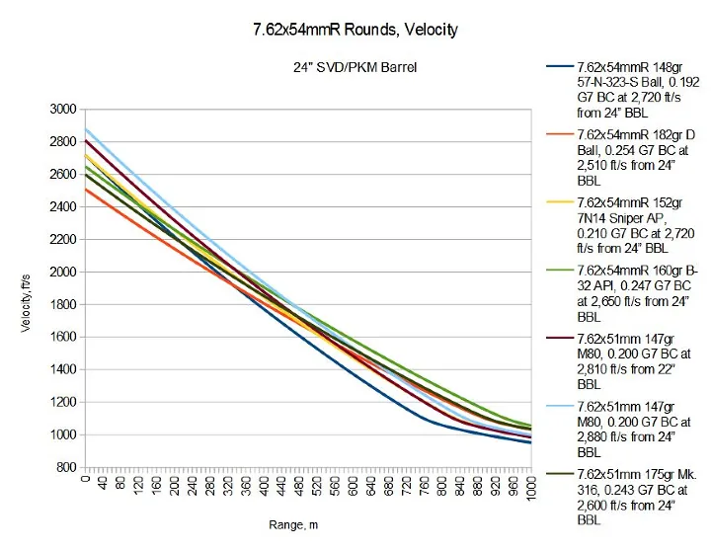
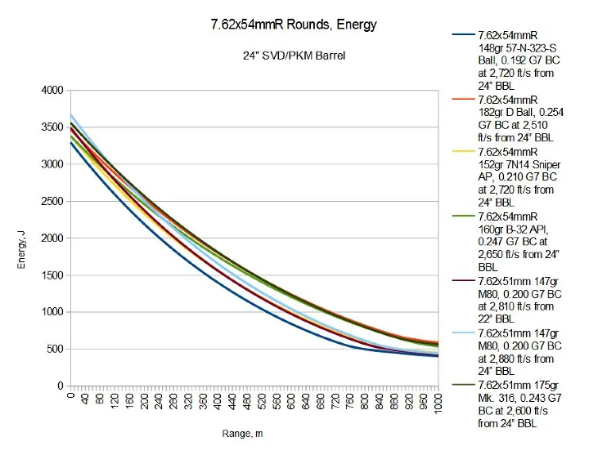
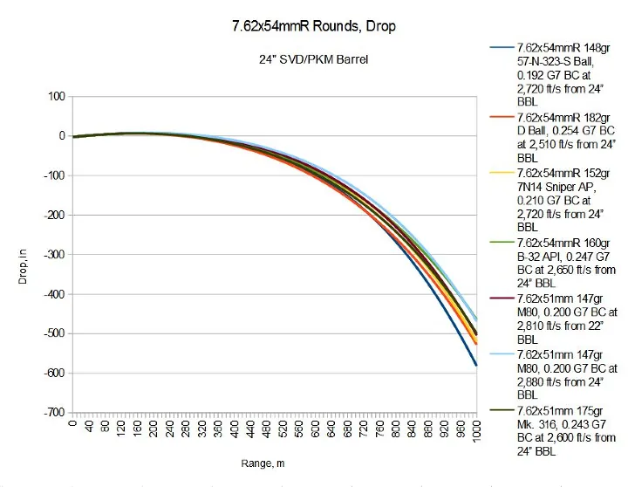
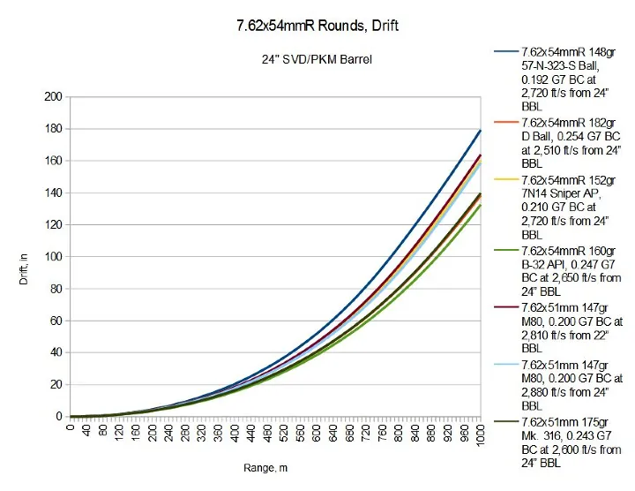

7.62x51 For Reference
7.62x51_appalachian_m80_149gr_fmj | Appalachian M80 149gr FMJ | 0 | 0.00 | 0 | 0 | 0.00 |  | 0 |  | 0.00 | 0 | -0.026 | 104.5 | 104 | 1 | 0.3 | 0.5 | 2.5 | 103.20 | 101.90 | 99.30 | 96.70 | 94.10 | 90.20 | 85.00 | 96.90 | 0.30 | 1.20 | stat(bullet_velocity;0.6;1.1;1500;3000) | 0.60 | 1.10 | 1,500 | 3,000 | 2,119 | 0.81 | 0.00 | -1.55 | 0.10 | 1.05 | -1.16 | -1.56
7.62x51_appalachian_m62_142gr_red_tracer | Appalachian M62 142gr Red Tracer | 2 | -0.01 | -2 | -1 | 0.10 |  | 0 |  | 0.00 | 500 | -0.028 | 104.5 | 104 | 1 | 0.3 | 0.5 | 2.5 | 103.10 | 101.70 | 98.90 | 96.10 | 93.30 | 89.10 | 83.50 | 96.31 | 0.35 | 1.35 | stat(bullet_velocity;0.55;1.05;1500;3000) | 0.55 | 1.05 | 1,500 | 3,000 | 2,119 | 0.76 | 0.30 | -1.85 | 0.00 | 1.50 | -1.46 | -1.51
7.82x51_laccio_308app_extrema_leadless_168gr_tipped_tsx_bt | Laccio .308 Appalachian Extrema Leadless 168gr Tipped TSX-BT | 0 | 0.05 | 2 | 2 | -0.15 |  | -50 |  | 0.00 | 1000 | -0.026 | 105.5 | 105.5 | 1 | 0.3 | 0.5 | 2.5 | 104.20 | 102.90 | 100.30 | 97.70 | 95.10 | 91.20 | 86.00 | 97.90 | 0.45 | 1.10 | stat(bullet_velocity;0.2;0.7;1500;3000) | 0.20 | 0.70 | 1,500 | 3,000 | 2,069 | 0.39 | 1.85 | -1.05 | -0.20 | 0.75 | -3.66 | -2.31
7.62x51_federal_m118lr_175gr_otm | Federal M118LR 175gr OTM | -1 | 0.08 | 3 | 4 | -0.20 |  | -150 |  | 0.00 | 3000 | -0.018 | 104 | 104 | 1 | 0.3 | 0.5 | 2.5 | 103.10 | 102.20 | 100.40 | 98.60 | 96.80 | 94.10 | 90.50 | 98.74 | 0.10 | 0.90 | stat(bullet_velocity;0.05;0.55;1500;3000) | 0.05 | 0.55 | 1,500 | 3,000 | 1,969 | 0.21 | 0.25 | -0.63 | 0.50 | 0.15 | -4.76 | -4.49
7.62x51_cae_l59a1_155gr_enhanced_performance | CAe L59A1 155gr Enhanced Performance | -1 | 0.03 | 2 | 1 | -0.10 |  | 0 |  | 0.00 | 2500 | -0.022 | 104 | 103 | 1 | 0.3 | 0.5 | 2.5 | 102.90 | 101.80 | 99.60 | 97.40 | 95.20 | 91.90 | 87.50 | 97.57 | 0.15 | 1.00 | stat(bullet_velocity;1.1;1.6;1500;3000) | 1.10 | 1.60 | 1,500 | 3,000 | 2,119 | 1.31 | 0.30 | -1.22 | 0.40 | 0.45 | 1.84 | 1.77
7.62x51_appalachian_m80a1_130gr_epr | Appalachian M80A1 130gr EPR | -1 | -0.04 | 1 | 2 | -0.10 |  | 150 |  | 0.00 | 2500 | -0.024 | 104.5 | 104 | 1 | 0.3 | 0.5 | 2.5 | 103.30 | 102.10 | 99.70 | 97.30 | 94.90 | 91.30 | 86.50 | 97.48 | 0.20 | 0.90 | stat(bullet_velocity;0.85;1.35;1500;3000) | 0.85 | 1.35 | 1,500 | 3,000 | 2,269 | 1.11 | 2.55 | -1.26 | 0.30 | 0.15 | 0.64 | 2.38
7.62x51_emmeo_m993_129gr_ap | Emmeo M993 129gr AP | -1 | -0.06 | 2 | 3 | -0.05 |  | 150 |  | 0.00 | 4000 | -0.02 | 103 | 102 | 1 | 0.25 | 0.45 | 2.5 | 102.00 | 101.00 | 99.00 | 97.00 | 95.00 | 92.00 | 88.00 | 97.15 | 0.15 | 1.00 | stat(bullet_velocity;1.5;2;1500;3000) | 1.50 | 2.00 | 1,500 | 3,000 | 2,269 | 1.76 | 0.75 | -1.43 | 0.40 | 0.45 | 4.54 | 4.71
7.62x51_federal_gold_medal_168gr_hpbt | MK319 | 1 | -0.05 | 1 | 2 | -0.05 |  | 200 |  | 0.00 | 3500 | -0.032 | 106.5 | 106 | 1 | 0.3 | 0.5 | 2.5 | 104.90 | 103.30 | 100.10 | 96.90 | 93.70 | 88.90 | 82.50 | 97.14 | 0.30 | 0.80 | stat(bullet_velocity;0.35;0.85;1500;3000) | 0.35 | 0.85 | 1,500 | 3,000 | 2,319 | 0.62 | 3.50 | -1.43 | 0.10 | -0.15 | -2.26 | -0.24
7.62x51_hawthorne_sub_x_200gr_subsonic | Hawthorne Sub X 200gr Subsonic | 3 | 0.11 | -3 | -3 | 0.20 |  | -900 |  | -0.30 | 2500 | -0.064 | 109.5 | 109.5 | 1 | 0.3 | 0.5 | 2.5 | 106.30 | 103.10 | 96.70 | 90.30 | 83.90 | 74.30 | 61.50 | 90.78 | 0.70 | 0.20 | stat(bullet_velocity;0.2;0.7;1500;3000) | 0.20 | 0.70 | 1,500 | 3,000 | 1,219 | 0.20 | -4.60 | -4.61 | -0.70 | -1.95 | -4.80 | -16.66

