chromedome
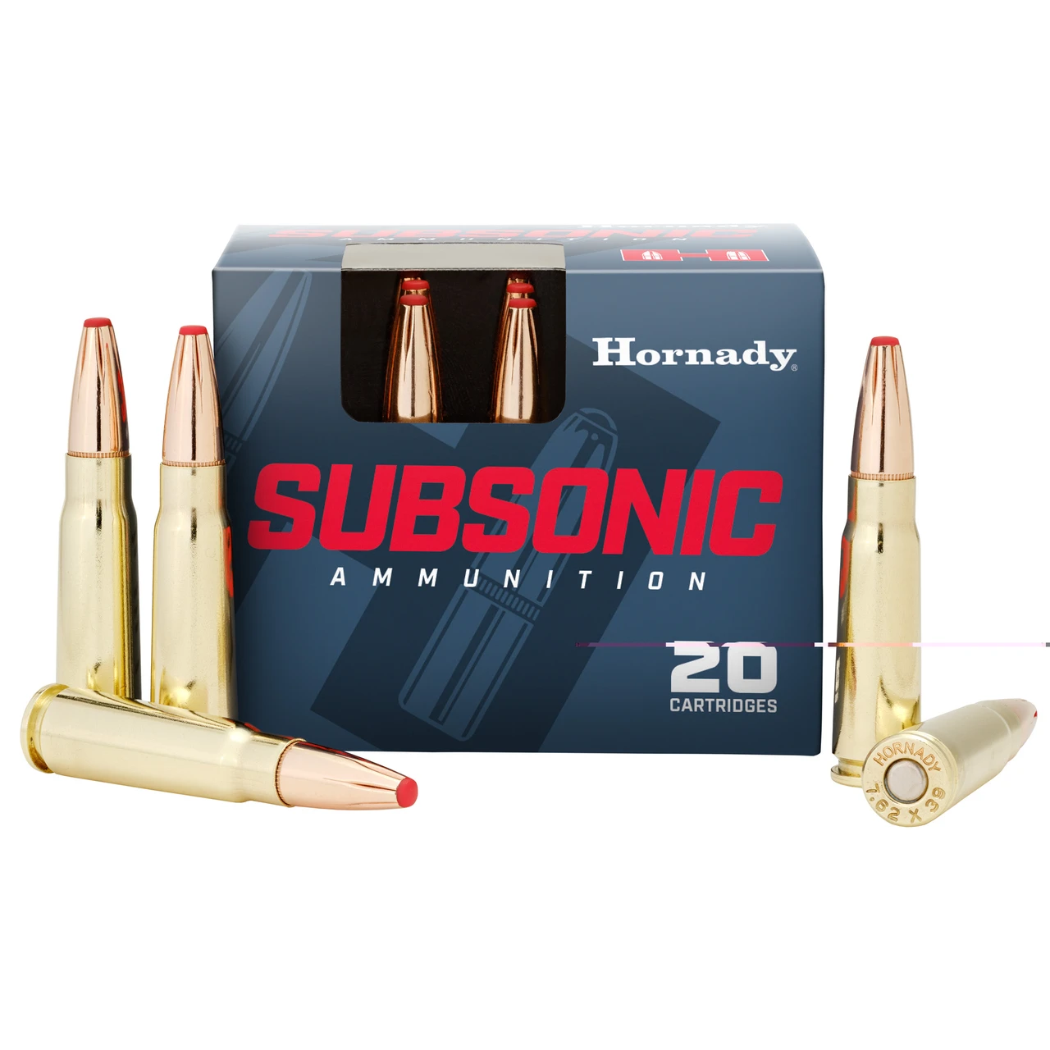
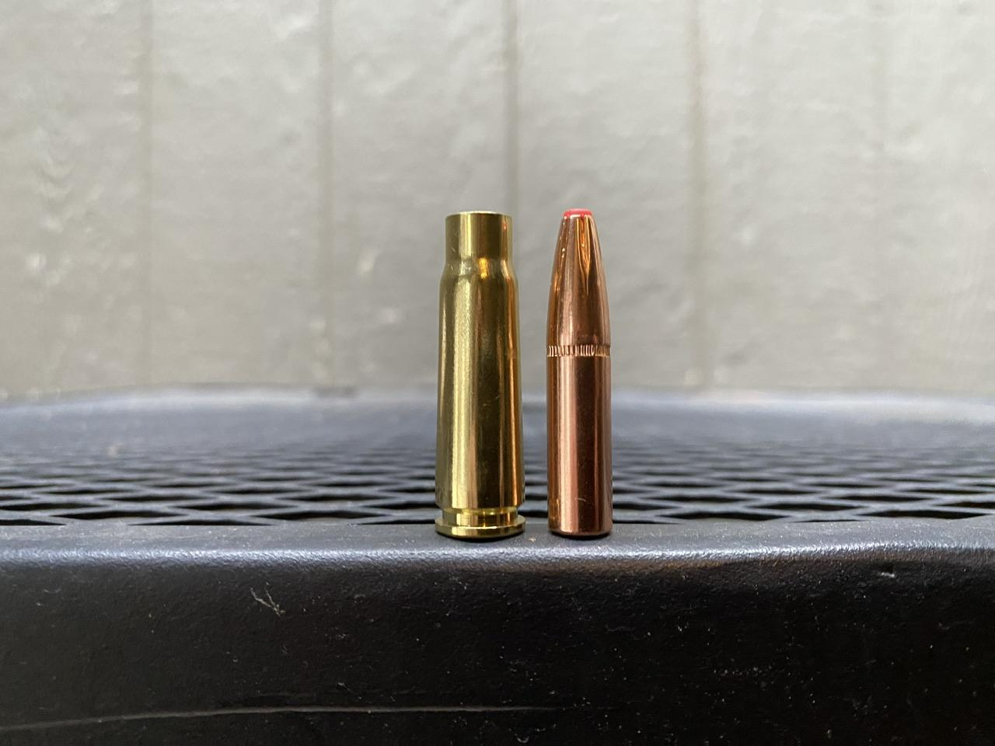
7.62x39mm Tula 57-N-231 123gr FMJ | Steel Case Ball Ammo, Steel Core
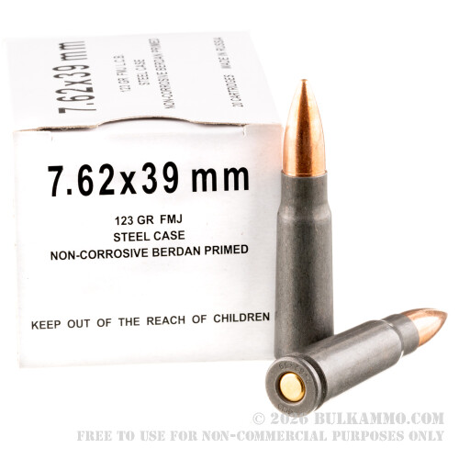
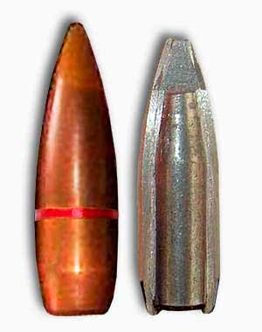
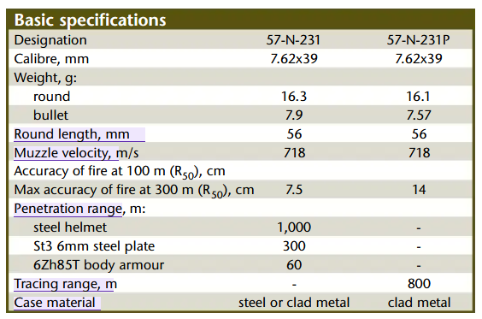

Red Army Standard - 7.62×39 - 122 Grain - HP |  | Bad piercing and accuracy, good CQC dmg. Slightly better than subsonic at cqc 1 taps, maybe maximum 50st. Also steel case
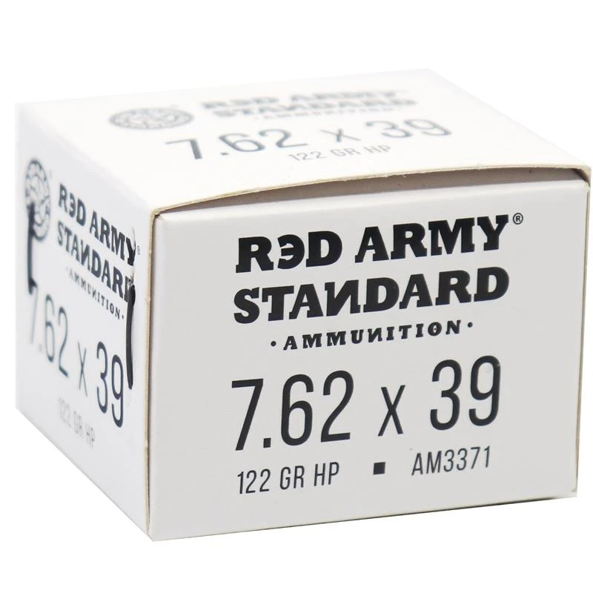
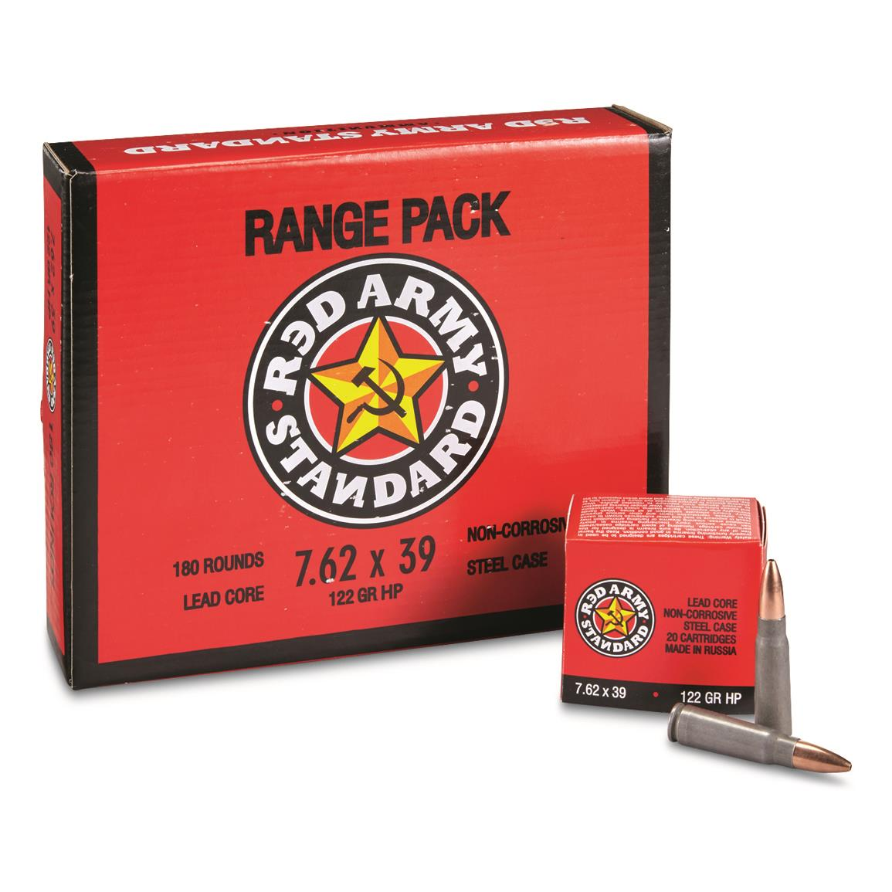
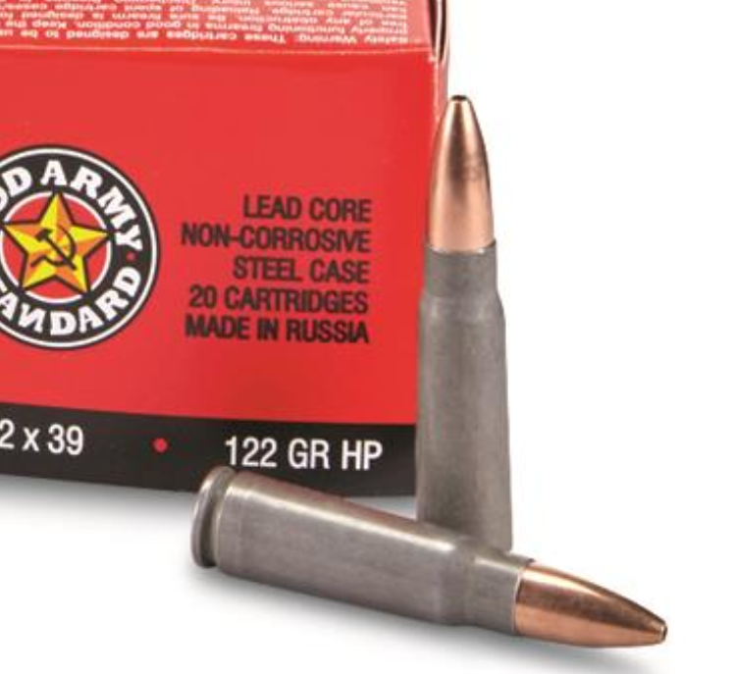

 |  |  |  |  |  |  | < HOLE !

7.62×39 Sellior & Bellot Sv43 123gr Red Tracer |  | Copy stats of Tula Steel Case and tweak
despite being a green tip... it's red tracer
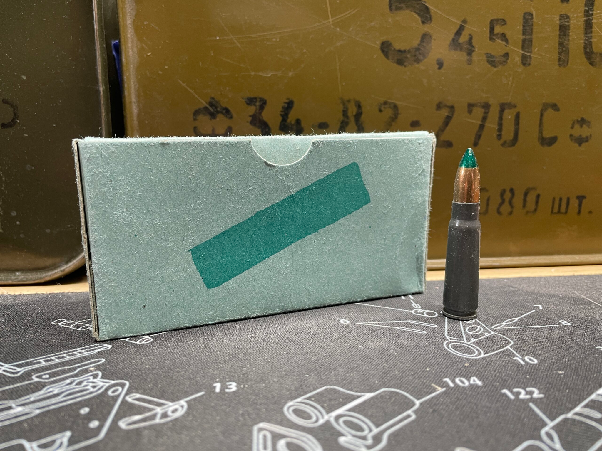

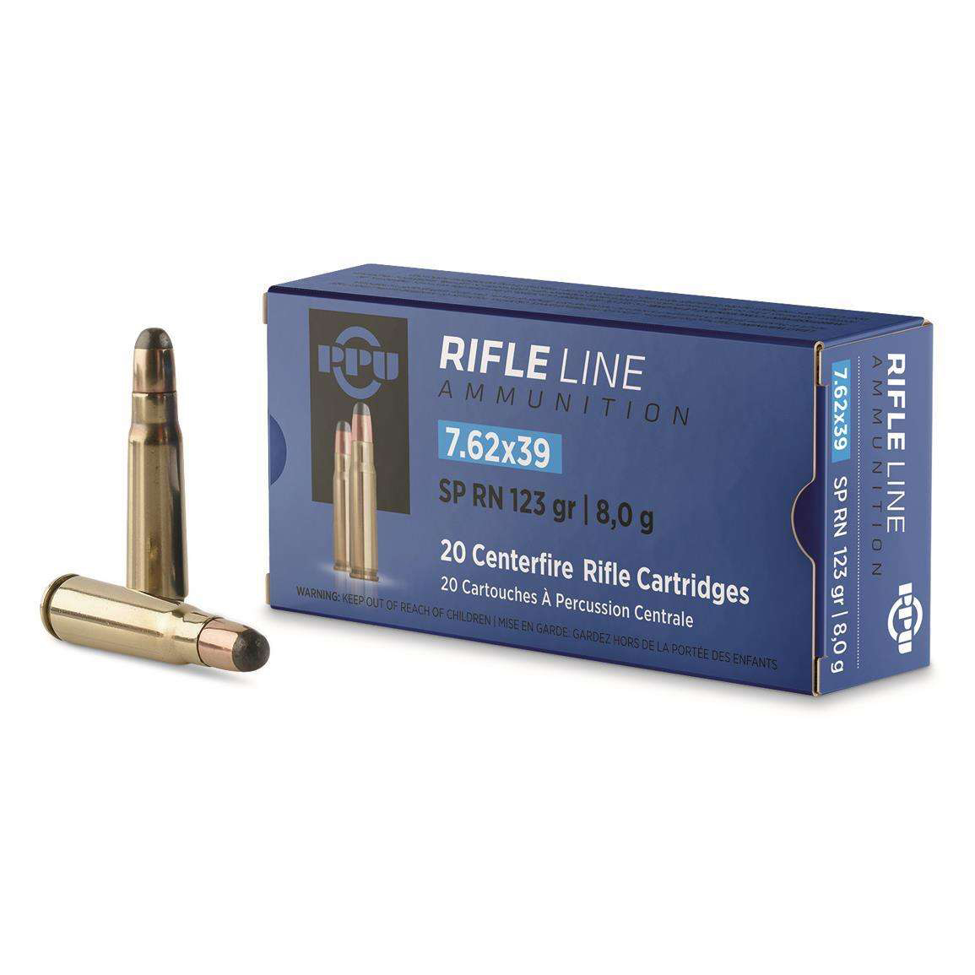
7.62×39 PPU Rifle Line 123gr JSP |  | Exposed nose, better performance, flesh dmg |  |  |  | brass case horray

7N27 Armor piercing |  | AP | steel case
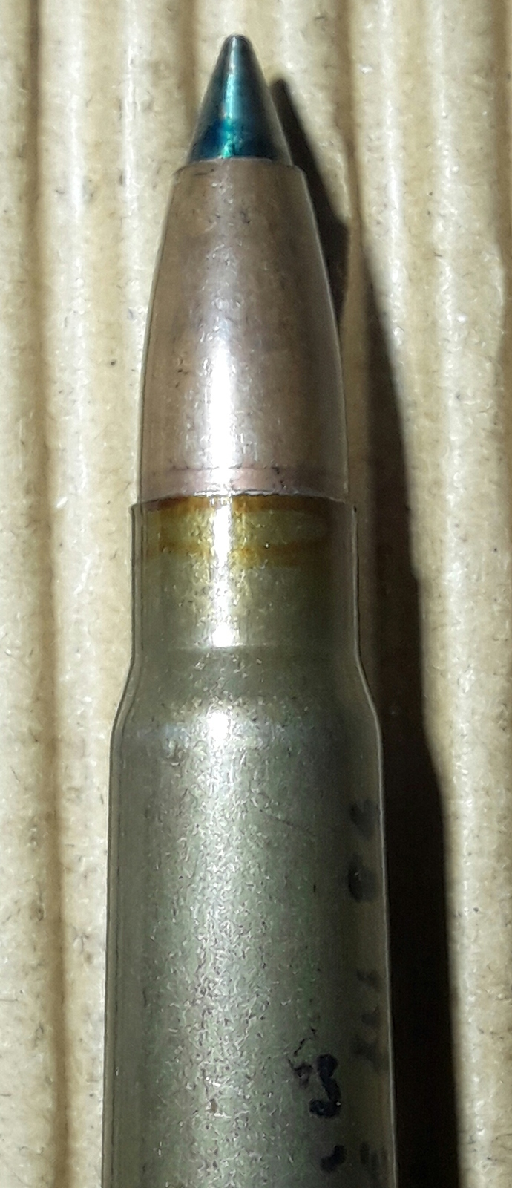
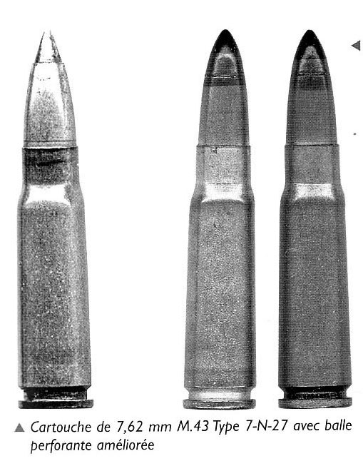

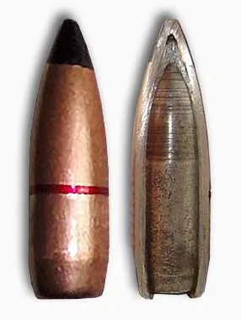
7N23 Armor piercing |  | AP but more |  | hardened steel core |  | steel case

7.62x39mm 123gr. Controlled Chaos® Solid Monolithic Hunting Ammo |  |  |  | FMJ accuracy |  | nickel plated brass case
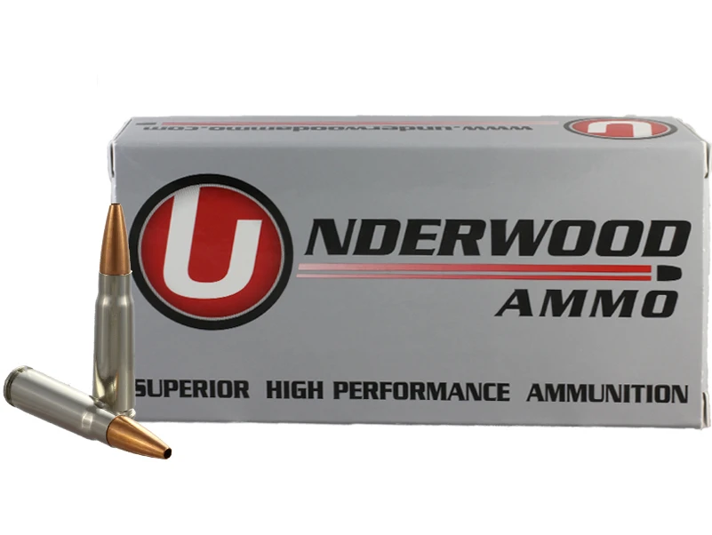

Hornady 255gr Sub-X (Subsonic) | Quiet, good with suppressors, low recoil |  |  |  | brass caseeeeee

