Sheet
No. | IMG_Original | Filename | IMG_DetectNum | Output | Confidence | IMG_DetectDial | Output | Timestamp
1 | 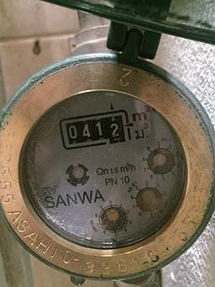 | 10082023_1 | 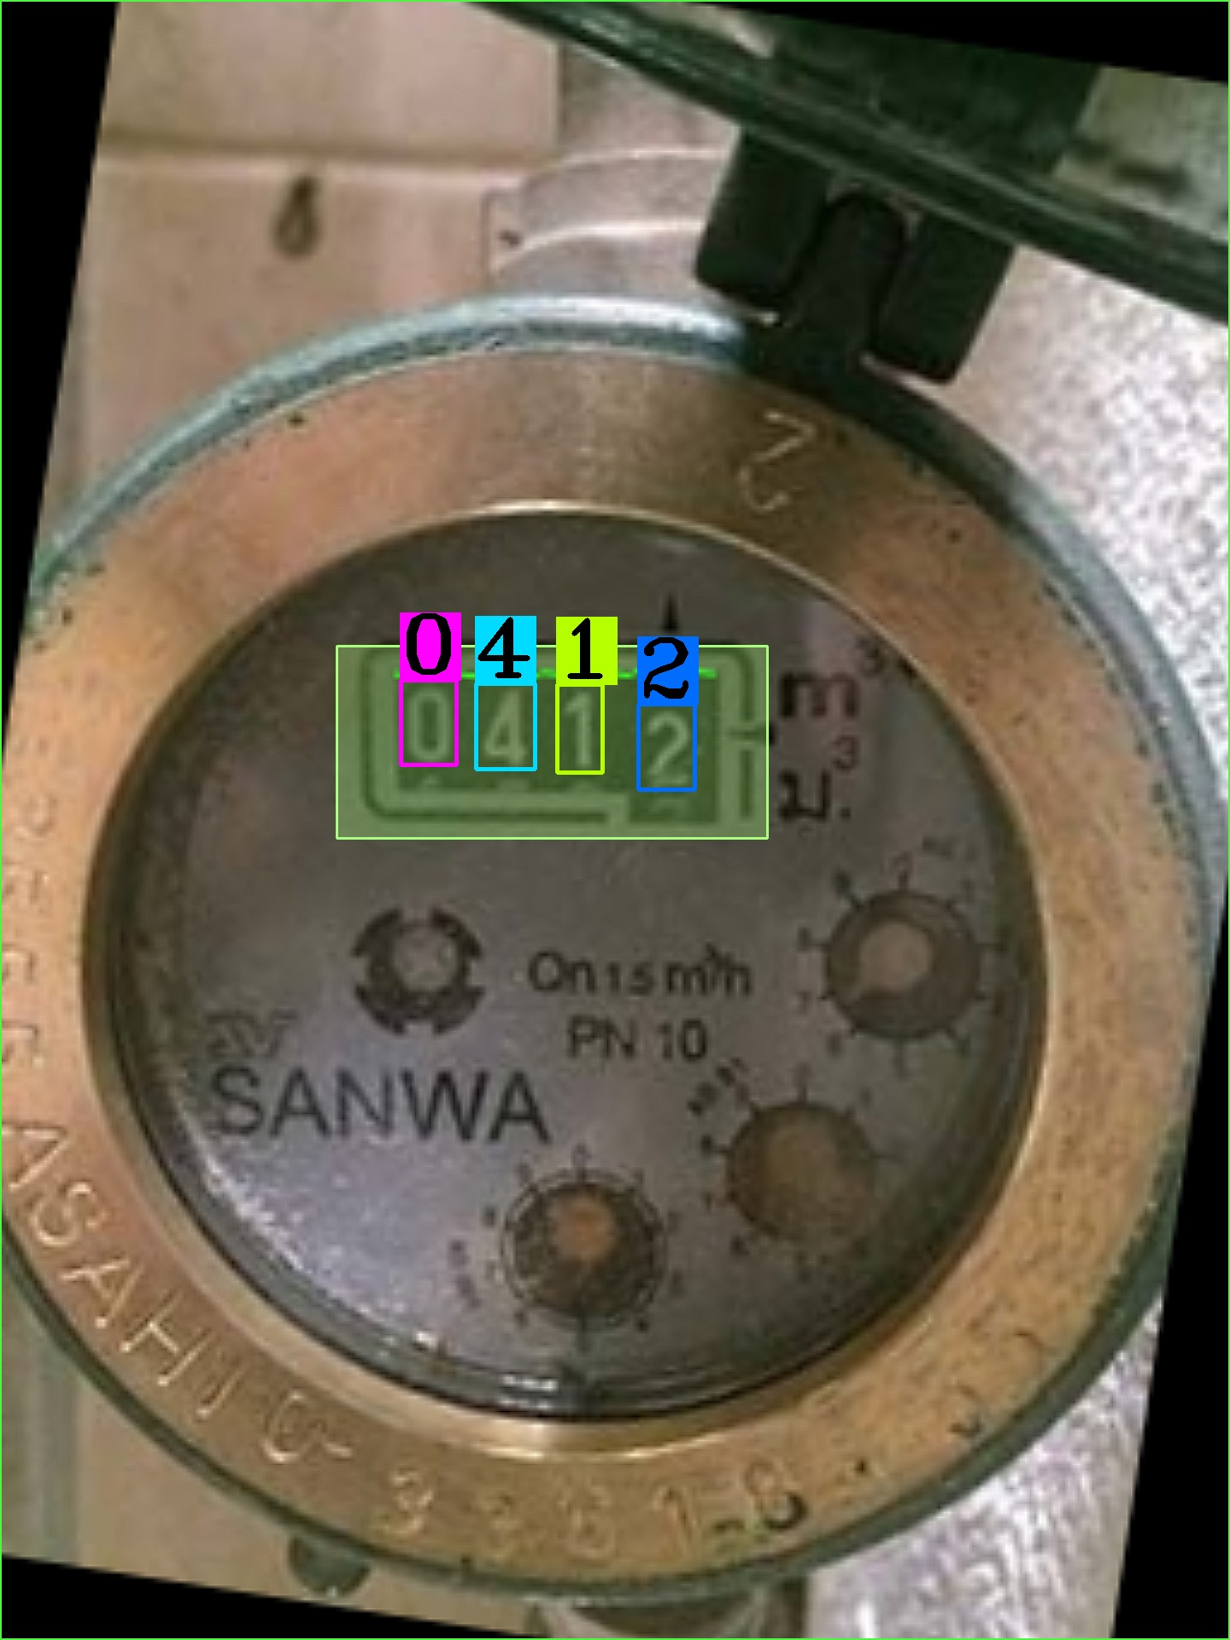 | 0412 | 0.99998140335 | 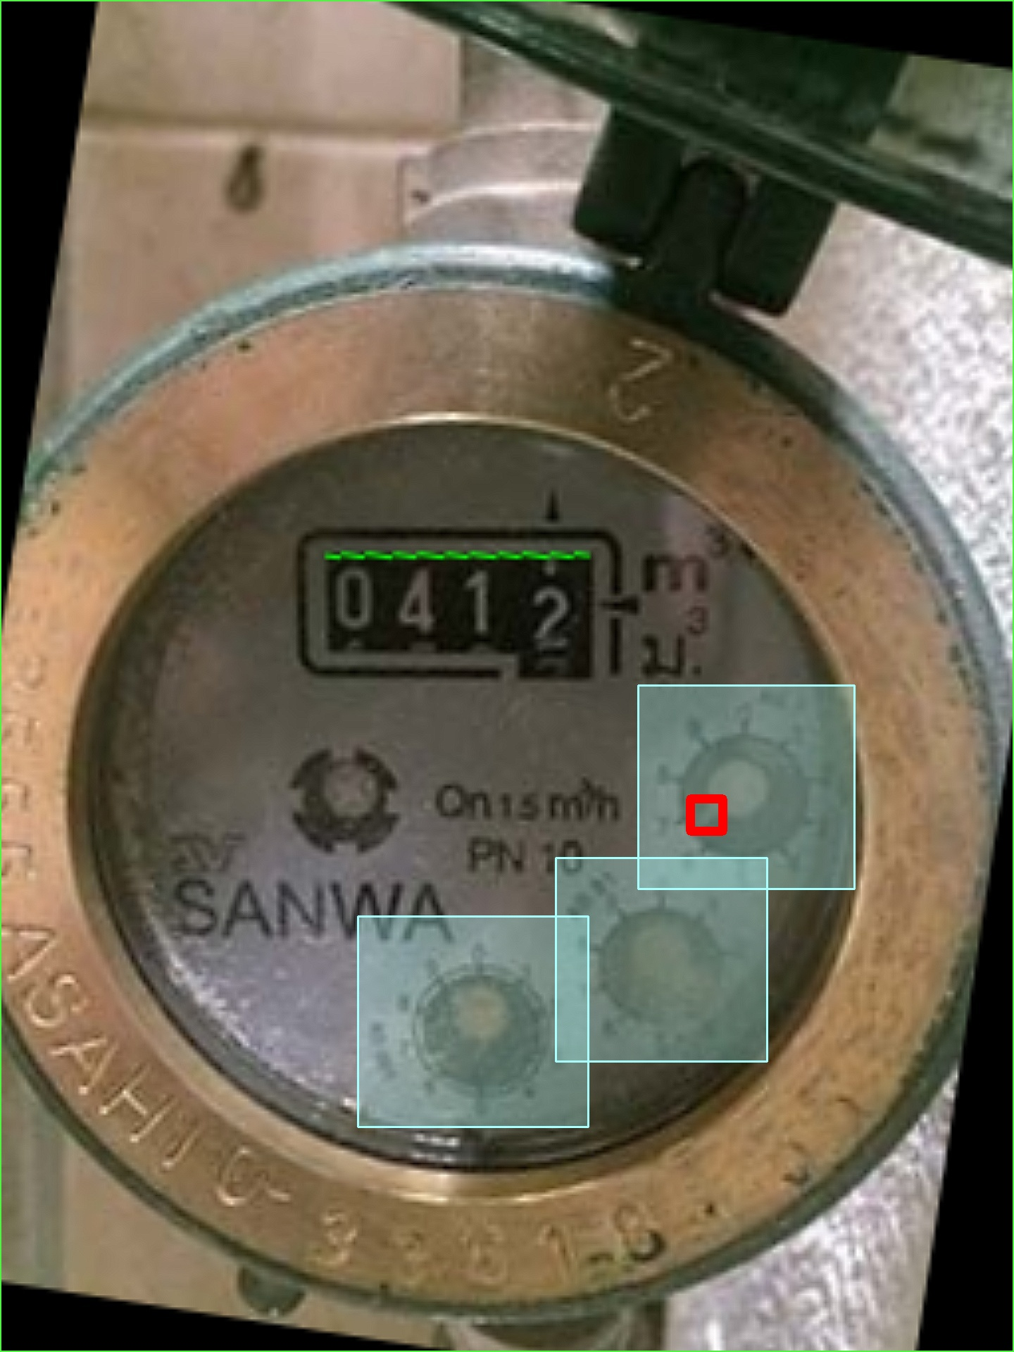 | 7__ | 10-08-2023 23:29:08

