Sheet
No. | IMG_Original | Filename | IMG_DetectNum | Output | Confidence | IMG_DetectDial | Output | Timestamp
1 | 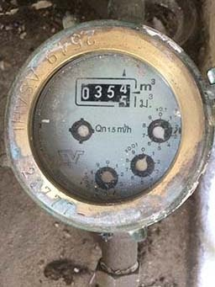 | 11082023_1 | 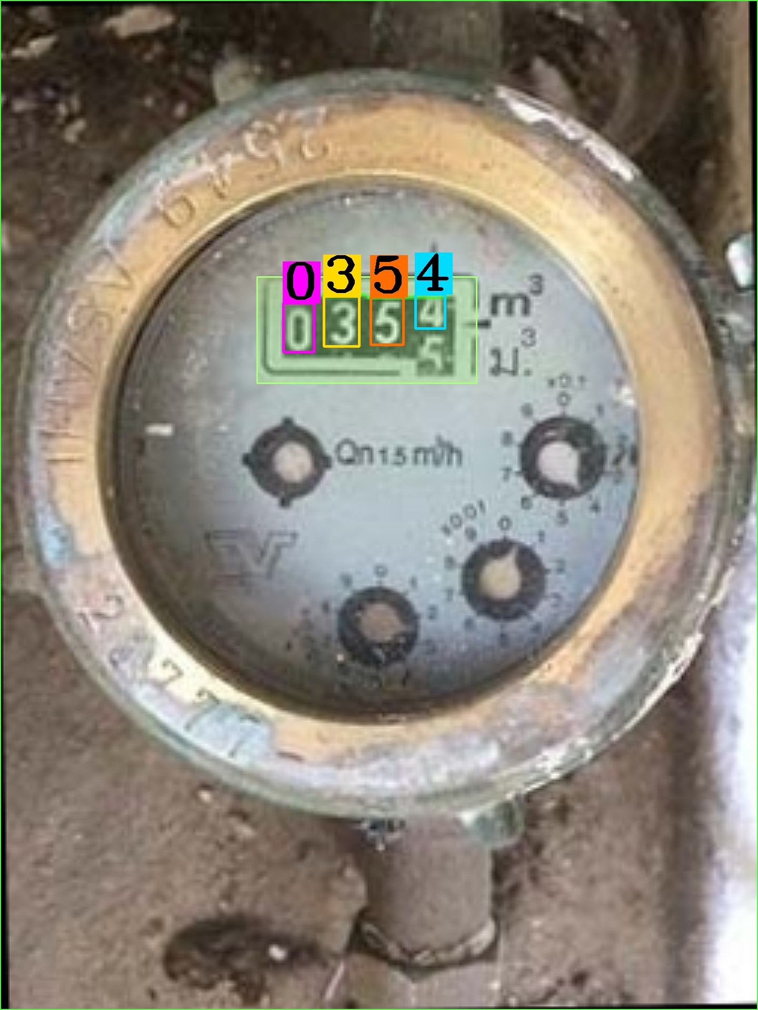 | 0354 | 0.99979433417 | 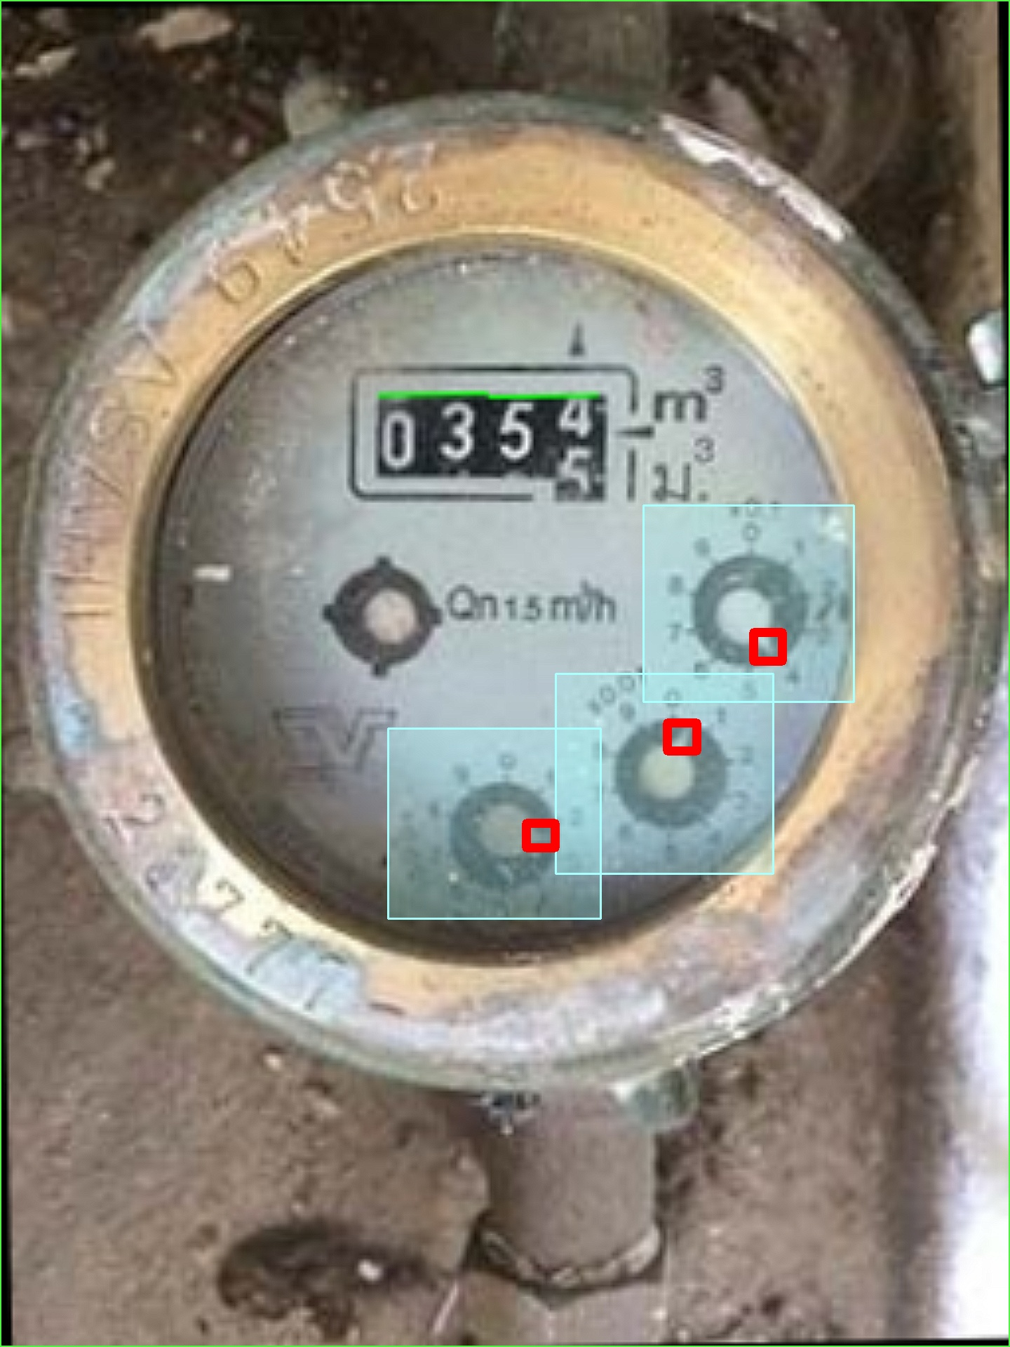 | 413 | 11-08-2023 18:59:15
2 | 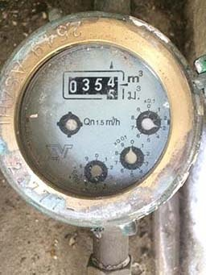 | 11082023_2 | 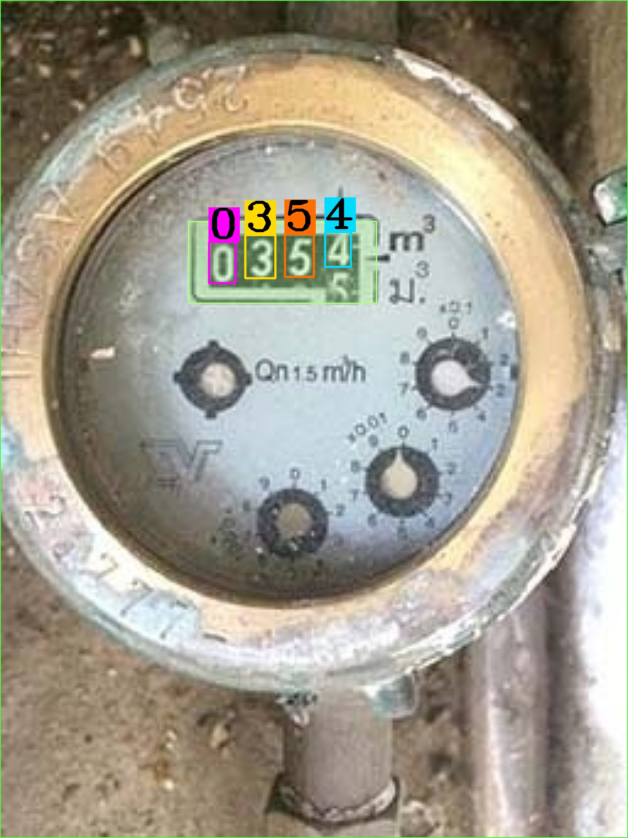 | 0354 | 0.99980892241 | 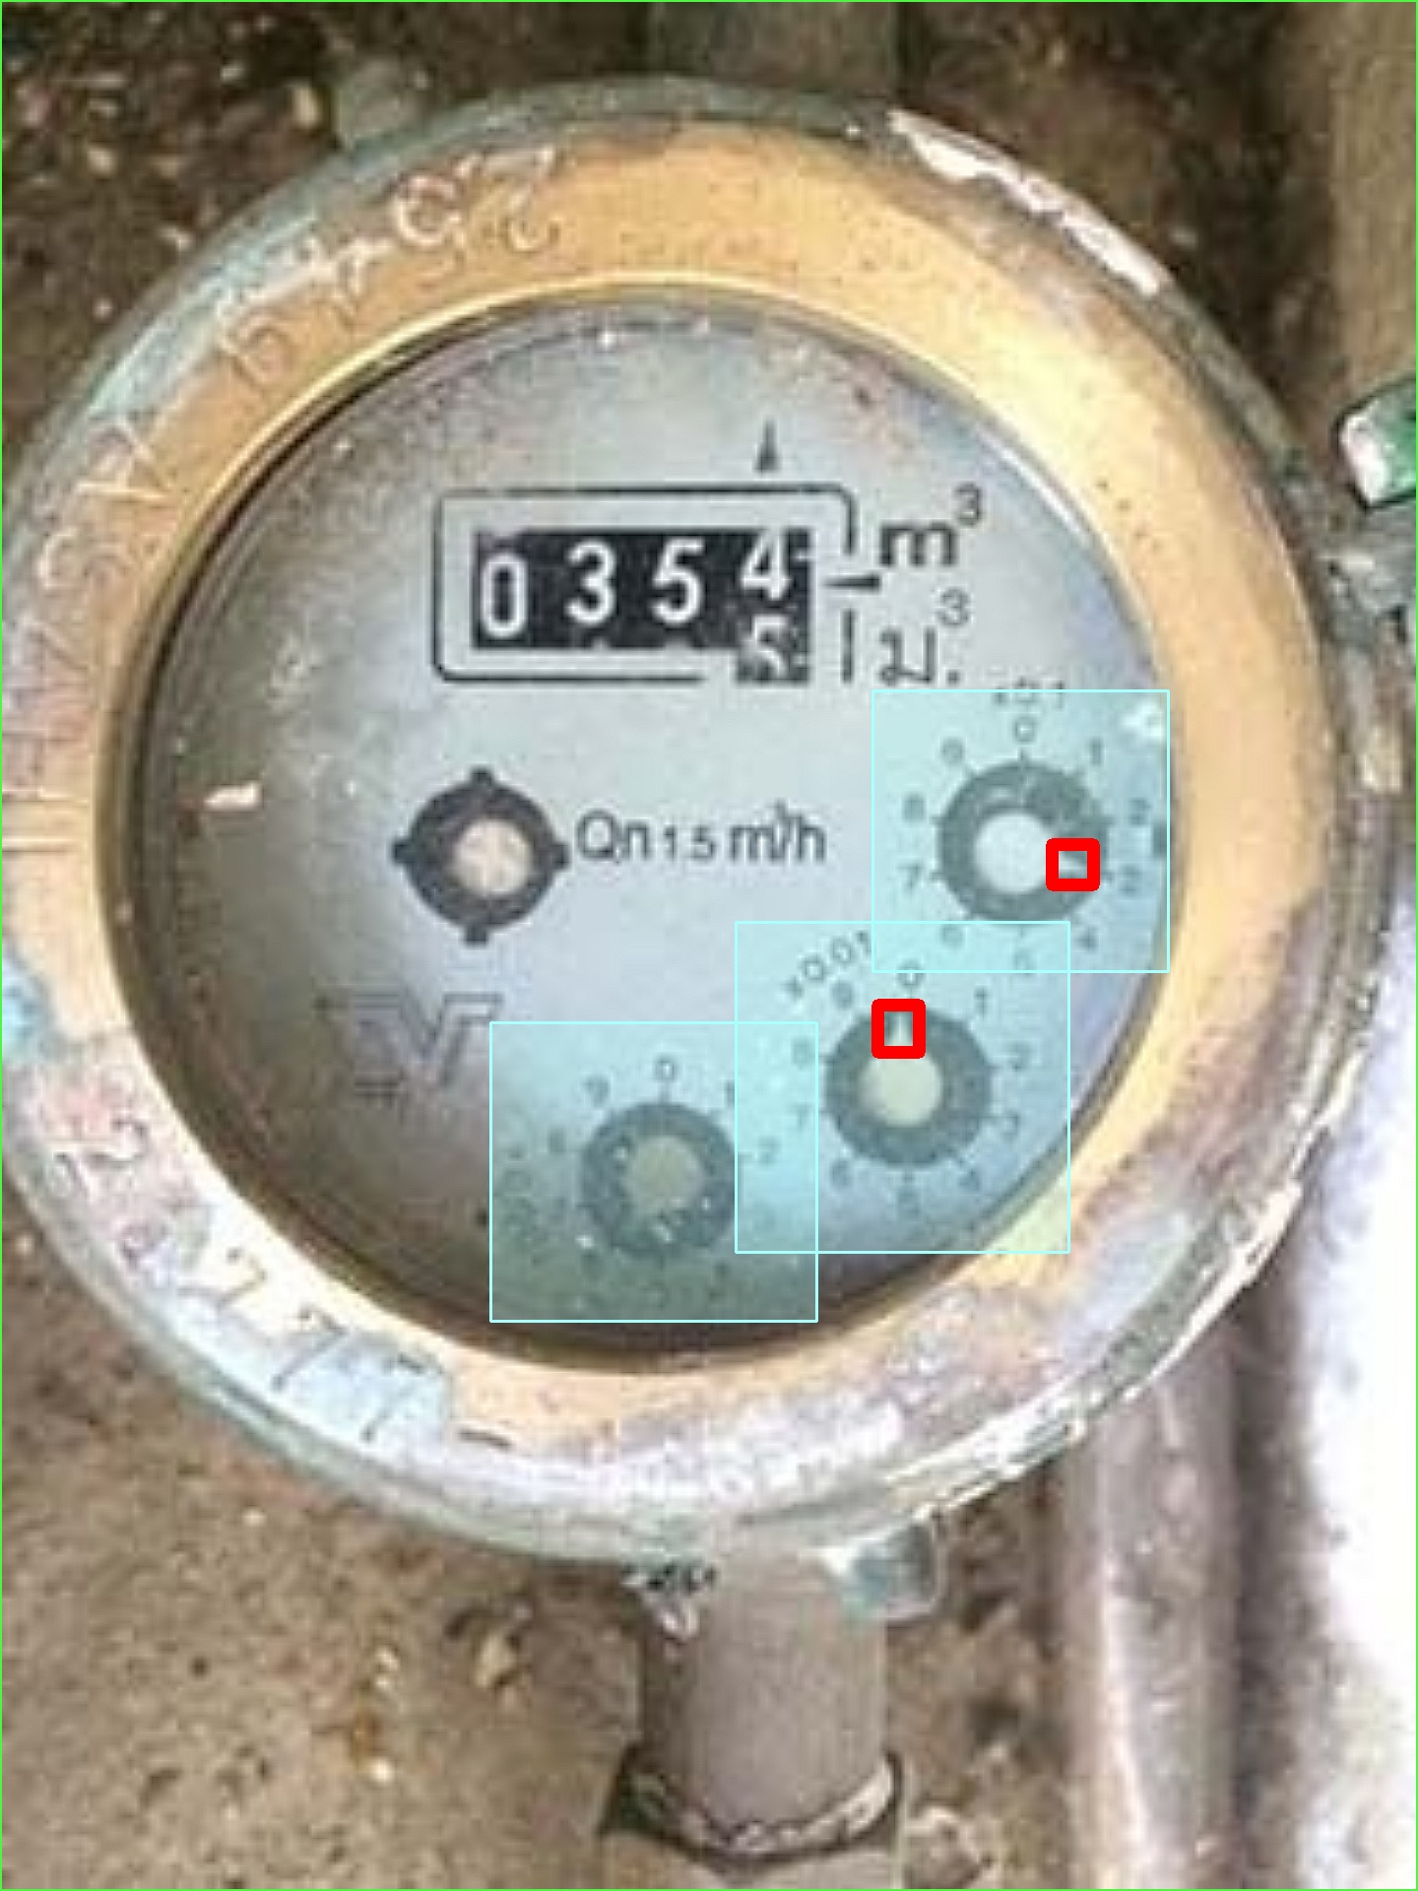 | 30_ | 11-08-2023 18:59:25
3 | 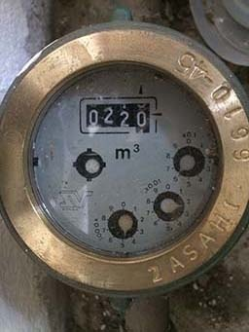 | 11082023_3 | 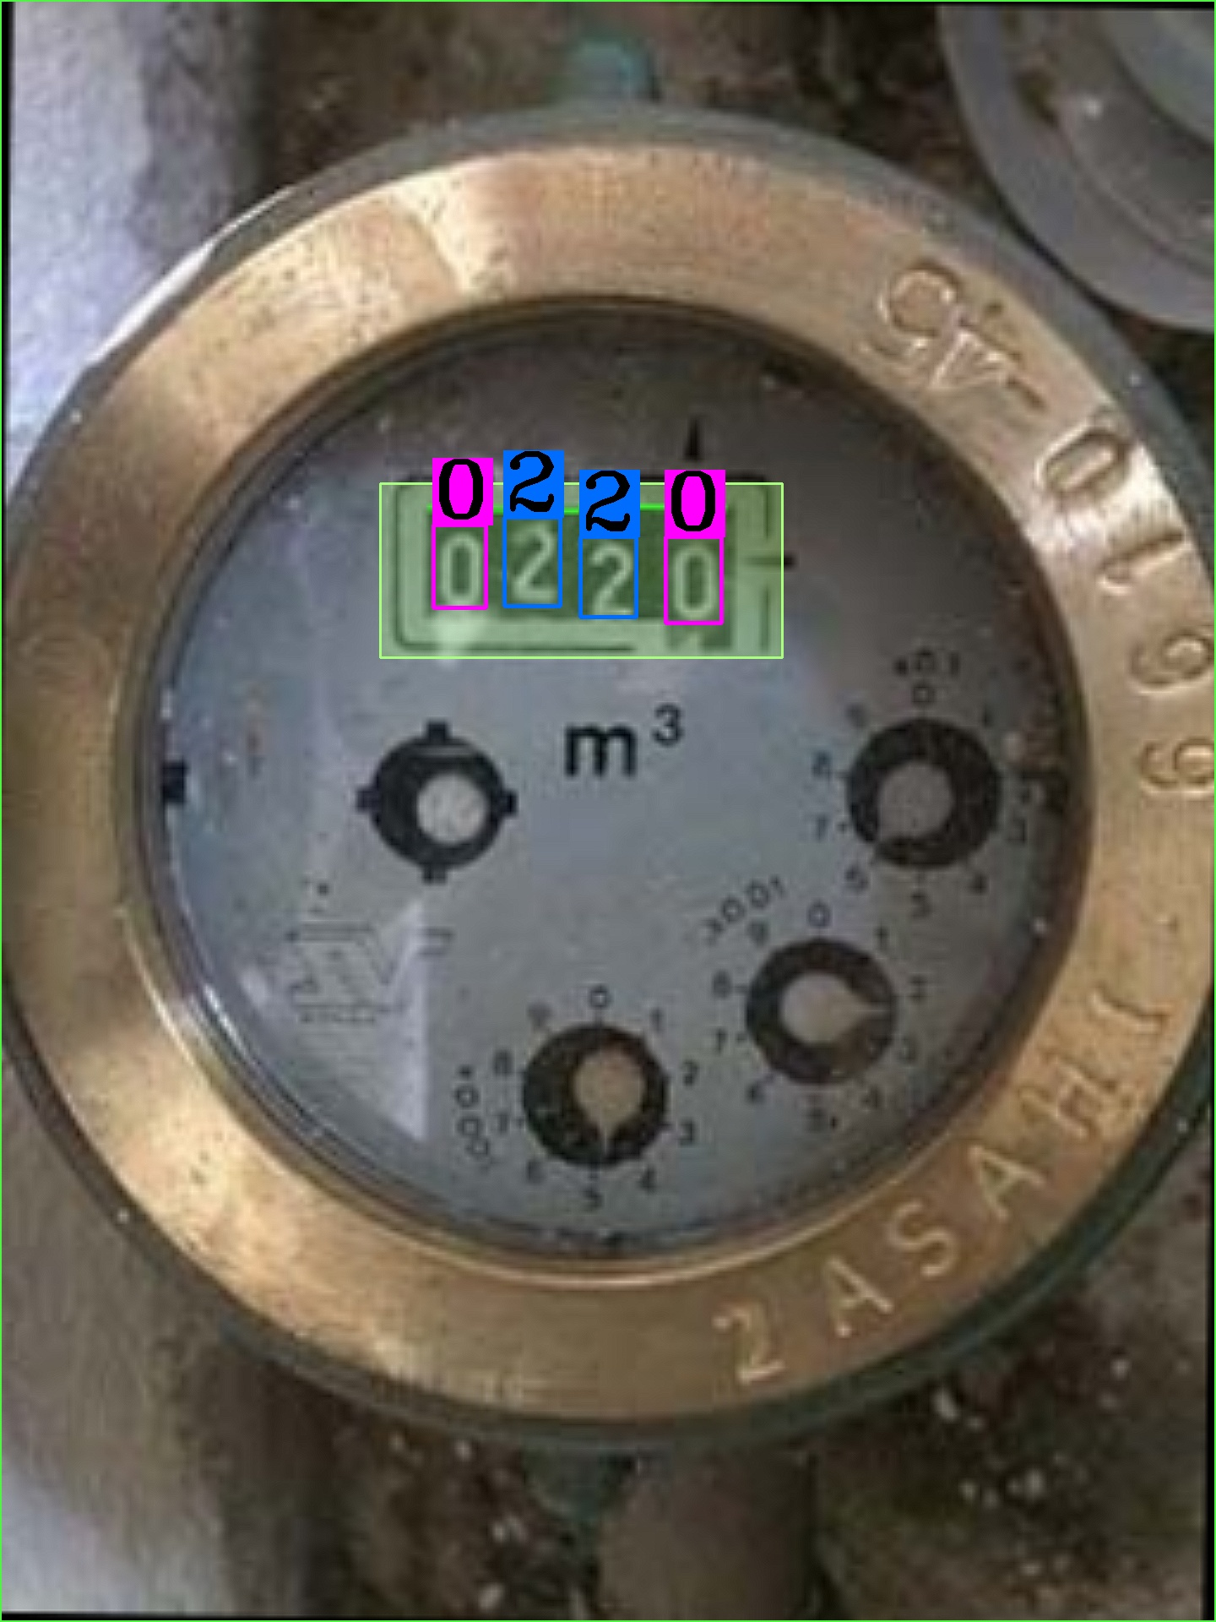 | 0220 | 0.99988779426 | 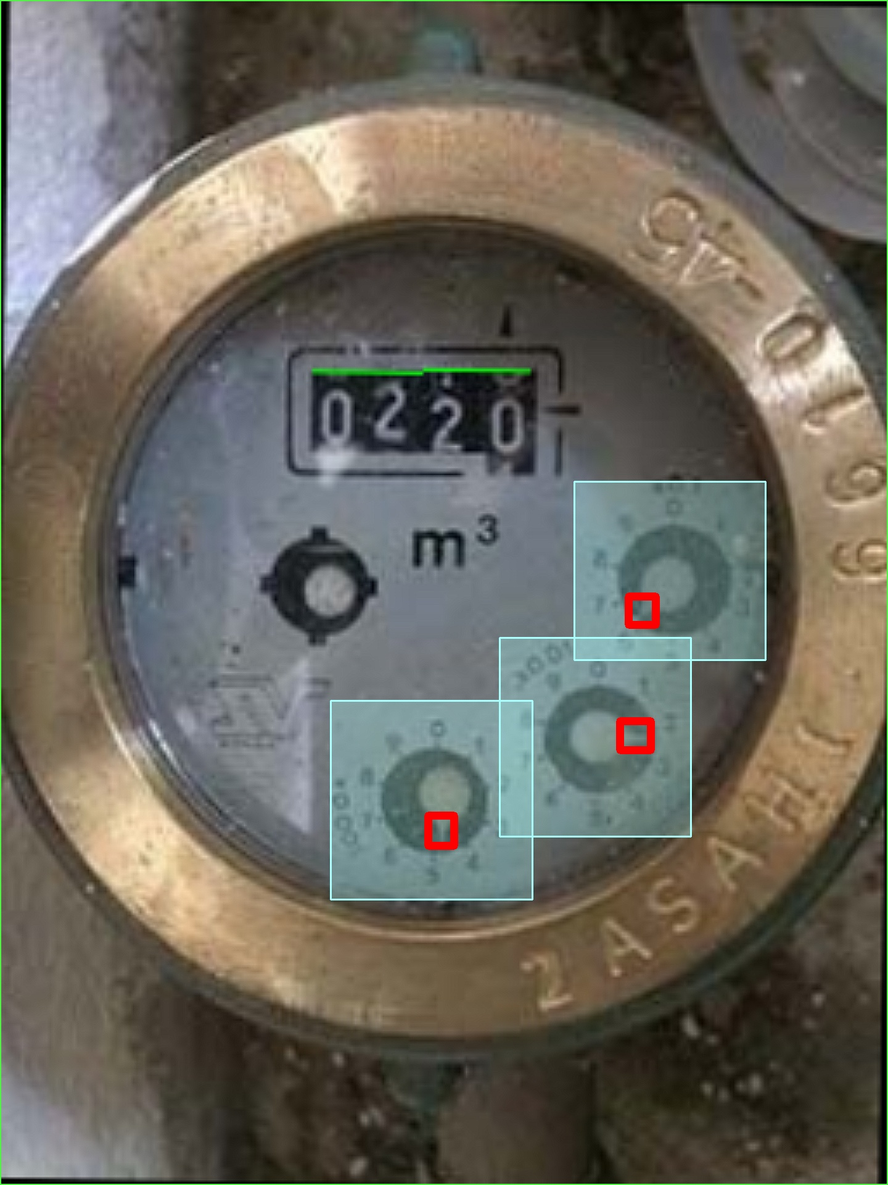 | 625 | 11-08-2023 18:59:36

