Sheet
No. | IMG_Original | Filename | IMG_DetectNum | Output | Confidence | IMG_DetectDial | Output | Timestamp
1 | 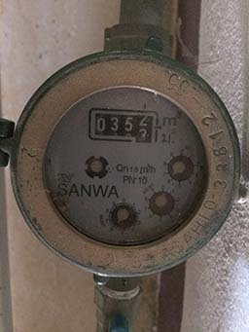 | 14082023_1 | 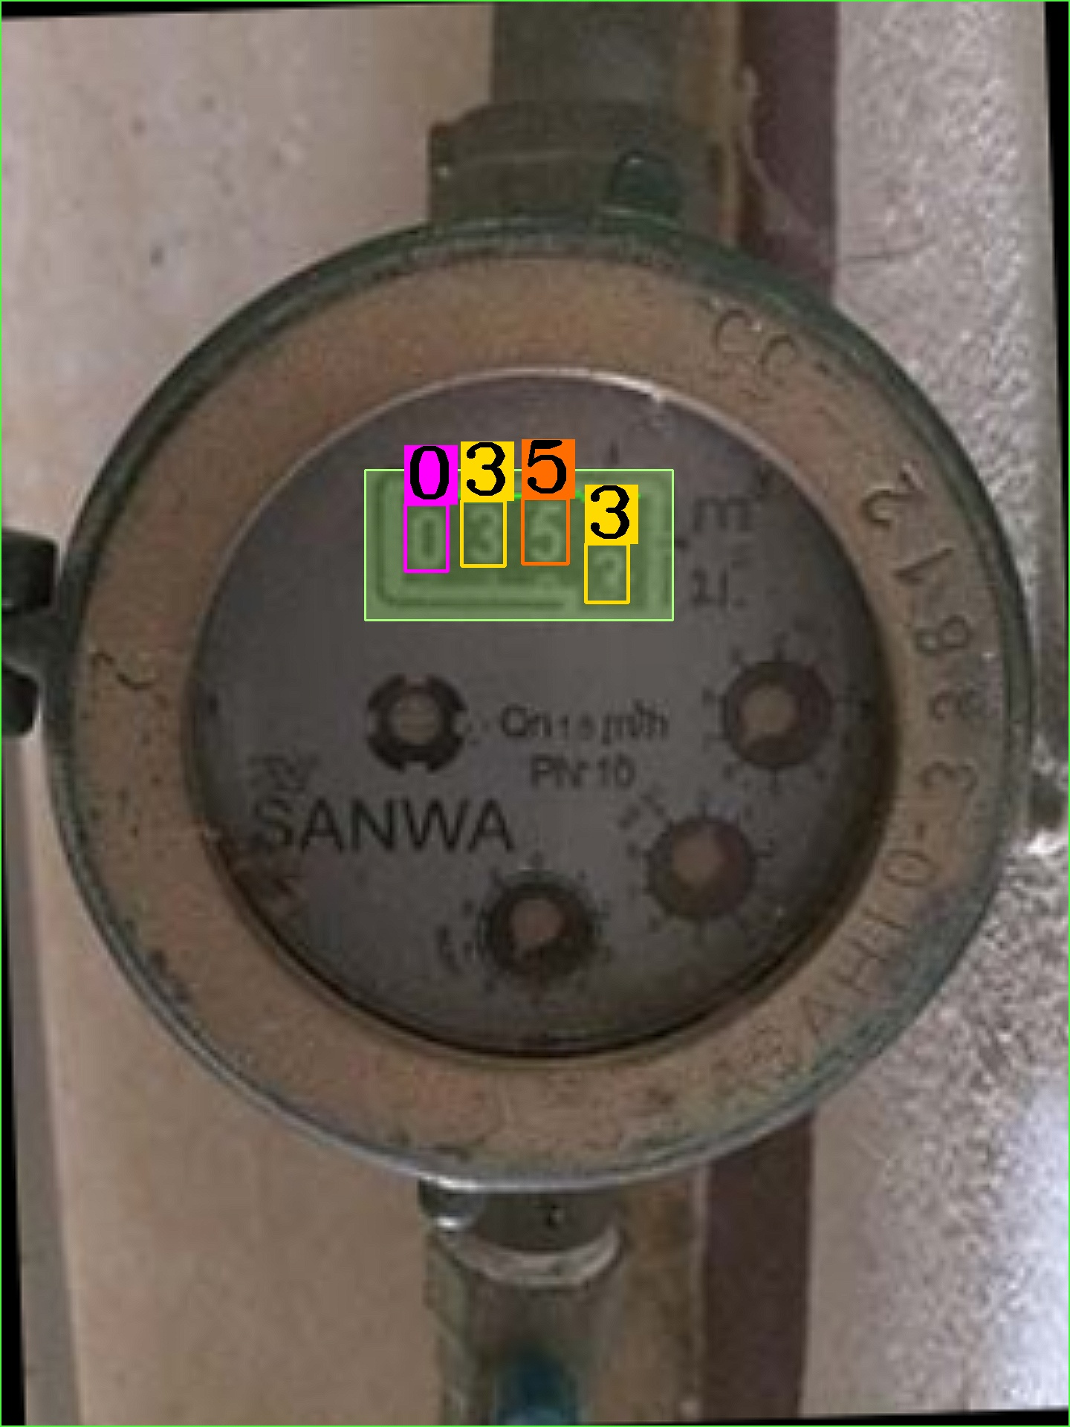 | 0353 | 0.99910002947 | 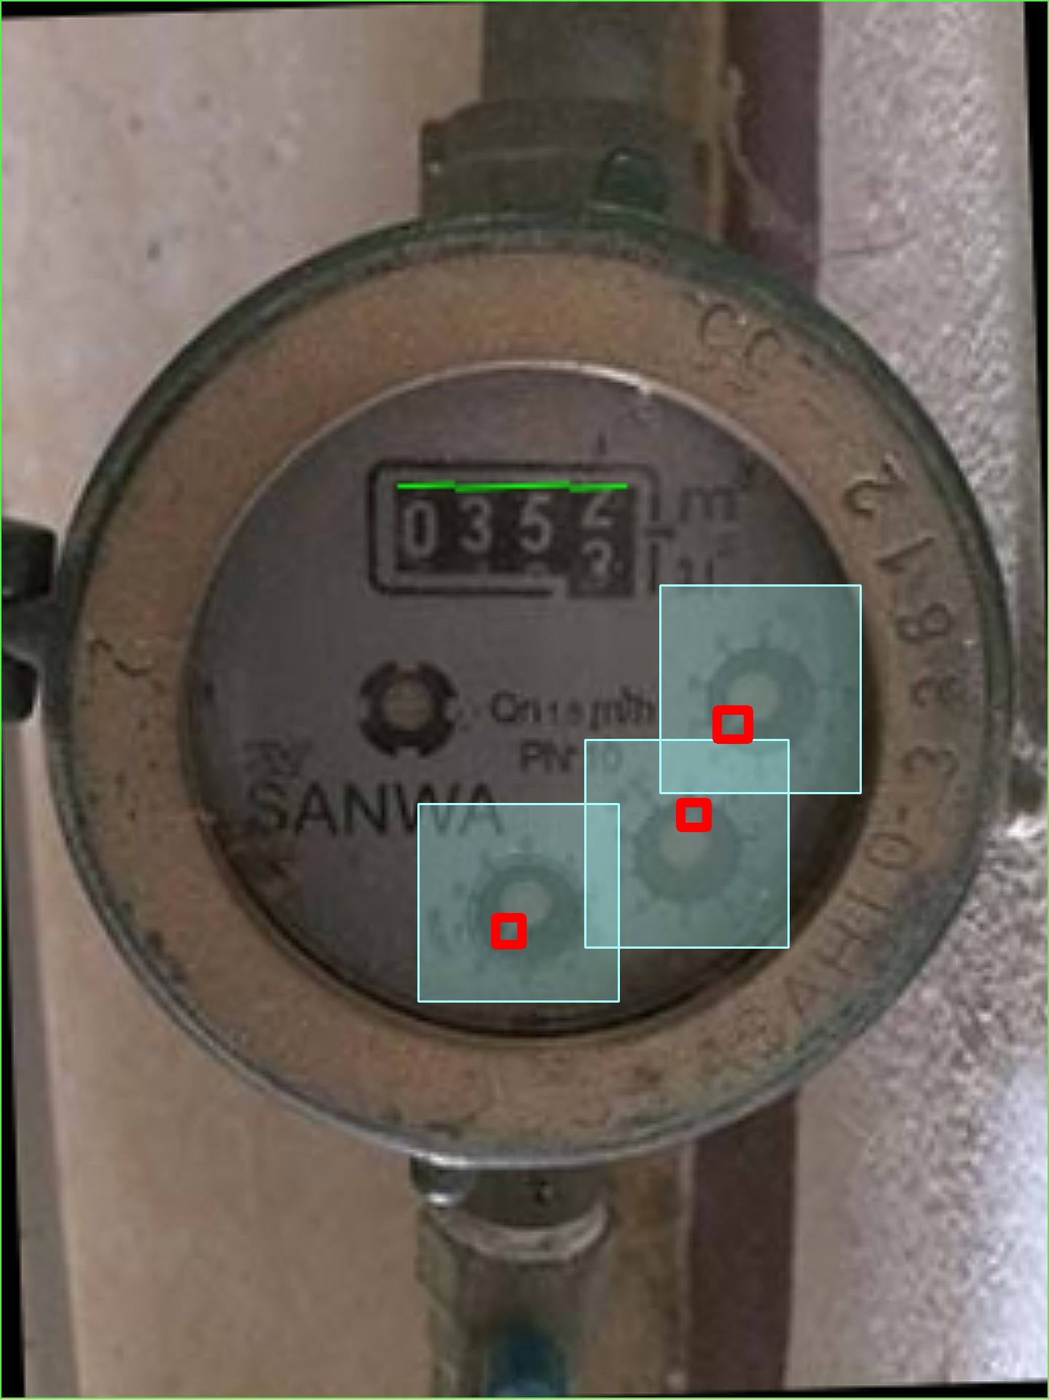 | 606 | 14-08-2023 11:40:35
2 | 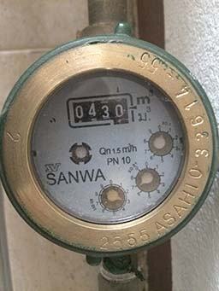 | 14082023_2 | 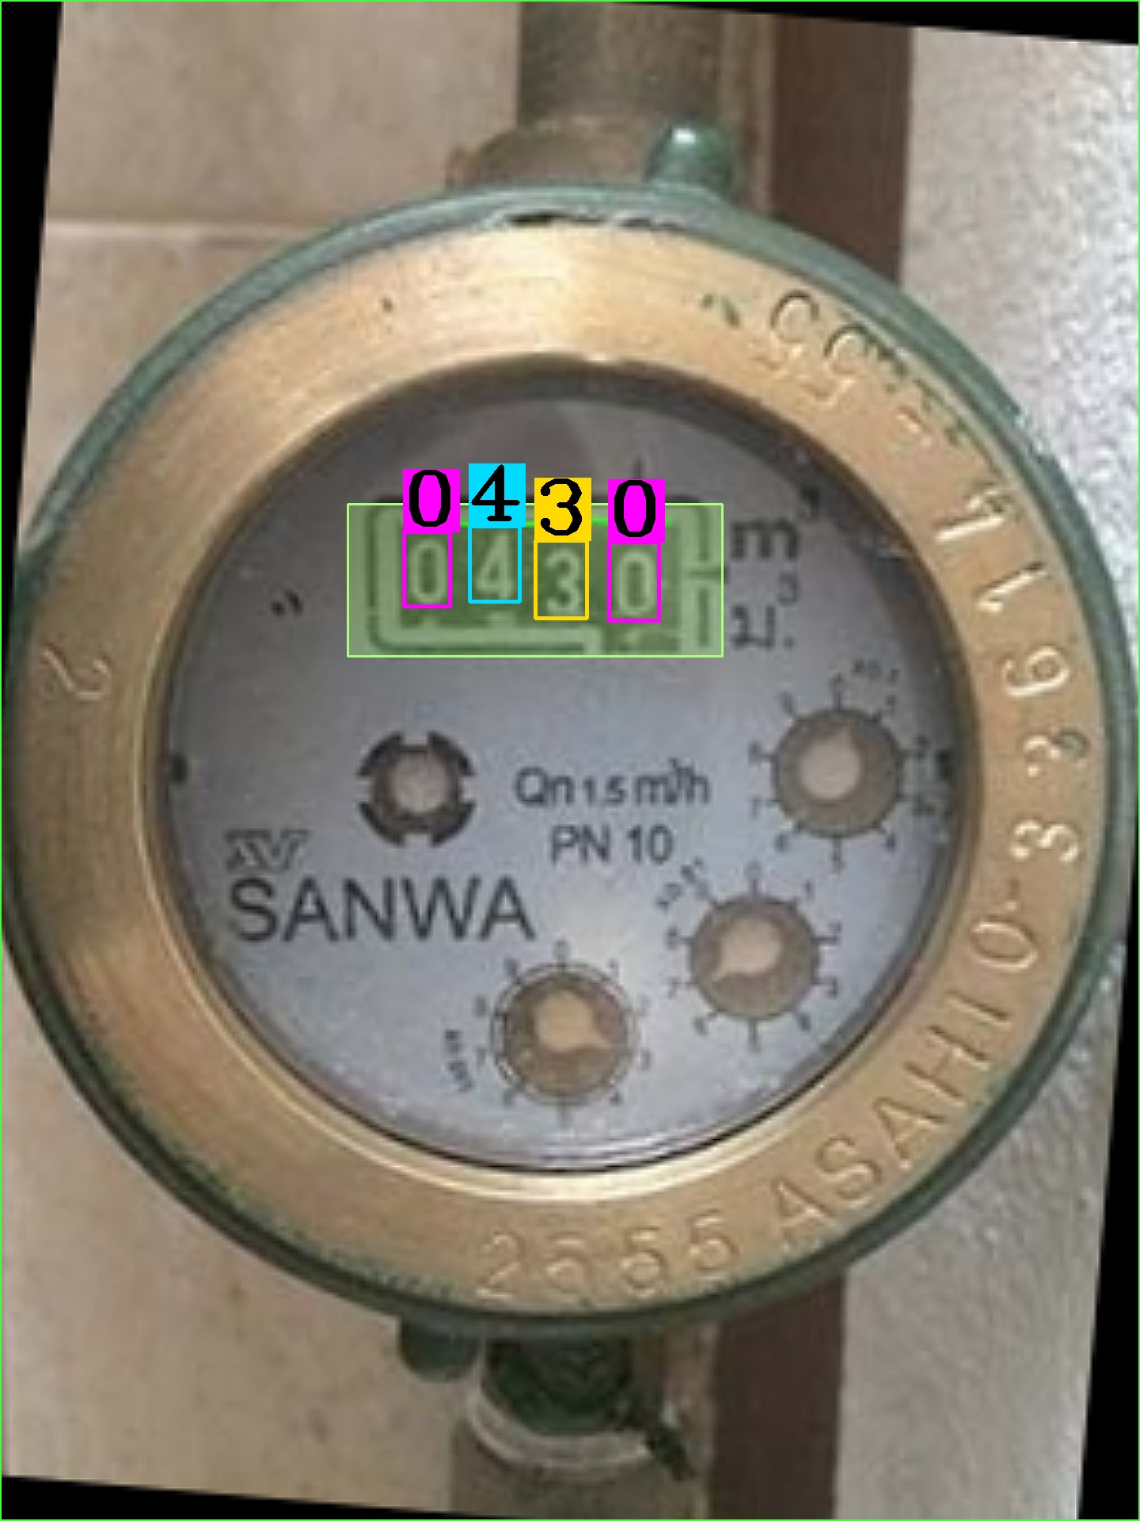 | 0430 | 0.99978879094 | 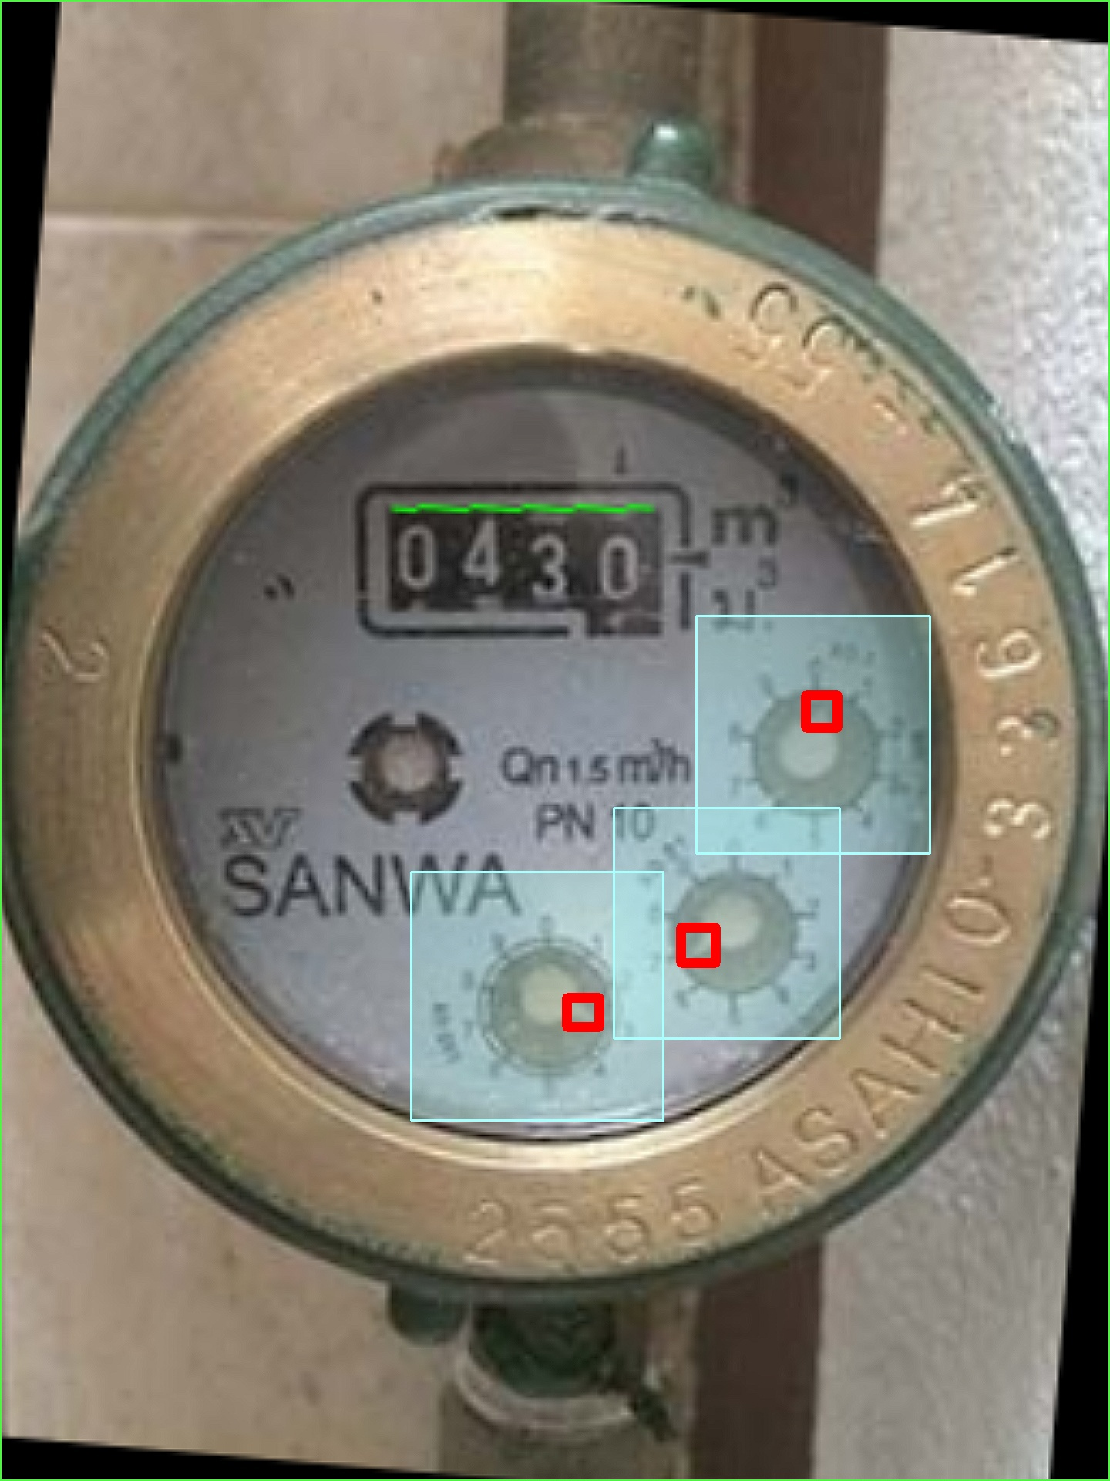 | 163 | 14-08-2023 11:45:03
3 | 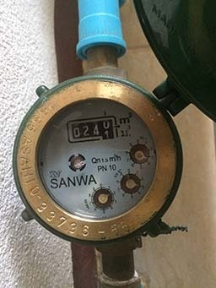 | 14082023_3 | 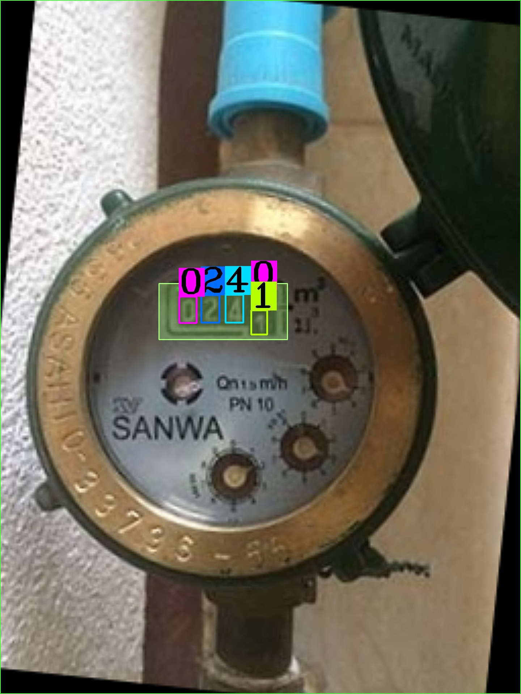 | 02410 | 0.92017142773 | 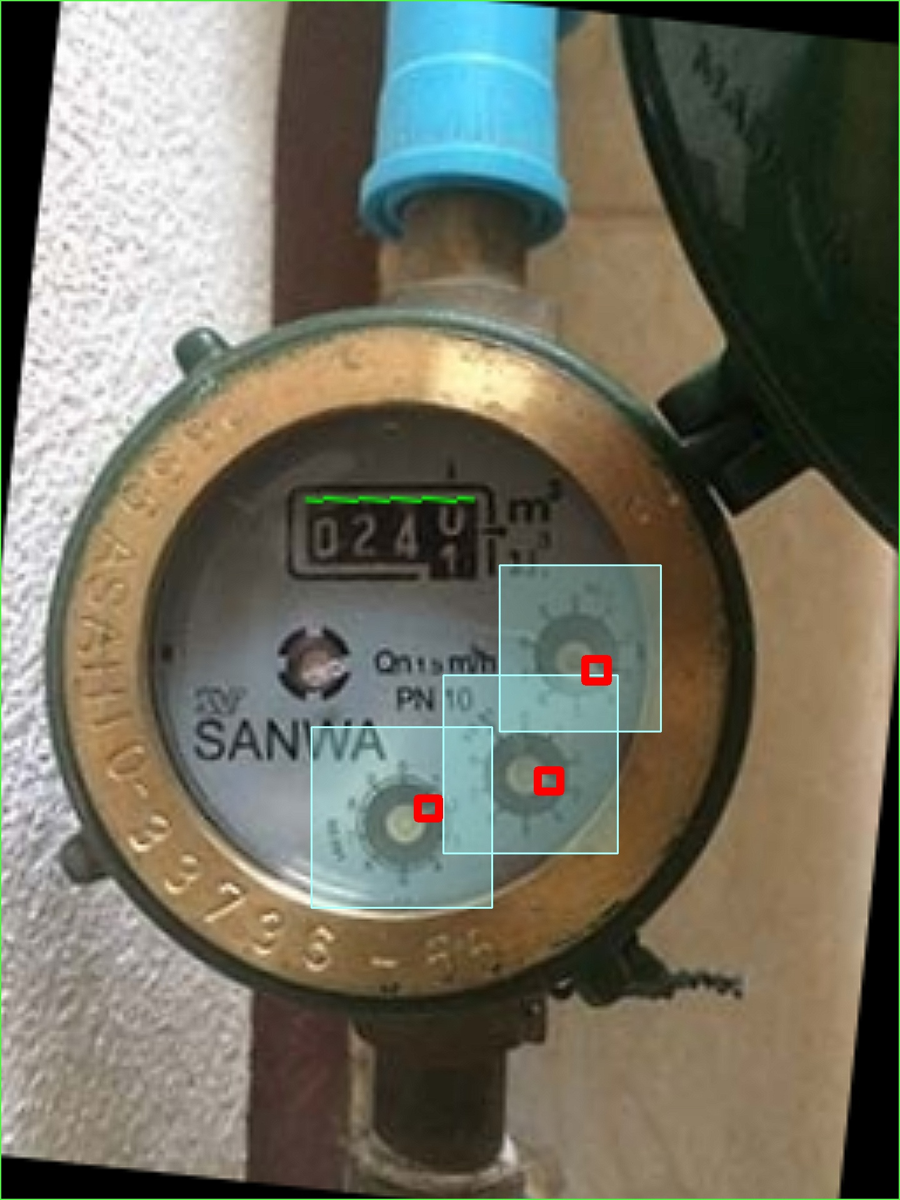 | 442 | 14-08-2023 11:48:34

