Sheet1
Assignment 2
The data show results of a survey conducted in an unknown country in 2007.Based on the information at hand, please
1. fill in the missing values below. Show steps whenever possible.
2. please discuss possible biases of child mortlaity rate generated using this data and method.
3. Discuss possible remedies for the biases discussed above.
Mother's age | Index i | number of women | children ever born to mother in age group i | number of children dead to mother in the corresponding age gorup | age in life table (X) | q(x) | q(5) | t(x) | time
15-19 | 1 | 1472 | 250 | 14 | 1
20-24 | 2 | 1269 | 1396 | 114 | 2
25-29 | 3 | 915 | 2159 | 164 | 3
30-34 | 4 | 871 | 3388 | 287 | 5
35-39 | 5 | 661 | 3391 | 317 | 10
40-44 | 6 | 433 | 3402 | 348 | 15
45-49 | 7 | 315 | 3423 | 379 | 20

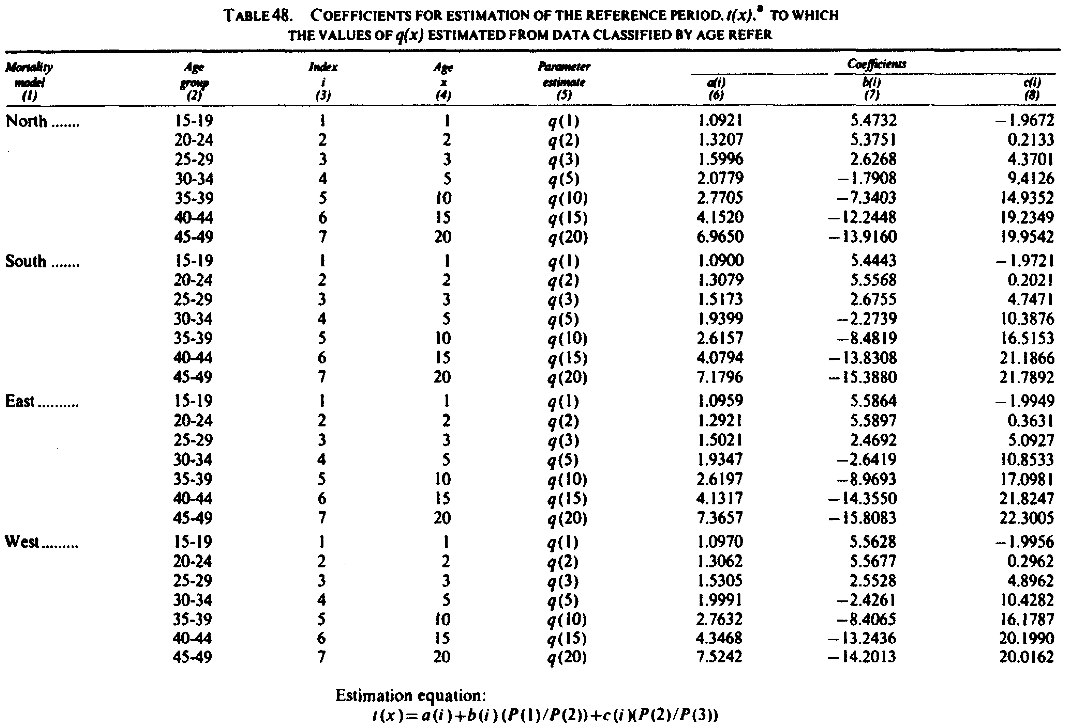

family | age_group | index | mortality_ratio | coef_a | coef_b | coef_c |  |  | family | age_group | index | age | parameter_estimate | coef_a | coef_b | coef_c
North | 15-19 | 1 | q(1)/D(1) | 1.1119 | -2.9287 | 0.8507 |  |  | North | 15-19 | 1 | 1 | q(1) | 1.0921 | 5.4732 | -1.9672
North | 20-24 | 2 | q(2)/D(2) | 1.239 | -0.6865 | -0.2745 |  |  | North | 20-24 | 2 | 2 | q(2) | 1.3207 | 5.3751 | 0.2133
North | 25-29 | 3 | q(3)/D(3) | 1.1884 | 0.0421 | -0.5156 |  |  | North | 25-29 | 3 | 3 | q(3) | 1.5996 | 2.6268 | 4.3701
North | 30-34 | 4 | q(5)/D(4) | 1.2046 | 0.3037 | -0.5656 |  |  | North | 30-34 | 4 | 5 | q(5) | 2.0779 | -1.7908 | 9.4126
North | 35-39 | 5 | q(10)/D(5) | 1.2586 | 0.4236 | -0.5898 |  |  | North | 35-39 | 5 | 10 | q(10) | 2.7705 | -7.3403 | 14.9352
North | 40-44 | 6 | q(15)/D(6) | 1.224 | 0.4222 | -0.5456 |  |  | North | 40-44 | 6 | 15 | q(15) | 4.152 | -12.2448 | 19.2349
North | 45-49 | 7 | q(20)/D(7) | 1.1772 | 0.3486 | -0.4624 |  |  | North | 45-49 | 7 | 20 | q(20) | 6.965 | -13.916 | 19.9542
South | 15-19 | 1 | q(1)/D(1) | 1.0819 | -3.0005 | 0.8689 |  |  | South | 15-19 | 1 | 1 | q(1) | 1.09 | 5.4443 | -1.9721
South | 20-24 | 2 | q(2)/D(2) | 1.2846 | -0.6181 | -0.3024 |  |  | South | 20-24 | 2 | 2 | q(2) | 1.3079 | 5.5568 | 0.2021
South | 25-29 | 3 | q(3)/D(3) | 1.2223 | 0.0851 | -0.4704 |  |  | South | 25-29 | 3 | 3 | q(3) | 1.1573 | 2.6755 | 4.7471
South | 30-34 | 4 | q(5)/D(4) | 1.1905 | 0.2631 | -0.4487 |  |  | South | 30-34 | 4 | 5 | q(5) | 1.9399 | -2.2739 | 10.3876
South | 35-39 | 5 | q(10)/D(5) | 1.1911 | 0.3152 | -0.4291 |  |  | South | 35-39 | 5 | 10 | q(10) | 2.6157 | -8.4819 | 16.5153
South | 40-44 | 6 | q(15)/D(6) | 1.1564 | 0.3017 | -0.3958 |  |  | South | 40-44 | 6 | 15 | q(15) | 4.0794 | -13.8308 | 21.1886
South | 45-49 | 7 | q(20)/D(7) | 1.1307 | 0.2596 | -0.3538 |  |  | South | 45-49 | 7 | 20 | q(20) | 7.1796 | -15.388 | 21.7892
East | 15-19 | 1 | q(1)/D(1) | 1.1461 | -2.2536 | 0.6259 |  |  | East | 15-19 | 1 | 1 | q(1) | 1.0959 | 5.5864 | -1.9949
East | 20-24 | 2 | q(2)/D(2) | 1.2231 | -0.4301 | -0.2245 |  |  | East | 20-24 | 2 | 2 | q(2) | 1.2921 | 5.5897 | 0.3631
East | 25-29 | 3 | q(3)/D(3) | 1.1593 | 0.0581 | -0.3479 |  |  | East | 25-29 | 3 | 3 | q(3) | 1.5021 | 2.4692 | 5.0927
East | 30-34 | 4 | q(5)/D(4) | 1.1404 | 0.1991 | -0.3487 |  |  | East | 30-34 | 4 | 5 | q(5) | 1.9347 | -2.6419 | 10.8533
East | 35-39 | 5 | q(10)/D(5) | 1.154 | 0.2511 | -0.3506 |  |  | East | 35-39 | 5 | 10 | q(10) | 2.6197 | -8.9693 | 17.0981
East | 40-44 | 6 | q(15)/D(6) | 1.1336 | 0.2556 | -0.3428 |  |  | East | 40-44 | 6 | 15 | q(15) | 4.1317 | -14.355 | 21.8247
East | 45-49 | 7 | q(20)/D(7) | 1.1201 | 0.2362 | -0.3268 |  |  | East | 45-49 | 7 | 20 | q(20) | 7.3657 | -15.8083 | 22.3005
West | 15-19 | 1 | q(1)/D(1) | 1.1415 | -2.707 | 0.7663 |  |  | West | 15-19 | 1 | 1 | q(1) | 1.097 | 5.5628 | -1.9956
West | 20-24 | 2 | q(2)/D(2) | 1.2563 | -0.5381 | -0.2637 |  |  | West | 20-24 | 2 | 2 | q(2) | 1.3062 | 5.5677 | 0.2962
West | 25-29 | 3 | q(3)/D(3) | 1.1851 | 0.0633 | -0.4177 |  |  | West | 25-29 | 3 | 3 | q(3) | 1.5305 | 2.5528 | 4.8962
West | 30-34 | 4 | q(5)/D(4) | 1.172 | 0.2341 | -0.4272 |  |  | West | 30-34 | 4 | 5 | q(5) | 1.9991 | -2.4261 | 10.4282
West | 35-39 | 5 | q(10)/D(5) | 1.1865 | 0.308 | -0.4452 |  |  | West | 35-39 | 5 | 10 | q(10) | 2.7632 | -8.4065 | 16.1787
West | 40-44 | 6 | q(15)/D(6) | 1.1746 | 0.3314 | -0.4537 |  |  | West | 40-44 | 6 | 15 | q(15) | 4.3468 | -13.2436 | 20.199
West | 45-49 | 7 | q(20)/D(7) | 1.1639 | 0.319 | -0.4435 |  |  | West | 45-49 | 7 | 20 | q(20) | 7.5242 | -14.2013 | 20.0162

