P2
 |  | Timestamp |  | Variable 1 |  |  | Variable 2
 |  |  | Profit | Table |  | Profit | Chair

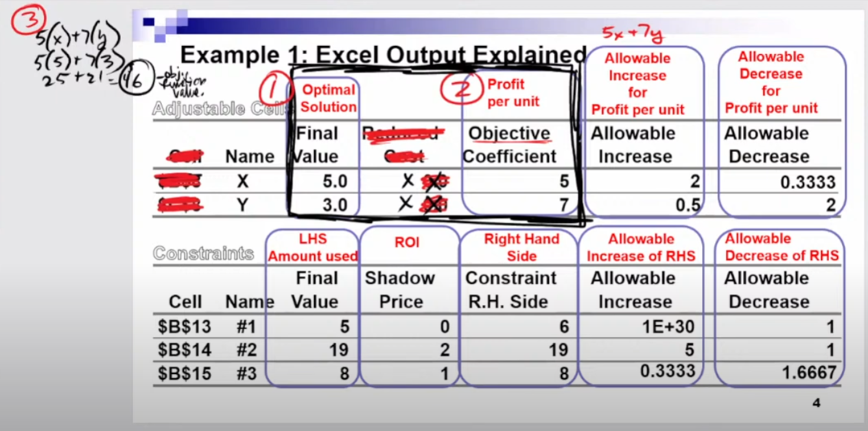
 |  |  |  |  |  |  |  | Objective Coefficient
2:16:30 |  |  | 5 | x | + | 7 | y | 5x+7y
 | Final Value | Optimal Solution | 5 | 25 | + | 7 | 21 | 46 | How much | Profit
 |  | 5 |  |  |  |  |  | Objective Function Value (Maximum)
 |  | 3
 | Allowable Increase |  | Allowable Decrease
 |  | 2 |  | 0.3333
 |  | 0.5 |  | 2

 | Excel Output
2:32:00
 | Ajustable Cells
 |  |  | Optimal Solution | Profit per unit |  |  | [AI] Profit per unit | [AD] Profit per unit
 | Cell | Name | Final Value | Reduced cost |  | Objective Coefficient | Allowable Increases | Allowable Decrease
 | $B$8 | x | 5.0 | 0.0 |  | 5 | 2 | 0.3333
 | $C$8 | y | 3.0 | 0.0 |  | 7 | 0.5 | 2

 | Constraints

 |  |  | LEFT SIDE Ammout used | ROI |  | RIGHT HAND SIDE | [AI] RIGHT SIDE | [AD] RIGHT SIDE
 | Cell | Name | Final Value | Shadow Price |  | Constraint RIGHT SIDE | Allowable Increases | Allowable Decrease
 | $B$13 | 1 | 5 | 0 |  | 6 | 1E+30 | 1 | 24 | Allowable Increase
 | $B$14 | 2 | 19 | 2 |  | 19 | 5 | 1 | 19
 | $B$15 | 3 | 8 | 1 |  | 8 | 0.3333 | 1.6667 | 18 | Allowable decrease

 | How much extra Profit if you added 3 units to constrain too?

 |  |  |  | 2 | x | 3 | added units
2:36:00 |  |  |  |  |  | 6 | extra profit

 |  |  |  |  |  | 46 | Original Objective Function Value
 | What is your new objective function value? |  |  |  |  | 52 | New Objective Function Value

 | I want to add + 7 units |  | Allowable Increases
 |  |  |  | 5 |  | Exceeds the range of Feasiblitly
 |  |  |  |  |  | Shadow price no longer valid, can't do anymore calculations

 | Constraints

 |  |  | Ammout used LEFT SIDE | ROI |  | RIGHT HAND SIDE | [AI] RIGHT SIDE | [AD] RIGHT SIDE
 | Cell | Name | Final Value | Shadow Price |  | Constraint RIGHT SIDE | Allowable Increases | Allowable Decrease
 | $B$13 | 1 | 5 | 0 |  | 6 | 4 | 1
 | $B$14 | 2 | 19 | 2 |  | 19 | 5 | 1
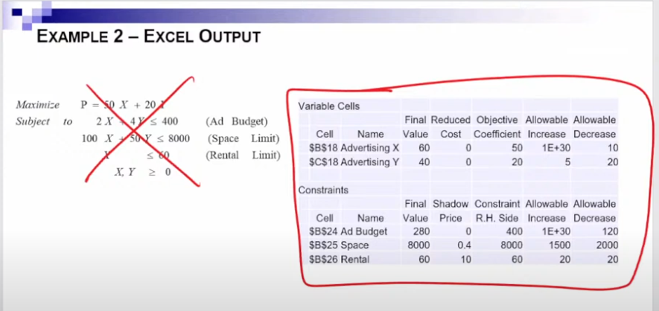
 | $B$15 | 3 | 8 | 1 |  | 8 | 2 | 0

 | You can add [1] unit to any of these three contsraints
 |  |  |  | Shadow Price |  |  | added units
 |  |  |  | 0 |  | 0 | 1
 |  |  |  | 2 |  | 2 |  | Biggest shadow price was best
 |  |  |  | 1 |  | 1

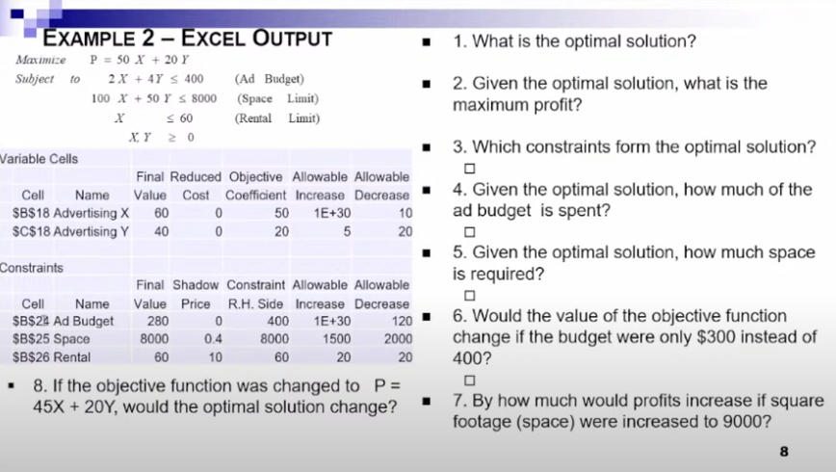
 | Variable Cells Cells |  |  |  |  | Objective function
 |  |  | Optimal Solution | Profit per unit |  |  | [AI] Profit per unit | [AD] Profit per unit
 | Cell | Name | Final Value | Reduced cost |  | Objective Coefficient | Allowable Increases | Allowable Decrease
 | $B$18 | AV x | 60 | 0.0 |  | 50 | 1.00E+30 | 10
 | $C$18 | AV y | 40 | 0.0 |  | 20 | 5 | 20
 |  |  | Profit |  |  | Profit
 | Constraints

 |  |  | Ammout used LEFT SIDE | ROI |  | RIGHT HAND SIDE | [AI] RIGHT SIDE | [AD] RIGHT SIDE
 | Cell | Name | Final Value | Shadow Price |  | Constraint RIGHT SIDE | Allowable Increases | Allowable Decrease
 | $B$24 | Add Budget | 280 | 0.0 |  | 400 | 1E+30 | 120
 | $B$25 | Space | 8000 | 0.4 |  | 8000 | 1500 | 2000
 | $B$26 | Rental | 60 | 1.0 |  | 60 | 20 | 20

 | 1 | Optimal Solution |  |  |  | 60
 |  |  |  |  |  | 40
 | 2 | Given the Optimal Solution, |  |  |  | 3800 | Objective Function Value |  | * then + X&Y values
 |  | What's the max profit?
 | 3 | Which Constraints form the Optimal Solution? |  |  |  | 8000, 60 | they have the same values on L&R 8000/60
 |  | [Which Constraints are Binding?] |  |  |  | Space & Rental
 | 4 | Given the Optimal Solution,
 |  | How much [Ad Budget] is spent? |  |  |  | 280 | LEFT
 | 5 | Given the Optimal Solution,
 |  | How much [Space] is required? |  |  |  | 8000 | RIGHT
 | 6 | Would the value of the objective function |  |  |  | Check AD, allowed
 |  | change if the budget was only $300 io/400? |  |  |  | NO | -100*0=0
 | 7 | By how much would profits increase |  |  |  | Check AI, allowed
 |  | if sq footage [space] increased to 9000? |  |  |  | 400 | 1000 | change in price |  | new C*Shadow price
 | 8 | If the objective function was changed
 |  | to P= 45x+20y, would the OS change? |  |  |  | Check AD, allowed |  | sayed within the range of optimailty
 |  |  |  |  |  | NO |  | when you stay within the range the original
 |  |  |  |  |  |  |  | Optimal Solution stays they same
 |  |  |  |  |  | 900 | 45 | New Objective Function Value
 |  |  |  |  |  | 3500

 | 100% RULE | look for simultaneously |  | change/allowable
 | Variable Cells Cells |  |  |  |  | Objective function
 |  |  | Optimal Solution | Profit per unit |  |  | [AI] Profit per unit | [AD] Profit per unit | OG
 | Cell | Name | Final Value | Reduced cost |  | Objective Coefficient | Allowable Increases | Allowable Decrease | Objective Coefficient | Change | Allowable Increases | Allowable Decrease
 | $B$18 | x | 105 | 0 |  | 220 | 50 | 50 | 200 | 20 | 50 | 50 | 40%
 | $C$18 | y | 28.5 | 0 |  | 450 | 166.667 | 100 | 500 | 50 | 166.667 | 100 | 50% | 90% | PASS | under 100%
 |  |  | Profit |  |  | Profit |  |  | 0
 | Constraints |  |  |  |  |  |  |  | OG | 35250 | Objective function value

 |  |  | Ammout used LEFT SIDE | ROI |  | RIGHT HAND SIDE | [AI] RIGHT SIDE | [AD] RIGHT SIDE | OG RIGHT HAND SIDE
 | Cell | Name | Final Value | Shadow Price |  | Constraint RIGHT SIDE | Allowable Increases | Allowable Decrease | Constraint RIGHT SIDE | Change | Allowable Increases | Allowable Decrease
 | $B$24 | 1 | 28.5 | 0.0 |  | 40 | 1E+30 | 11.5 | 40
 | $B$25 | 2 | 240 | 62.5 |  | 250 | 18.4 | 45.6 | 240 | 10 | 18.4 | 45.6 | 54%
 | $B$26 | 3 | 60 | 250.0 |  | 85 | 19 | 7.667 | 81 | 4 | 19 | 7.667 | 21% | 75% | PASS | under 100%

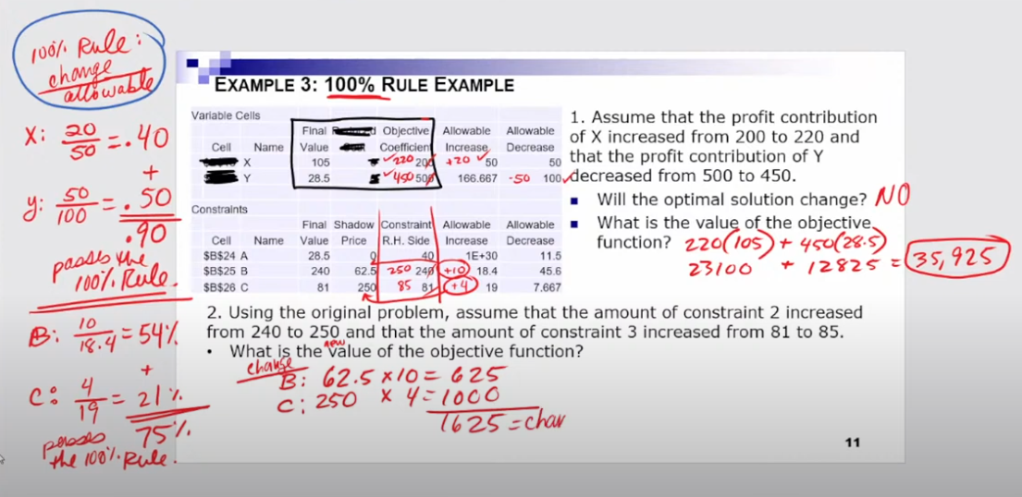
 | 1 | Assume the profit contribution of X |  |  |  | Both allowed
 |  | increased from 200 to 220 and that
 |  | the profit contribution of Y decresed
 |  | 500 to 450
 | 1A | Will the optimal soultion change? |  |  |  | NO | Passed the 100% rule
 | 1B | What is the value of the objective function? |  |  |  | 35925
 | 2 | Using the OG problem assume that the |  |  |  | Both allowed
 |  | constraint 2 incresed from 240 to 250
 |  | constraint 3 incresed from 81 to 85
 |  |  |  |  | x | 625 | Change*Shadow Price
 |  |  |  |  | y | 1000 | Change*Shadow Price
 |  |  |  |  |  | 1625 | Change in function value
 |  |  |  |  |  | 35250 | OG Objective function value
 |  | What is the value of the objective function? |  |  |  | 36875 | New Objective function value

P1
40:00:00
2:13:30
 |  | Profit | Tables |  | Profit | Chairs

Optimal Solution |  |  |  |  |  |  | Objective Coefficient
3 | 4 | 5 | x | + | 3 | y | 5x+3y
Final Value |  |  | 15 |  |  | 12 | 27 | How much | Profit
 |  |  |  |  |  |  | Objective Function Value (Maximum)

Q11
 |  | MAX
 |  | Profit | Tables |  | Profit | Chairs
Optimal Solution |  |  |  |  |  |  | Objective Coefficient
2 | 1 | 200 | x | + | 100 | y | 200x+100y
Final Value |  |  | 400 |  |  | 100 | 500 | How much | Profit
 |  |  |  |  |  |  | Objective Function Value (Maximum)

 | wood | 30 | x | + | 25 | y | <= | 1800 | 30x+25y<=1800
 | labor hours | 15 | x | + | 20 | y | >= | 1200 | 15x+20y>=1200
 | fabric | 10 | x | + | 5 | y | <= | 400 | 10x+5y<=400

Q17
 |  | MAX
 |  | Profit | Tables |  | Profit | Chairs
Optimal Solution |  |  |  |  |  |  | Objective Coefficient
2 | 1 | 200 | x | + | 100 | y | 200x+100y
Final Value |  |  | 400 | + |  | 100 | 500 | How much | Profit
 |  |  |  |  |  |  | Objective Function Value (Maximum)

 | wood | 30 | x | + | 25 | y | <= | 1800 | 30x+25y<=1800
 | labor hours | 15 | x | + | 20 | y | >= | 1200 | 15x+20y>=1200
 | fabric | 10 | x | + | 5 | y | <= | 400 | 10x+5y<=400
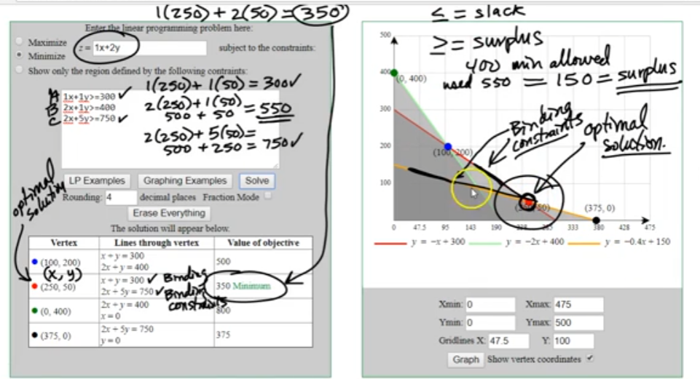
Q4
 |  | MIN
 |  | cost | Tables |  | cost | Chairs
Optimal Solution |  |  |  |  |  |  | Objective Coefficient
250 | 50 | 1 | x | + | 2 | y | 1x+2y
Final Value |  |  | 250 | + |  | 100 | 350 | How much | cost
 |  |  |  |  |  |  | Objective Function |  | MIN

 | shade | 1 | x | + | 1 | y | >= | 300 | 1x+1y>=300
 | traffic | 2 | x | + | 1 | y | >= | 400 | 2x+1y>=400
 | drought | 2 | x | + | 5 | y | >= | 750 | 2x+5y>=750

Q5 |  |  |  |  |  |  |  |  |  |  | A&C Are Binding contstraints
 |  | MAX
 |  | profit | X |  | profit | Y
Optimal Solution |  |  |  |  |  |  | Objective Coefficient
30 | 37.5 | 200 | x | + | 160 | y | 200x+160y
Final Value |  |  | 6000 | + |  | 6000 | 12000 | How much | profit
 |  |  |  |  |  |  | Objective Function Value MAX

 | dfiber | 50 | x | + | 40 | y | <= | 3000 | 50x+40y<=3000 | avaliable
 | hours | 25 | x | + | 28 | y | >= | 1800 | 25x+28y>=1800 | at least
 | time | 20 | x | + | 15 | y | <= | 1500 | 20x+15y<=1500 | avaliable

Q2
 |  | MAX
 |  | profit | X |  | profit | Y
Optimal Solution |  |  |  |  |  |  | Objective Coefficient
4 | 2 | 10 | x | + | 4 | y | 10x+4y
Final Value |  |  | 40 | + |  | 8 | 48 | How much | profit
 |  |  |  |  |  |  | Objective Function Value MAX

 | dfiber | 6 | x | + | 40 | y | <= | 3000 | 6x+40y<=3000 | avaliable
 | hours | 3 | x | + |  |  | >= | 12 | 3x+>=12 | at least
 | time | 4 | x | + | 8 | y | <= | 44 | 4x+8y<=44 | avaliable
 |  | 16 |  |  | 16
 |  |  |  |  | 32 | 12 | less than 44 = slack

Q3
 |  | MAX
 |  | profit | X |  | profit | Y
Optimal Solution |  |  |  |  |  |  | Objective Coefficient
3 | 4 | 6 | x | + | 7 | y | 6x+7y
Final Value |  |  | 18 | + |  | 28 | 46 | How much | profit
 |  |  |  |  |  |  | Objective Function Value MAX

 | dfiber |  |  |  | 2 | y | <= | 8 | 2y<=8 | avaliable
 | hours | 8 | x |  |  |  | <= | 32 | 8x<=32 | avaliable
 | time | 4 | x | + | 6 | y | <= | 34 | 4x+6y<=34 | avaliable
 |  |  |  |  | 8 | 8 | <= | 8
 |  | 24 |  |  |  | 32 | <= | 24
 |  | 12 |  |  | 24 | 34 | <= | 36

Q4
 |  | MAX
 |  | profit | X |  | profit | Y
Optimal Solution |  |  |  |  |  |  | Objective Coefficient
7 | 2 | 12 | x | + | 5 | y | 12x+5y
Final Value |  |  | 84 | + |  | 10 | 94 | How much | profit
 |  |  |  |  |  |  | Objective Function Value MAX

 | dfiber | 2 | x | + | 3 | y | <= | 26 | 2x+3y<=26 | avaliable
 | hours | 4 | x |  |  |  | <= | 28 | 4x<=28 | avaliable
 | time | 3 | x | + | 2 | y | <= | 25 | 3x+2y<=25 | avaliable
 |  | 14 |  |  | 6 | 26 | <= | 20
 |  | 28 |  |  |  | 28 | <= | 28
 |  | 21 |  |  | 4 | 25 | <= | 25

Q5
 |  | MAX
 |  | profit | X |  | profit | Y
Optimal Solution |  |  |  |  |  |  | Objective Coefficient
2 | 4 | 5 | x | + | 2 | y | 5x+2y
Final Value |  |  | 10 | + |  | 8 | 18 | How much | profit
 |  |  |  |  |  |  | Objective Function Value MAX

 | dfiber | 3 | x | + | 3 | y | <= | 18 | 3x+3y<=18 | avaliable
 | hours |  | x |  |  |  | <= | 2 | x<=2 | avaliable
 | time |  | x | + |  | y | <= |  | x+y<= | avaliable
 |  | 6 |  |  | 12 | 18 | <= | 18
 |  | 0 |  |  |  | 2 | <= | 0
 |  | 0 |  |  | 0 | 0 | <= | 0

Q6
 |  | MAX
 |  | profit | X |  | profit | Y
Optimal Solution |  |  |  |  |  |  | Objective Coefficient
26 | 12 | 10 | x | + | 5 | y | 10x+5y
Final Value |  |  | 260 | + |  | 60 | 320 | How much | profit
 |  |  |  |  |  |  | Objective Function Value MAX

 | dfiber | 2 | x | + | 4 | y | <= | 100 | 2x+4y<=100 | avaliable
 | hours | 3 | x | + | 1 | y | <= | 90 | 3x+1y<=90 | avaliable
 | time | 1 | x | + | 4 | y | <= | 80 | 1x+4y<=80 | avaliable
 |  | 52 |  |  | 48 | 100 | <= | 100 | binding | A
 |  | 78 |  |  | 12 | 90 | <= | 90 | binding | B
 |  | 26 |  |  | 48 | 80 | <= | 74 | NOT binding
 |  |  |  |  |  |  |  | Which are the binding constraints?
Q7
 |  | MAX
 |  | profit | X |  | profit | Y
Optimal Solution |  |  |  |  |  |  | Objective Coefficient
5 | 4 | 10 | x | + | 5 | y | 10x+5y
Final Value |  |  | 50 | + |  | 20 | 70 | How much | profit
 |  |  |  |  |  |  | Objective Function Value MAX

 | dfiber | 3 | x | + | 4 | y | <= | 30 | 3x+4y<=30 | avaliable
 | hours | 4 | x | + | 7 | y | <= | 50 | 4x+7y<=50 | avaliable
 | time | 8 | x | + | 5 | y | <= | 64 | 8x+5y<=64 | avaliable
 |  | 15 |  |  | 16 | 30 | <= | 31
 |  | 20 |  |  | 28 | 50 | <= | 48
 |  | 40 |  |  | 20 | 64 | <= | 60

Q8
 |  | MIN
 |  | profit | X |  | profit | Y
Optimal Solution |  |  |  |  |  |  | Objective Coefficient
1 | 4 | 7 | x | + | 3 | y | 7x+3y
Final Value |  |  | 7 | + |  | 12 | 19 | How much | profit
 |  |  |  |  |  |  | Objective Function Value MAX

 | dfiber | 3 | x | + | 5 | y | <= | 23 | 3x+5y<=23 | avaliable
 | hours | 2 | x | + | 4 | y | >= | 12 | 2x+4y>=12 | at least
 | time | 6 | x | + | 3 | y | >= | 18 | 6x+3y>=18 | at least
 |  | 3 |  |  | 20 | 23 | <= | 23
 |  | 2 |  |  | 16 | 12 | >= | 18
 |  | 6 |  |  | 12 | 18 | >= | 18

Q10
Variable Cells Cells |  |  |  |  | Objective function
 |  | Optimal Solution | Profit per unit |  |  |  | [AI] Profit per unit | [AD] Profit per unit
Cell | Name | Final Value | Reduced cost |  | Objective Coefficient |  | Allowable Increases | Allowable Decrease |  | Objective Function Value (Maximum)
$B$18 | x | 800 | 0.0 |  | 900 |  | 1.00E+30 | 12.5 |  | 725500
$C$18 | y | 1100 | -5.0 |  | 5 |  | 5 | 1.00E+30
 |  |  |  |  | 3 |  | 12.5 | 25 |  |  | allowed |  | old
 |  |  |  |  |  |  |  |  |  | 135 | 135 | 0 | 7475 | 718025
 |  | Profit |  |  | Profit |  |  |  |  |  | price up +10
Constraints

 |  | Ammout used LEFT SIDE | ROI |  | RIGHT HAND SIDE |  | [AI] RIGHT SIDE | [AD] RIGHT SIDE
Cell | Name | Final Value | Shadow Price |  | Constraint RIGHT SIDE |  | Allowable Increases | Allowable Decrease
$B$24 | m | 5 | 32.0 |  | 5 |  | 2 | 8 |  | 32.0 | +1 allowed, best choice |  |  | how much more would you make = | $32.00
$B$25 | h | 4 | 0.0 |  | 4 |  | 6 | 3 |  | 0.0 |  |  |  | what's the new objective funtion value? |  | 725532
$B$26 | e | 2 | 8.0 |  | 2 |  | 10 | 7 |  | 8.0 | 40 | add 5 to finishing
 |  |  |  |  |  |  |  |  |  | 0.0 | 0 | -2 gems
 |  |  |  |  |  |  | can't add +5 exceeds the range of feasiblility

Q10
 |  | MIN
 |  | cost | X |  | cost | Y
Optimal Solution |  |  |  |  |  |  | Objective Coefficient
1 | 1 | 800 | x | + | 1100 | y | 800x+1100y
Final Value |  |  | 800 | + |  | 1100 | 1900 | How much | cost
 |  |  |  |  |  |  | Objective Function Value MAX

 | m | 5 | x | + | 8 | y | >= | 900 | 5x+8y>=900 | at least
 | h | 4 | x | + | 5 | y | >= | 600 | 4x+5y>=600 | at least
 | t | 2 | x | + | 3 | y | >= | 350 | 2x+3y>=350 | at least
 |  | 5 |  |  | 8 | 900 | >= | 13
 |  | 4 |  |  | 5 | 600 | >= | 9
 |  | 2 |  |  | 3 | 350 | >= | 5

Q11
 |  | MAX
 |  | profit | X |  | profit | Y
Optimal Solution |  |  |  |  |  |  | Objective Coefficient
1 | 1 | 200 | x | + | 100 | y | 200x+100y
Final Value |  |  | 200 | + |  | 100 | 300 | How much | profit
 |  |  |  |  |  |  | Objective Function Value MAX

 | w | 30 | x | + | 25 | y | <= | 1800 | 30x+25y<=1800 | avaliable
 | l | 15 | x | + | 20 | y | >= | 1200 | 15x+20y>=1200 | at least
 | u | 10 | x | + | 5 | y | <= | 400 | 10x+5y<=400 | avaliable
 |  | 30 |  |  | 25 | 1800 | <= | 55
 |  | 15 |  |  | 20 | 1200 | >= | 35
 |  | 10 |  |  | 5 | 400 | <= | 15

Q12
 |  | MAX
 |  | profit | X |  | profit | Y
Optimal Solution |  |  |  |  |  |  | Objective Coefficient
1 | 1 | 1 | x | + | 1 | y | 1x+1y
Final Value |  |  | 1 | + |  | 1 | 2 | How much | profit
 |  |  |  |  |  |  | Objective Function Value MAX

 | w | 5 | x | + | 3 | y | <= | 30 | 5x+3y<=30 | avaliable
 | l | 3 | x | + | 4 | y | >= | 36 | 3x+4y>=36 | at least
 | u |  |  |  | 1 | y | <= | 7 | 1y<=7 | avaliable
 |  | 5 |  |  | 3 | 30 | <= | 8
 |  | 3 |  |  | 4 | 36 | >= | 7
 |  | 0 |  |  | 1 | 7 | <= | 1

Q6
 |  | MAX
 |  | profit | X |  | profit | Y
Optimal Solution |  |  |  |  |  |  | Objective Coefficient
1 | 1 | 3 | x | + | 3 | y | 3x+3y
Final Value |  |  | 3 | + |  | 3 | 6 | How much | profit
 |  |  |  |  |  |  | Objective Function Value MAX

 | dfiber | 1 | x | + | 2 | y | <= | 16 | 1x+2y<=16 | avaliable
 | hours | 1 | x | + | 1 | y | <= | 10 | 1x+1y<=10 | avaliable
 | time | 5 | x | + | 3 | y | <= | 45 | 5x+3y<=45 | avaliable
 |  | 1 |  |  | 2 | 16 | <= | 3
 |  | 1 |  |  | 1 | 10 | <= | 2
 |  | 5 |  |  | 3 | 45 | <= | 8

Q15
Variable Cells Cells |  |  |  |  | Objective function
 |  | Optimal Solution | Profit per unit |  |  |  | [AI] Profit per unit | [AD] Profit per unit
Cell | Name | Final Value | Reduced cost |  | Objective Coefficient |  | Allowable Increases | Allowable Decrease |  | Objective Function Value (Maximum)
$B$18 | necklace | 8 | 0.0 |  | 52 |  | 40 | 12.5 |  | 5016
$C$18 | braclet | 4 | -5.0 |  | 150 |  | 25 | 1 | OG | 5000
$C$19 | ring | 12 | 0.0 |  | 200 |  | 50 | 20 |  |  | allowed |  | old
$C$20 | earrings | 16 | 0.0 |  | 100 |  | 50 | 15 |  | 135 | 35 | 2160 | 7475 | -2459
 |  | Profit |  |  | Profit |  |  |  |  |  | price up +10
Constraints

 |  | Ammout used LEFT SIDE | ROI |  | RIGHT HAND SIDE |  | [AI] RIGHT SIDE | [AD] RIGHT SIDE
Cell | Name | Final Value | Shadow Price |  | Constraint RIGHT SIDE |  | Allowable Increases | Allowable Decrease
$B$24 | d | 50 | 8 |  | 50 |  | 10 | 8 | 8.0
$B$25 | p | 57 | 0 |  | 120 |  | 2 | 2 | 0.0 | 2 | 0
$B$26 | c | 200 | 4 |  | 200 |  | 5 | 2 | 4.0 | 6 | not allowed
$B$27 | s | 100 | 6 |  | 100 |  | 5 | 5 | 6.0 | 3 | 18

Q26
Variable Cells Cells |  |  |  |  | Objective function |  |  | 100% rule
 |  | Optimal Solution | Profit per unit |  |  |  | [AI] Profit per unit | [AD] Profit per unit
Cell | Name | Final Value | Reduced cost |  | Objective Coefficient |  | Allowable Increases | Allowable Decrease |  | Objective Function Value (Maximum)
$B$18 | w | 12 | 0.0 |  | 4 |  | 1 | 2.5 |  | 318 |  |  | Change OVF
$C$18 | g | 0 | -5.0 |  | 6 |  | 0.5 | 1 | OG | 318 |  |  | 0
$C$19 | m | 12 | 0.0 |  | 5 |  | 2.5 | 0.5 |  |  | allowed
$C$20 | f | 60 | 0.0 |  | 3.5 |  | 1 | 0.5 |  | 135 | 131.5 | 8100
 |  | Profit |  |  | Profit |  |  |  |  |  | price up +10
Constraints

Cell | Name | Final Value | Shadow Price | Constraint RIGHT SIDE | Change | Allowable Increases | Allowable Decrease | Decrease |  | Extra Profit | Change* shadow Price
$B$24 | space | 120 | 2.0 | 120 | 20 | 48 | 24 | 0.42 |  | 40
$B$25 | racks | 18 | 0.0 | 54 |  | 1 | 36 | 0.00 |  | 0
$B$26 | demand | 72 | 1.5 | 71 | 12 | 24 | 48 | 0.5 |  | 18
$B$27 | restriction | 12 | -2.5 | 12 |  | 12 | 12 | 0 |  | 0
 |  |  |  |  |  |  |  | 92% | PASS | $58.00
Space & Demand |  |  | Original Function Value |  | 318
change/allowable |  |  | Change |  | $58.00
 |  |  | New Function Value |  | 376

