Sheet1
ID | Description | Types | Precondition | Steps | TestData | Priority | Severity | DesignedBy | Assignedto | ExpectedResult | ActualResult | attachment | State
Bug01_ErrorMessageLoginPage | The content of the error message when the user enters the wrong mobile number and password is incorrect | functional | 1- Mobile number should be Vodafone SMS 2- Valid Mobile number and Password to logged user 3- Egypt Simulation should be active 4- Chrome browser should be available | 1- Open Chrome browser 2- Go to Link URL 3- Enter invalid Mobile number in mobile number field 4- Enter invalid Password in password field 5- Press 'go to my account' | URL: https://eshop.vodafone.com.eg/eshop/homePage/index.jsp#/home/login Mobile number: 010233591204 password: reemkh11 | Low | Mediam | Reem Khalaf | Developer name | User can not login Error Massage will appear "Invalid mobile number or Password". | Error Massage appeared "Invalid username or Password" | 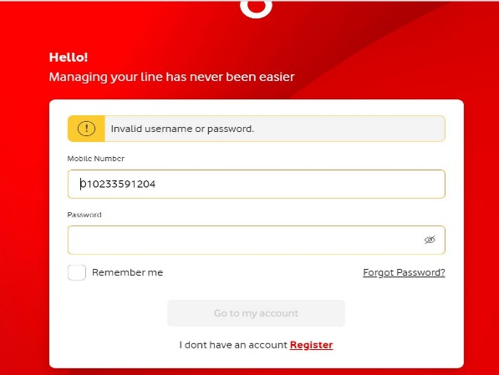 | Open

 | There are Bug during the complete purchase information, in personal information in the full name field when entering the space, an error message did not appear.
Bug02_Error MessagePurchaseInfo | during the complete purchase information, in personal information in the full name field when entering the space, an error message did not appear. | functional | 1- Egypt Simulation should be active 2- Chrome browser should be available 3-Make order | 1- Open Chrome browser 2- Go to Link URL 3- Select language 4- Go to “Shop By Brand” section and select “Iphone”. 5- Select any of returned iphone mobiles. 6- Press add to cart. 7- Press Proceed to Checkout. 8- Select “Delivery Options” 9- Select “Deliver to My Address”. 10- Add address details. 11- Press continue. 12-Enter a space in the Personal Information fields. 13- Press continue. | 1- URL: https://eshop.vodafone.com.eg/eshop/homePage/index.jsp#/home 2- language: “English”. 5- Select IPad 8- “Delivery Options” as “Cairo” “Ain Shams”. 10- Add address details: StreetName: Elshrouq Building No: 123 Floor No: 1 Appartment No:13 . 12- Personal info: Full Name: Email: Mobile Number: | Low | Mediam | Reem khalaf | "Developer name" | Error Message ->Full Name "Please enter a valid name" Error Message-> Mobile number "Please enter a valid Mobile Number e.g. 01*********" Error Message ->Email "Please enter a valid email" | Error Message-> Mobile number "Please enter a valid Mobile Number e.g. 01*********" Error Message ->Email "Please enter a valid email" | 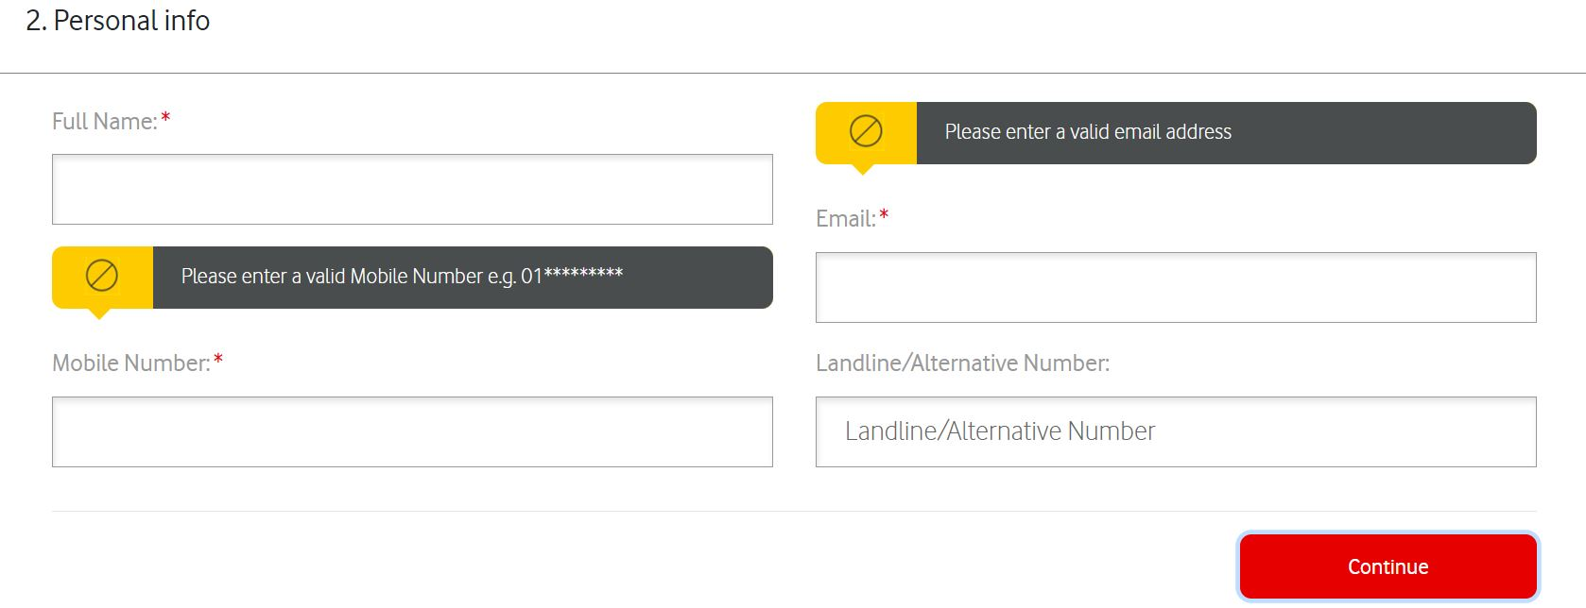 | Open

