Figures
Figures and Alt Text (excludes artifacts and decorative images)
Count of figures | 38


Page Number | Figure/Image | Alt-Text | bBox (x,y,w,h) | Object Id
47 |  | <missing> | (116,662,95,61) | 687

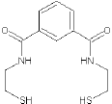
47 |  | <missing> | (108,459,116,108) | 690

47 |  | <missing> | (369,658,96,54) | 693

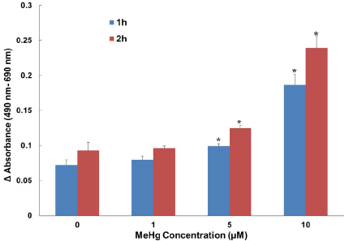
48 |  | <missing> | (90,692,430,297) | 679

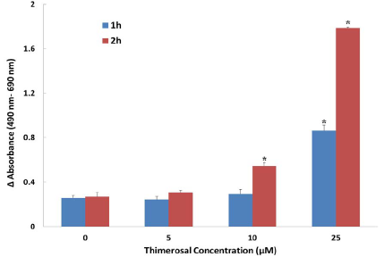
48 |  | <missing> | (90,381,429,297) | 681

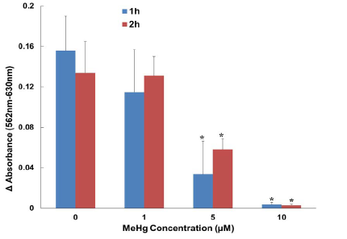
49 |  | <missing> | (91,692,430,297) | 671

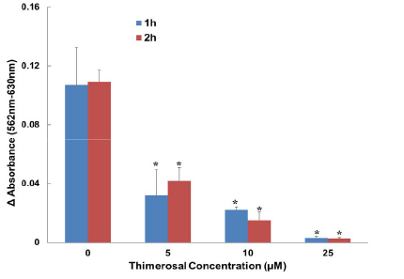
49 |  | <missing> | (91,381,430,297) | 673

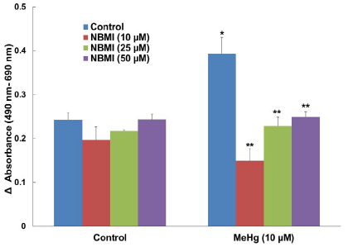
50 |  | <missing> | (93,692,426,299) | 666

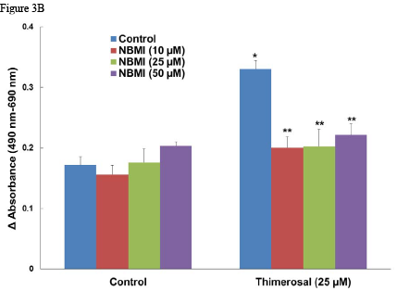
50 |  | <missing> | (90,395,429,314) | 667

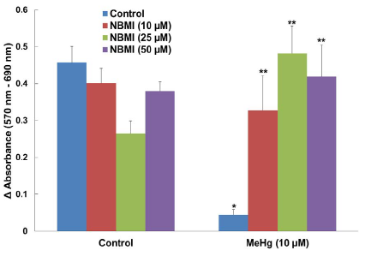
51 |  | <missing> | (93,692,426,299) | 660

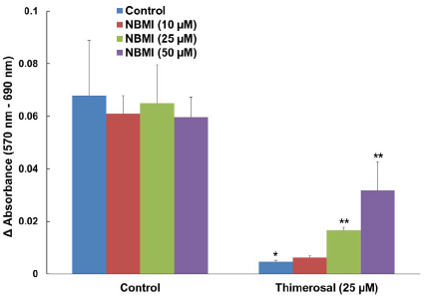
51 |  | <missing> | (93,380,426,299) | 662

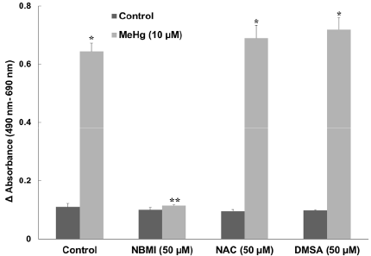
52 |  | <missing> | (91,692,430,298) | 654

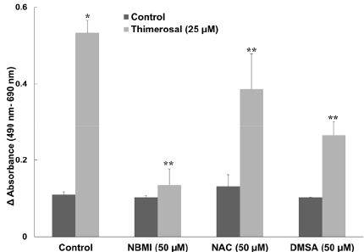
52 |  | <missing> | (91,381,430,297) | 656

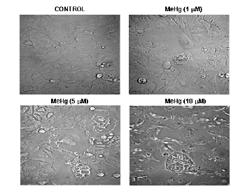
53 |  | <missing> | (126,692,360,270) | 647

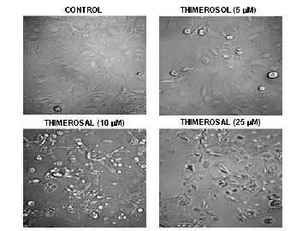
53 |  | <missing> | (126,395,360,270) | 649

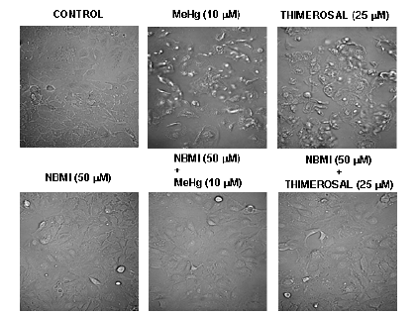
54 |  | <missing> | (95,706,421,319) | 643

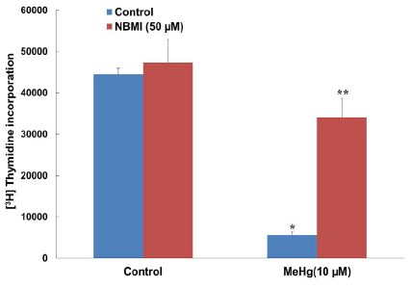
55 |  | <missing> | (90,692,426,299) | 635

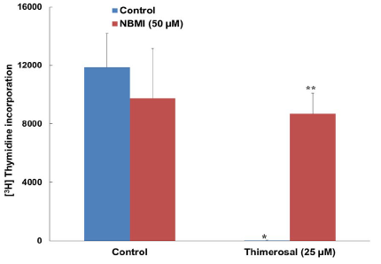
55 |  | <missing> | (91,380,430,297) | 637

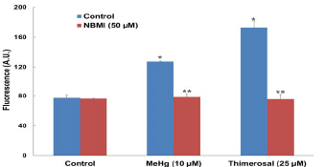
56 |  | <missing> | (137,694,338,175) | 623

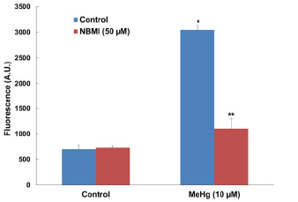
56 |  | <missing> | (137,494,338,229) | 625

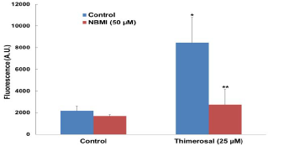
56 |  | <missing> | (137,250,338,174) | 627

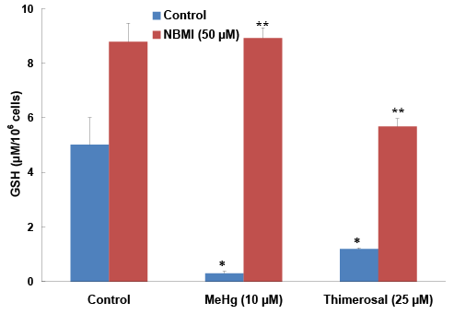
57 |  | <missing> | (93,690,493,340) | 619

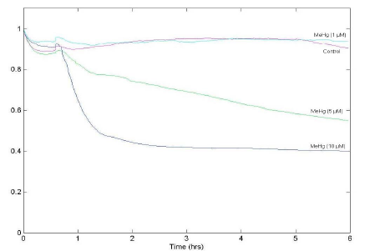
58 |  | <missing> | (90,706,443,301) | 611

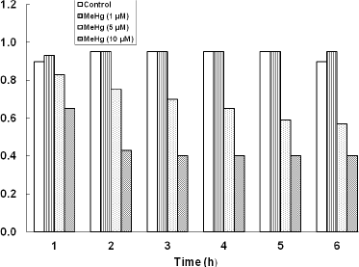
58 |  | <missing> | (122,390,372,277) | 613

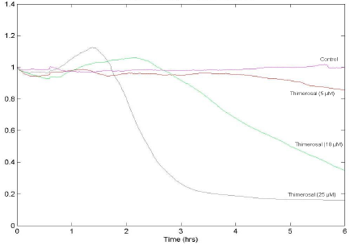
59 |  | <missing> | (90,706,438,304) | 603

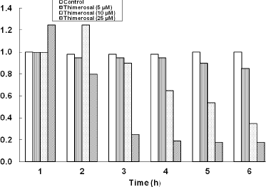
59 |  | <missing> | (122,385,373,262) | 605

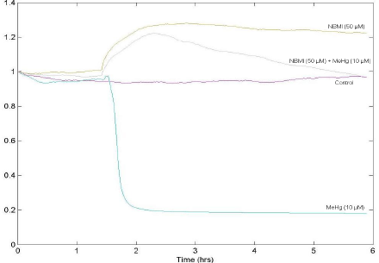
60 |  | <missing> | (90,706,440,305) | 595

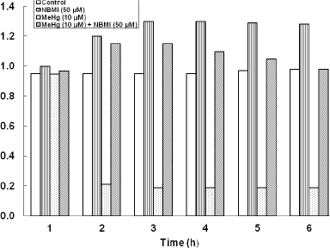
60 |  | <missing> | (117,385,383,287) | 597

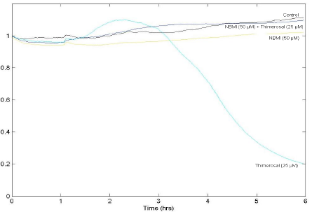
61 |  | <missing> | (90,706,445,303) | 587

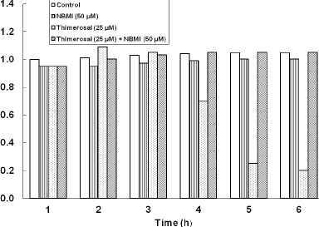
61 |  | <missing> | (117,387,383,274) | 589

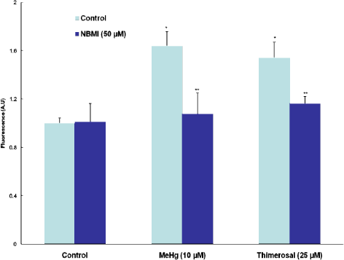
62 |  | <missing> | (118,688,472,357) | 583

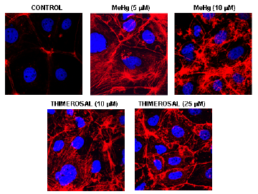
63 |  | <missing> | (126,679,360,270) | 575

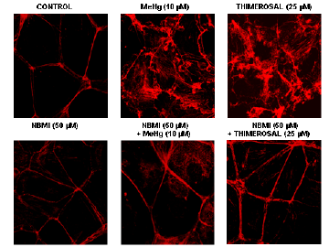
63 |  | <missing> | (126,367,360,270) | 577

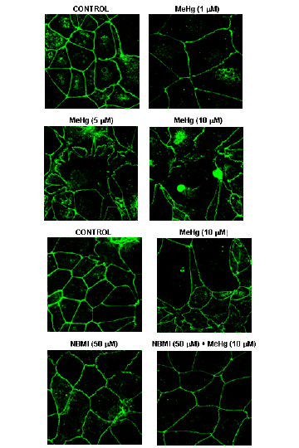
64 |  | <missing> | (126,679,360,540) | 571

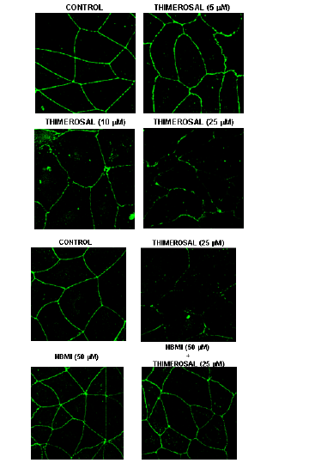
65 |  | <missing> | (126,692,360,540) | 567

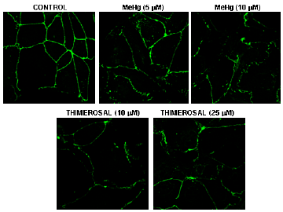
66 |  | <missing> | (126,692,360,270) | 561

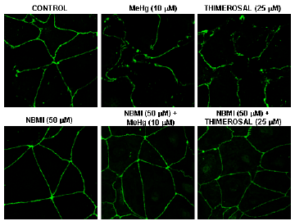
66 |  | <missing> | (126,409,360,270) | 562

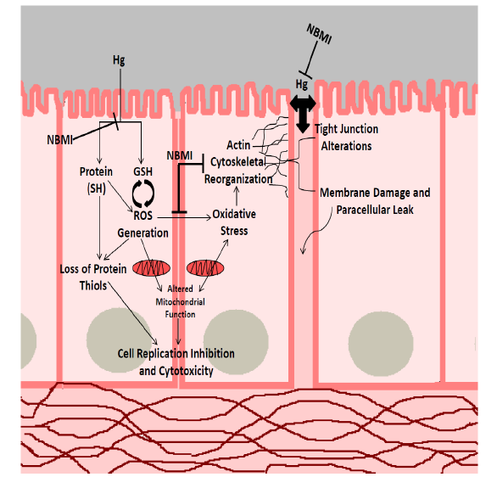
67 |  | <missing> | (12,663,586,563) | 557

