Dashboard
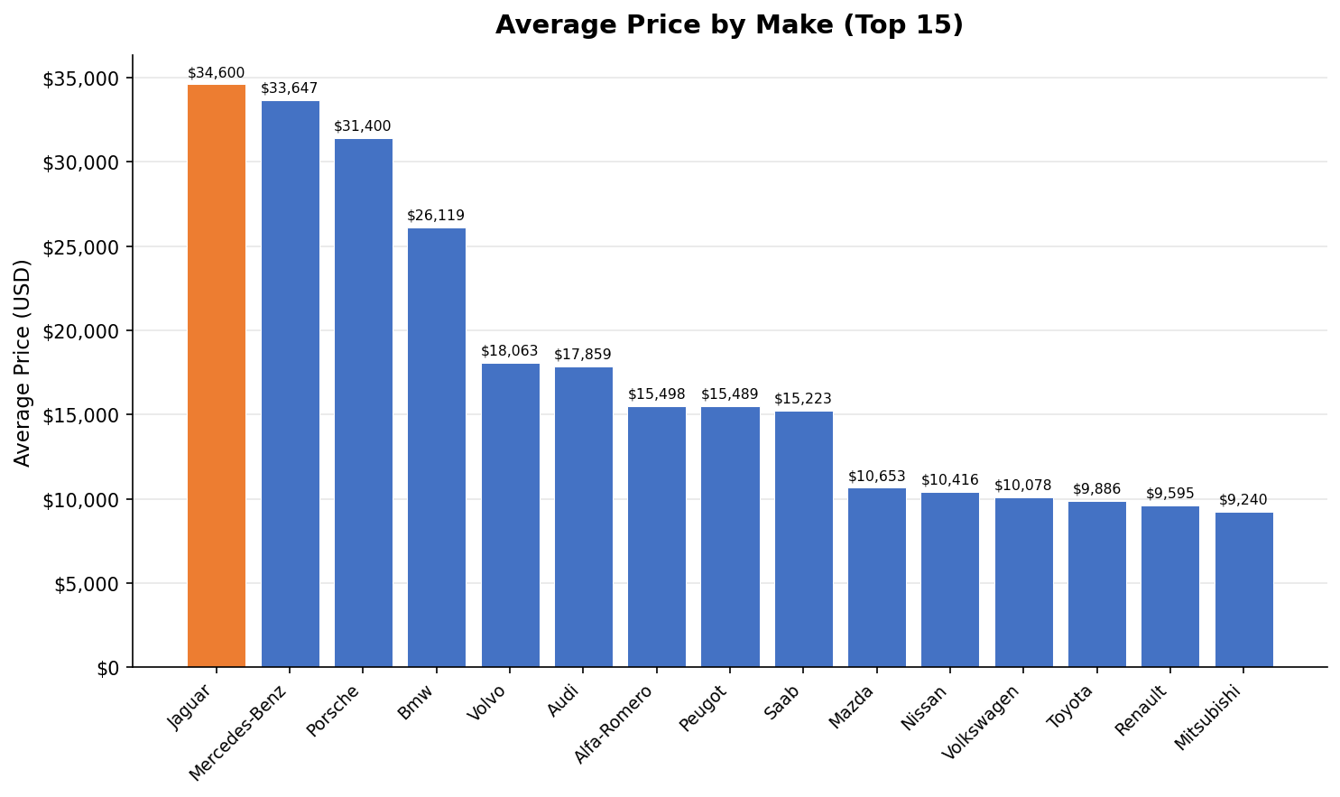
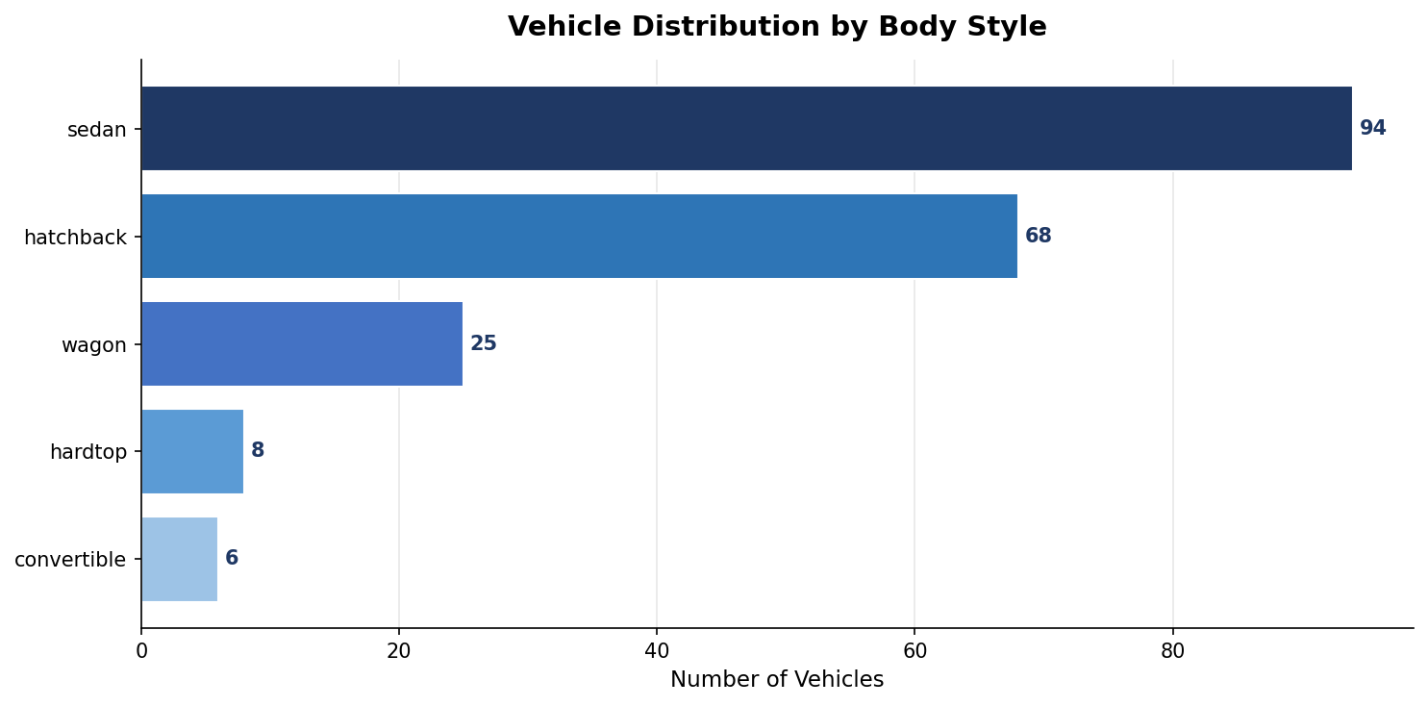
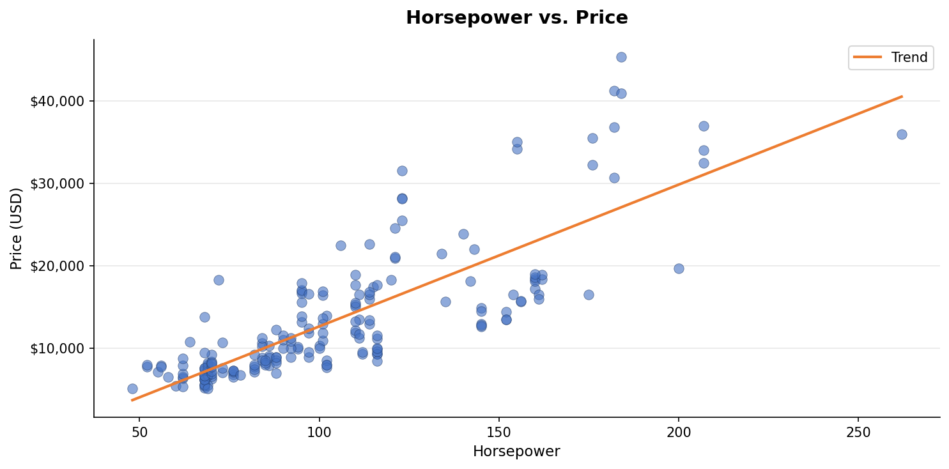
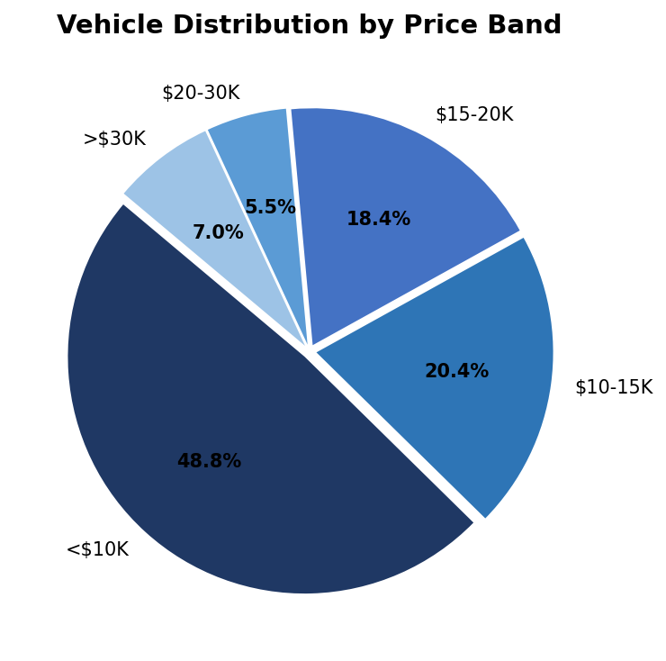
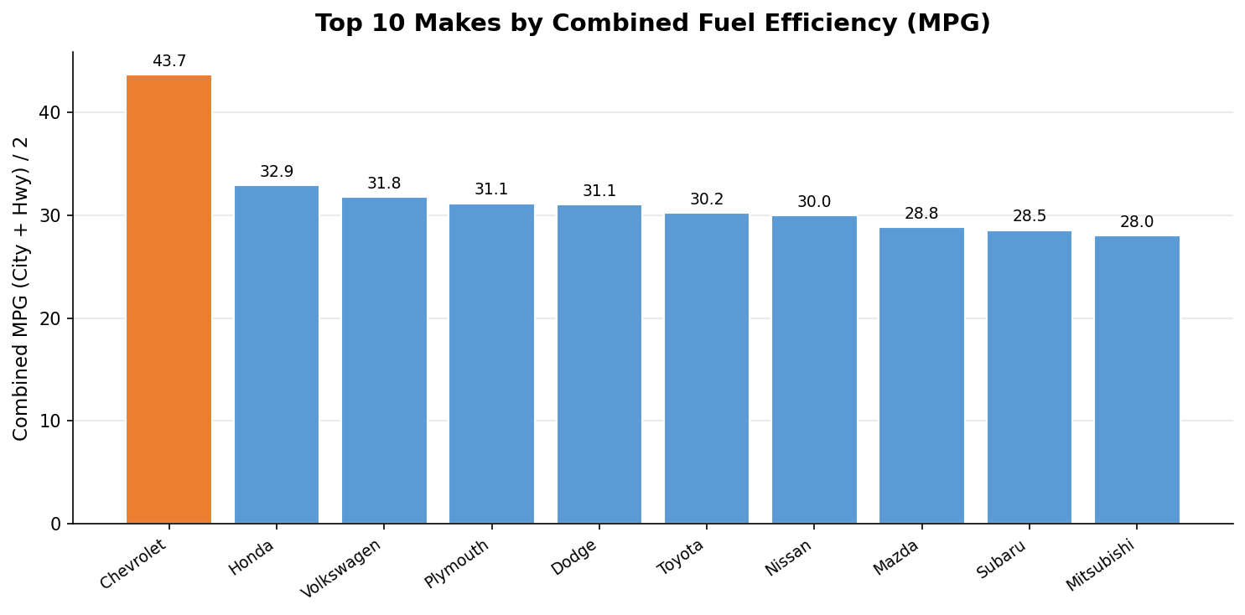
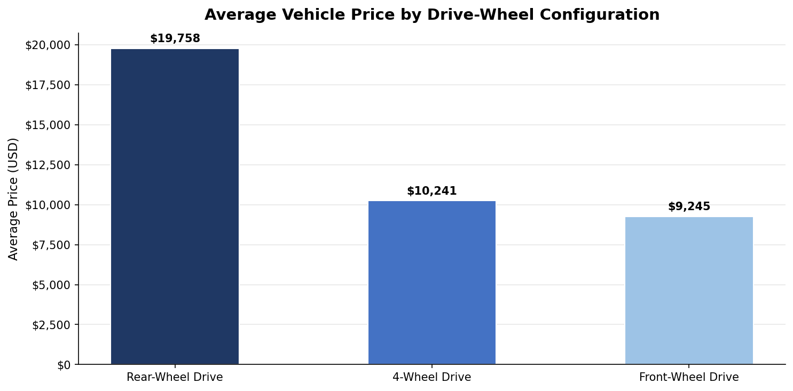
📊 Automobile Market Specifications & Pricing Analysis | Automotive / Product Catalog Dashboard
Generated: 08 March 2026, 18:42

 | 🚗 Total Vehicles | 💰 Average List Price | ⛽ Avg Combined MPG | 📈 HP ↔ Price Correlation
 | 201 | $13,207 | 27.9 MPG | r = 0.81

