Sheet1
 |  | Gap Top | 0.12 | Gap Bottom | 0.1
Heat Pad | Gap Pad HC 3.0 | Compression top | 0.005 | Compression bottom | 0.025
Thickness | 0.125 | % Compression top | 4 | % Compression bottom | 20
Young's Modulus (psi) | 16 | Thermal Resistance (C-in^2/W) | 1.8 | Thermal Resistance (C-in^2/W) | 1.5
SNAP power dissipation (Watts) | 24 | top strain, ɛ | 0.04 | bottom strain, ɛ | 0.2
url | http://www.bergquistcompany.com/pdfs/dataSheets/PDS_GP_HC%203_0415%20v3.pdf | stress (psi) | 0.64 | stress (psi) | 3.2

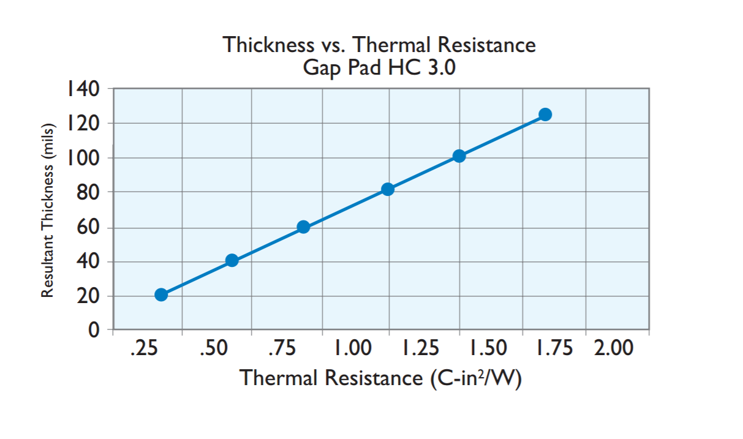
Aluminum blocks, 1 in^2
top height | 1.158
bottom height | 0.21
Aluminum thermal resistance W/in*C | 5.3
top resistance C/Watt | 0.2
bottom resistance C/Watt | 0.8

Calculations
Equivalent Resistance (parallel) ̊C/ Watt | 0.8
Temp. increase per SNAP due to thermal pad | 19.2
Temp. increase per SNAP due to top heat sink | 4.8
Temp. increase per SNAP due to bottom heat sink | 19.2

