Sheet1
Sno | Search By | Test Status
1 | City Name | Working
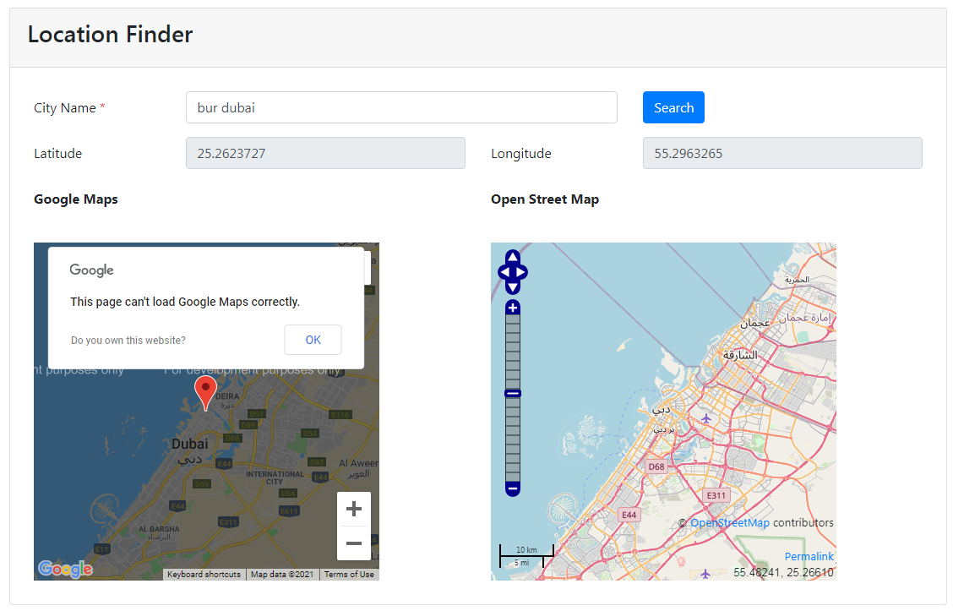

2 | Pincode | Working
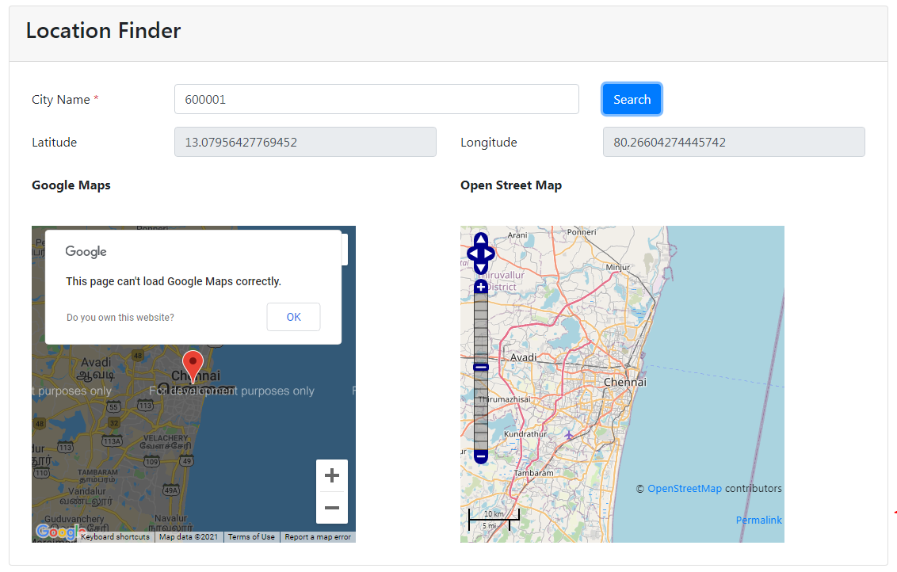

3 | Area Name, City | Working
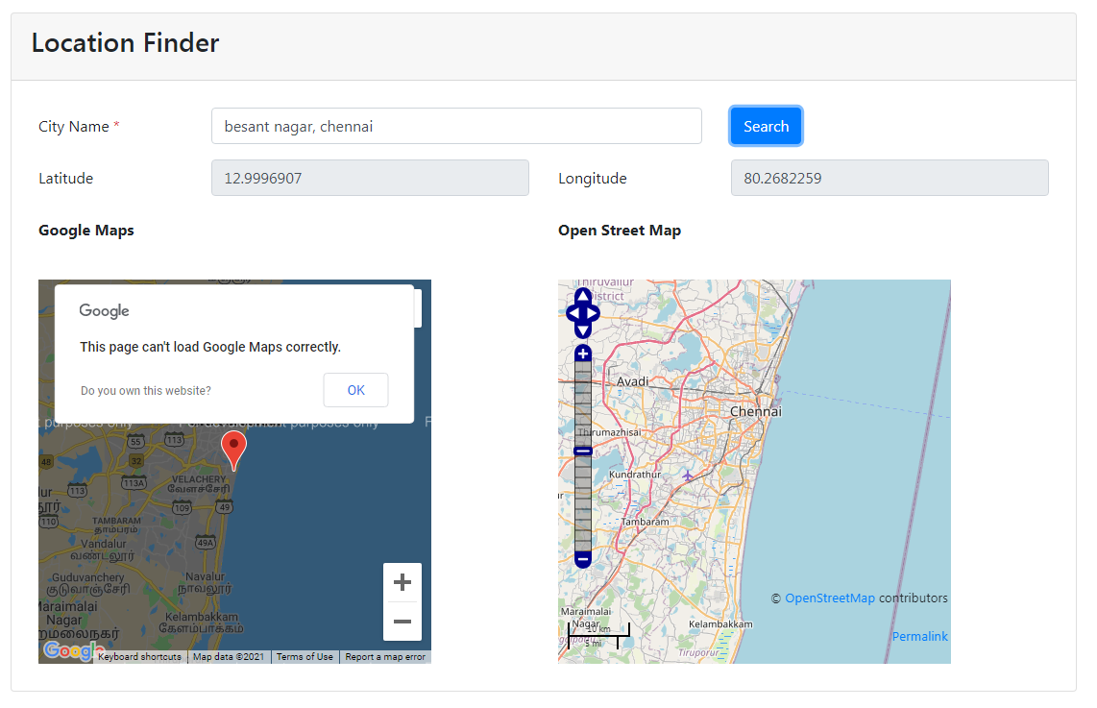

4 | Show Error Message if Searched on invalid city/street/ area | Working
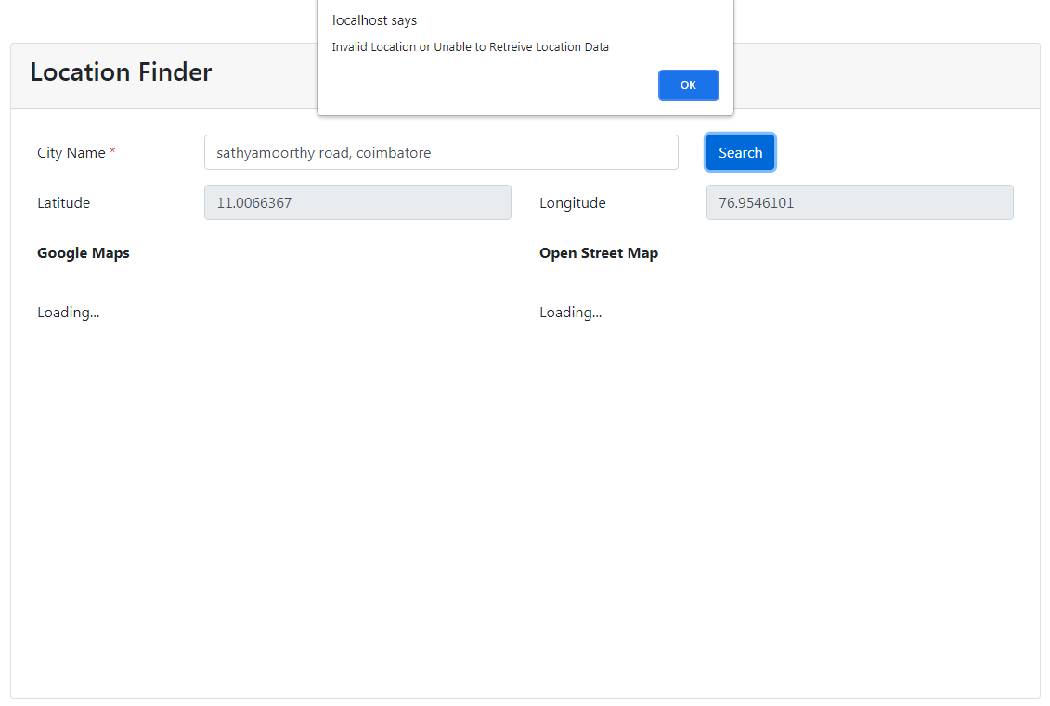

5 | Reterievd latitute and longitude on all above search | Working

