TMCL
 | Volume / A3 | Molecular weight / Da | Exchangable hydrogens | SLD H2O / A-2 | SLD D2O / A-2 | SLD ACMW / A-2 | SLD CMSi / A-2 | SLD CM4 / A-2 | C | H | D | O | N | P | S | SL H2O / x10-4 A | SL D2O / x10-4 A | SL ACMW / x10-4 A | SL CMSi / x10-4 A | SL CM4 / x10-4 A
Heads | 506 | 558.31 | 1 | 2.9080988142E-06 | 3.1139268775E-06 | 2.9245650593E-06 | 2.9863134783E-06 | 3.043945336E-06 | 17 | 20 | 0 | 17 | 0 | 2 | 0 | 14.71498 | 15.75647 | 14.7982992 | 15.1107462 | 15.4023634
Tails | 1574 | 689.6 | 0 | -6.3441931385E-07 | -6.3441931385E-07 | -6.3441931385E-07 | -6.3441931385E-07 | -6.3441931385E-07 | 48 | 112 | 0 | 0 | 0 | 0 | 0 | -9.98576 | -9.98576 | -9.98576 | -9.98576 | -9.98576
Total | 2080 | 1247.91 | 1 | 2.2736634615E-07 | 2.7743798077E-07 | 2.3137207692E-07 | 2.4639356731E-07 | 2.60413625E-07 | 65 | 132 | 0 | 17 | 0 | 2 | 0 | 4.72922 | 5.77071 | 4.8125392 | 5.1249862 | 5.4166034

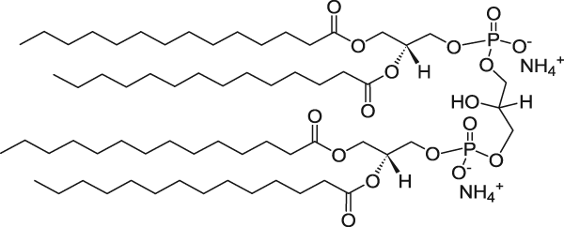

References to obtain volumes for heads and tails:

A.L. Boscia et al. (2014) Chem. Phys. Lipids 178: 1 - 10.

TOCL
 | Volume / A3 | Molecular weight / Da | Exchangable hydrogens | SLD H2O / A-2 | SLD D2O / A-2 | SLD ACMW / A-2 | SLD CMSi / A-2 | SLD CM4 / A-2 | C | H | D | O | N | P | S | SL H2O / x10-4 A | SL D2O / x10-4 A | SL ACMW / x10-4 A | SL CMSi / x10-4 A | SL CM4 / x10-4 A
Heads | 506 | 558.31 | 1 | 2.9080988142E-06 | 3.1139268775E-06 | 2.9245650593E-06 | 2.9863134783E-06 | 3.043945336E-06 | 17 | 20 | 0 | 17 | 0 | 2 | 0 | 14.71498 | 15.75647 | 14.7982992 | 15.1107462 | 15.4023634
Tails | 1968 | 950 | 0 | -2.1192886179E-07 | -2.1192886179E-07 | -2.1192886179E-07 | -2.1192886179E-07 | -2.1192886179E-07 | 68 | 132 | 0 | 0 | 0 | 0 | 0 | -4.17076 | -4.17076 | -4.17076 | -4.17076 | -4.17076
Total | 2474 | 1508.31 | 1 | 4.2620129345E-07 | 4.6829870655E-07 | 4.295690865E-07 | 4.4219831043E-07 | 4.539855861E-07 | 85 | 152 | 0 | 17 | 0 | 2 | 0 | 10.54422 | 11.58571 | 10.6275392 | 10.9399862 | 11.2316034

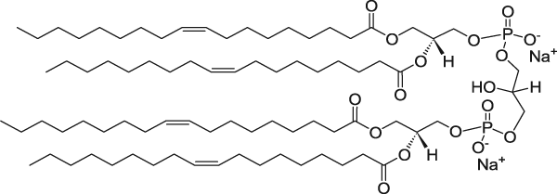

References to obtain volumes for heads and tails:

For headgroup volume A.L. Boscia et al. (2014) Chem. Phys. Lipids 178: 1 - 10.
For tail volume: DOPC tail volume x2 from: J.F. Nagle and S. Tristram-Nagle (2000) Biochim. Biophys. Acta: Rev. Biomembr. 1469: 159-195

MPLA
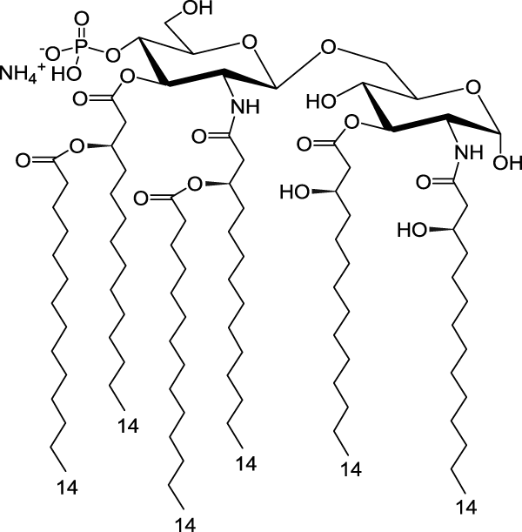
 | Volume / A3 | Molecular weight / Da | Exchangable hydrogens | SLD H2O / A-2 | SLD D2O / A-2 | SLD ACMW / A-2 | SLD CMSi / A-2 | SLD CM4 / A-2 | C | H | D | O | N | P | S | SL H2O / x10-4 A | SL D2O / x10-4 A | SL ACMW / x10-4 A | SL CMSi / x10-4 A | SL CM4 / x10-4 A
Heads | 832 | 813.71 | 8 | 2.3304591346E-06 | 3.3318918269E-06 | 2.41057375E-06 | 2.7110035577E-06 | 2.9914047115E-06 | 30 | 42 | 0 | 22 | 2 | 1 | 0 | 19.38942 | 27.72134 | 20.0559736 | 22.5555496 | 24.8884872
Tails | 2346 | 932.04 | 0 | -3.3013554987E-07 | -3.3013554987E-07 | -3.3013554987E-07 | -3.3013554987E-07 | -3.3013554987E-07 | 66 | 138 | 0 | 0 | 0 | 0 | 0 | -7.74498 | -7.74498 | -7.74498 | -7.74498 | -7.74498
Total | 3178 | 1745.75 | 8 | 3.6640780365E-07 | 6.2858275645E-07 | 3.8738179987E-07 | 4.6603428571E-07 | 5.394432725E-07 | 96 | 180 | 0 | 22 | 2 | 1 | 0 | 11.64444 | 19.97636 | 12.3109936 | 14.8105696 | 17.1435072

PHAD
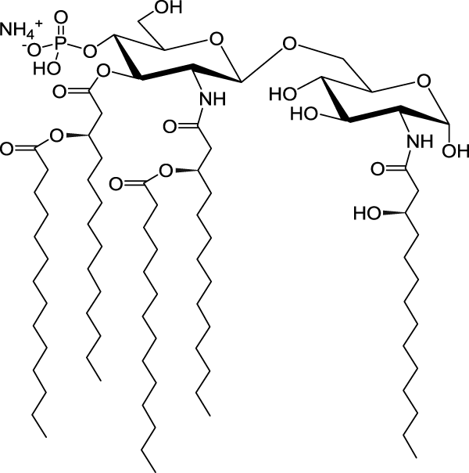
 | Volume / A3 | Molecular weight / Da | Exchangable hydrogens | SLD H2O / A-2 | SLD D2O / A-2 | SLD ACMW / A-2 | SLD CMSi / A-2 | SLD CM4 / A-2 | C | H | D | O | N | P | S | SL H2O / x10-4 A | SL D2O / x10-4 A | SL ACMW / x10-4 A | SL CMSi / x10-4 A | SL CM4 / x10-4 A
Heads | 832 | 686.53 | 8 | 2.1261454327E-06 | 3.127578125E-06 | 2.2062600481E-06 | 2.5066898558E-06 | 2.7870910096E-06 | 23 | 31 | 0 | 20 | 2 | 1 | 0 | 17.68953 | 26.02145 | 18.3560836 | 20.8556596 | 23.1885972
Tails | 1955 | 832.82 | 0 | -3.4718721228E-07 | -3.4718721228E-07 | -3.4718721228E-07 | -3.4718721228E-07 | -3.4718721228E-07 | 59 | 123 | 0 | 0 | 0 | 0 | 0 | -6.78751 | -6.78751 | -6.78751 | -6.78751 | -6.78751
Total | 2787 | 1519.35 | 8 | 3.9117402225E-07 | 6.9013060639E-07 | 4.1509054898E-07 | 5.0477752422E-07 | 5.8848536778E-07 | 82 | 154 | 0 | 20 | 2 | 1 | 0 | 10.90202 | 19.23394 | 11.5685736 | 14.0681496 | 16.4010872

