TMCL
 | Volume / A3 | Molecular weight / Da | Exchangable hydrogens | SLD H2O / A-2 | SLD D2O / A-2 | SLD ACMW / A-2 | SLD CMSi / A-2 | SLD CM4 / A-2 | C | H | D | O | N | P | S | SL H2O / x10-4 A | SL D2O / x10-4 A | SL ACMW / x10-4 A | SL CMSi / x10-4 A | SL CM4 / x10-4 A
Heads | 506 | 554.27 | 1 | 3.2038221344E-06 | 3.4096501976E-06 | 3.2202883794E-06 | 3.2820367984E-06 | 3.3396686561E-06 | 17 | 16 | 0 | 17 | 0 | 2 | 0 | 16.21134 | 17.25283 | 16.2946592 | 16.6071062 | 16.8987234
Tails | 1574 | 685.56 | 0 | -5.393519695E-07 | -5.393519695E-07 | -5.393519695E-07 | -5.393519695E-07 | -5.393519695E-07 | 48 | 108 | 0 | 0 | 0 | 0 | 0 | -8.4894 | -8.4894 | -8.4894 | -8.4894 | -8.4894
Total | 2080 | 1239.83 | 1 | 3.7124711538E-07 | 4.2131875E-07 | 3.7525284615E-07 | 3.9027433654E-07 | 4.0429439423E-07 | 65 | 124 | 0 | 17 | 0 | 2 | 0 | 7.72194 | 8.76343 | 7.8052592 | 8.1177062 | 8.4093234

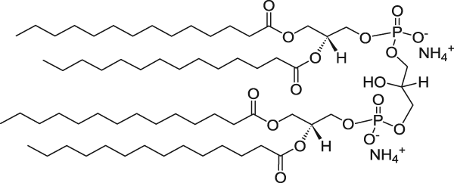

References to obtain volumes for heads and tails:

A.L. Boscia et al. (2014) Chem. Phys. Lipids 178: 1 - 10.

TOCL
 | Volume / A3 | Molecular weight / Da | Exchangable hydrogens | SLD H2O / A-2 | SLD D2O / A-2 | SLD ACMW / A-2 | SLD CMSi / A-2 | SLD CM4 / A-2 | C | H | D | O | N | P | S | SL H2O / x10-4 A | SL D2O / x10-4 A | SL ACMW / x10-4 A | SL CMSi / x10-4 A | SL CM4 / x10-4 A
Heads | 506 | 506.23 | 1 | 2.678256917E-06 | 2.8840849802E-06 | 2.6947231621E-06 | 2.756471581E-06 | 2.8141034387E-06 | 13 | 16 | 0 | 17 | 0 | 2 | 0 | 13.55198 | 14.59347 | 13.6352992 | 13.9477462 | 14.2393634
Tails | 1968 | 950 | 0 | -2.1192886179E-07 | -2.1192886179E-07 | -2.1192886179E-07 | -2.1192886179E-07 | -2.1192886179E-07 | 68 | 132 | 0 | 0 | 0 | 0 | 0 | -4.17076 | -4.17076 | -4.17076 | -4.17076 | -4.17076
Total | 2474 | 1456.23 | 1 | 3.7919240097E-07 | 4.2128981407E-07 | 3.8256019402E-07 | 3.9518941795E-07 | 4.0697669361E-07 | 81 | 148 | 0 | 17 | 0 | 2 | 0 | 9.38122 | 10.42271 | 9.4645392 | 9.7769862 | 10.0686034

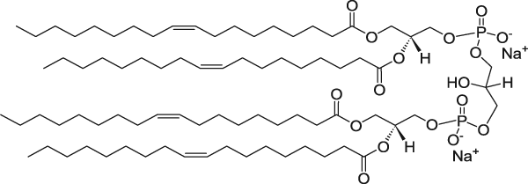

References to obtain volumes for heads and tails:

For headgroup volume A.L. Boscia et al. (2014) Chem. Phys. Lipids 178: 1 - 10.
For tail volume: DOPC tail volume x2 from: J.F. Nagle and S. Tristram-Nagle (2000) Biochim. Biophys. Acta: Rev. Biomembr. 1469: 159-195

MPLA
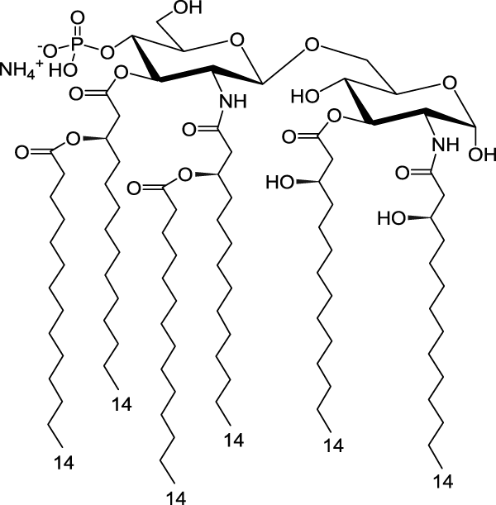
 | Volume / A3 | Molecular weight / Da | Exchangable hydrogens | SLD H2O / A-2 | SLD D2O / A-2 | SLD ACMW / A-2 | SLD CMSi / A-2 | SLD CM4 / A-2 | C | H | D | O | N | P | S | SL H2O / x10-4 A | SL D2O / x10-4 A | SL ACMW / x10-4 A | SL CMSi / x10-4 A | SL CM4 / x10-4 A
Heads | 832 | 813.71 | 8 | 2.3304591346E-06 | 3.3318918269E-06 | 2.41057375E-06 | 2.7110035577E-06 | 2.9914047115E-06 | 30 | 42 | 0 | 22 | 2 | 1 | 0 | 19.38942 | 27.72134 | 20.0559736 | 22.5555496 | 24.8884872
Tails | 2346 | 932.04 | 0 | -3.3013554987E-07 | -3.3013554987E-07 | -3.3013554987E-07 | -3.3013554987E-07 | -3.3013554987E-07 | 66 | 138 | 0 | 0 | 0 | 0 | 0 | -7.74498 | -7.74498 | -7.74498 | -7.74498 | -7.74498
Total | 3178 | 1745.75 | 8 | 3.6640780365E-07 | 6.2858275645E-07 | 3.8738179987E-07 | 4.6603428571E-07 | 5.394432725E-07 | 96 | 180 | 0 | 22 | 2 | 1 | 0 | 11.64444 | 19.97636 | 12.3109936 | 14.8105696 | 17.1435072

PHAD
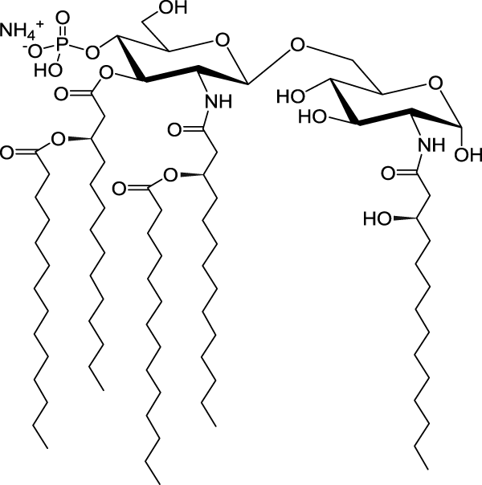
 | Volume / A3 | Molecular weight / Da | Exchangable hydrogens | SLD H2O / A-2 | SLD D2O / A-2 | SLD ACMW / A-2 | SLD CMSi / A-2 | SLD CM4 / A-2 | C | H | D | O | N | P | S | SL H2O / x10-4 A | SL D2O / x10-4 A | SL ACMW / x10-4 A | SL CMSi / x10-4 A | SL CM4 / x10-4 A
Heads | 832 | 686.53 | 8 | 2.1261454327E-06 | 3.127578125E-06 | 2.2062600481E-06 | 2.5066898558E-06 | 2.7870910096E-06 | 23 | 31 | 0 | 20 | 2 | 1 | 0 | 17.68953 | 26.02145 | 18.3560836 | 20.8556596 | 23.1885972
Tails | 1955 | 832.82 | 0 | -3.4718721228E-07 | -3.4718721228E-07 | -3.4718721228E-07 | -3.4718721228E-07 | -3.4718721228E-07 | 59 | 123 | 0 | 0 | 0 | 0 | 0 | -6.78751 | -6.78751 | -6.78751 | -6.78751 | -6.78751
Total | 2787 | 1519.35 | 8 | 3.9117402225E-07 | 6.9013060639E-07 | 4.1509054898E-07 | 5.0477752422E-07 | 5.8848536778E-07 | 82 | 154 | 0 | 20 | 2 | 1 | 0 | 10.90202 | 19.23394 | 11.5685736 | 14.0681496 | 16.4010872

