Report Menu
TYPE | AEX | OEX | AIM | OIM | UAS | Profile
STANDARD | Profit Report by Office | Profit Report by Office | Profit Report by Office | Profit Report by Office | UAS Core Report -1 | UFS Profile Maintenance
 | Profit Report by Customer | Profit Report by Customer | Profit Report by Customer | Profit Report by Customer | UAS Core Report -2 | UFS Profile (local language)
 | UFS Check Report | UFS Check Report | UFS Check Report | UFS Check Report | UAS Local Reports
 | Fowarding Performance | Fowarding Performance | Fowarding Performance | Fowarding Performance
 | Overseas Agency A/R & A/P | Overseas Agency A/R & A/P | Overseas Agency A/R & A/P | Overseas Agency A/R & A/P

TYPE | AEX | OEX | AIM | OIM | UAS | Profile
STANDARD ＋LOCAL | Profit Report by Office | Profit Report by Office | Profit Report by Office | Profit Report by Office | UAS Core Report -1 | UFS Profile Maintenance
 | Profit Report by Customer | Profit Report by Customer | Profit Report by Customer | Profit Report by Customer | UAS Core Report -2 | UFS Profile (local language)
 | UFS Check Report | UFS Check Report | UFS Check Report | UFS Check Report | UAS Local Reports
 | Fowarding Performance | Fowarding Performance | Fowarding Performance | Fowarding Performance | UAS SG Local Reports *
 | Overseas Agency A/R & A/P | Overseas Agency A/R & A/P | Overseas Agency A/R & A/P | Overseas Agency A/R & A/P
 | Additional Customer Report | Additional Customer Report | Additional Customer Report | Additional Customer Report
Note:
- US, CA, CN(880) doesn't have AEX、OEX、AIM、OIM but UAS and Profile only.
* UAS SG Local Reports is only for KWE SG.

Sample screenshots for Reports Menu

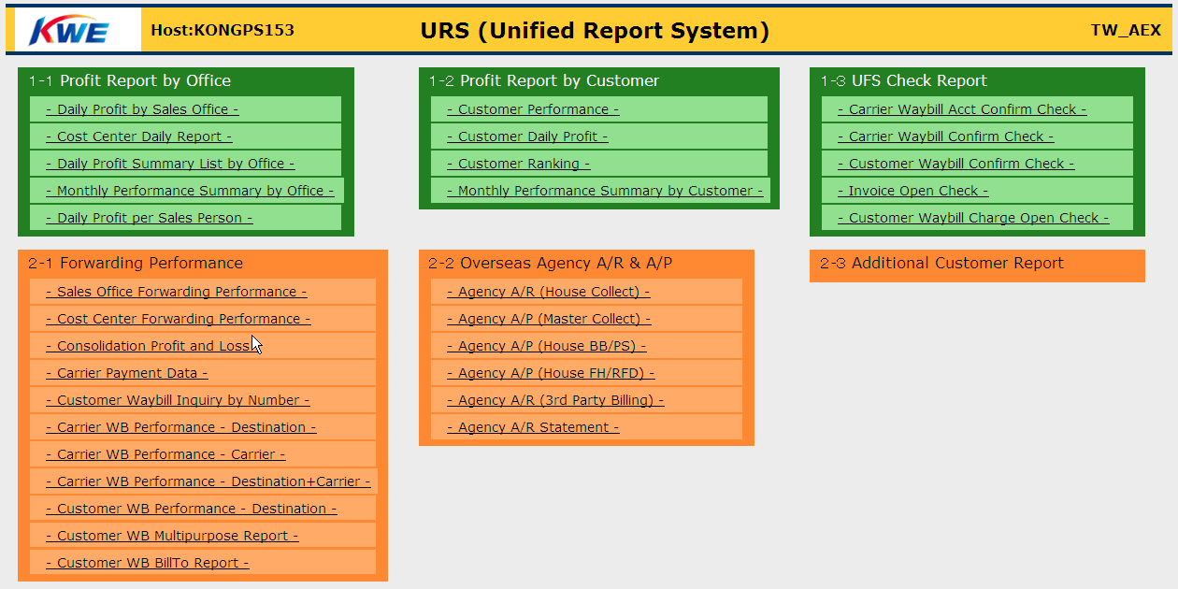
Standard Report Menu for UFS (AEX, OEX, AIM, OIM)

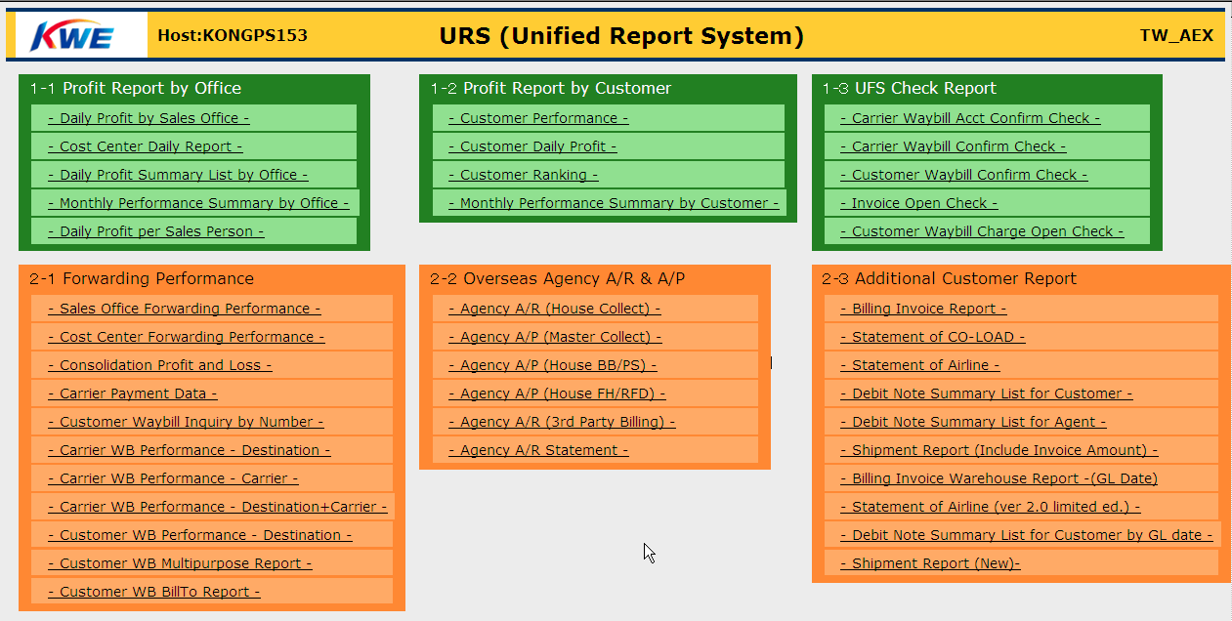
Standard+Local Report Menu for UFS (AEX, OEX, AIM, OIM)

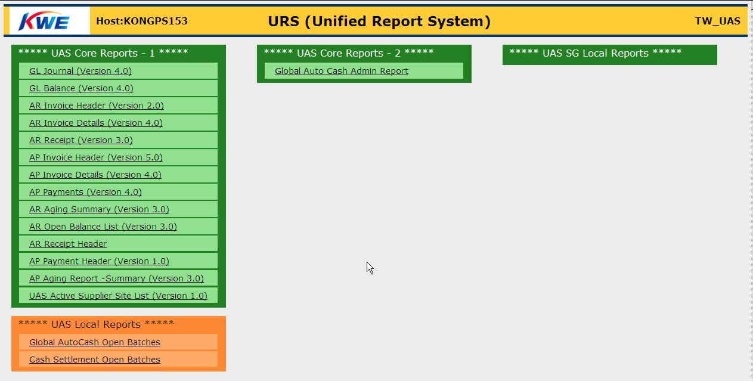
Standard Report Menu for UAS

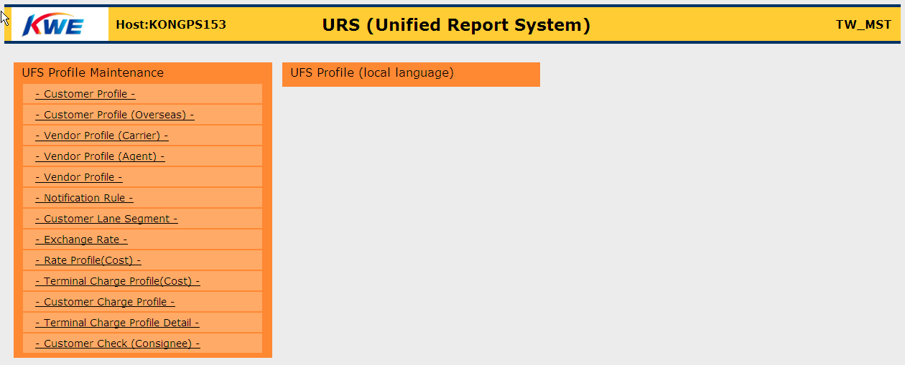
Standard Report Menu for Profile

