t3
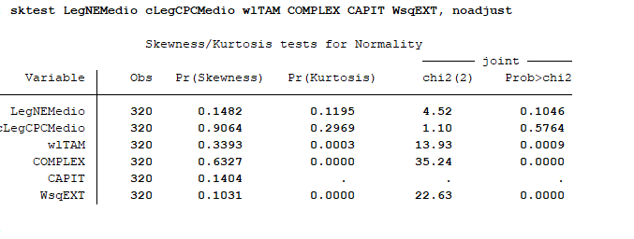
 | Skewness/Kurtosis | tests for Normality
 |  | ------- | joint ------
Variable | Obs Pr(Skewness) | Pr(Kurtosis) chi2(2) | Prob>chi2

LegNEMedio | 320 0.1482 | 0.1195 4.52 | 0.1046
cLegCPCMedio | 320 0.9064 | 0.2969 1.10 | 0.5764
wlTAM | 320 0.3393 | 0.0003 13.93 | 0.0009
COMPLEX | 320 0.6327 | 0.0000 35.24 | 0.0000
CAPIT | 320 0.1404 | . . | .
WsqEXT | 320 0.1031 | 0.0000 22.63 | 0.0000

t4
LegNEM~o cLegCP~o | RevCPC | wlTAM COMPLEX | CAPIT | GC

LegNEMedio | 10,000
cLegCPCMedio | -0.1904* 1.0000
RevCPC | -0.0178 0.0219 | 10,000
wlTAM | -0.0445 0.0392 | 0.0495 | 10,000
COMPLEX | -0.0799 0.1985* | 0.0072 | 0.3868* 1.0000
CAPIT | 0.0466 -0.1671* | 0.0423 | 0.6452* 0.2023* | 10,000
GC | 0.0554 0.0223 | 0.0097 | -0.4765* -0.1441* | -0.4715* | 10,000
AUDIT | -0.2250* 0.2523* | -0.0667 | -0.1245* 0.2611* | 0.0458 | 0.0486
WsqEXT | -0.1962* 0.3196* | -0.0127 | 0.4142* 0.3763* | 0.1109* | -0.2729*
ADR | -0.1520* -0.0609 | 0.0000 | 0.6552* 0.3430* | 0.5078* | -0.2236*

 | AUDIT WsqEXT | ADR
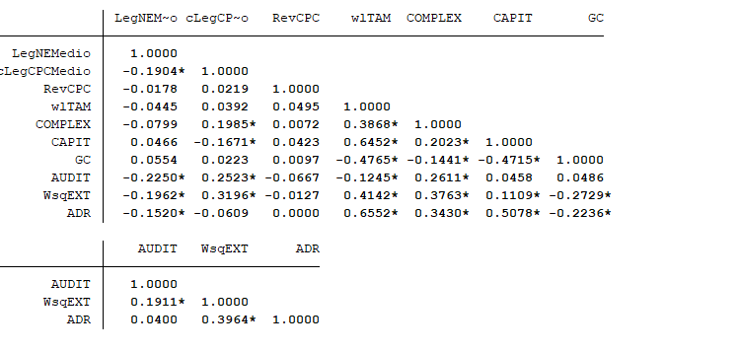
AUDIT | 10,000
WsqEXT | 0.1911* 1.0000
ADR | 0.0400 0.3964* | 10,000

t5
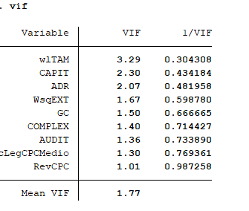
Variable | VIF | 1/VIF

wlTAM | 3.29 | 0.304308
CAPIT | 2.30 | 0.434184
ADR | 2.07 | 0.481958
WsqEXT | 1.67 | 0.598780
GC | 1.50 | 0.666665
COMPLEX | 1.40 | 0.714427
AUDIT | 1.36 | 0.733890
cLegCPCMedio | 1.30 | 0.769361
RevCPC | 1.01 | 0.987258

Mean VIF | 1.77

t6
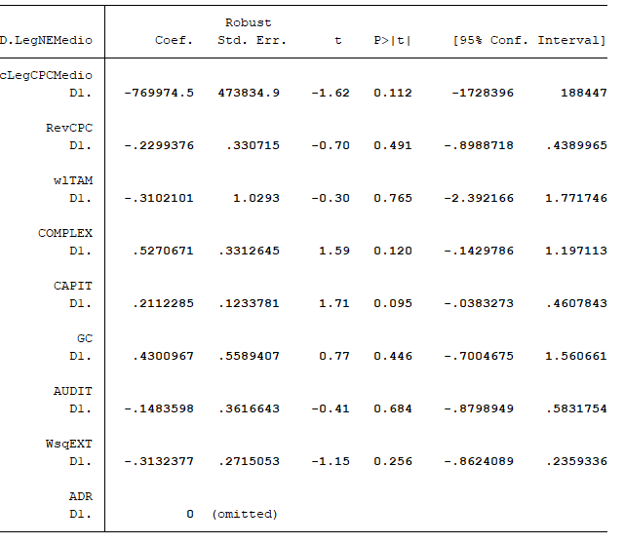
Wooldridge test for autocorrelation in panel data
H0: no first-order autocorrelation
F( 1, 39) = 11.112
Prob > F = 0.0019

t8
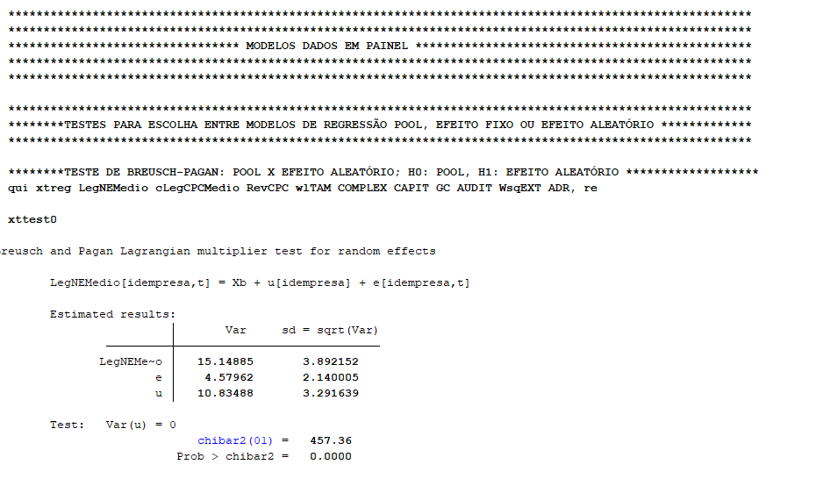

t9
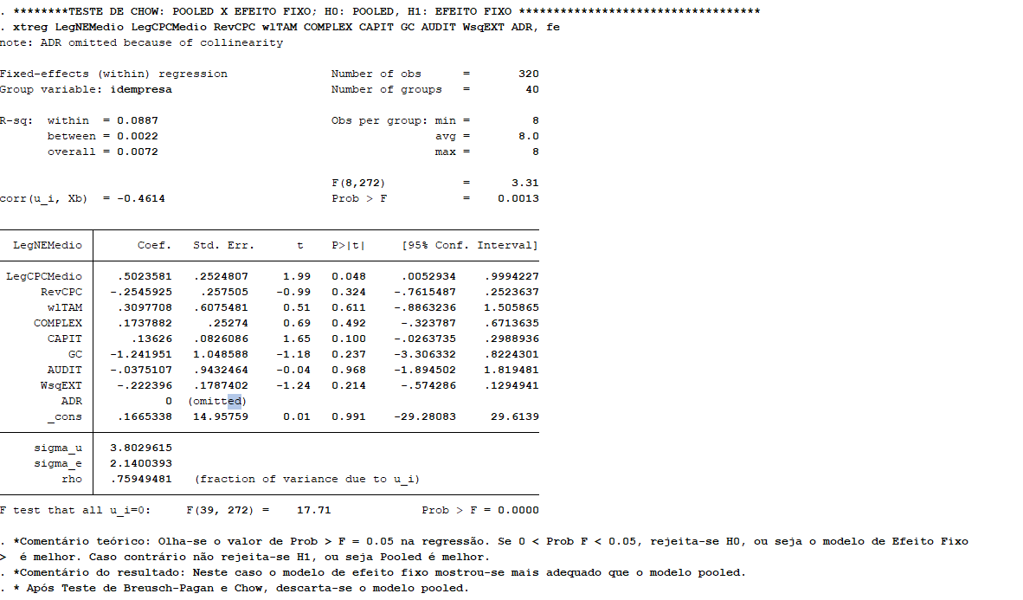

t10
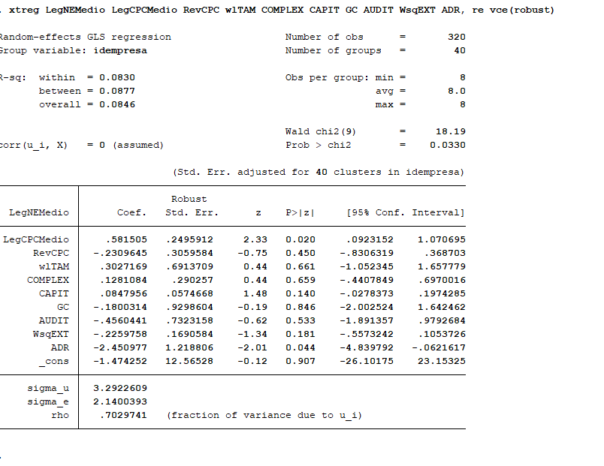

t11
