Zakat calculator
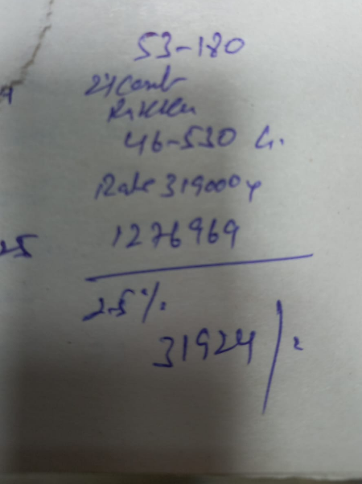

Zakat 2025
Date | 21-Mar-25
Ramzan | 20 Ramzan
Gold worth 1,276,969 @ Rs 319,000 | 1,276,969
Cash in Bank | 278,564
Cash in Hand | 25,350
Cash in easy paisa | 1,174
Cash in Jazz cash | 360
Loan to AH baloch | 15,000
Parrots worth | 60,000
 | 1,657,417

Less Loan due from office | 12,000
Charity due | 15,450
Less Loan due from Adnan | 35,000
Less necessary expenses within 2 months | 100,000

Total Worth | 1,494,967

Zakat 2.5% | 37,374

