Sheet1
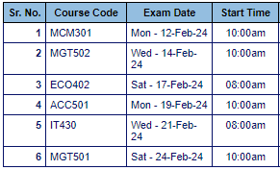
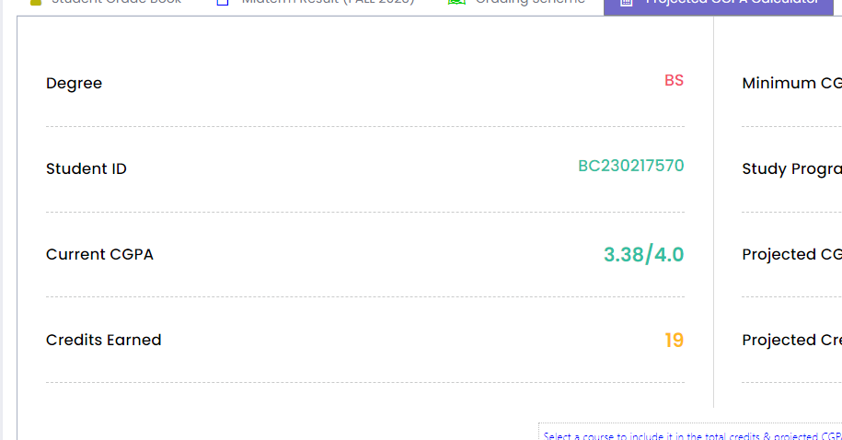
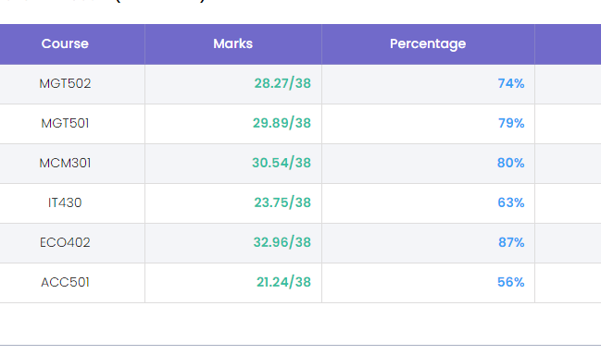

Subject | Marks | Course | Exam | Day | Time | Projection
Communication Skills | 30.54 | 19-45 | 2024-02-12 | Mod | 10 | 9 to 11
Organization behaviour | 28.27 | 19-45 | 2024-02-14 | Wed | 10 | 8
Micro Economics | 32.96 | 19-45 | 2024-02-17 | Sat | 8
Business Finance | 21.21 | 19-45 | 2024-02-19 | Mon | 10 | 5 to 7
IT Computer | 23.75 | 19-45 | 2024-02-21 | Wed | 8 | 31 to 4
Human Resourse Management | 29.89 | 19- 40 | 2024-02-24 | Sat | 10

